NFS Curr Map Netw
ElectraNet Pty Ltd

Prescribed Transmission Services
For the year 1 July 2023 to 30 June 2024

Demand forecasts
Demand forecasts for the forthcoming year are contained in the Transmission Annual Planning Report available at:
Transmission Annual Planning Report – ElectraNet
This document details the assumptions on which the demand forecast is based and provides full and detailed explanations of the basis of preparation.

Transmission line ratings are available at:
http://www.aemo.com.au/Electricity/National-Electricity-Market-NEM/Data/Network-Data/Transmission- Equipment-Ratings

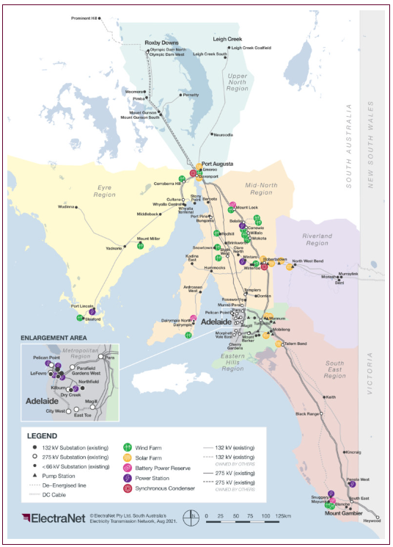
Forecast map of network

 | 0

DRS 1
ElectraNet Pty Ltd

Directors' Responsibility Statement for Regulatory Financial Statements
For the year 1 July 2023 to 30 June 2024
In the opinion of the Directors of ElectraNet Pty Ltd:
The Regulatory Financial Statements, schedules and work papers set out on pages 1 to 18 are drawn up to present fairly as required by the AER's Transmission Network Service Provider Information Requirements Guidelines issued 2 April 2015:
• the results of each Business Segment for the Regulatory Accounting year ended 30 June 2024;
• information concerning the state of affairs as at 30 June 2024, of each Business Segment;
• information concerning all related party transactions required by paragraph 4.14 of the Guidelines; and
• information concerning all financing transactions required by paragraph 4.16 of the Guidelines
No Third Party Benefit Transactions arose during the Regulatory Period.
The terms and definitions used in this statement accord with the definitions set out in the AER's Transmission Network Service Provider Information Requirements Guidelines referred to above.
Signed in accordance with a resolution of Directors:
------------------------------------------ ------------------------
Director Dated
------------------------------------------ ------------------------
Director Dated

Lease obligations relating to assets acquired under finance leases were fully defeased in prior years.

 | 0

