Sheet1
2026-31 EDPR
Community battery forecast

Current pipeline

Grants awarded under the Victorian Government's 100 Neighbourhood Batteries Program Grants
https://www.energy.vic.gov.au/grants/neighbourhood-batteries/100-neighbourhood-batteries-program-grants

Current complete applications |  | 4
Current applications in progress |  | 2
Remaining pipeline - no application |  | 29

Current pipeline projects with capacity noted |  | 15
Capacity (kW) of current projects |  | 3,087 | kW
Capacity (kWh) of current projects |  | 8,010 | kWh
Average capacity (kW) of current projects |  | 206
Average capacity (kWh) of current projects |  | 534
Average duration |  | 2.6 | hours

Required project completion date |  | Aug-27

Federal community battery programs

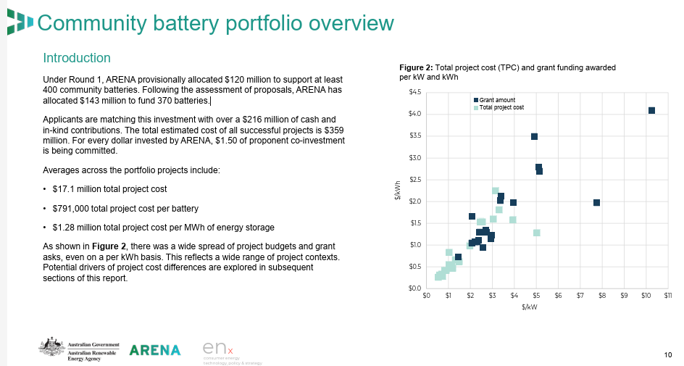
Source: | https://www.dcceew.gov.au/energy/renewable/community-batteries#arena-community-batteries-round-1
 | https://arena.gov.au/assets/2024/11/ARENA-Community-Battery-Market-Snapshop.pdf
 | https://arena.gov.au/funding/community-batteries-funding-round-2/

Business Grants Hub Stage 1
Only one battery in AusNet's area - Yarra Junction. Already connected

Business Grants Hub Stage 2
No batteries in AusNet's area

ARENA Round 1 - Stream A (DNSPs)
AusNet not included

ARENA Round 1- Stream B (non-DNSPs)
Mondo Power successful for Victoria
Funding includes 27 batteries, priority will be AST network (email Zach Coleman 30/10/25)
Targeting 100 kW / 200 kWh
Funding requires units to be installed before Dec 2027
Assume 18 installed 2026/27, 9 in first six months of 2027/28

Note: Indigo Power, Gemlife, Hydro Tas and Next Green Group were all awarded funding in Round 1 Stream B for "multiple states", but there is no evidence to hand that these proponents are planning to connect batteries in AusNet's network

ARENA Round 2
Round 1: $143M allocated to fund 370 batteries
Equates to ~$386k per battery
Round 2: $46M available
If Round 1 funding per battery holds, this equates to ~120 batteries
120 | batteries assumed to be connected from Round 2 funding
Expected to be completed within 24 months of grants being awarded
Assumption: AusNet receives 10% of these batteries
Whilst this is vastly different to round 1, assume that those areas that 'missed out' in that round will be more heavily promoted in round 2
10% | Assumed AusNet proportion of round 2 batteries

Future assumptions

There are currently no announcements of further rounds of state of federal funding for neighbourhood batteries in addition to the above
However, we can assume that the success of these programs will lead to future government incentives
For the period 2028-29 to 2030-31, we assume that future announcements of government funding will result in the below connections, as a proportion of the government funded connections in 2026-27 and 2027-28
50% | Assumed connections linked to future government grants, as a % of 2026-27 and 2027-28

We also assume that as battery prices fall and two-way energy markets evolve, there will be an opportunity for purely market-led neighbourhood batteries, earning a commercial return
We will set the potential opportunity for these projects at a % of the connections level in 2027-28 and apply this to the 2028-29 to 2030-31 period
50% | Assumed market-led connections opportunity, as a % of 2027-28 connections

EDPR forecast

 |  |  |  | Number |  |  |  |  | Capacity (MWh)
 |  |  |  | 2026-27 | 2027-28 | 2028-29 | 2029-30 | 2030-31 | 2026-27 | 2027-28 | 2028-29 | 2029-30 | 2030-31
Projects from current pipeline (NB100 funded) |  |  |  | 35 |  |  |  |  | 19
Projects from ARENA Round 1 (Mondo) |  |  |  | 18 | 9 |  |  |  | 4 | 2
Projects from ARENA Round 2 (assumption) |  |  |  |  | 12 |  |  |  |  | 2
Projects from assumed further rounds of funding (unannounced) |  |  |  |  |  | 16 | 16 | 16 |  |  | 6 | 6 | 6
Future market led connections (50% of 2027-28) |  |  |  |  |  | 11 | 11 | 11 |  |  | 2 | 2 | 2
 |  |  |  | 53 | 21 | 27 | 27 | 27 | 22 | 4 | 8 | 8 | 8

** Note that Mondo referred to 25 SAPS being deployed with BESS in the range of 20-60 kW over the EDPR timeframe. These have been excluded from the above

