Input|Benefits
 |  |  | Cost Benefit Analysis |  |  |  |  | Section Check: | Ok |  | Overall Check: | Ok |  | Legend: | Input | Internal | Select | Calculation
 |  |  | Input|Benefits
 |  |  |  |  |  |  |  | Year Display | 2024-25 | 2025-26 | 2026-27 | 2027-28 | 2028-29 | 2029-30 | 2030-31 | EDPR Total
 |  |  |  | Option | Unit | Basis | Asset | Start Year | 2024 | 2025 | 2026 | 2027 | 2028 | 2029 | 2030 | 2031

 | Copyright Jemena Limited. All rights reserved. Jemena is not liable for any loss caused by reliance on this document.

 | Benefits

 |  | Option 2 - Replacement based on historical trend

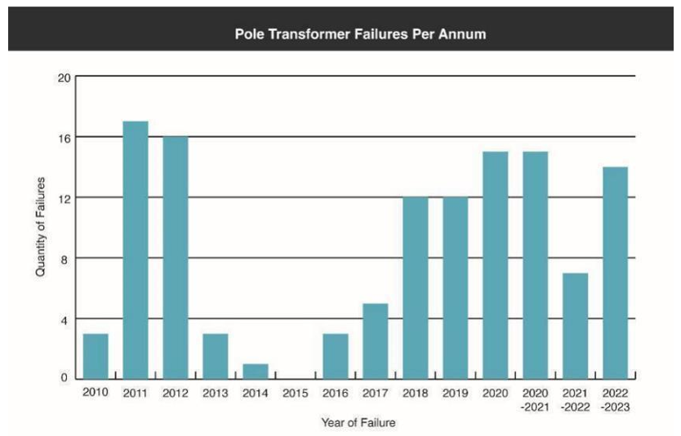
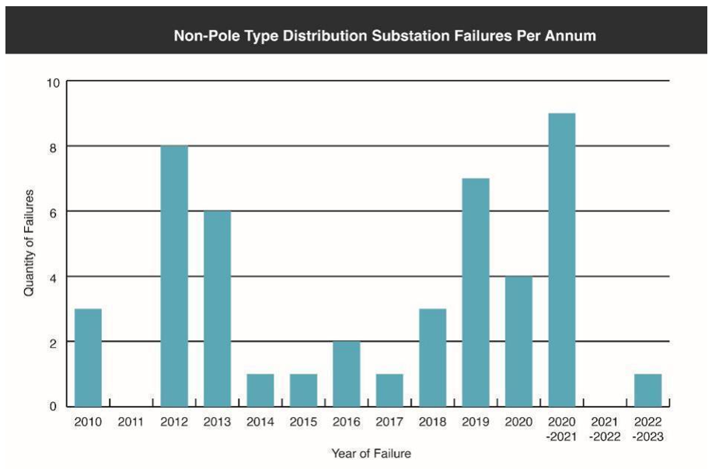
 |  |  | Category | Option | Unit | Basis | Source

 |  |  | Average of Outage Duration (minutes) | Option 2 | Minutes | n/a | Source | 333
 |  |  | Minutes in Hour | Option 2 | Minutes | n/a | n/a | 60
 |  |  | Average of Outage Duration (Hours) | Option 2 | Minutes | n/a | Source | 5.6
 |  |  | Average number of customers per outage caused by S/S fault | Option 2 | # | n/a | Source | 436
 |  |  | Total Duration (Hours) | Option 2 | Hours | n/a | Source | 2,423

 |  |  | % Split between Categories | Option | Unit | Basis | Source | % Split

 |  |  | Residential | Option 2 | % | n/a | Source | 80.0%
 |  |  | Commercial | Option 2 | % | n/a | Source | 15.0%
 |  |  | Industrial | Option 2 | % | n/a | Source | 5.0%
● |  |  | Total % | Option 2 | % | n/a | Source | 100.0%

 |  |  | kW per Hour | Option | Unit | Basis | Source | kWh p.a. | Hours per Year | kW per Hour

 |  |  | Residential | Option 2 | Mixed | n/a | Source | 6,100 | 8,760 | 0.70
 |  |  | Commercial | Option 2 | Mixed | n/a | Source | 14,600 | 8,760 | 1.67
 |  |  | Industrial | Option 2 | Mixed | n/a | Source | 146,000 | 8,760 | 16.67

 |  |  | 2025 VCR - $/kWh | Option | Unit | Basis | Source | $/kWh

 |  |  | Residential | Option 2 | $/kWh | Real 2024 | AER VCR Final Report | 54.41 |  | Check Dollar Basis
 |  |  | Commercial | Option 2 | $/kWh | Real 2024 | AER VCR Final Report | 34.39 |  | Check Dollar Basis
 |  |  | Industrial | Option 2 | $/kWh | Real 2024 | AER VCR Final Report | 33.49 |  | Check Dollar Basis

 |  |  | VCR Calculation | Option | Unit | Basis | Source | kWh | VCR per Outage

 |  |  | Residential | Option 2 | Mixed | n/a | Source | 1,350 | 73,442
 |  |  | Commercial | Option 2 | Mixed | n/a | Source | 606 | 20,832
 |  |  | Industrial | Option 2 | Mixed | n/a | Source | 2,019 | 67,623
 |  |  | Total VCR per Outage | Option 2 | $ | Real 2024 | Calculated |  | 161,897

 |  |  | Historical Fault Levels | Option | Unit | Basis | Source | 2019 | 2020 | 2021 | 2022 | 2023 | 2023

 |  |  | Pole Transformer Failures | Option 2 | # | n/a | Source | 12 | 15 | 15 | 7 | 14 | 20
 |  |  | Non-pole Sub Failures | Option 2 | # | n/a | Source | 7 | 4 | 9 | - | 1 | 10
 |  |  | Total Fault Levels | Option 2 | # | n/a | Calculated | 19 | 19 | 24 | 7 | 15 | 30
 |  |  | Average Fault Levels 2020-2023 | Option 2 | # | n/a | Calculated | 19 | Fault levels based on historical inspection / condition replacement

 |  |  | Estimated Fault Levels & Savings | Option | Unit | Basis | Source

 |  |  | Option 2 2027-28 Volume | Option 2 | Volume | n/a | Source | 54.0
 |  |  | % Averted | Option 2 | % | n/a | Source | 40.0% | Option 2: Assume that we will avert 2/5 of faults due to continuing replacement at historical inspection / condition replacement levels
 |  |  | Estimated number of faults averted pa | Option 2 | # | n/a | Calculated | 14.0 | Estimated Fault Levels
 |  |  | Cost of expected unserved energy pa | Option 2 | $ | Real 2024 | Calculated | 2,264,187
 |  |  | Reg Period | Option 2 | Years | n/a | Input | 5
 |  |  | Cost of expected unserved energy over 5 years | Option 2 | $ | Real 2024 | Calculated | 11,320,935

 |  | Option 3 - Option 2 plus additional 20% opportunistic replacement

 |  |  | Historical Volume | Option | Unit | Basis | Source | Unique code | 2024-25 | 2025-26 | 2026-27 | 2027-28 | 2028-29 | 2029-30 | 2030-31 | EDPR Total |  | Risks identified and quantified per scenario (include the assumptions used and show formula in calculating the risks)

 |  |  | Kiosk Refurbishment | Option 2 | Volume | n/a | Capex model submitted to the AER | A108 | 6 | 6 | 6 | 6 | 6 | 6 | 6 | 30 |  | Sometimes kiosks are taken out of service before end of life,e.g. due to customer request for capacity increase. In this case they may be refurbished and returned to the store to be used for other projects. The alternative option is to scrap these and buy new ones instead, which is a higher cost option. Need to know refurbishment cost vs cost of new kiosk to compare these options.
 |  |  | Trans Ground/Indoor Repl | Option 2 | Volume | n/a | Capex model submitted to the AER | A243 | 10 | 8 | 9 | 9 | 9 | 9 | 9 | 45 |  | These often supply single large customers like factories or apartment towers and can't be back-fed. These customers would be permanently off supply. Not an option, this is a loss of licence situation.
 |  |  | Trans Pole Mounted Repl | Option 2 | Volume | n/a | Capex model submitted to the AER | A140 | 28 | 32 | 32 | 32 | 32 | 32 | 32 | 160 |  | Typically these are run to failure and replaced once they have failed. LV networks are designed without redundancy. We may be able to backfeed some customers at times of lower demand but many customers would be off supply during high demand periods. This would assume we had the resources for the switching required to change network configuration depending on the weather. Not replacing failed pole mounted tx is not really a feasible option. Absolute best case scenario assume 100 customers per sub off for 12 hours per day on the 10 hottest days of the year. 4.5kW per cust. $2.6M cost of unserved energy per year, every year for each failed transformer. Plus GSL penalty costs. And likely loss of licence.
 |  |  | Transformer/Subs Kiosk Repl | Option 2 | Volume | n/a | Capex model submitted to the AER | A148 | 2 | 2 | 4 | 4 | 4 | 4 | 4 | 20 |  | Same as pole subs above
 |  |  | Indoor/Kiosk Switch Repl | Option 2 | Volume | n/a | Capex model submitted to the AER | A143 | 1 | - | 2 | 3 | 3 | 3 | 3 | 14 |  | Same as for subs above, if this is failed then we can't supply customers from the sub. Must be replaced.
 |  |  | [Spare] | Option 2 | Volume | n/a | Capex model submitted to the AER | [Spare] | - | - | - | - | - | - | - | -
 |  |  | Total | Option 2 | Volume | n/a | Capex model submitted to the AER |  | 47 | 49 | 53 | 54 | 54 | 54 | 54 | 269

 |  |  | Volume for option 3 (20% more than option 2) | Option | Unit | Basis | Source | Unique code | 2024-25 | 2025-26 | 2026-27 | 2027-28 | 2028-29 | 2029-30 | 2030-31 | EDPR Total

 |  |  | Kiosk Refurbishment | Option 3 | Volume | n/a | Calculated | A108 | 7 | 7 | 7 | 7 | 7 | 7 | 7 | 36
 |  |  | Trans Ground/Indoor Repl | Option 3 | Volume | n/a | Calculated | A243 | 12 | 10 | 11 | 11 | 11 | 11 | 11 | 54
 |  |  | Trans Pole Mounted Repl | Option 3 | Volume | n/a | Calculated | A140 | 34 | 39 | 38 | 38 | 38 | 38 | 38 | 192
 |  |  | Transformer/Subs Kiosk Repl | Option 3 | Volume | n/a | Calculated | A148 | 2 | 2 | 5 | 5 | 5 | 5 | 5 | 24
 |  |  | Indoor/Kiosk Switch Repl | Option 3 | Volume | n/a | Calculated | A143 | 1 | - | 2 | 4 | 4 | 4 | 4 | 17
 |  |  | [Spare] | Option 3 | Volume | n/a | Calculated | [Spare] | - | - | - | - | - | - | - | -
 |  |  | Total | Option 3 | Volume | n/a | Calculated |  | 56 | 58 | 64 | 65 | 65 | 65 | 65 | 323

 |  |  | Estimated Fault Levels & Savings | Option | Unit | Basis | Source | % Averted

 |  |  | Option 2 2027-28 Volume | Option 3 | Volume | n/a | Source | 64.8
 |  |  | % Averted | Option 3 | % | n/a | Source | 40.0% | Option 3: Assume that we will avert 2/5 of transformer failures due to continuing replacement at historical inspection / condition replacement levels
 |  |  | Estimated number of faults averted pa | Option 3 | # | n/a | Calculated | 18.3 | Estimated Fault Levels
 |  |  | Cost of expected unserved energy pa | Option 3 | $ | Real 2024 | Calculated | 2,963,108
 |  |  | Period | Option 3 | Years | n/a | Input | 4
 |  |  | Cost of expected unserved energy over 5 years | Option 3 | $ | Real 2024 | Calculated | 11,852,433 | Cost of expected unserved energy is captured over 4 years to refelect the additional time required for replacement

 | End

 |  |  | Option 2 - Replacement based on historical trend | Option | Unit | Basis | MATT code | Option 2 - Replacement based on historical trend

 |  |  | HV U/G Cable Replacement | #REF! | Dollars | Real 2024 | RUA | 496
 |  |  | LV U/G Cable Replacement | #REF! | Dollars | Real 2024 | RUC | 621
 |  |  | Pillar to Pillar | #REF! | Dollars | Real 2024 | RUF | 6,512
 |  |  | HV U/G Termination Replacement | #REF! | Dollars | Real 2024 | RUH | 16,991
 |  |  | LV U/G Termination Replacement | #REF! | Dollars | Real 2024 | RUL | 10,502
 |  |  | Replace Metal Trifurcating Boxes | #REF! | Dollars | Real 2024 | RUA | -
 |  |  | [Spare] | #REF! | Dollars | Real 2024 | [Select from list] | -
 |  |  | [Spare] | #REF! | Dollars | Real 2024 | [Select from list] | -
 |  |  | [Spare] | #REF! | Dollars | Real 2024 | [Select from list] | -
...

