Input|Costs
 |  | Cost Benefit Analysis |  |  |  |  |  | Section Check: | Ok |  | Overall Check: | Ok |  | Legend: | Input | Internal | Select | Calculation
 |  | Input|Costs
 |  |  |  |  |  |  |  | Year Display | 2024-25 | 2025-26 | 2026-27 | 2027-28 | 2028-29 | 2029-30 | 2030-31 | EDPR Total
 |  |  | Option | Unit | Basis | Asset |  | Start Year | 2024 | 2025 | 2026 | 2027 | 2028 | 2029 | 2030 | 2031

Copyright Jemena Limited. All rights reserved. Jemena is not liable for any loss caused by reliance on this document.

Input | Options

 |  | Option | Option | Unit | Basis |  | Short description | Detailed Description / Objectives |  |  |  |  | Benefits Delivered

 |  | Option 1 - Do nothing | Option 1 | n/a | n/a |  | Do nothing | Do not undertake switch replacement |  |  |  |  | n/a
 |  | Option 2 - Replacement based on historical trend | Option 2 | n/a | n/a |  | Replacement based on historical trend | Replacement levels to maintain network performance and reliability and meet compliance obligations |  |  |  |  | Replacement levels to maintain network performance and reliability and meet compliance obligations
 |  | Option 3 - Option 2 plus additional 20% opportunistic replacement | Option 3 | n/a | n/a |  | Option 2 plus additional 20% opportunistic replacement | Replacement levels to increase network performance and reliability |  |  |  |  | Replacement levels to increase network performance and reliability

Summary

 | Forecast Capex

 |  | Forecast Capex | Option | Unit | Basis | Code | Source |  | 2024-25 | 2025-26 | 2026-27 | 2027-28 | 2028-29 | 2029-30 | 2030-31 | EDPR Total

 |  | Option 1 - Do nothing | Option 1 | Volume | n/a | n/a | Calculated |  | - | - | - | - | - | - | - | -
 |  | Option 2 - Replacement based on historical trend | Option 2 | Volume | n/a | n/a | Capex model submitted to the AER |  | n/a | n/a | 1,779,641 | 2,256,301 | 2,255,792 | 2,256,514 | 2,256,931 | 10,805,179
 |  | Option 3 - Option 2 plus additional 20% opportunistic replacement | Option 3 | Volume | n/a | n/a | Capex model submitted to the AER |  | n/a | n/a | 2,135,569 | 2,707,561 | 2,706,950 | 2,707,817 | 2,708,318 | 12,966,215

Option 2 - Replacement based on historical trend

 | Unit Costs
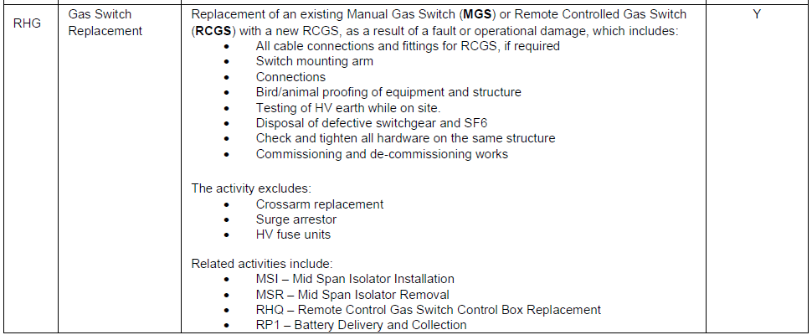
 |  | Unit Costs | Option | Unit | Basis | MATT code |  |  |  |  | 2026-27 | 2027-28 | 2028-29 | 2029-30 | 2030-31

 |  | ACR Replacement | Option 2 | Dollars | Real 2024 | RHH |  |  |  |  | 34,611 | 34,611 | 34,611 | 34,611 | 34,611
 |  | Fuse Unit Replacement | Option 2 | Dollars | Real 2024 | RXF |  |  |  |  | 2,575 | 2,569 | 2,566 | 2,572 | 2,574
 |  | Gas Switch Replacement | Option 2 | Dollars | Real 2024 | RHG |  |  |  |  | 28,318 | 27,343 | 27,343 | 27,343 | 27,343
 |  | HV Isolator Replacement (Single) | Option 2 | Dollars | Real 2024 | RHJ |  |  |  |  | 2,556 | 2,556 | 2,556 | 2,556 | 2,556
 |  | HV Isolators Replacement | Option 2 | Dollars | Real 2024 | RHH |  |  |  |  | 6,985 | 6,985 | 6,985 | 6,985 | 6,985
 |  | Indoor/Kiosk Switch Repl | Option 2 | Dollars | Real 2024 | RHE |  |  |  |  | 106,254 | 106,254 | 106,254 | 106,254 | 106,254
 |  | LV Isolator Replacement | Option 2 | Dollars | Real 2024 | RHL |  |  |  |  | 1,996 | 1,993 | 2,001 | 1,994 | 1,996
 |  | LV Switchgear Replacement | Option 2 | Dollars | Real 2024 | RHF |  |  |  |  | 16,074 | 16,074 | 16,074 | 16,074 | 16,074
 |  | [Spare] | Option 2 | Dollars | Real 2024 | [Spare] |  |  |  |  | - | - | - | - | -
 |  | [Spare] | Option 2 | Dollars | Real 2024 | [Spare] |  |  |  |  | - | - | - | - | -

 | Historical Volumes

 |  | Historical Volumes | Option | Unit | Basis | Code | Source | Unique code | 2024-25 | 2025-26 | 2026-27 | 2027-28 | 2028-29 | 2029-30 | 2030-31 | EDPR Total

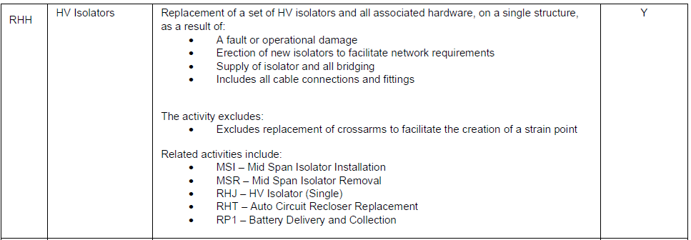
 |  | ACR Replacement | Option 2 | Volume | n/a | RHH | Capex model submitted to the AER | A469 | - | - | 6 | 6 | 6 | 6 | 6 | 30
 |  | Fuse Unit Replacement | Option 2 | Volume | n/a | RXF | Capex model submitted to the AER | A217 | 28 | 27 | 28 | 28 | 28 | 28 | 28 | 140
 |  | Gas Switch Replacement | Option 2 | Volume | n/a | RHG | Capex model submitted to the AER | A144 | 8 | - | 12 | 26 | 26 | 26 | 26 | 116
 |  | HV Isolator Replacement (Single) | Option 2 | Volume | n/a | RHJ | Capex model submitted to the AER | A900 | - | - | 10 | 10 | 10 | 10 | 10 | 50
 |  | HV Isolators Replacement | Option 2 | Volume | n/a | RHH | Capex model submitted to the AER | A147 | 43 | 59 | 68 | 68 | 68 | 68 | 68 | 340
 |  | Indoor/Kiosk Switch Repl | Option 2 | Volume | n/a | RHE | Capex model submitted to the AER | A143 | 1 | - | 2 | 3 | 3 | 3 | 3 | 14
 |  | LV Isolator Replacement | Option 2 | Volume | n/a | RHL | Capex model submitted to the AER | A149 | 178 | 205 | 208 | 208 | 207 | 208 | 208 | 1,039
 |  | LV Switchgear Replacement | Option 2 | Volume | n/a | RHF | Capex model submitted to the AER | A142 | 1 | 2 | 2 | 2 | 2 | 2 | 2 | 10
 |  | [Spare] | Option 2 | Volume | n/a | [Spare] | Capex model submitted to the AER | A285 | - | - | - | - | - | - | - | -
 |  | [Spare] | Option 2 | Volume | n/a | [Spare] | Capex model submitted to the AER | [Spare] | - | - | - | - | - | - | - | -
 |  | Total | Option 2 | Volume | n/a | n/a | Calculated |  | 259 | 293 | 336 | 351 | 350 | 351 | 351 | 1,739

 | Replacement Expenditure

 |  | Replacement Expenditure | Option | Unit | Basis | Code | Source |  | 2024-25 | 2025-26 | 2026-27 | 2027-28 | 2028-29 | 2029-30 | 2030-31 | EDPR Total

 |  | [Spare] | Option 2 | Dollars | Real 2024 | n/a | Capex model submitted to the AER |  | - | - | - | - | - | - | - | -
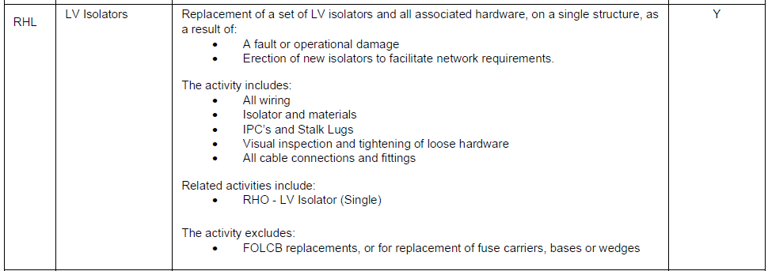
Option 3 - Option 2 plus additional 20% opportunistic replacement

 | Historical Volumes

 |  | Option 3 Adjustment Factor | Option | Unit | Basis | Code | Source

 |  | Option 3 Adjustment Factor | Option 3 | % | n/a | n/a | Source | 20.0%

 |  | Volumes | Option | Unit | Basis | Code | Source | Unique code | 2024-25 | 2025-26 | 2026-27 | 2027-28 | 2028-29 | 2029-30 | 2030-31 | EDPR Total

 |  | ACR Replacement | Option 3 | Volume | n/a | n/a | Capex model submitted to the AER | A469 | - | - | 7 | 7 | 7 | 7 | 7 | 36
 |  | Fuse Unit Replacement | Option 3 | Volume | n/a | n/a | Capex model submitted to the AER | A217 | 34 | 32 | 34 | 34 | 34 | 34 | 34 | 168
 |  | Gas Switch Replacement | Option 3 | Volume | n/a | n/a | Capex model submitted to the AER | A144 | 10 | - | 14 | 31 | 31 | 31 | 31 | 139
 |  | HV Isolator Replacement (Single) | Option 3 | Volume | n/a | n/a | Capex model submitted to the AER | A900 | - | - | 12 | 12 | 12 | 12 | 12 | 60
 |  | HV Isolators Replacement | Option 3 | Volume | n/a | n/a | Capex model submitted to the AER | A147 | 52 | 70 | 82 | 82 | 82 | 82 | 82 | 408
 |  | Indoor/Kiosk Switch Repl | Option 3 | Volume | n/a | n/a | Capex model submitted to the AER | A143 | 1 | - | 2 | 4 | 4 | 4 | 4 | 17
 |  | LV Isolator Replacement | Option 3 | Volume | n/a | n/a | Capex model submitted to the AER | A149 | 214 | 246 | 250 | 250 | 248 | 250 | 250 | 1,247
 |  | LV Switchgear Replacement | Option 3 | Volume | n/a | n/a | Capex model submitted to the AER | A142 | 1 | 2 | 2 | 2 | 2 | 2 | 2 | 12
 |  | [Spare] | Option 3 | Volume | n/a | n/a | Capex model submitted to the AER | A285 | - | - | - | - | - | - | - | -
 |  | [Spare] | Option 3 | Volume | n/a | n/a | Capex model submitted to the AER | [Spare] | - | - | - | - | - | - | - | -
 |  | Total | Option 3 | Volume | n/a | n/a | Calculated |  | 311 | 351 | 403 | 421 | 420 | 421 | 421 | 2,087

 | Replacement Expenditure

 |  | Replacement Expenditure | Option | Unit | Basis | Code | Source |  | 2024-25 | 2025-26 | 2026-27 | 2027-28 | 2028-29 | 2029-30 | 2030-31 | EDPR Total

 |  | [Spare] | Option 2 | Dollars | Real 2024 | n/a | Capex model submitted to the AER |  | - | - | - | - | - | - | - | -

End

