Input|Benefits
 |  |  | Cost Benefit Analysis |  |  |  |  |  | Section Check: | Ok |  | Overall Check: | Ok |  | Legend: | Input | Internal | Select | Calculation
 |  |  | #VALUE!
 |  |  |  |  |  |  |  |  | Year Display | 2024-25 | 2025-26 | 2026-27 | 2027-28 | 2028-29 | 2029-30 | 2030-31 | EDPR Total
 |  |  |  | Option | Unit | Basis | Asset |  | Start Year | 2024 | 2025 | 2026 | 2027 | 2028 | 2029 | 2030 | 2031

 | Copyright Jemena Limited. All rights reserved. Jemena is not liable for any loss caused by reliance on this document.

 | Benefits

 |  | Option 2 - Replacement based on historical trend

 |  |  | Category | Option | Unit | Basis | Source
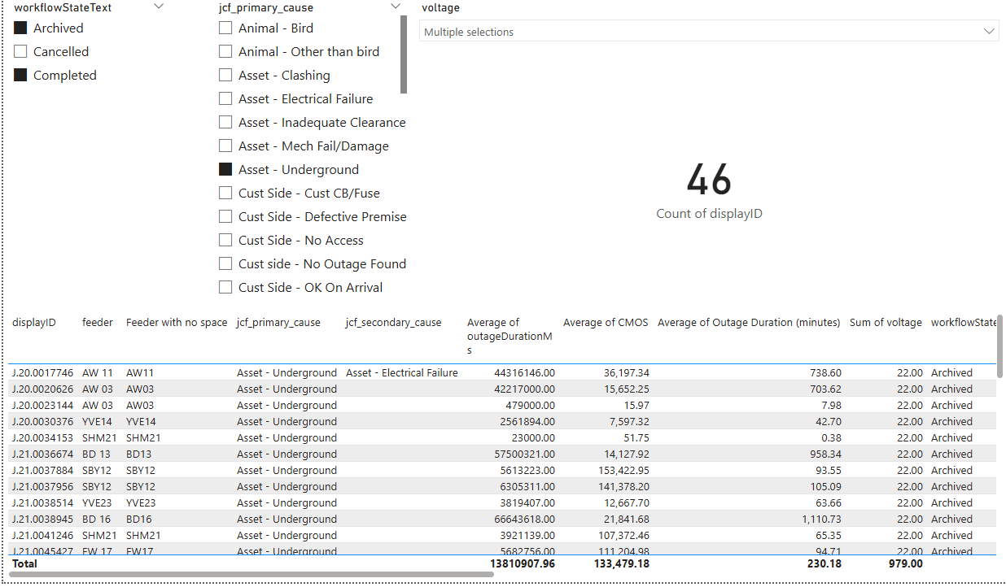
 |  |  | Average number of customers per feeder | Option 2 | # | n/a | Source |  | 1,646
 |  |  | Duration (Hours) | Option 2 | Hours | n/a | Source |  | 3.84
 |  |  | Total Duration (Hours) | Option 2 | Hours | n/a | Source |  | 6,315

 |  |  | % Split between Categories | Option | Unit | Basis | Source |  | % Split

 |  |  | Residential | Option 2 | % | n/a | Source |  | 80.0%
 |  |  | Commercial | Option 2 | % | n/a | Source |  | 15.0%
 |  |  | Industrial | Option 2 | % | n/a | Source |  | 5.0%
● |  |  | Total % | Option 2 | % | n/a | Source |  | 100.0%

 |  |  | kW per Hour | Option | Unit | Basis | Source |  | kWh p.a. | Hours per Year | kW per Hour

 |  |  | Residential | Option 2 | Mixed | n/a | Source |  | 6,100 | 8,760 | 0.70
 |  |  | Commercial | Option 2 | Mixed | n/a | Source |  | 14,600 | 8,760 | 1.67
 |  |  | Industrial | Option 2 | Mixed | n/a | Source |  | 146,000 | 8,760 | 16.67

 |  |  | 2025 VCR - $/kWh | Option | Unit | Basis | Source |  | $/kWh

 |  |  | Residential | Option 2 | $/kWh | Real 2024 | AER VCR Final Report |  | 54.41 |  | Check Dollar Basis
 |  |  | Commercial | Option 2 | $/kWh | Real 2024 | AER VCR Final Report |  | 34.39 |  | Check Dollar Basis
 |  |  | Industrial | Option 2 | $/kWh | Real 2024 | AER VCR Final Report |  | 33.49 |  | Check Dollar Basis

 |  |  | VCR Calculation | Option | Unit | Basis | Source |  | kWh | VCR per Outage

 |  |  | Residential | Option 2 | Mixed | n/a | Source |  | 3,518 | 191,394
 |  |  | Commercial | Option 2 | Mixed | n/a | Source |  | 1,579 | 54,290
 |  |  | Industrial | Option 2 | Mixed | n/a | Source |  | 5,262 | 176,230
 |  |  | Total VCR per Outage | Option 2 | $ | Real 2024 | Calculated |  |  | 421,914

 |  |  | Historical Fault Levels | Option | Unit | Basis | Source |  | 2019 | 2020 | 2021 | 2022 | 2023

 |  |  | HV & ST | Option 2 | # | n/a | Source |  | 9 | 6 | 7 | 2 | 8
 |  |  | LV | Option 2 | # | n/a | Source |  | 43 | 7 | 6 | 7 | 11
 |  |  | Total Fault Levels | Option 2 | # | n/a | Calculated |  | 52 | 13 | 13 | 9 | 19
 |  |  | Average Fault Levels 2020-2023 | Option 2 | # | n/a | Calculated |  | 14 | Fault levels based on historical inspection / condition replacement

 |  |  | Estimated Fault Levels & Savings | Option | Unit | Basis | Source |  | % Averted

 |  |  | % Averted | Option 2 | % | n/a | Source |  | 33.0% | Option 2: Assume that we will avert 1/3 of faults due to continuing replacement at historical inspection / condition replacement levels
 |  |  | Estimated number of U/G faults averted pa | Option 2 | # | n/a | Calculated |  | 4.5 | Estimated Fault Levels
 |  |  | Cost of expected unserved energy pa | Option 2 | $ | Real 2024 | Calculated |  | 1,879,626
 |  |  | Reg Period | Option 2 | Years | n/a | Input |  | 5
 |  |  | Cost of expected unserved energy over 5 years | Option 2 | $ | Real 2024 | Calculated |  | 9,398,129

 |  | Option 3 - Option 2 plus additional 20% opportunistic replacement

 |  |  | Historical Volume | Option | Unit | Basis | Source |  | Unique code | 2024-25 | 2025-26 | 2026-27 | 2027-28 | 2028-29 | 2029-30 | 2030-31 | EDPR Total |  | Risks identified and quantified per scenario (include the assumptions used and show formula in calculating the risks)

 |  |  | HV U/G Cable Replacement | Option 2 | Volume | n/a | Capex model submitted to the AER |  | A208 | 38 | 43 | 328 | 321 | 328 | 321 | 328 | 1,626 |  | Specific justifications for YVE feeder exit cables. Other replacements would be following asset failure. In some cases we may not have the capacity to backfeed which would result in large customer outages at times of peak demand. In other cases we can leave the cable off long term, but this results in a reduction in reliability (backfeed paths no longer available) - not in line with regulatory requirement to maintain reliability.
 |  |  | LV U/G Cable Replacement | Option 2 | Volume | n/a | Capex model submitted to the AER |  | A210 | 179 | 204 | 200 | 200 | 200 | 200 | 200 | 1,000 |  | LV networks are designed without redundancy. We may be able to backfeed some customers at times of lower demand but many customers would be off supply during high demand periods. This would assume we had the resources for the switching required to change network configuration depending on the weather. Not replacing failed LV cables is not really a feasible option. Absolute best case scenario assume 40ish circuits of 25 customers each off for 12 hours per day on the 10 hottest days of the year. 4.5kW per cust. $5.7M cost of unserved energy per year, every year. Plus GSL penalty costs. And likely loss of licence.
 |  |  | Pillar to Pillar | Option 2 | Volume | n/a | Capex model submitted to the AER |  | A211 | 5 | 5 | 5 | 5 | 5 | 5 | 5 | 25 |  | Same concept as LV cables above
 |  |  | HV U/G Termination Replacement | Option 2 | Volume | n/a | Capex model submitted to the AER |  | A239 | 24 | 24 | 20 | 20 | 20 | 20 | 20 | 100 |  | Same concept as HV cables above
 |  |  | LV U/G Termination Replacement | Option 2 | Volume | n/a | Capex model submitted to the AER |  | A213 | 42 | 47 | 45 | 45 | 45 | 45 | 45 | 225 |  | LV networks are designed without redundancy. We may be able to backfeed some customers at times of lower demand but many customers would be off supply during high demand periods. This would assume we had the resources for the switching required to change network configuration depending on the weather. Not replacing failed terminations is not really a feasible option. Absolute best case scenario assume 40ish circuits of 25 customers each off for 12 hours per day on the 10 hottest days of the year. 4.5kW per cust. $5.7M cost of unserved energy per year, every year. Plus GSL penalty costs. And likely loss of licence.
 |  |  | Replace Metal Trifurcating Boxes | Option 2 | Volume | n/a | Capex model submitted to the AER |  | A209 | - | - | - | - | - | - | - | - |  | See existing BC in the folder for trifurcating boxes and spreadsheet of which ones are not yet done
 |  |  | Total | Option 2 | Volume | n/a | Capex model submitted to the AER |  |  | 288 | 323 | 598 | 591 | 598 | 591 | 598 | 2,976 |  | 1.1 In 2024, 508m of underground cable, 5 pillars, 33 service pits and 165 cable terminations were replaced as part of routine replacement programs.

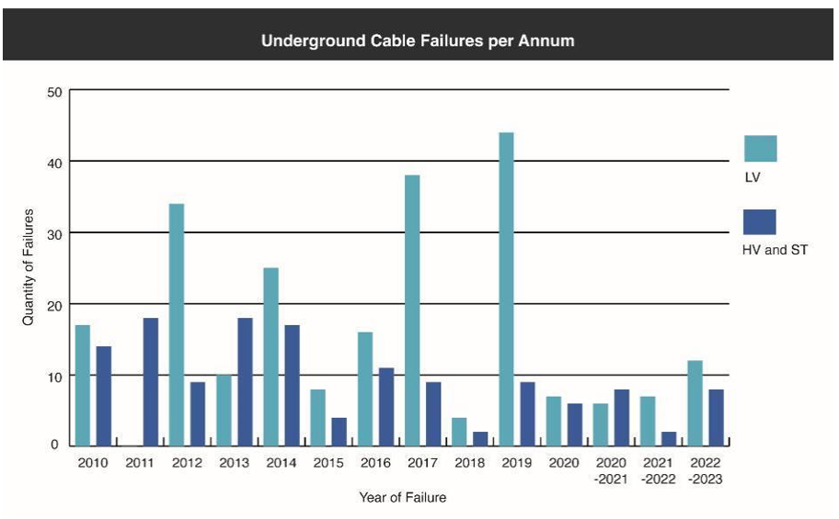
 |  |  | Volume for option 3 (20% more than option 2) | Option | Unit | Basis | Source |  | Unique code | 2024-25 | 2025-26 | 2026-27 | 2027-28 | 2028-29 | 2029-30 | 2030-31 | EDPR Total

 |  |  | HV U/G Cable Replacement | Option 3 | Volume | n/a | Calculated |  | A208 | 45 | 51 | 393 | 386 | 393 | 386 | 393 | 1,952
 |  |  | LV U/G Cable Replacement | Option 3 | Volume | n/a | Calculated |  | A210 | 215 | 245 | 240 | 240 | 240 | 240 | 240 | 1,200
 |  |  | Pillar to Pillar | Option 3 | Volume | n/a | Calculated |  | A211 | 6 | 6 | 6 | 6 | 6 | 6 | 6 | 30
 |  |  | HV U/G Termination Replacement | Option 3 | Volume | n/a | Calculated |  | A239 | 28 | 29 | 24 | 24 | 24 | 24 | 24 | 120
 |  |  | LV U/G Termination Replacement | Option 3 | Volume | n/a | Calculated |  | A213 | 51 | 57 | 54 | 54 | 54 | 54 | 54 | 270
 |  |  | Replace Metal Trifurcating Boxes | Option 3 | Volume | n/a | Calculated |  | A209 | - | - | - | - | - | - | - | -
 |  |  | Total | Option 3 | Volume | n/a | Calculated |  |  | 345 | 388 | 717 | 710 | 717 | 710 | 717 | 3,572

 |  |  | Estimated Fault Levels & Savings | Option | Unit | Basis | Source |  | % Averted

 |  |  | % Averted | Option 3 | % | n/a | Source |  | 33.0% | Option 2: Assume that we will avert 1/3 of faults due to continuing replacement at historical inspection / condition replacement levels
 |  |  | Average Volume (Option 2) | Option 3 | Volume | n/a | Calculated |  | 595.3
 |  |  | Average Volume (Option 3) | Option 3 | Volume | n/a | Calculated |  | 714
 |  |  | Average Fault Levels 2020-2023 | Option 3 | Volume | n/a | Calculated |  | 16.2 | Increase in inspection / condition replacements will avert more faults than historical levels (inverse proportion)
 |  |  | Estimated number of U/G faults averted pa | Option 3 | # | n/a | Calculated |  | 5.3 | Estimated Fault Levels
 |  |  | Cost of expected unserved energy pa | Option 3 | $ | Real 2024 | Calculated |  | 2,255,551
 |  |  | Reg Period | Option 3 | Years | n/a | Input |  | 5
 |  |  | Cost of expected unserved energy over 5 years | Option 3 | $ | Real 2024 | Calculated |  | 11,277,755

 | End

 |  |  | Option 2 - Replacement based on historical trend | Option | Unit | Basis | MATT code |  | Option 2 - Replacement based on historical trend

 |  |  | HV U/G Cable Replacement | #REF! | Dollars | Real 2024 | RUA |  | 496
 |  |  | LV U/G Cable Replacement | #REF! | Dollars | Real 2024 | RUC |  | 621
 |  |  | Pillar to Pillar | #REF! | Dollars | Real 2024 | RUF |  | 6,512
 |  |  | HV U/G Termination Replacement | #REF! | Dollars | Real 2024 | RUH |  | 16,991
 |  |  | LV U/G Termination Replacement | #REF! | Dollars | Real 2024 | RUL |  | 10,502
 |  |  | Replace Metal Trifurcating Boxes | #REF! | Dollars | Real 2024 | RUA |  | -
 |  |  | [Spare] | #REF! | Dollars | Real 2024 | [Select from list] |  | -
 |  |  | [Spare] | #REF! | Dollars | Real 2024 | [Select from list] |  | -
 |  |  | [Spare] | #REF! | Dollars | Real 2024 | [Select from list] |  | -
 |  |  | [Spare] | #REF! | Dollars | Real 2024 | [Select from list] |  | -

 |  | Historical Volumes

 |  |  | Historical Volumes | Option | Unit | Basis | Code | Source | Unique code | 2024-25 | 2025-26 | 2026-27 | 2027-28 | 2028-29 | 2029-30 | 2030-31 | EDPR Total

 |  |  | HV U/G Cable Replacement | #REF! | Volume | n/a | RUA | Capex model submitted to the AER | A208 | 38 | 43 | 328 | 321 | 328 | 321 | 328 | 1,626
 |  |  | LV U/G Cable Replacement | #REF! | Volume | n/a | RUC | Capex model submitted to the AER | A210 | 179 | 204 | 200 | 200 | 200 | 200 | 200 | 1,000
 |  |  | Pillar to Pillar | #REF! | Volume | n/a | RUF | Capex model submitted to the AER | A211 | 5 | 5 | 5 | 5 | 5 | 5 | 5 | 25
 |  |  | HV U/G Termination Replacement | #REF! | Volume | n/a | RUH | Capex model submitted to the AER | A239 | 24 | 24 | 20 | 20 | 20 | 20 | 20 | 100
 |  |  | LV U/G Termination Replacement | #REF! | Volume | n/a | RUL | Capex model submitted to the AER | A213 | 42 | 47 | 45 | 45 | 45 | 45 | 45 | 225
 |  |  | Replace Metal Trifurcating Boxes | #REF! | Volume | n/a | RUA | Capex model submitted to the AER | A209 | - | - | - | - | - | - | - | -
 |  |  | [Spare] | #REF! | Volume | n/a | [Select from list] | Capex model submitted to the AER | n/a | - | - | - | - | - | - | - | -
 |  |  | [Spare] | #REF! | Volume | n/a | [Select from list] | Capex model submitted to the AER | n/a | - | - | - | - | - | - | - | -
 |  |  | [Spare] | #REF! | Volume | n/a | [Select from list] | Capex model submitted to the AER | n/a | - | - | - | - | - | - | - | -
 |  |  | [Spare] | #REF! | Volume | n/a | [Select from list] | Capex model submitted to the AER | n/a | - | - | - | - | - | - | - | -
 |  |  |  |  |  |  |  |  |  | 288 | 323 | 598 | 591 | 598 | 591 | 598 | 2,976

 |  | Replacement Expenditure

 |  |  | Replacement Expenditure | Option | Unit | Basis | Code | Source |  | 2024-25 | 2025-26 | 2026-27 | 2027-28 | 2028-29 | 2029-30 | 2030-31 | EDPR Total

 |  |  | Replace Metal Trifurcating Boxes | #REF! | Dollars | Real 2024 | n/a | Capex model submitted to the AER |  | 387,979 | - | - | 1,216,459 | 853,667 | 883,175 | 394,408 | 3,347,710
 |  |  | [Spare] | #REF! | Dollars | Real 2024 | n/a | Capex model submitted to the AER |  | - | - | - | - | - | - | - | -
 |  |  | [Spare] | #REF! | Dollars | Real 2024 | n/a | Capex model submitted to the AER |  | - | - | - | - | - | - | - | -
 |  |  | [Spare] | #REF! | Dollars | Real 2024 | n/a | Capex model submitted to the AER |  | - | - | - | - | - | - | - | -
 |  |  | [Spare] | #REF! | Dollars | Real 2024 | n/a | Capex model submitted to the AER |  | - | - | - | - | - | - | - | -

 | Inputs | Sensitivity (Apply to all options)

 |  | Customer | Customer benefits overestimate

 |  |  | Customer benefits overestimate (%) | Option | Unit | Basis |  | Sensitivity

 |  |  | Overestimate by | All | #NAME? | #NAME? |  | 10.00%

 | End

