Reporting Template
Important: Do not include any identifying information about customers affected by family violence.
The AER requests that retailers do not include any information that may be used to identify, communicate with or locate an affected customer (including names, addresses, contact details or National Meter Identifiers) when submitting information and data on compliance to the AER under the Compliance Procedures and Guidelines.
Contact Name
Contact Number
AER Compliance Reporting
Formula - please do not delete: Gray cells have built in functions and should automatically populate based on prefill colums left to right.
The AER Compliance Report must be submitted to aercompliance@aer.gov.au and must include a pro forma letter signed by the the organisation's CEO or Managing Director.

Entity | Regulated Entity |  |  | Reporting period |  |  | Provision of National Energy Law/Rules |  |  | Description |  |  |  |  | Identification |  |  | Impact |  |  |  |  |  | Remediation |  |  | Trend | Other
Business Unique matter ID (if applicable) | Regulated Entity Name (Step 1) - Manual input | Fuel Type (optional) | Retailer / Distributor (Formula) - This will fill automatically | Reporting Period (Step 2 - Manual input) | Reporting Type (Step 3) - Manual input | Reporting Frequency (Formula) - This will fill automatically | Retail Law/Rules Part/Division/Rules (Version 17) (Step 4) - Manual input | Description of Obligation (Formula) - This will fill automatically based on Step 4 input | Material breach related obligation (Free text) Manually enter the relevant obligation Use the format: Retail Law/Rules Part/Division/Rules) | Breach Date (Start) | Breach Date (End) | Nature of Breach Provide enough detail to clearly explain how the conduct occurred. | Cause of Breach Describe why the breach occurred including by explaining the underlying issue or failure that led to the error. Identify whether existing arrangements and/or controls were insufficient to prevent this breach. | Error type | Date Breach Identified | Method of Identification | Method of Identification - Other | Residential Provide the number of impacted residential customers, excluding life support customers | Small Business Provide the number of impacted small business customers | Life Support Provide the number of impacted life support customers | Breakdown by State (optional) | Nature of Impact Describe how the breach affected customers and/or other market participants, including any harm caused or potential for harm. | The affected customer was impacted with more than one breach Yes/No | Rectification action Describe the actions taken to correct the breach and resolve any harm caused to affected customers, including the date the issue was rectified and any compensation (e.g. Guaranteed Service Level payment) provided to the customer. | Preventative action Outline the steps taken to address the root cause and prevent recurrence of the breach. | Date action completed Provide the date the preventative action was completed | A breach of this obligation was reported in the previous reporting period Yes/No | Other factors for consideration Provide any additional context that may assist the AER in assessing the breach such as systemic risks, prior similar breaches, limitations in detection or reporting, or other relevant factors.
...

Instrctns. to complete template
Instructions: Completing the 'Reporting template' |  | Example
Note: Tabs included in workbook:
- 'Reporting Template' - BUSINESS TO COMPLETE
- 'Instructions to complete template' - step by step guide on how to fill out the infromation in the template
- 'Reportable Obligations' - (Rules references and legislative index)
- 'Guidance - Material breach' - Guidance to reporting material breaches.

Step 1 | Free text field to insert the business unique matter ID (to quote to the AER)

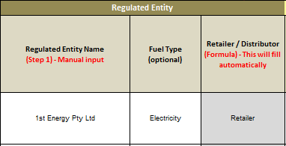
Step 2 | Please fill out the Regulated Entity Name and Fuel Type (if necessary). The third column here will update automatically based on the Entity that has been entered (please do not delete the formula).

Step 3 | Next step is to input the reporting period that the breach occurred in (enter the date & the reporting type - being Half year one = H1, Immediate, etc). The third column will automatically populate based on the information in the Reporting type column. | 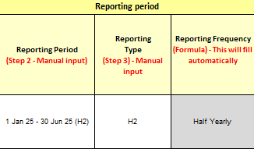

Step 4 | This section captures information that has been input in steps 1 to 3, and cascades the relevant laws/rules relating to that particular entity (distributor or retailer) and reporting frequency (half yearly or immediate). Please select from the drop down box which rule / section the breach relates to, and the grey column will populate a description of the selected obligation. If the report relates to a material breach, you will be prompted to manually enter the relevant legisation in column K.

Step 5 | The next field is to capture dates and information relating to the breach. Date range that the breach occurred within (Breach Start date & Breach End date). The next column is free text field that is used to capture qualitative information about the breach, casue of breach and a generic error category (Human error, system error etc)

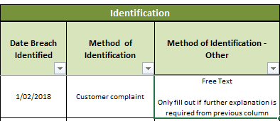
Step 6 | The next field is to capture information about how the breach was identified. Please input the date the breach was identified, method of identification (if other, please select) and a free text field to inform the AER of any additional information on the identification method

Step 7 | The next step is to determine the quantitative impact on the breach, how many customers have been affected. This has been broken down into Residential/ Small Business or Life Support customers. There is an additional field to provide the breakdown by State (if necessary) and the last box is an additional comment box to capture and additional information on the impact. For Example: How many hours or days the customer was off supply?

Step 8 | The section captures information around any remediation actions that have been put into use (free text fields and a free text date field for mutiple entries).

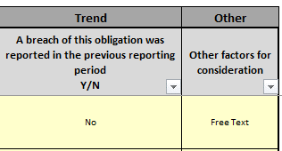
Step 9 | The final section provides trend analysis on the breach that is being reported. The first question asks whether the entity has previously breached this obligation in a prior period (yes/no); an ‘other factors for consideration’ column provides for any further factors for the AER to consider. For Example: Additional documentation or investigation reports.

