Cover Sheet
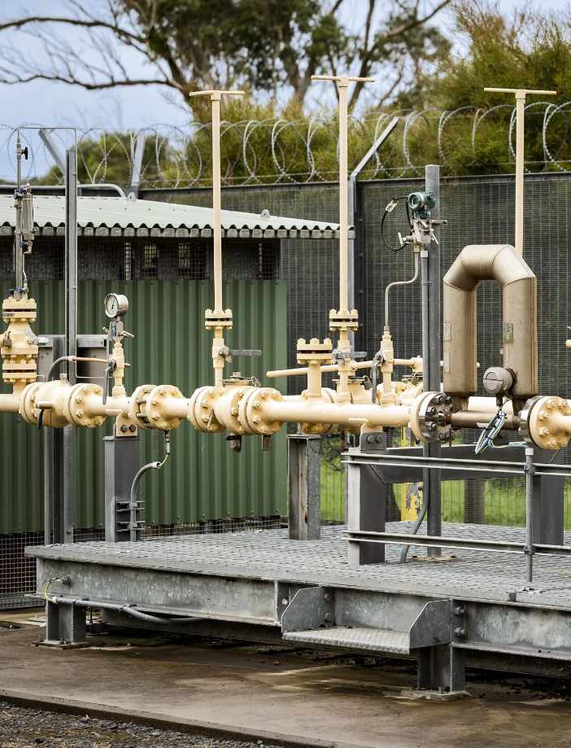

Attachment 9.8A
Revised Final Plan
Capex Forecast Model
Revised Final Plan 2026/27 – 2030/31
January 2026
PUBLIC

Output| Charts & Tables
Net Capital Expenditure Forecasts by Driver (excluding capital contributions)
Capital Expenditure Forecasts by RAB Category PTRM Input, $m 2025/26
Contents!A1

Net Capital Expenditure Forecasts by Driver (excluding capital contributions)

 | 2026/27 | 2027/28 | 2028/29 | 2029/30 | 2030/31 | Total for 2026/27 to 2027/31
Growth Assets | $8.9 | $5.0 | $- | $- | $- | $13.9
Mains Replacement | $16.7 | $16.8 | $17.2 | $17.4 | $17.3 | $85.5
Augmentation | $- | $4.0 | $- | $2.4 | $- | $6.4
Telemetry | $1.2 | $0.7 | $0.7 | $0.6 | $0.6 | $3.8
Meter Replacement | $8.3 | $6.9 | $6.7 | $7.9 | $8.7 | $38.5
IT | $24.6 | $11.9 | $18.9 | $8.7 | $9.0 | $73.0
Other Distribution System | $17.2 | $18.9 | $18.4 | $19.4 | $18.2 | $92.2
Other Non-Distribution System | $3.4 | $1.0 | $1.3 | $1.5 | $0.5 | $7.7
Overheads | $3.7 | $3.0 | $3.2 | $3.1 | $3.1 | $16.2
TOTAL | $84.0 | $68.4 | $66.4 | $61.1 | $57.4 | $337.2
Check | $18.58 | $23.48 | $23.23 | $22.72 | $21.48 | $109.48
Net Capital Expenditure Forecasts by AGIG Vision (excluding capital contributions)
Net Capital Expenditure Forecasts by AGIG Vision (excluding capital contributions)
 | Total for 2026/27 to 2030/31 | Proportion
Customer Focussed | $67.5 | 20%
A Leading Employer | $14.6 | 4%
Operational Excellence | $222.1 | 66%
Sustainable Communities | $33.0 | 10%
TOTAL | $337.2 | 100%

Net Capex Forecast by Driver by Year - Direct Cost and Overheads ($million, Jun 2026 )

