Major Event Day Threshold
Major event day threshold calculation

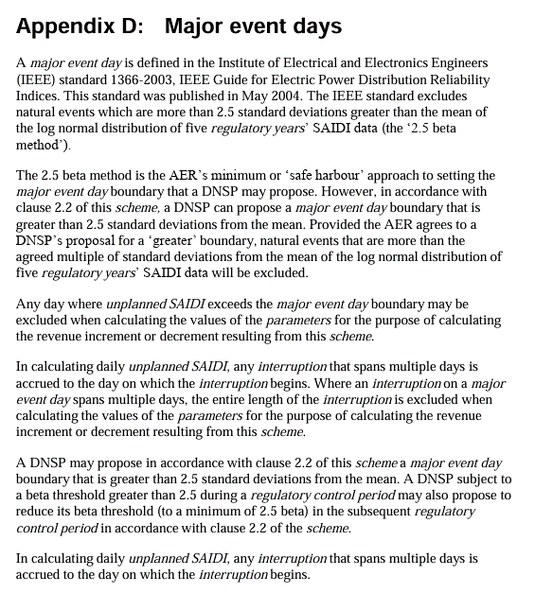
STPIS scheme V2 - Appendix D | 2.5 beta method
Source: DNSP STPIS APPENDIX D
Collect values of daily unplanned SAIDI over five sequential regulatory years ending on the last day of the last complete reporting period. These values should reflect any exclusions permitted under clause 3.3 and 5.4 of the scheme.
(For clarity, "exclusions permitted under clause 3.3" in this context refers to 3.3(a) exclusions only and does not refer to previously calculated MED exclusions, that is, 3.3(b) exclusions).
Only those days where an unplanned SAIDI/day value > 0 are considered.
Calculate the natural logarithm of each daily unplanned SAIDI value in the data set.
4(b)
(1) Find α, the average of the logarithms of the data set
(2) Find β, the standard deviation of the logarithms of the set.
(3) The boundary for an extreme event or major event day ($T_{MED}$) is then calculated as follows: $T_{MED}$=$e^{(α+2.5β)}$

 |  |  |  |  | For the S-factor Assessment Year |  | 2029-2030

$T_{MED}$=$e^{(α+2.5β)}$
Source: S-factor model, 'Major Event Days' sheet (multiple assessment years) |  |  |  | α | β | α+2.5β
Date | Network SAIDI | Ln(SAIDI) | Beta multiplier | 5 year average Ln(SAIDI) | 5 year stdev Ln(SAIDI) | MED threshold (Ln SAIDI) | MED threshold SAIDI
2024-07-01 |  |  | 2.5 | #DIV/0! | #DIV/0! | #DIV/0! | #DIV/0!
2024-07-02
2024-07-03
2024-07-04
2024-07-05
2024-07-06
2024-07-07
2024-07-08
2024-07-09
2024-07-10
2024-07-11
2024-07-12
2024-07-13
2024-07-14
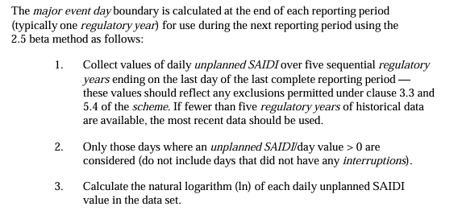
2024-07-15
2024-07-16
2024-07-17
2024-07-18
2024-07-19
2024-07-20
2024-07-21
2024-07-22
2024-07-23
2024-07-24
2024-07-25
2024-07-26
2024-07-27
2024-07-28
2024-07-29
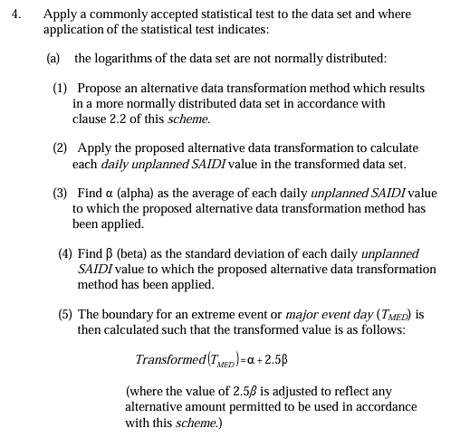
2024-07-30
2024-07-31
2024-08-01
2024-08-02
2024-08-03
2024-08-04
2024-08-05
2024-08-06
2024-08-07
2024-08-08
2024-08-09
2024-08-10
2024-08-11
2024-08-12
2024-08-13
2024-08-14
2024-08-15
2024-08-16
2024-08-17
2024-08-18
2024-08-19
2024-08-20
2024-08-21
2024-08-22
2024-08-23
2024-08-24
2024-08-25
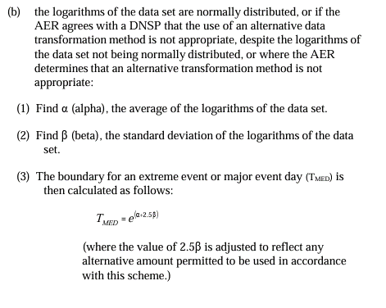
2024-08-26
2024-08-27
2024-08-28
2024-08-29
2024-08-30
2024-08-31
2024-09-01
2024-09-02
2024-09-03
2024-09-04
2024-09-05
2024-09-06
2024-09-07
2024-09-08
2024-09-09
2024-09-10
2024-09-11
2024-09-12
2024-09-13
2024-09-14
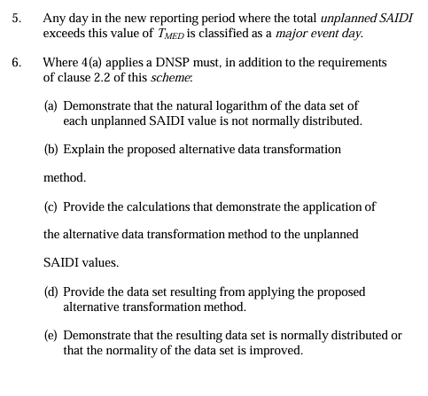
2024-09-15
2024-09-16
2024-09-17
2024-09-18
2024-09-19
2024-09-20
2024-09-21
2024-09-22
2024-09-23
2024-09-24
2024-09-25
2024-09-26
2024-09-27
2024-09-28
2024-09-29
2024-09-30
2024-10-01
2024-10-02
2024-10-03
2024-10-04
2024-10-05
2024-10-06
2024-10-07
2024-10-08
2024-10-09
2024-10-10
2024-10-11
2024-10-12
2024-10-13
2024-10-14
2024-10-15
2024-10-16
2024-10-17
2024-10-18
2024-10-19
2024-10-20
2024-10-21
2024-10-22
2024-10-23
2024-10-24
2024-10-25
2024-10-26
2024-10-27
2024-10-28
2024-10-29
2024-10-30
2024-10-31
2024-11-01
2024-11-02
2024-11-03
2024-11-04
2024-11-05
2024-11-06
2024-11-07
2024-11-08
2024-11-09
2024-11-10
2024-11-11
2024-11-12
2024-11-13
2024-11-14
2024-11-15
2024-11-16
2024-11-17
2024-11-18
2024-11-19
2024-11-20
2024-11-21
2024-11-22
2024-11-23
2024-11-24
2024-11-25
2024-11-26
2024-11-27
2024-11-28
2024-11-29
2024-11-30
2024-12-01
2024-12-02
2024-12-03
2024-12-04
2024-12-05
2024-12-06
2024-12-07
2024-12-08
2024-12-09
2024-12-10
2024-12-11
2024-12-12
2024-12-13
2024-12-14
2024-12-15
2024-12-16
2024-12-17
2024-12-18
2024-12-19
2024-12-20
2024-12-21
2024-12-22
2024-12-23
2024-12-24
2024-12-25
2024-12-26
2024-12-27
2024-12-28
2024-12-29
2024-12-30
2024-12-31
2025-01-01
2025-01-02
2025-01-03
2025-01-04
2025-01-05
2025-01-06
2025-01-07
2025-01-08
2025-01-09
2025-01-10
2025-01-11
2025-01-12
2025-01-13
2025-01-14
2025-01-15
2025-01-16
2025-01-17
2025-01-18
2025-01-19
2025-01-20
2025-01-21
2025-01-22
2025-01-23
2025-01-24
2025-01-25
2025-01-26
2025-01-27
2025-01-28
2025-01-29
2025-01-30
2025-01-31
2025-02-01
2025-02-02
2025-02-03
2025-02-04
2025-02-05
2025-02-06
2025-02-07
2025-02-08
2025-02-09
2025-02-10
2025-02-11
2025-02-12
2025-02-13
2025-02-14
2025-02-15
2025-02-16
2025-02-17
2025-02-18
2025-02-19
2025-02-20
2025-02-21
2025-02-22
2025-02-23
2025-02-24
2025-02-25
2025-02-26
2025-02-27
2025-02-28
2025-03-01
2025-03-02
2025-03-03
2025-03-04
2025-03-05
2025-03-06
2025-03-07
2025-03-08
2025-03-09
2025-03-10
2025-03-11
2025-03-12
2025-03-13
2025-03-14
2025-03-15
2025-03-16
2025-03-17
2025-03-18
2025-03-19
2025-03-20
2025-03-21
2025-03-22
2025-03-23
2025-03-24
2025-03-25
2025-03-26
2025-03-27
2025-03-28
2025-03-29
2025-03-30
2025-03-31
2025-04-01
2025-04-02
2025-04-03
2025-04-04
2025-04-05
2025-04-06
2025-04-07
2025-04-08
2025-04-09
2025-04-10
2025-04-11
2025-04-12
2025-04-13
2025-04-14
2025-04-15
2025-04-16
2025-04-17
2025-04-18
2025-04-19
2025-04-20
2025-04-21
2025-04-22
2025-04-23
2025-04-24
2025-04-25
2025-04-26
2025-04-27
2025-04-28
2025-04-29
2025-04-30
2025-05-01
2025-05-02
2025-05-03
2025-05-04
2025-05-05
2025-05-06
2025-05-07
2025-05-08
2025-05-09
2025-05-10
2025-05-11
2025-05-12
2025-05-13
2025-05-14
2025-05-15
2025-05-16
2025-05-17
2025-05-18
2025-05-19
2025-05-20
2025-05-21
2025-05-22
2025-05-23
2025-05-24
2025-05-25
2025-05-26
2025-05-27
2025-05-28
2025-05-29
2025-05-30
2025-05-31
2025-06-01
2025-06-02
2025-06-03
2025-06-04
2025-06-05
2025-06-06
2025-06-07
2025-06-08
2025-06-09
2025-06-10
2025-06-11
2025-06-12
2025-06-13
2025-06-14
2025-06-15
2025-06-16
2025-06-17
2025-06-18
2025-06-19
2025-06-20
2025-06-21
2025-06-22
2025-06-23
2025-06-24
2025-06-25
2025-06-26
2025-06-27
2025-06-28
2025-06-29
2025-06-30
2025-07-01
2025-07-02
2025-07-03
2025-07-04
2025-07-05
2025-07-06
2025-07-07
2025-07-08
2025-07-09
2025-07-10
2025-07-11
2025-07-12
2025-07-13
2025-07-14
2025-07-15
2025-07-16
2025-07-17
2025-07-18
2025-07-19
2025-07-20
2025-07-21
2025-07-22
2025-07-23
2025-07-24
2025-07-25
2025-07-26
2025-07-27
2025-07-28
2025-07-29
2025-07-30
2025-07-31
2025-08-01
2025-08-02
2025-08-03
2025-08-04
2025-08-05
2025-08-06
2025-08-07
2025-08-08
2025-08-09
2025-08-10
2025-08-11
2025-08-12
2025-08-13
2025-08-14
2025-08-15
2025-08-16
2025-08-17
2025-08-18
2025-08-19
2025-08-20
2025-08-21
2025-08-22
2025-08-23
2025-08-24
2025-08-25
2025-08-26
2025-08-27
2025-08-28
2025-08-29
2025-08-30
2025-08-31
2025-09-01
2025-09-02
2025-09-03
2025-09-04
2025-09-05
2025-09-06
2025-09-07
2025-09-08
2025-09-09
2025-09-10
2025-09-11
2025-09-12
2025-09-13
2025-09-14
2025-09-15
2025-09-16
2025-09-17
2025-09-18
2025-09-19
2025-09-20
2025-09-21
2025-09-22
2025-09-23
2025-09-24
2025-09-25
2025-09-26
2025-09-27
2025-09-28
2025-09-29
2025-09-30
2025-10-01
2025-10-02
2025-10-03
2025-10-04
2025-10-05
2025-10-06
2025-10-07
2025-10-08
2025-10-09
2025-10-10
2025-10-11
2025-10-12
2025-10-13
2025-10-14
2025-10-15
2025-10-16
2025-10-17
2025-10-18
2025-10-19
2025-10-20
2025-10-21
2025-10-22
2025-10-23
2025-10-24
2025-10-25
2025-10-26
2025-10-27
2025-10-28
2025-10-29
2025-10-30
2025-10-31
2025-11-01
2025-11-02
2025-11-03
2025-11-04
2025-11-05
2025-11-06
2025-11-07
2025-11-08
2025-11-09
2025-11-10
2025-11-11
2025-11-12
2025-11-13
2025-11-14
2025-11-15
2025-11-16
2025-11-17
2025-11-18
2025-11-19
2025-11-20
2025-11-21
2025-11-22
2025-11-23
2025-11-24
2025-11-25
2025-11-26
2025-11-27
2025-11-28
2025-11-29
2025-11-30
2025-12-01
2025-12-02
2025-12-03
2025-12-04
2025-12-05
2025-12-06
2025-12-07
2025-12-08
2025-12-09
2025-12-10
2025-12-11
2025-12-12
2025-12-13
2025-12-14
2025-12-15
2025-12-16
2025-12-17
2025-12-18
2025-12-19
2025-12-20
2025-12-21
2025-12-22
2025-12-23
2025-12-24
2025-12-25
2025-12-26
2025-12-27
2025-12-28
2025-12-29
2025-12-30
2025-12-31
2026-01-01
2026-01-02
2026-01-03
2026-01-04
2026-01-05
2026-01-06
2026-01-07
2026-01-08
2026-01-09
2026-01-10
2026-01-11
2026-01-12
2026-01-13
2026-01-14
2026-01-15
2026-01-16
2026-01-17
2026-01-18
2026-01-19
2026-01-20
2026-01-21
2026-01-22
2026-01-23
2026-01-24
...

