Cover
PEC Stage 3 net market benefits assessment

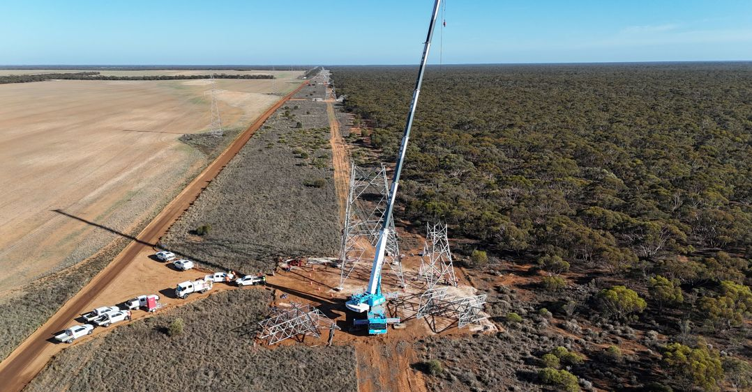

Creation Date | 2024-11-26
Description | PEC Stage 3 net market benefits assessment

Legend applied throughout the model
Table Row Name
Input Cell
Calculation cell
Parameter Cell
Output Cell

R1 Interface and results
R1 Interface and results
Interface for scenario settings and key results

 | Scenario settings

 | Parameters |  |  |  | S1 | S2 | S3
 | General parameters |  |  | Unit | Progressive | Step | Green energy exports
 | Commercial discount rate |  |  | Percent | 7.00% | 7.00% | 7.00%

 | Cost parameters |  |  | Unit | Progressive | Step | Green energy exports
 | Capital cost |  |  | Factor | 1.00 | 1.00 | 1.00
 | Operating cost |  |  | Factor | 1.00 | 1.00 | 1.00
 | Security and LDs |  |  | Factor | 1.00 | 1.00 | 1.00

 | Benefit parameters |  |  | Unit | Progressive | Step | Green energy exports
 | Avoided involuntary load shedding |  |  | Factor | 1.00 | 1.00 | 1.00
 | Difference in timing of unrelated expenditure |  |  | Factor | 1.00 | 1.00 | 1.00
 | Avoided fuel consumption from generation dispatch |  |  | Factor | 1.00 | 1.00 | 1.00
 | Avoided voluntary load curtailment |  |  | Factor | 1.00 | 1.00 | 1.00
 | Avoided costs for non RIT-T proponent parties |  |  | Factor | 1.00 | 1.00 | 1.00
 | Avoided emissions |  |  | Factor | 1.00 | 1.00 | 1.00

 | Scenario weightings |  |  | Unit | Progressive | Step | Green energy exports
 | Weightings |  |  | % | 0.42 | 0.43 | 0.15 | TRUE

 | Base case | Base II | Base case I = Total. Base case II = incremental
 | Emissions 1/0 | 1 | 1 = emissions inputs on; 0 = emissions inputs off

 | Sensitivities |  | Value | % change required | Goal seek to zero
 | Option 3 external contributions |  | 1.00 | 0%
 | Option 4 capex |  | 1.00 | 0% | 190,524,564

 | Weighted NPV results

 | Net present value ($, PV) | S1 | S2 | S3 |  |  |  |  | Weighted NPV results
 | Option | Progressive | Step | Green energy exports | Weighted NPV | Rank
 | Option 1 | 1,754,032,688 | 2,025,778,058 | 3,938,394,773 | 2,198,537,510 | 2
 | Option 2 | 1,286,513,544 | 1,624,566,092 | 3,204,586,620 | 1,719,587,101 | 6
 | Option 3 | 1,406,318,311 | 1,744,370,860 | 3,324,391,387 | 1,839,391,868 | 3
 | Option 4 | 1,944,557,252 | 2,216,302,622 | 4,128,919,338 | 2,389,062,074 | 1
 | Option 5 | 1,406,318,311 | 1,744,370,860 | 3,324,391,387 | 1,839,391,868 | 3
 | Option 7 | 1,242,295,922 | 1,580,348,471 | 3,160,368,999 | 1,675,369,480 | 7
 | Option 8 | 1,406,318,311 | 1,744,370,860 | 3,324,391,387 | 1,839,391,868 | 3

 | Option | Progressive | Step | Green energy exports | Weighted NPV
 | Option 1 | 90% | 91% | 95% | 92%
 | Option 2 | 66% | 73% | 78% | 72%
 | Option 3 | 72% | 79% | 81% | 77%
 | Option 4 | 100% | 100% | 100% | 100%
 | Option 5 | 72% | 79% | 81% | 77%
 | Option 7 | 64% | 71% | 77% | 70%
 | Option 8 | 72% | 79% | 81% | 77%

 | Revised Table

 | Live Calculation
 | Option | Capital Cost | Security and LDs | Total Capital | Operational Cost | Total Cost | Benefits | Net Market Benefit

 | Base

 | Option 1 | -1,106 | 122 | -985 | -203 | -1,188 | 3,386 | 2,199
 | Option 2 | -1,253 | 35 | -1,218 | -208 | -1,426 | 3,146 | 1,720
 | Option 3 | -1,285 | 189 | -1,096 | -210 | -1,306 | 3,146 | 1,839
 | Option 4 | -940 | 130 | -810 | -188 | -997 | 3,386 | 2,389
 | Option 5 | -1,285 | 189 | -1,096 | -210 | -1,306 | 3,146 | 1,839
 | Option 7 | -1,382 | 130 | -1,252 | -218 | -1,470 | 3,146 | 1,675
 | Option 8 | -1,285 | 189 | -1,096 | -210 | -1,306 | 3,146 | 1,839

