Designs
Example only - Luke Hughes to insert CWOREZ template
 | CONFIDENTIAL

 | [Confidential information removed]

End

ProvSums
Example only - Luke Hughes to insert CWOREZ template
 | CONFIDENTIAL

 | [Confidential information removed]

End

NEW
Example only - Luke Hughes to insert CWOREZ template
 | CONFIDENTIAL

 | [Confidential information removed]

End

KCR
Example only - Luke Hughes to insert CWOREZ template
 | CONFIDENTIAL

 | [Confidential information removed]

End

AR1
Example only - Luke Hughes to insert CWOREZ template
 | CONFIDENTIAL

 | [Confidential information removed]

End

WL1
Example only - Luke Hughes to insert CWOREZ template
 | CONFIDENTIAL

 | [Confidential information removed]

End

DNT
Example only - Luke Hughes to insert CWOREZ template
 | CONFIDENTIAL

 | [Confidential information removed]

End

Contract A
Example only - Luke Hughes to insert CWOREZ template
 | CONFIDENTIAL

 | [Confidential information removed]

End

Contract B
Example only - Luke Hughes to insert CWOREZ template
 | CONFIDENTIAL

 | [Confidential information removed]

End

Primary
 | CONFIDENTIAL

 | [Confidential information removed]

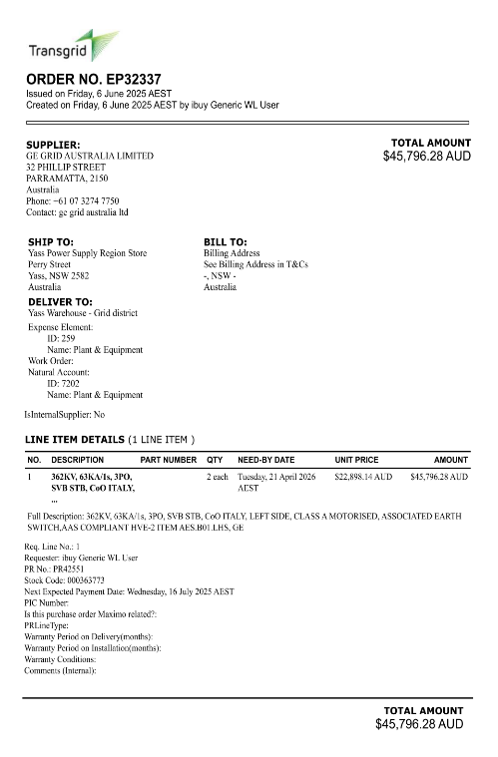
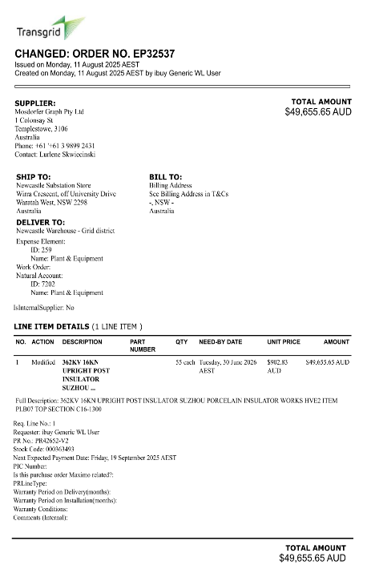
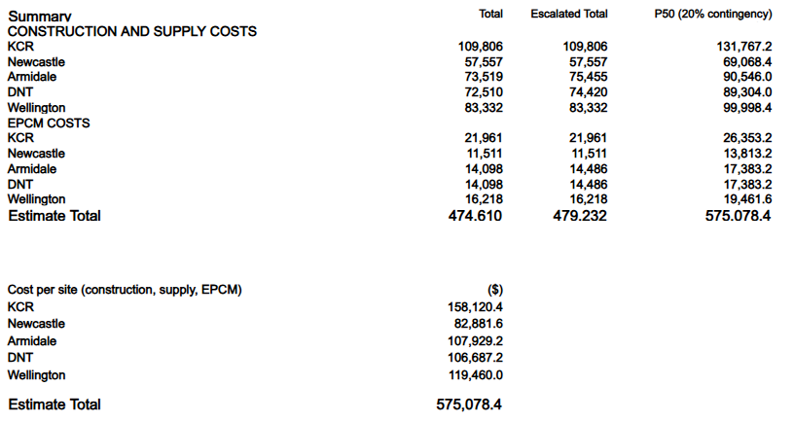
End

