Figure A.1
To contents page
Figure A.1 – Total traded volumes across the facilitated markets

Note: For the day ahead auction, traded volume is the total quantity won at auction.
Source: AER analysis of AEMO data.

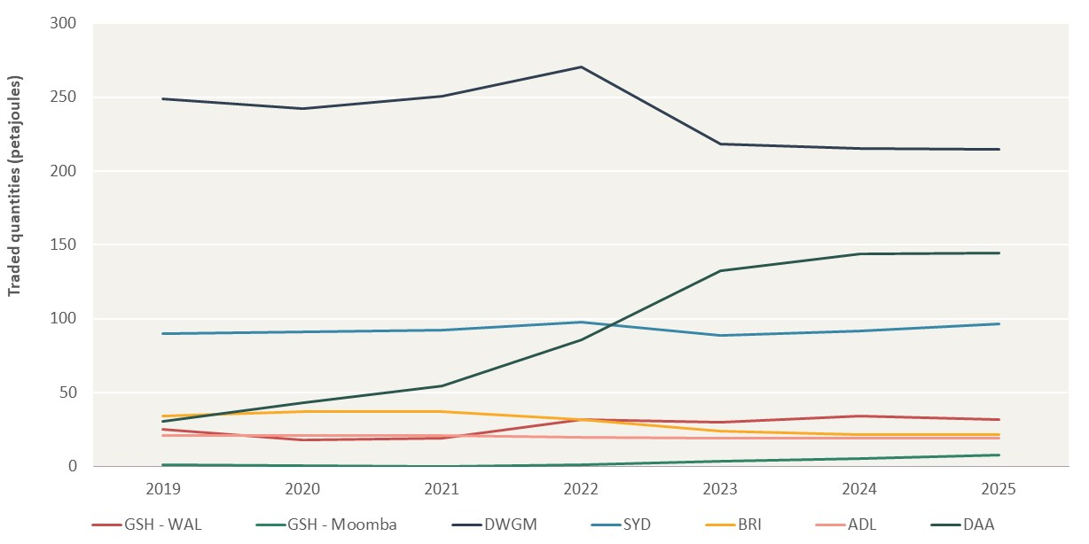
Traded volumes (PJ)
Year | GSH - WAL | GSH - Moomba | DWGM | SYD | BRI | ADL | DAA
2019 | 25.27 | 1.40 | 248.61 | 89.94 | 34.07 | 20.70 | 30.54
2020 | 18.26 | 0.48 | 242.06 | 91.38 | 37.02 | 21.06 | 42.95
2021 | 18.95 | 0.02 | 250.48 | 92.42 | 37.04 | 20.82 | 54.70
2022 | 31.58 | 1.12 | 270.22 | 97.76 | 31.99 | 20.06 | 85.84
2023 | 29.70 | 3.44 | 218.31 | 88.51 | 24.24 | 19.48 | 132.58
2024 | 34.10 | 5.43 | 215.21 | 91.72 | 21.56 | 19.29 | 143.60
2025 | 31.79 | 7.58 | 214.41 | 96.71 | 21.78 | 18.92 | 144.56

Figure A.2
To contents page
Figure A.2 – Total number of active participants (buy and sell side) in all facilitated markets

Note: For the day ahead auction, there are only ‘buy-side’ participants and we have not included pipelines on which capacity is won.
Source: AER analysis using GSH, DWGM, STTM and DAA data.

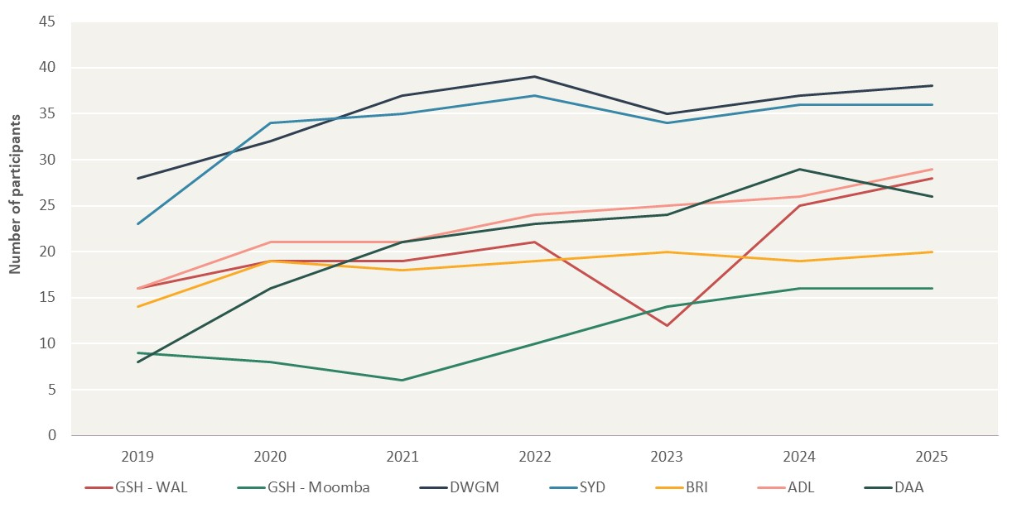
Total number of participants
Year | GSH - WAL | GSH - Moomba | DWGM | SYD | BRI | ADL | DAA
2019 | 16 | 9 | 28 | 23 | 14 | 16 | 8 | –
2020 | 19 | 8 | 32 | 34 | 19 | 21 | 16
2021 | 19 | 6 | 37 | 35 | 18 | 21 | 21
2022 | 21 | 10 | 39 | 37 | 19 | 24 | 23
2023 | 12 | 14 | 35 | 34 | 20 | 25 | 24
2024 | 25 | 16 | 37 | 36 | 19 | 26 | 29
2025 | 28 | 16 | 38 | 36 | 20 | 29 | 26

Figure A.3
To contents page
Figure A.3 – Number of trades per product - Gas Supply Hub (Wallumbilla)

Source: AER analysis of GSH data.

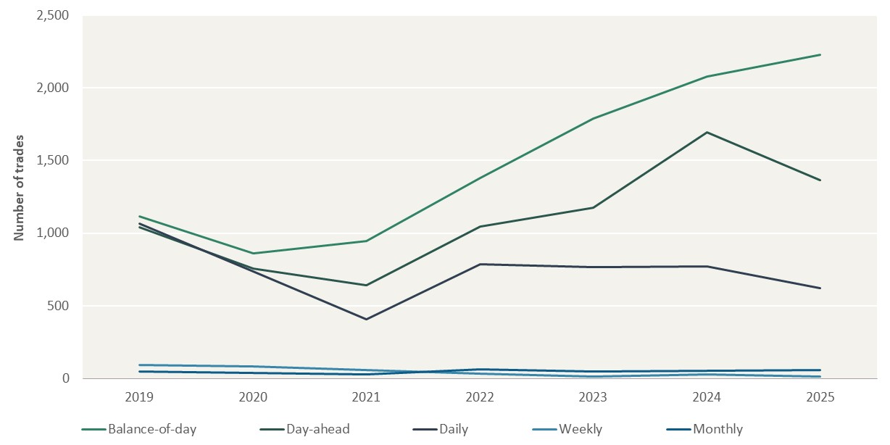
Number of trades
Year | Balance-of-day | Day-ahead | Daily | Weekly | Monthly
2019 | 1117 | 1041 | 1067 | 93 | 47
2020 | 859 | 758 | 738 | 84 | 38
2021 | 947 | 644 | 409 | 61 | 29
2022 | 1378 | 1047 | 786 | 34 | 65
2023 | 1787 | 1177 | 768 | 15 | 47
2024 | 2079 | 1693 | 774 | 30 | 52
2025 | 2228 | 1365 | 622 | 16 | 61

Figure A.4
To contents page
Figure A.4 – Number of trades per product - Gas Supply Hub (Moomba)

Note: Monthly and weekly products are not traded in each year.
Source: AER analysis of GSH data.

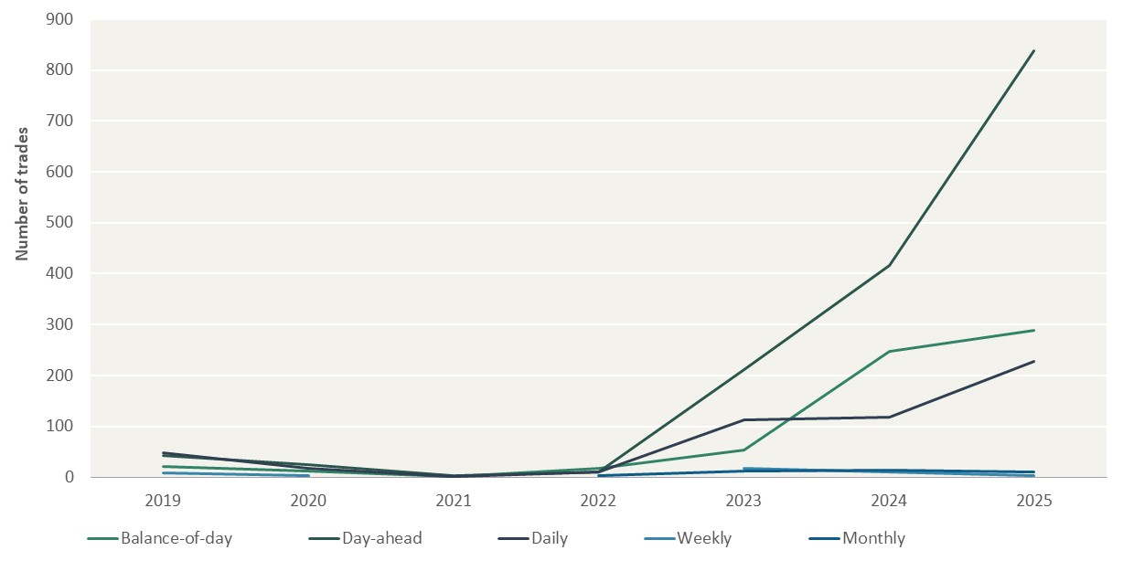
Number of trades
Year | Balance-of-day | Day-ahead | Daily | Weekly | Monthly | –
2019 | 21 | 43 | 49 | 9 | 4
2020 | 13 | 25 | 17 | 4
2021 | 2 | 3 | 1
2022 | 17 | 11 | 10 |  | 4
2023 | 53 | 211 | 113 | 17 | 12
2024 | 248 | 416 | 118 | 11 | 14
2025 | 289 | 838 | 227 | 3 | 11 | –

Figure A.5
To contents page
Figure A.5 – Number of trades by facility - Day Ahead Auction

Note: Auction capacity can be won on numerous different auction routes within individual pipelines. For simpler presentation, we have summed the numbers of instances in which capacity is won on smaller auction routes as ‘Other facilities/ pipelines’
Source: AER analysis of DAA data.

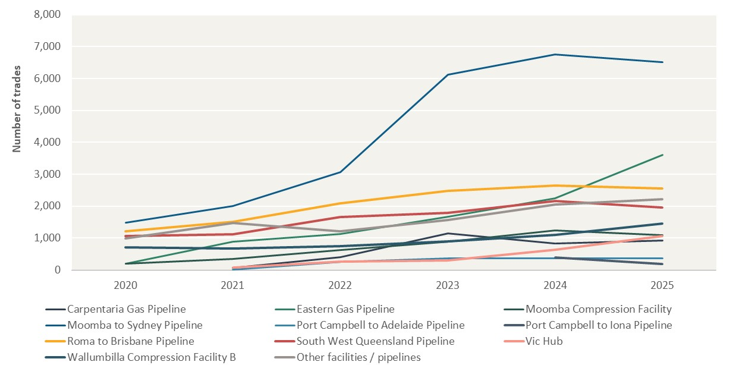
Number of trades
Year | Carpentaria Gas Pipeline | Eastern Gas Pipeline | Moomba Compression Facility | Moomba to Sydney Pipeline | Port Campbell to Adelaide Pipeline | Port Campbell to Iona Pipeline | Roma to Brisbane Pipeline | South West Queensland Pipeline | Vic Hub | Wallumbilla Compression Facility B | Other facilities / pipelines
2020 |  | 197 | 196 | 1487 |  |  | 1209 | 1059 |  | 716 | 991
2021 | 66 | 877 | 337 | 2012 | 11 |  | 1517 | 1123 | 73 | 676 | 1466 | –
2022 | 408 | 1119 | 630 | 3066 | 254 |  | 2088 | 1659 | 257 | 748 | 1213
2023 | 1141 | 1661 | 887 | 6116 | 364 |  | 2487 | 1793 | 299 | 889 | 1569
2024 | 833 | 2239 | 1244 | 6746 | 364 | 384 | 2641 | 2162 | 640 | 1099 | 2056
2025 | 931 | 3612 | 1093 | 6502 | 365 | 193 | 2553 | 1950 | 1065 | 1455 | 2209 | –

 |  |  |  |  |  |  |  |  |  |  |  | –

 |  |  |  |  |  |  |  |  |  |  |  | –

 |  |  |  |  |  |  |  |  |  |  |  | –

 |  |  |  |  |  |  |  |  |  |  |  | –

 |  |  |  |  |  |  |  |  |  |  |  | –

 |  |  |  |  |  |  |  |  |  |  |  | –

Figure A.6
To contents page
Figure A.6 – Churn rates on the gas supply hubs

Source: AER analysis of GSH data.

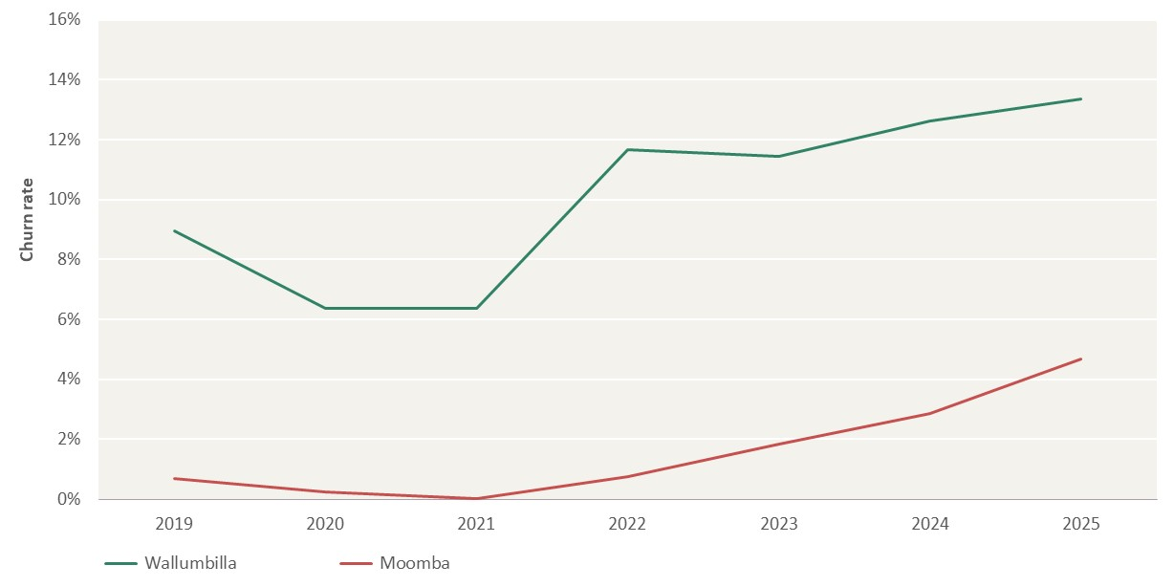
Churn rate
Year | Wallumbilla | Moomba | –
2019 | 8.94% | 0.70%
2020 | 6.36% | 0.24%
2021 | 6.38% | 0.02%
2022 | 11.65% | 0.74%
2023 | 11.45% | 1.85%
2024 | 12.62% | 2.87%
2025 | 13.35% | 4.69% | –

Figure A.7
To contents page
Figure A.7 – Bid-offer spreads on the gas supply hubs

Note: Bid-offer spread metrics represent a time-weighted ratio of the difference between the highest unmatched active bid (to buy) and offer (to sell) on the Trayport trading exchange. Where gaps exist in each time-series, it indicates there were no matching orders over that quarter. The bid-offer spread has been shown for balance-of-day, day-ahead and daily commodity products at the Moomba and Wallumbilla trading locations. Ranges shown represent the minimum and maximum spread metric values for the 3 commodity product types.
Source: AER analysis of GSH data.

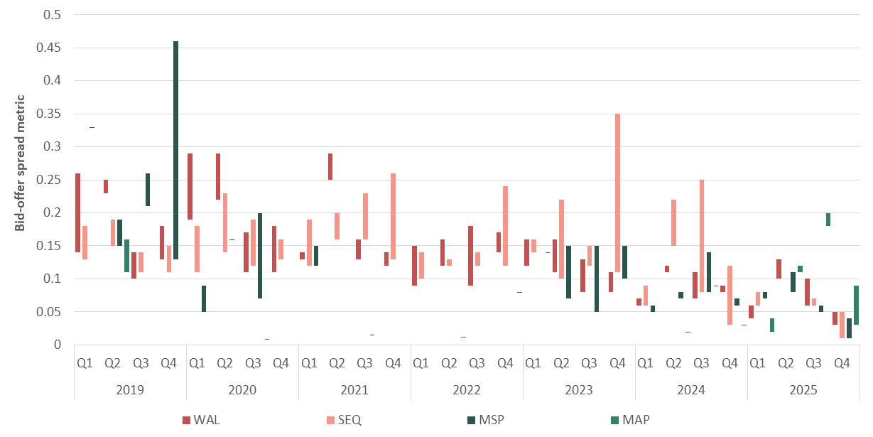
Bid-offer spread
Year | Quarter | WAL Day-ahead | WAL Day-ahead NNt | SEQ Day-ahead | SEQ Day-ahead NNt | MSP Day-ahead | MSP Day-ahead NNt | MAP Day-ahead | MAP Day-ahead NNt | –
2019 | Q1 | 0.26 | 0.14 | 0.18 | 0.13 | 0.33
 | Q2 | 0.25 | 0.23 | 0.19 | 0.15 | 0.19 | 0.15 | 0.16 | 0.11
 | Q3 | 0.14 | 0.10 | 0.14 | 0.11 | 0.26 | 0.21
 | Q4 | 0.18 | 0.13 | 0.15 | 0.11 | 0.13 | 0.46
2020 | Q1 | 0.29 | 0.19 | 0.18 | 0.11 | 0.09 | 0.05
 | Q2 | 0.29 | 0.22 | 0.23 | 0.14 | 0.16
 | Q3 | 0.17 | 0.11 | 0.19 | 0.12 | 0.20 | 0.07 | 0.08 |  | –
 | Q4 | 0.18 | 0.11 | 0.16 | 0.13
2021 | Q1 | 0.14 | 0.13 | 0.19 | 0.12 | 0.15 | 0.12
 | Q2 | 0.25 | 0.29 | 0.20 | 0.16
 | Q3 | 0.16 | 0.13 | 0.23 | 0.16 | 0.14
 | Q4 | 0.14 | 0.12 | 0.13 | 0.26
2022 | Q1 | 0.15 | 0.09 | 0.14 | 0.10 | 0.08 | 0.08
 | Q2 | 0.16 | 0.12 | 0.13 | 0.12 |  |  |  | 0.11
 | Q3 | 0.18 | 0.09 | 0.14 | 0.12
 | Q4 | 0.17 | 0.14 | 0.24 | 0.12 |  |  |  | 0.08
2023 | Q1 | 0.16 | 0.12 | 0.14 | 0.16 |  |  |  | 0.14
 | Q2 | 0.16 | 0.11 | 0.22 | 0.10 | 0.07 | 0.15
 | Q3 | 0.13 | 0.08 | 0.15 | 0.12 | 0.15 | 0.05
 | Q4 | 0.11 | 0.08 | 0.35 | 0.11 | 0.10 | 0.15
2024 | Q1 | 0.07 | 0.06 | 0.09 | 0.06 | 0.05 | 0.06 | 0.15 | 0.15
 | Q2 | 0.12 | 0.11 | 0.22 | 0.15 | 0.08 | 0.07 |  | 0.02
 | Q3 | 0.11 | 0.07 | 0.25 | 0.08 | 0.08 | 0.14 | 0.09
 | Q4 | 0.09 | 0.08 | 0.12 | 0.03 | 0.07 | 0.06 | 0.03
2025 | Q1 | 0.06 | 0.04 | 0.08 | 0.06 | 0.07 | 0.08 | 0.04 | 0.02
 | Q2 | 0.13 | 0.10 | 0.11 | 0.11 | 0.08 | 0.11 | 0.12 | 0.11
 | Q3 | 0.10 | 0.06 | 0.06 | 0.07 | 0.05 | 0.06 | 0.18 | 0.20
 | Q4 | 0.05 | 0.03 | 0.05 | 0.01 | 0.04 | 0.01 | 0.03 | 0.09

Figure A.8
To contents page
Figure A.8 – HHI of net-trade (sell-side)

Source: AER analysis of GSH, DWGM and STTM data.

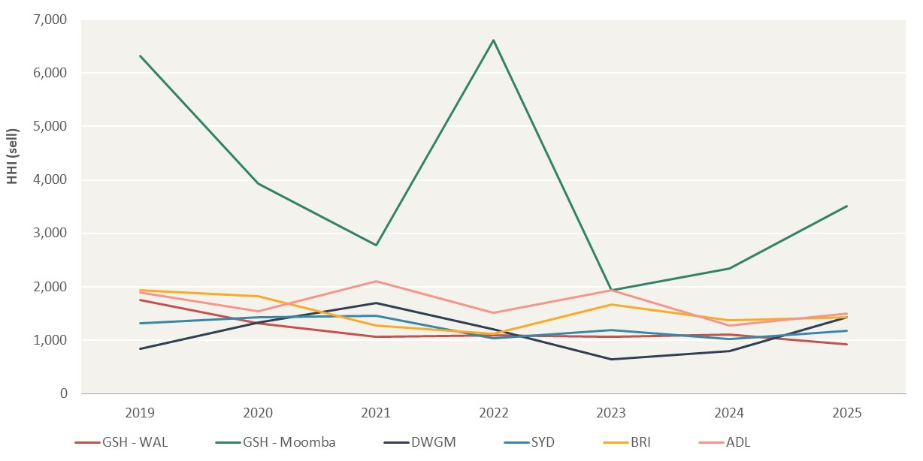
HHI of net-trade (sell-side)
Year | GSH - WAL | GSH - Moomba | DWGM | SYD | BRI | ADL | –
2019 | 1752.06 | 6315.11 | 842.93 | 1321.08 | 1929.89 | 1893.40
2020 | 1318.66 | 3926.14 | 1327.46 | 1428.25 | 1822.03 | 1543.48
2021 | 1070.09 | 2778.83 | 1689.61 | 1456.48 | 1271.70 | 2107.99
2022 | 1086.92 | 6618.46 | 1201.05 | 1040.23 | 1122.74 | 1518.01
2023 | 1060.85 | 1933.66 | 637.04 | 1187.40 | 1668.10 | 1939.70
2024 | 1105.83 | 2341.07 | 797.41 | 1026.94 | 1365.83 | 1268.49
2025 | 918.40 | 3503.02 | 1422.50 | 1173.45 | 1429.93 | 1503.70

Figure A.9
To contents page
Figure A.9 – HHI of net-trade (buy-side)

Source: AER analysis of GSH, DWGM, STTM and DAA data.

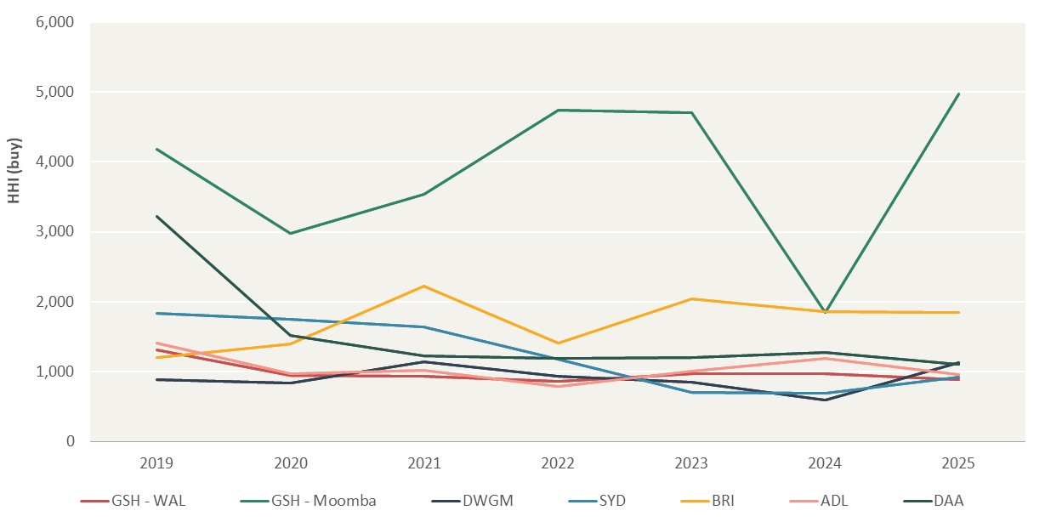
HHI of net-trade (buy-side)
Year | GSH - WAL | GSH - Moomba | DWGM | SYD | BRI | ADL | DAA | –
2019 | 1310.77 | 4185.12 | 884.43 | 1831.14 | 1199.47 | 1414.06 | 3215.74
2020 | 952.73 | 2980.67 | 843.13 | 1751.43 | 1400.34 | 977.20 | 1516.40
2021 | 931.98 | 3534.97 | 1140.19 | 1642.38 | 2220.35 | 1018.60 | 1224.54
2022 | 859.35 | 4743.29 | 937.89 | 1174.69 | 1409.32 | 790.26 | 1191.91
2023 | 974.08 | 4706.19 | 854.64 | 707.74 | 2043.72 | 1006.78 | 1199.05
2024 | 968.87 | 1847.87 | 592.54 | 692.94 | 1863.74 | 1189.09 | 1275.70
2025 | 885.64 | 4970.03 | 1128.53 | 918.89 | 1848.87 | 955.45 | 1108.98

