Figure B.1
To contents page
Figure B.1 – Proportion of services with substantially similar to standard vs non-standard terms and conditions

Source: AER analysis of Part 10 of the NGR actual prices payable information.
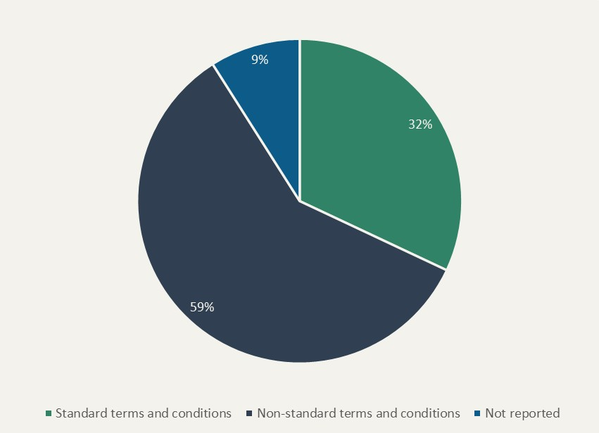
 | Proportion of services
Standard terms and conditions | 32% | –
Non-standard terms and conditions | 59%
Not reported | 9%

Figure B.2
To contents page
Figure B.2 – Average service duration by service start date

Note: Only services in effect as of December 2023 are included in the actual prices payable information and so this analysis is not conclusive for the service duration between 2009 and 2022.
Source: AER analysis of Part 10 of the NGR actual prices payable information.

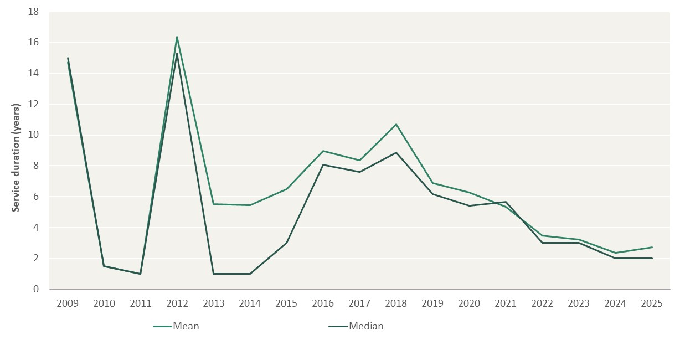
 | Mean | Median
2009-01-01 | 14.71 | 15.01
2010-01-01 | 1.50 | 1.50
2011-01-01 | 1.00 | 1.00
2012-01-01 | 16.36 | 15.28
2013-01-01 | 5.50 | 1.00
2014-01-01 | 5.47 | 1.00
2015-01-01 | 6.48 | 3.00
2016-01-01 | 8.97 | 8.08
2017-01-01 | 8.35 | 7.59
2018-01-01 | 10.67 | 8.84 | –
2019-01-01 | 6.87 | 6.17
2020-01-01 | 6.28 | 5.42
2021-01-01 | 5.34 | 5.67
2022-01-01 | 3.47 | 3.00
2023-01-01 | 3.21 | 3.00
2024-01-01 | 2.36 | 2.00
2025-01-01 | 2.72 | 2.00

Figure B.3
To contents page
Figure B.3 – Depreciation vs capital expenditure (CY 2024 and FY 2024-25)

Note: Asset values exclude ‘other non-depreciable pipeline assets’ and shared assets.
Source: AER analysis of Part 10 of the NGR financial information.

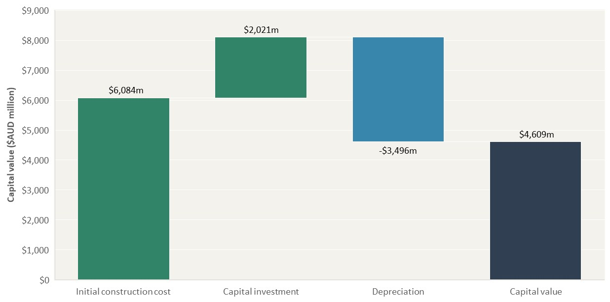
 | Capital value ($AUD million nominal)
Initial construction cost | $6,083.96 | –
Capital investment | $2,021.07
Depreciation | -$3,495.91
Capital value | $4,609.12

Figure B.4
To contents page
Figure B.4 – Composition of asset base into categories (CY 2024 and FY 2024-25)

Source: AER analysis of Part 10 financial information.

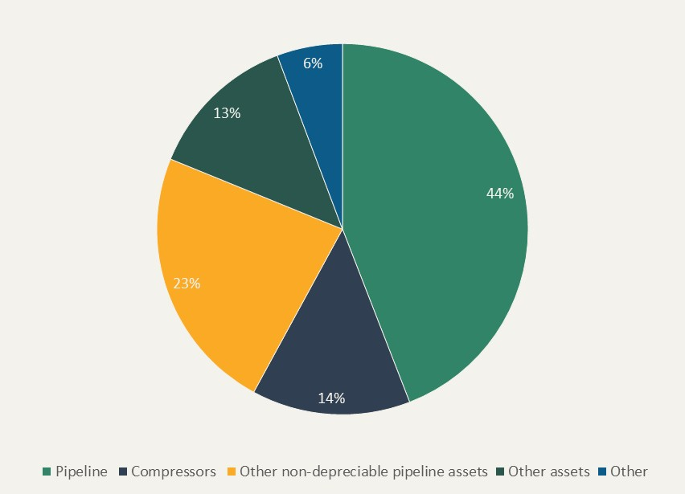
 | Proportion of total asset base value
Pipeline | 44% | –
Compressors | 14%
Other non-depreciable pipeline assets | 23% | –
Other assets | 13%
Other | 6%

Figure B.5
To contents page
Figure B.5 – Operating expenses (excluding depreciation) (CY 2024 and FY 2024-25)

Source: AER analysis of Part 10 of the NGR financial information.

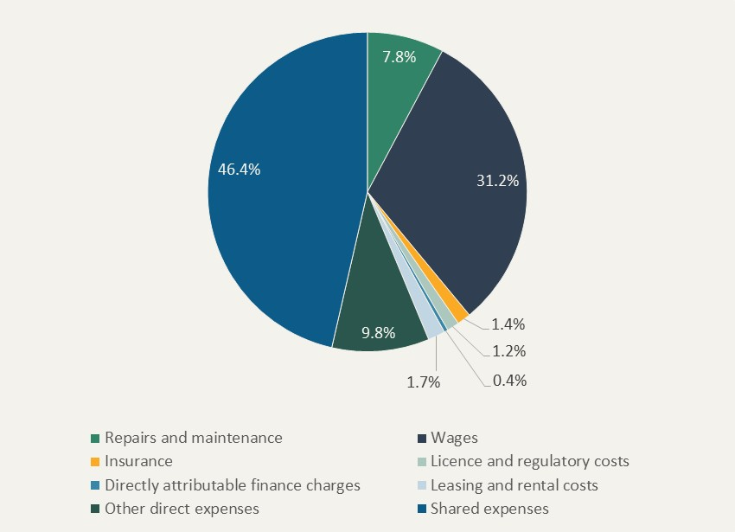
 | Proportion of total operating expenses (excluding depreciation)
Repairs and maintenance | 7.8% | –
Wages | 31.2%
Insurance | 1.4%
Licence and regulatory costs | 1.2%
Directly attributable finance charges | 0.4%
Leasing and rental costs | 1.7%
Other direct expenses | 9.8%
Shared expenses | 46.4%

