Figure 2.1
To contents page
Figure 2.1 – Eastern gas basins, markets, major pipelines and storage

Source: AER and Gas Bulletin Board.

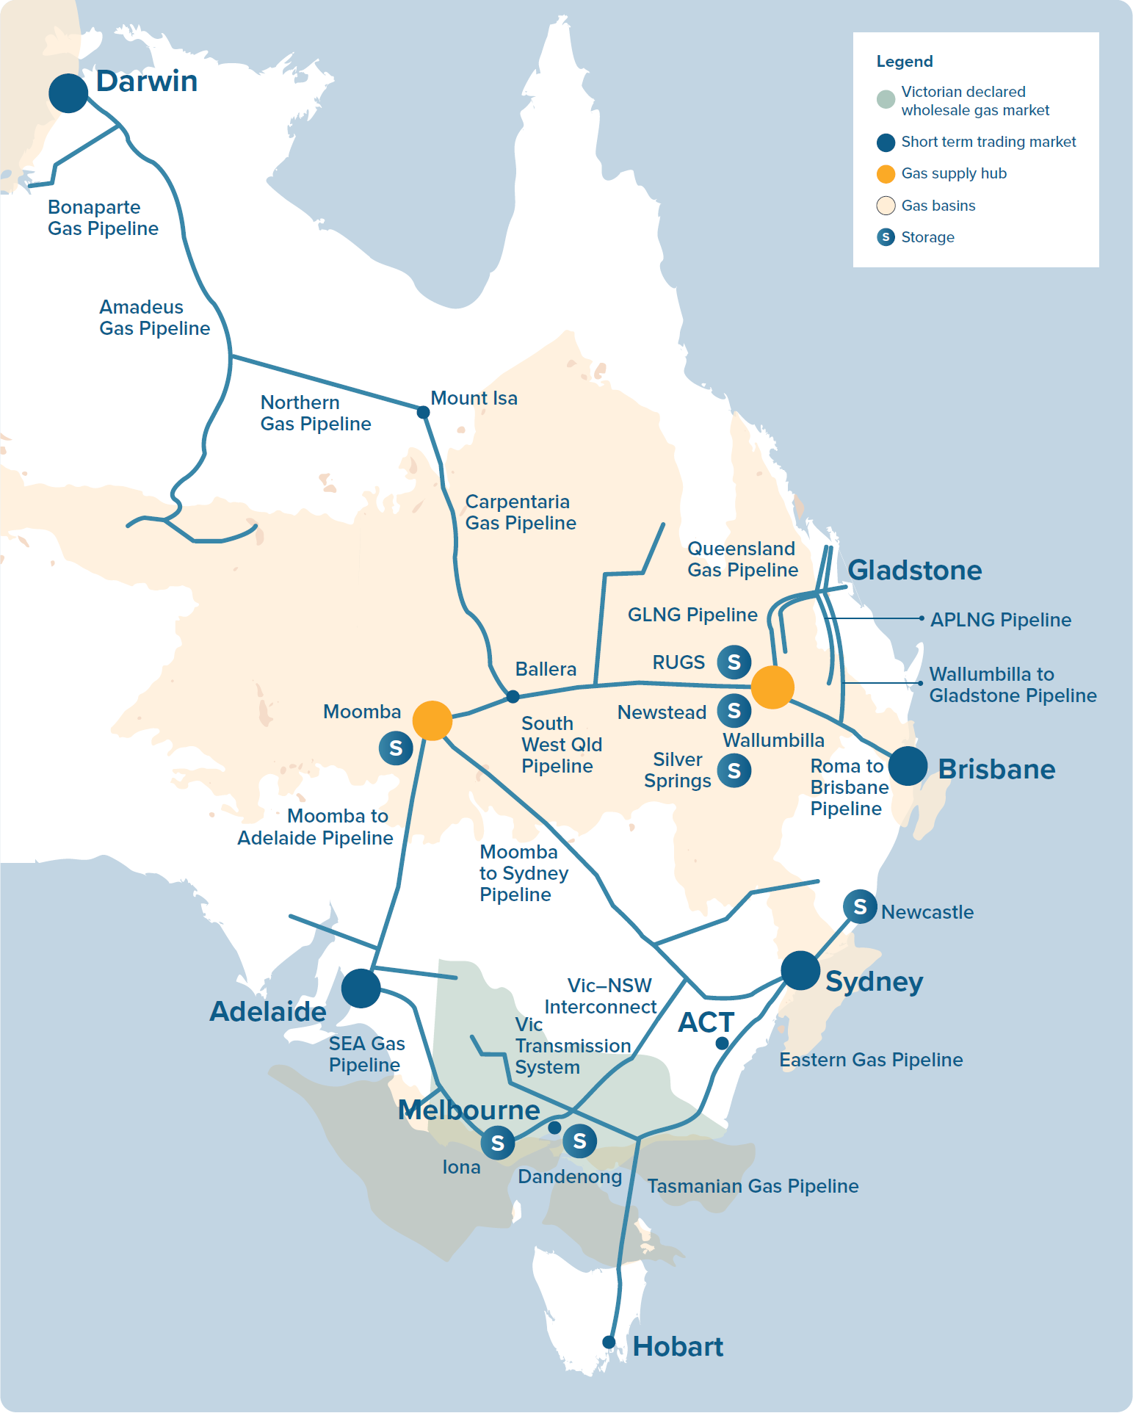

Figure 2.2
To contents page
Figure 2.2 – East coast gas market structure

Source: AER.

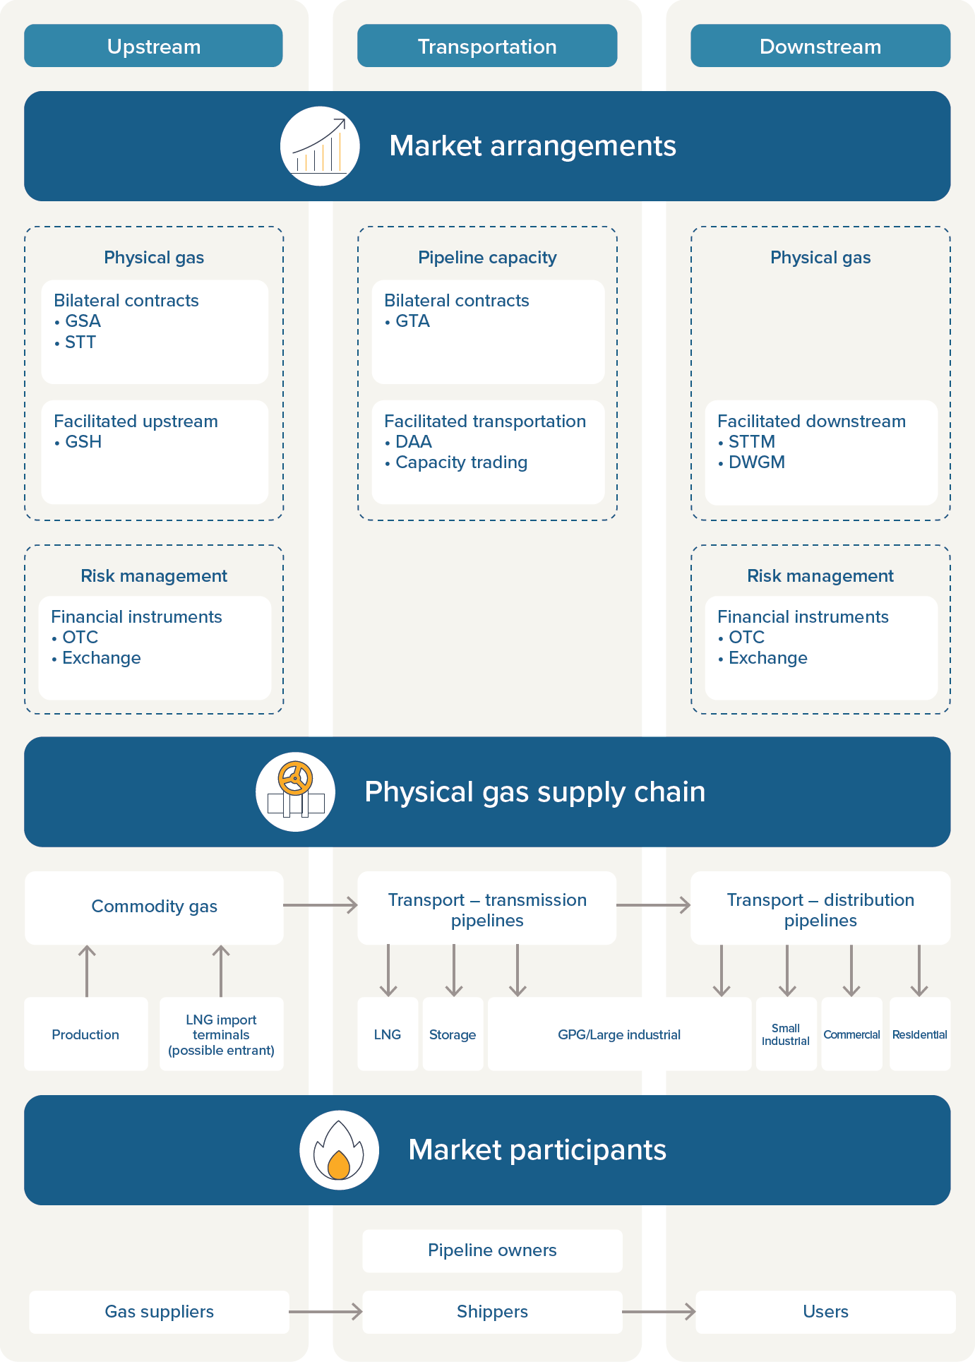

Figure 2.3
To contents page
Figure 2.3 – Eastern Australian gas market prices

Note: The Wallumbilla price is the volume-weighted average price for day-ahead, on-screen trades at the Wallumbilla Gas Supply Hub. Brisbane, Sydney and Adelaide prices are ex-ante. The Victorian price is the average daily imbalance price.
Source: AER.
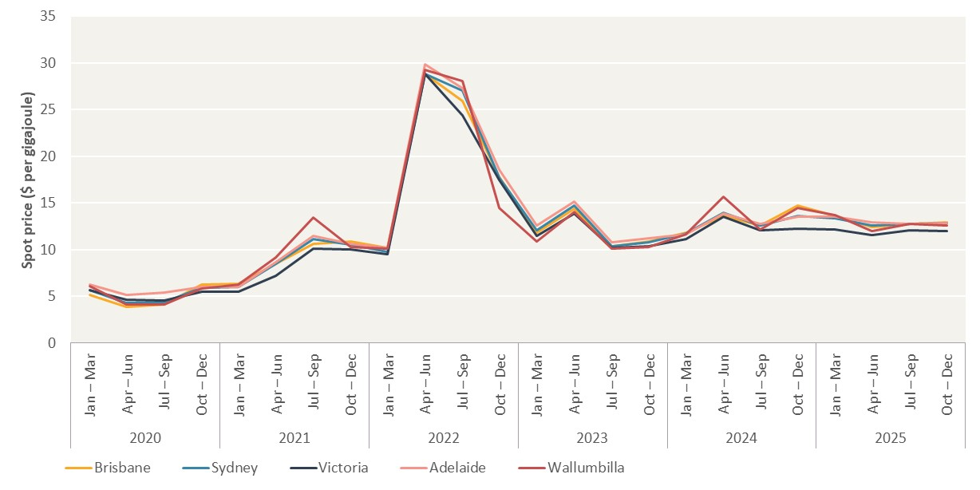
Year | Quarter | Average prices ($ per gigajoule)
 |  | Brisbane | Sydney | Victoria | Adelaide | Wallumbilla
2020 | Jan – Mar | 5.20 | 5.69 | 5.72 | 6.27 | 6.06
 | Apr – Jun | 3.89 | 4.31 | 4.65 | 5.13 | 4.12
 | Jul – Sep | 4.17 | 4.37 | 4.56 | 5.41 | 4.16
 | Oct – Dec | 6.28 | 5.96 | 5.52 | 6.00 | 5.81
2021 | Jan – Mar | 6.37 | 6.06 | 5.52 | 6.06 | 6.30
 | Apr – Jun | 8.48 | 8.46 | 7.26 | 8.69 | 9.17
 | Jul – Sep | 10.65 | 11.16 | 10.10 | 11.51 | 13.42
 | Oct – Dec | 10.91 | 10.52 | 10.00 | 10.67 | 10.29
2022 | Jan – Mar | 10.22 | 9.82 | 9.48 | 10.17 | 10.13
 | Apr – Jun | 28.81 | 28.87 | 28.83 | 29.85 | 29.23
 | Jul – Sep | 25.95 | 27.06 | 24.40 | 27.29 | 28.03
 | Oct – Dec | 17.85 | 17.71 | 17.44 | 18.59 | 14.50
2023 | Jan – Mar | 11.81 | 12.05 | 11.52 | 12.59 | 10.87
 | Apr – Jun | 14.39 | 14.76 | 13.86 | 15.18 | 14.01
 | Jul – Sep | 10.34 | 10.36 | 10.23 | 10.80 | 10.08
 | Oct – Dec | 10.91 | 10.81 | 10.38 | 11.23 | 10.32
2024 | Jan – Mar | 11.80 | 11.71 | 11.18 | 11.65 | 11.65
 | Apr – Jun | 13.66 | 13.94 | 13.57 | 13.86 | 15.70
 | Jul – Sep | 12.63 | 12.57 | 12.07 | 12.78 | 12.19
 | Oct – Dec | 14.71 | 13.66 | 12.26 | 13.55 | 14.49
2025 | Jan – Mar | 13.64 | 13.33 | 12.19 | 13.51 | 13.68
 | Apr – Jun | 12.40 | 12.59 | 11.59 | 12.90 | 12.00
 | Jul – Sep | 12.79 | 12.75 | 12.11 | 12.76 | 12.74
 | Oct – Dec | 12.95 | 12.82 | 12.03 | 12.82 | 12.57

Figure 2.4
To contents page
Figure 2.4 – Eastern Australian gas demand, by state

Source: AEMO, 2026 Gas Statement of Opportunities, March 2026.

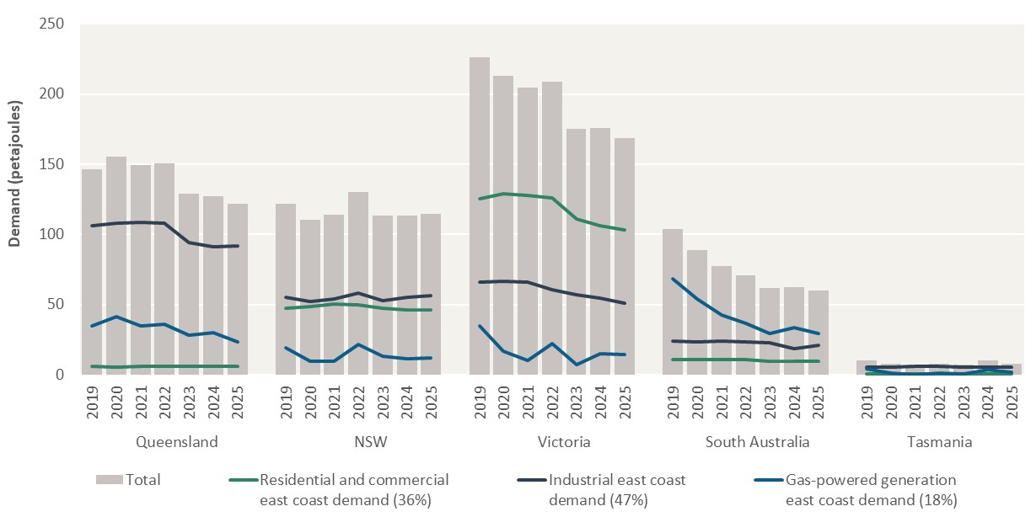
Region | Period | Gas consumption (petajoules)
 |  | Residential and commercial east coast demand (36%) | Industrial east coast demand (47%) | Gas-powered generation east coast demand (18%) | Total
Queensland | 2019 | 5.8 | 106.1 | 34.6 | 146.5
 | 2020 | 5.6 | 108.0 | 41.7 | 155.3
 | 2021 | 5.9 | 108.5 | 34.8 | 149.2
 | 2022 | 6.3 | 108.3 | 35.9 | 150.5
 | 2023 | 6.1 | 94.5 | 28.4 | 128.9
 | 2024 | 5.8 | 91.3 | 30.1 | 127.3
 | 2025 | 6.2 | 91.9 | 23.5 | 121.6

NSW | 2019 | 47.7 | 55.1 | 19.2 | 122.0
 | 2020 | 48.6 | 52.2 | 9.7 | 110.5
 | 2021 | 50.3 | 54.1 | 9.7 | 114.2
 | 2022 | 50.1 | 58.5 | 21.8 | 130.3
 | 2023 | 47.5 | 53.0 | 13.2 | 113.7
 | 2024 | 46.4 | 55.2 | 11.6 | 113.2
 | 2025 | 46.5 | 56.4 | 11.9 | 114.8

Victoria | 2019 | 125.4 | 66.2 | 34.6 | 226.2
 | 2020 | 129.2 | 66.5 | 17.1 | 212.8
 | 2021 | 127.9 | 65.9 | 10.5 | 204.4
 | 2022 | 126.0 | 60.7 | 22.2 | 208.9
 | 2023 | 110.8 | 57.2 | 7.0 | 175.1
 | 2024 | 106.0 | 54.8 | 15.2 | 175.9
 | 2025 | 103.4 | 51.2 | 14.2 | 168.8

South Australia | 2019 | 10.9 | 24.2 | 68.5 | 103.5
 | 2020 | 11.1 | 23.7 | 53.9 | 88.7
 | 2021 | 10.9 | 23.9 | 42.4 | 77.3
 | 2022 | 10.8 | 23.2 | 36.8 | 70.8
 | 2023 | 10.0 | 22.7 | 29.3 | 62.0
 | 2024 | 9.7 | 19.0 | 33.6 | 62.2
 | 2025 | 9.8 | 20.8 | 29.2 | 59.8

Tasmania | 2019 | 0.8 | 5.2 | 4.5 | 10.5
 | 2020 | 0.8 | 5.6 | 1.2 | 7.6
 | 2021 | 0.8 | 6.0 | 0.2 | 7.0
 | 2022 | 0.8 | 5.8 | 1.3 | 7.9
 | 2023 | 0.8 | 5.7 | 0.8 | 7.3
 | 2024 | 0.7 | 5.7 | 3.8 | 10.2
 | 2025 | 0.8 | 5.3 | 1.7 | 7.8

Figure 2.5
To contents page
Figure 2.5 – Quarterly gas demand for gas-powered generation

Source: AEMO NEM generation data and heat rates (gigajoules per megawatt hour).

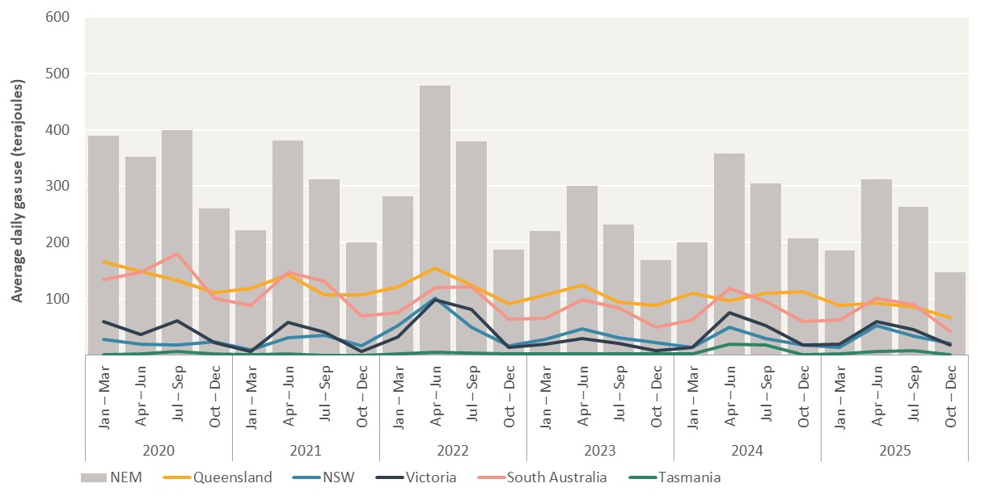
Year | Quarter | Average terajoules per day
 |  | Queensland | NSW | Victoria | South Australia | Tasmania | NEM
2020 | Jan – Mar | 166.3 | 28.4 | 59.7 | 134.0 | 1.1 | 389.4
 | Apr – Jun | 148.8 | 19.4 | 36.1 | 146.4 | 2.2 | 352.9
 | Jul – Sep | 133.0 | 18.6 | 60.5 | 180.7 | 6.9 | 399.7
 | Oct – Dec | 111.2 | 23.7 | 22.7 | 101.7 | 1.6 | 261.0
2021 | Jan – Mar | 117.7 | 9.1 | 6.6 | 87.8 | 0.3 | 221.5
 | Apr – Jun | 143.1 | 31.0 | 57.8 | 146.7 | 2.3 | 381.0
 | Jul – Sep | 107.0 | 34.7 | 40.4 | 131.0 | -0.3 | 312.7
 | Oct – Dec | 107.5 | 16.9 | 7.1 | 69.3 | -0.7 | 200.1
2022 | Jan – Mar | 120.9 | 52.4 | 31.8 | 74.9 | 1.7 | 281.6
 | Apr – Jun | 154.9 | 100.8 | 98.4 | 119.4 | 5.2 | 478.8
 | Jul – Sep | 123.8 | 49.8 | 80.6 | 121.7 | 3.1 | 379.0
 | Oct – Dec | 91.4 | 16.1 | 13.5 | 63.6 | 2.7 | 187.4
2023 | Jan – Mar | 106.3 | 27.5 | 19.2 | 65.0 | 2.2 | 220.3
 | Apr – Jun | 124.3 | 46.0 | 29.7 | 98.8 | 2.5 | 301.2
 | Jul – Sep | 93.5 | 31.3 | 20.9 | 83.7 | 2.1 | 231.4
 | Oct – Dec | 88.1 | 22.6 | 7.5 | 48.9 | 1.7 | 168.9
2024 | Jan – Mar | 109.2 | 13.0 | 13.8 | 61.8 | 2.4 | 200.1
 | Apr – Jun | 97.3 | 49.7 | 75.1 | 117.9 | 18.6 | 358.7
 | Jul – Sep | 109.5 | 30.1 | 51.7 | 94.9 | 18.2 | 304.3
 | Oct – Dec | 112.1 | 17.7 | 18.4 | 58.8 | 0.9 | 207.9
2025 | Jan – Mar | 88.0 | 13.9 | 19.6 | 62.0 | 2.4 | 185.9
 | Apr – Jun | 92.5 | 52.0 | 59.4 | 101.5 | 6.0 | 311.4
 | Jul – Sep | 85.7 | 33.5 | 45.6 | 90.2 | 8.4 | 263.3
 | Oct – Dec | 66.1 | 20.6 | 17.4 | 42.2 | 0.0 | 146.4

Figure 2.6
To contents page
Figure 2.6 – Increasing alignment between GPG demand and other gas demand

Source: AER analysis using gas market (DWGM and STTM) scheduling data, and National Electricity Market (NEM) generation data and heat rates (gigajoules per megawatt hour).

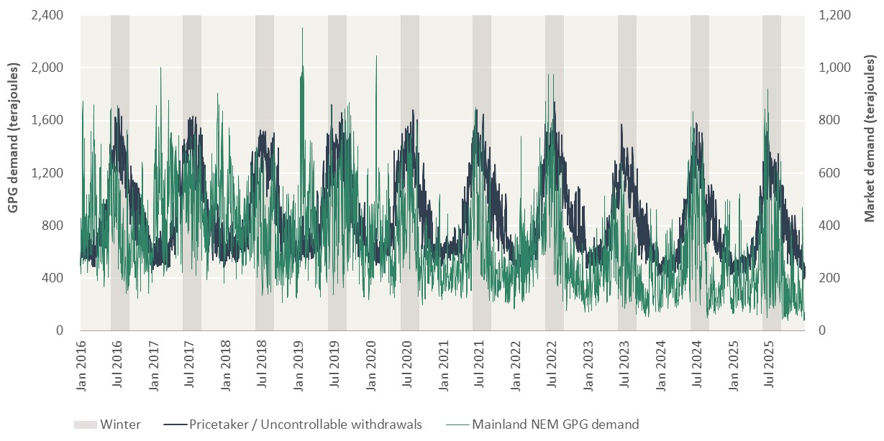
Date | Demand (terajoules)
 | Pricetaker / Uncontrollable withdrawals | Mainland NEM GPG demand | GPG (winter) | Winter
2016-01-01 | 502.896 | 277.5 |  | 0
2016-01-02 | 503.794 | 217.45 |  | 0
2016-01-03 | 516.728 | 267.16 |  | 0 | 50%
2016-01-04 | 625.579 | 386.86 |  | 0
2016-01-05 | 625.194 | 430.37 |  | 0
2016-01-06 | 627.364 | 338.86 |  | 0
2016-01-07 | 650.795 | 316.19 |  | 0
2016-01-08 | 642.918 | 385.24 |  | 0
2016-01-09 | 559.469 | 301.24 |  | 0
2016-01-10 | 562.718 | 389.1 |  | 0
2016-01-11 | 681.822 | 788.27 |  | 0
2016-01-12 | 678.735 | 826.1 |  | 0
2016-01-13 | 783.278 | 873.05 |  | 0
2016-01-14 | 684.74 | 586.42 |  | 0
2016-01-15 | 691.376 | 375.21 |  | 0
2016-01-16 | 564.187 | 253.61 |  | 0
2016-01-17 | 544.759 | 324.79 |  | 0
2016-01-18 | 683.388 | 531.58 |  | 0
2016-01-19 | 652.286 | 576.3 |  | 0
2016-01-20 | 679.204 | 626.47 |  | 0
2016-01-21 | 662.707 | 732.01 |  | 0
2016-01-22 | 645.17 | 527.73 |  | 0
2016-01-23 | 550.478 | 301.87 |  | 0
2016-01-24 | 561.356 | 265.42 |  | 0
2016-01-25 | 680.728 | 435.84 |  | 0
2016-01-26 | 548.838 | 312.7 |  | 0
2016-01-27 | 665.253 | 368.7 |  | 0
2016-01-28 | 655.313 | 354.79 |  | 0
2016-01-29 | 672.743 | 444.26 |  | 0
2016-01-30 | 556.397 | 314.89 |  | 0
2016-01-31 | 557.874 | 326.91 |  | 0
2016-02-01 | 672.199 | 476.34 |  | 0
2016-02-02 | 666.43 | 519.95 |  | 0
2016-02-03 | 688.707 | 447.11 |  | 0
2016-02-04 | 689.974 | 368.46 |  | 0
2016-02-05 | 654.029 | 331.98 |  | 0
2016-02-06 | 542.274 | 250.3 |  | 0
2016-02-07 | 543.269 | 222.47 |  | 0
2016-02-08 | 675.241 | 309.15 |  | 0
2016-02-09 | 686.938 | 338.01 |  | 0
2016-02-10 | 690.583 | 437.59 |  | 0
2016-02-11 | 693.461 | 440.09 |  | 0
2016-02-12 | 644.898 | 519.98 |  | 0
2016-02-13 | 534.649 | 346.53 |  | 0
2016-02-14 | 560.99 | 362.28 |  | 0
2016-02-15 | 688.127 | 490.37 |  | 0
2016-02-16 | 741.339 | 432.98 |  | 0
2016-02-17 | 722.156 | 447.12 |  | 0
2016-02-18 | 697.804 | 531.08 |  | 0
2016-02-19 | 656.089 | 563.67 |  | 0
2016-02-20 | 565.084 | 301.17 |  | 0
2016-02-21 | 549.248 | 291.3 |  | 0
2016-02-22 | 669.178 | 669.74 |  | 0
2016-02-23 | 676.588 | 721.22 |  | 0
2016-02-24 | 700.004 | 759.02 |  | 0
2016-02-25 | 688.286 | 637.6 |  | 0
2016-02-26 | 650.626 | 514.71 |  | 0
2016-02-27 | 510.615 | 322.59 |  | 0
2016-02-28 | 499.518 | 286.83 |  | 0
2016-02-29 | 590.505 | 473.7 |  | 0
2016-03-01 | 650.041 | 594.17 |  | 0
2016-03-02 | 655.546 | 679.17 |  | 0
2016-03-03 | 628.3 | 573.01 |  | 0
2016-03-04 | 624.548 | 604.67 |  | 0
2016-03-05 | 491.166 | 341.47 |  | 0
2016-03-06 | 494.731 | 371.31 |  | 0
2016-03-07 | 638.78 | 574.71 |  | 0
2016-03-08 | 719.578 | 860.28 |  | 0
2016-03-09 | 766.09 | 853.83 |  | 0
2016-03-10 | 749.057 | 702.07 |  | 0
2016-03-11 | 643.602 | 727.4 |  | 0
2016-03-12 | 490.402 | 399.16 |  | 0
2016-03-13 | 490.962 | 326.22 |  | 0
2016-03-14 | 570.165 | 437.17 |  | 0
2016-03-15 | 629.744 | 440.42 |  | 0
2016-03-16 | 649.227 | 628.67 |  | 0
2016-03-17 | 642.434 | 671.22 |  | 0
2016-03-18 | 638.041 | 387.59 |  | 0
2016-03-19 | 633.999 | 393.05 |  | 0
2016-03-20 | 561.568 | 367.54 |  | 0
2016-03-21 | 722.246 | 484.08 |  | 0
2016-03-22 | 721.278 | 517.14 |  | 0
2016-03-23 | 668.188 | 513.66 |  | 0
2016-03-24 | 674.433 | 490.97 |  | 0
2016-03-25 | 572.449 | 210.03 |  | 0
2016-03-26 | 578.799 | 233.62 |  | 0
2016-03-27 | 604.589 | 192.97 |  | 0
2016-03-28 | 632.353 | 229.39 |  | 0
2016-03-29 | 746.351 | 351.4 |  | 0
2016-03-30 | 745.915 | 392.01 |  | 0
2016-03-31 | 711.474 | 377.34 |  | 0
2016-04-01 | 659.251 | 283.98 |  | 0
2016-04-02 | 585.742 | 277.36 |  | 0
2016-04-03 | 656.854 | 237.61 |  | 0
2016-04-04 | 719.737 | 417.39 |  | 0
2016-04-05 | 709.831 | 427.27 |  | 0
2016-04-06 | 829.17 | 460.28 |  | 0
2016-04-07 | 853.357 | 565.1 |  | 0
2016-04-08 | 788.396 | 619.02 |  | 0
2016-04-09 | 653.474 | 416.5 |  | 0
2016-04-10 | 647.899 | 261.44 |  | 0
2016-04-11 | 818.543 | 607.16 |  | 0
2016-04-12 | 832.571 | 622.44 |  | 0
2016-04-13 | 821.407 | 625.85 |  | 0
2016-04-14 | 734.246 | 709.61 |  | 0
2016-04-15 | 684.307 | 581.61 |  | 0
2016-04-16 | 649.378 | 301.51 |  | 0
2016-04-17 | 700.677 | 254.59 |  | 0
2016-04-18 | 765.924 | 483.86 |  | 0
2016-04-19 | 745.063 | 440.24 |  | 0
2016-04-20 | 733.805 | 355.02 |  | 0
2016-04-21 | 747.228 | 483.95 |  | 0
2016-04-22 | 858.341 | 424.2 |  | 0
2016-04-23 | 771.238 | 297.51 |  | 0
2016-04-24 | 742.58 | 247.2 |  | 0
2016-04-25 | 657.259 | 228.81 |  | 0
2016-04-26 | 763.167 | 499.66 |  | 0
2016-04-27 | 739.641 | 393.63 |  | 0
2016-04-28 | 731.142 | 503.62 |  | 0
2016-04-29 | 723.133 | 452.66 |  | 0
2016-04-30 | 613.771 | 167.48 |  | 0
2016-05-01 | 777.528 | 224.81 |  | 0
2016-05-02 | 929.184 | 209.28 |  | 0
2016-05-03 | 941.707 | 302.79 |  | 0
2016-05-04 | 965.222 | 384.76 |  | 0
2016-05-05 | 834.403 | 324.13 |  | 0
2016-05-06 | 765.687 | 458.29 |  | 0
2016-05-07 | 632.415 | 330.4 |  | 0
2016-05-08 | 675.74 | 314.74 |  | 0
2016-05-09 | 782.049 | 458.05 |  | 0
2016-05-10 | 990.789 | 362.4 |  | 0
2016-05-11 | 995.325 | 366.88 |  | 0
2016-05-12 | 863.77 | 417.36 |  | 0
2016-05-13 | 812.403 | 400.9 |  | 0
2016-05-14 | 710.277 | 254.06 |  | 0
2016-05-15 | 770.696 | 311.19 |  | 0
2016-05-16 | 926.645 | 383.35 |  | 0
2016-05-17 | 964.052 | 583.53 |  | 0
2016-05-18 | 969.426 | 608.88 |  | 0
2016-05-19 | 984.163 | 486.56 |  | 0
2016-05-20 | 1035.319 | 578.21 |  | 0
2016-05-21 | 878.492 | 286.28 |  | 0
2016-05-22 | 764.971 | 202.23 |  | 0
2016-05-23 | 1046.441 | 453.14 |  | 0
2016-05-24 | 1095.018 | 434.06 |  | 0
2016-05-25 | 1154.414 | 507.36 |  | 0
2016-05-26 | 1269.324 | 671.3 |  | 0
2016-05-27 | 1256.886 | 440.65 |  | 0
2016-05-28 | 1227.221 | 523.29 |  | 0
2016-05-29 | 1187.192 | 441.78 |  | 0
2016-05-30 | 1403.69 | 690.16 |  | 0
2016-05-31 | 1417.888 | 737.87 |  | 0
2016-06-01 | 1349.062 | 839.06 | 839.06 | 2400
2016-06-02 | 1384.632 | 801.32 | 801.32 | 2400
2016-06-03 | 1406.408 | 847.9 | 847.9 | 2400
2016-06-04 | 1157.957 | 553.54 | 553.54 | 2400
2016-06-05 | 1086.009 | 438.58 | 438.58 | 2400
2016-06-06 | 1303.821 | 606.34 | 606.34 | 2400
2016-06-07 | 1302.43 | 635.01 | 635.01 | 2400
2016-06-08 | 1373.306 | 522.28 | 522.28 | 2400
2016-06-09 | 1249.581 | 382.72 | 382.72 | 2400
2016-06-10 | 1235.241 | 339.22 | 339.22 | 2400
2016-06-11 | 1288.453 | 390.93 | 390.93 | 2400
2016-06-12 | 1267.167 | 396.94 | 396.94 | 2400
2016-06-13 | 1320.461 | 522.29 | 522.29 | 2400
2016-06-14 | 1365.077 | 637.43 | 637.43 | 2400
2016-06-15 | 1327.827 | 530.57 | 530.57 | 2400
2016-06-16 | 1406.633 | 609.25 | 609.25 | 2400
2016-06-17 | 1242.088 | 647.44 | 647.44 | 2400
2016-06-18 | 1200.31 | 330.38 | 330.38 | 2400
2016-06-19 | 1218.368 | 369.41 | 369.41 | 2400
2016-06-20 | 1336.404 | 600.23 | 600.23 | 2400
2016-06-21 | 1386.728 | 393.55 | 393.55 | 2400
2016-06-22 | 1319.062 | 408.51 | 408.51 | 2400
2016-06-23 | 1405.04 | 447.97 | 447.97 | 2400
2016-06-24 | 1624.17 | 433.36 | 433.36 | 2400
2016-06-25 | 1428.407 | 484.86 | 484.86 | 2400
2016-06-26 | 1483.881 | 449.4 | 449.4 | 2400
2016-06-27 | 1619.323 | 625.35 | 625.35 | 2400
2016-06-28 | 1450.68 | 598.13 | 598.13 | 2400
2016-06-29 | 1424.888 | 412.05 | 412.05 | 2400
2016-06-30 | 1583.621 | 536.72 | 536.72 | 2400
...

