Figure 3.1
To contents page
Figure 3.1 – Market share of total offers in downstream spot markets

Source: AER analysis using gas market (DWGM and STTM) bidding data.
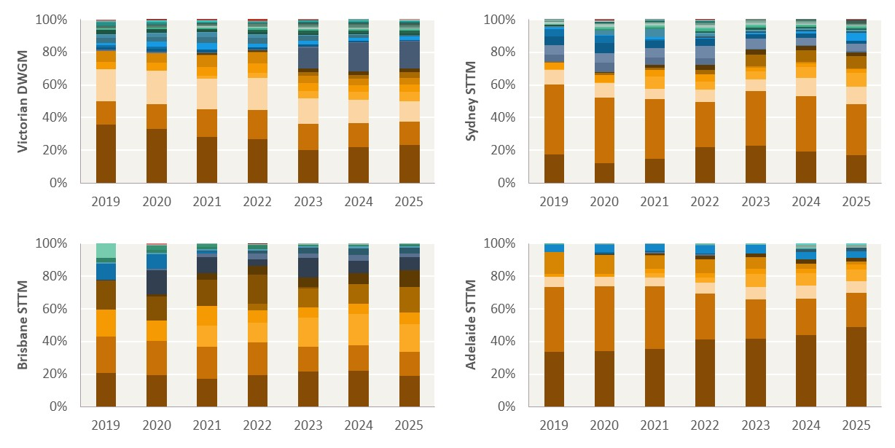

Unit: %
 | DWGM
Year | Series1 | Series2 | Series3 | Series4 | Series5 | Series6 | Series7 | Series8 | Series9 | Series10 | Series11 | Series12 | Series13 | Series14 | Series15 | Series16 | Series17 | Series18 | Series19 | Series20 | Series21 | Series22 | Series23 | Series24 | Series25 | Series26 | Series27 | Series28 | Series29 | Series30 | Series31 | Series32 | Series33 | Series34 | Series35 | Series36 | Series37 | Series38 | Series39 | Series40 | Series41 | Series42 | Series43 | Series44 | Series45 | Series46 | Series47 | Series48 | Series49 | Series50 | Series51 | Series52 | Series53 | Series54 | Series55 | Series56 | Series57 | Series58 | Series59 | Series60
2019 | 36% | 14% | 20% | 0% | 4% | 7% | 0% | 0% | 0% | 0% | 0% | 1% | 0% | 1% | 1% | 0% | 2% | 0% | 3% | 2% | 0% | 2% | 0% | 0% | 0% | 1% | 0% | 0% | 0% | 0% | 0% | 0% | 0% | 1% | 0% | 0% | 0% | 2% | 0% | 0% | 1% | 0% | 0% | 0% | 0% | 0% | 0% | 0% | 0% | 0% | 0% | 0% | 0% | 0% | 0% | 0% | 0% | 0% | 0% | 0%
2020 | 33% | 15% | 21% | 0% | 5% | 6% | 0% | 0% | 0% | 0% | 0% | 1% | 0% | 2% | 2% | 0% | 3% | 0% | 3% | 2% | 0% | 2% | 0% | 0% | 0% | 1% | 0% | 0% | 0% | 0% | 0% | 0% | 1% | 1% | 0% | 0% | 0% | 1% | 0% | 0% | 1% | 0% | 0% | 0% | 0% | 0% | 0% | 0% | 0% | 0% | 0% | 0% | 0% | 0% | 0% | 0% | 0% | 0% | 0% | 0%
2021 | 28% | 17% | 19% | 2% | 6% | 7% | 0% | 0% | 1% | 0% | 0% | 1% | 0% | 1% | 0% | 0% | 4% | 0% | 3% | 3% | 0% | 2% | 0% | 0% | 0% | 1% | 0% | 0% | 1% | 0% | 0% | 0% | 1% | 0% | 0% | 0% | 0% | 0% | 0% | 0% | 1% | 0% | 0% | 0% | 0% | 0% | 0% | 0% | 0% | 0% | 0% | 0% | 0% | 0% | 0% | 0% | 0% | 0% | 0% | 0%
2022 | 27% | 18% | 19% | 3% | 6% | 7% | 1% | 0% | 1% | 0% | 0% | 1% | 0% | 1% | 0% | 0% | 2% | 0% | 4% | 2% | 0% | 1% | 1% | 0% | 0% | 1% | 0% | 0% | 0% | 0% | 0% | 0% | 1% | 0% | 0% | 0% | 1% | 0% | 0% | 0% | 0% | 0% | 0% | 0% | 0% | 0% | 0% | 0% | 0% | 0% | 0% | 0% | 0% | 0% | 0% | 0% | 0% | 0% | 0% | 0%
2023 | 20% | 16% | 16% | 4% | 5% | 5% | 2% | 0% | 2% | 0% | 13% | 1% | 0% | 1% | 0% | 0% | 2% | 0% | 3% | 0% | 0% | 1% | 2% | 0% | 0% | 1% | 0% | 0% | 1% | 0% | 0% | 0% | 1% | 0% | 0% | 0% | 1% | 0% | 0% | 1% | 0% | 0% | 0% | 0% | 0% | 0% | 0% | 0% | 0% | 0% | 0% | 0% | 0% | 0% | 0% | 0% | 0% | 0% | 0% | 0%
2024 | 22% | 15% | 14% | 5% | 4% | 4% | 2% | 0% | 2% | 0% | 17% | 1% | 0% | 1% | 0% | 0% | 1% | 0% | 2% | 0% | 0% | 1% | 2% | 0% | 0% | 1% | 0% | 0% | 0% | 0% | 1% | 0% | 1% | 0% | 1% | 0% | 1% | 0% | 0% | 1% | 0% | 0% | 0% | 0% | 0% | 0% | 0% | 0% | 0% | 0% | 0% | 0% | 0% | 0% | 0% | 0% | 0% | 0% | 0% | 0%
2025 | 23% | 14% | 13% | 6% | 4% | 4% | 4% | 0% | 2% | 0% | 17% | 1% | 0% | 0% | 0% | 0% | 2% | 0% | 1% | 0% | 0% | 1% | 2% | 0% | 0% | 0% | 0% | 0% | 0% | 0% | 1% | 0% | 1% | 0% | 1% | 0% | 1% | 0% | 0% | 1% | 0% | 0% | 0% | 0% | 0% | 0% | 0% | 0% | 0% | 0% | 0% | 0% | 0% | 0% | 0% | 0% | 0% | 0% | 0% | 0%

Unit: %
 | Sydney STTM
Year | Series1 | Series2 | Series3 | Series4 | Series5 | Series6 | Series7 | Series8 | Series9 | Series10 | Series11 | Series12 | Series13 | Series14 | Series15 | Series16 | Series17 | Series18 | Series19 | Series20 | Series21 | Series22 | Series23 | Series24 | Series25 | Series26 | Series27 | Series28 | Series29 | Series30 | Series31 | Series32 | Series33 | Series34 | Series35 | Series36 | Series37 | Series38 | Series39 | Series40 | Series41 | Series42 | Series43 | Series44 | Series45 | Series46 | Series47 | Series48 | Series49 | Series50 | Series51 | Series52 | Series53 | Series54 | Series55 | Series56 | Series57 | Series58 | Series59 | Series60
2019 | 17% | 43% | 9% | 0% | 4% | 0% | 0% | 0% | 0% | 0% | 0% | 5% | 6% | 5% | 5% | 0% | 1% | 0% | 0% | 1% | 0% | 1% | 0% | 0% | 0% | 0% | 1% | 0% | 1% | 0% | 0% | 1% | 0% | 0% | 0% | 0% | 0% | 0% | 0% | 0% | 0% | 0% | 0% | 0% | 0% | 0% | 0% | 0% | 0% | 0% | 0% | 0% | 0% | 0% | 0% | 0% | 0% | 0% | 0% | 0%
2020 | 12% | 40% | 9% | 1% | 4% | 0% | 2% | 0% | 0% | 0% | 0% | 6% | 5% | 6% | 5% | 0% | 1% | 0% | 0% | 2% | 0% | 0% | 0% | 0% | 1% | 0% | 1% | 0% | 1% | 0% | 0% | 1% | 0% | 0% | 0% | 1% | 0% | 0% | 0% | 0% | 0% | 0% | 0% | 0% | 0% | 0% | 0% | 0% | 0% | 0% | 0% | 0% | 0% | 0% | 0% | 0% | 0% | 0% | 0% | 0%
2021 | 15% | 36% | 6% | 8% | 4% | 0% | 1% | 0% | 2% | 0% | 0% | 4% | 6% | 5% | 1% | 0% | 1% | 0% | 0% | 5% | 0% | 0% | 0% | 0% | 1% | 1% | 1% | 0% | 1% | 0% | 0% | 1% | 0% | 0% | 0% | 1% | 0% | 0% | 0% | 0% | 0% | 0% | 0% | 0% | 0% | 0% | 0% | 0% | 0% | 0% | 0% | 0% | 0% | 0% | 0% | 0% | 0% | 0% | 0% | 0%
2022 | 22% | 28% | 8% | 5% | 4% | 0% | 3% | 0% | 3% | 0% | 0% | 4% | 8% | 4% | 0% | 0% | 1% | 1% | 0% | 1% | 1% | 0% | 1% | 0% | 0% | 1% | 1% | 0% | 2% | 1% | 0% | 1% | 0% | 0% | 0% | 1% | 0% | 0% | 0% | 0% | 0% | 0% | 1% | 0% | 0% | 0% | 0% | 0% | 0% | 0% | 0% | 0% | 0% | 0% | 0% | 0% | 0% | 0% | 0% | 0%
2023 | 23% | 34% | 7% | 5% | 2% | 1% | 7% | 0% | 3% | 0% | 0% | 1% | 6% | 3% | 0% | 0% | 1% | 1% | 0% | 0% | 1% | 0% | 1% | 0% | 0% | 1% | 1% | 0% | 1% | 0% | 1% | 1% | 0% | 0% | 0% | 0% | 0% | 0% | 0% | 0% | 0% | 0% | 0% | 0% | 0% | 0% | 0% | 0% | 0% | 0% | 0% | 0% | 0% | 0% | 0% | 0% | 0% | 0% | 0% | 0%
2024 | 19% | 34% | 11% | 7% | 2% | 1% | 7% | 0% | 3% | 0% | 0% | 0% | 4% | 3% | 0% | 0% | 1% | 1% | 0% | 0% | 1% | 0% | 1% | 0% | 0% | 1% | 1% | 0% | 0% | 0% | 1% | 0% | 0% | 0% | 0% | 0% | 0% | 0% | 0% | 0% | 0% | 0% | 0% | 0% | 0% | 0% | 0% | 0% | 0% | 0% | 0% | 0% | 0% | 0% | 0% | 0% | 0% | 0% | 0% | 0%
2025 | 17% | 31% | 10% | 8% | 2% | 1% | 7% | 0% | 3% | 0% | 0% | 1% | 5% | 2% | 0% | 0% | 5% | 1% | 0% | 0% | 1% | 0% | 1% | 0% | 0% | 1% | 1% | 0% | 0% | 0% | 1% | 0% | 0% | 0% | 2% | 0% | 0% | 0% | 0% | 0% | 0% | 0% | 0% | 0% | 0% | 0% | 0% | 0% | 0% | 0% | 0% | 0% | 0% | 0% | 0% | 0% | 0% | 0% | 0% | 0%

Unit: %
 | Brisbane STTM
Year | Series1 | Series2 | Series3 | Series4 | Series5 | Series6 | Series7 | Series8 | Series9 | Series10 | Series11 | Series12 | Series13 | Series14 | Series15 | Series16 | Series17 | Series18 | Series19 | Series20 | Series21 | Series22 | Series23 | Series24 | Series25 | Series26 | Series27 | Series28 | Series29 | Series30 | Series31 | Series32 | Series33 | Series34 | Series35 | Series36 | Series37 | Series38 | Series39 | Series40 | Series41 | Series42 | Series43 | Series44 | Series45 | Series46 | Series47 | Series48 | Series49 | Series50 | Series51 | Series52 | Series53 | Series54 | Series55 | Series56 | Series57 | Series58 | Series59 | Series60
2019 | 20% | 23% | 0% | 0% | 17% | 0% | 0% | 18% | 0% | 1% | 0% | 0% | 0% | 0% | 10% | 0% | 0% | 0% | 0% | 0% | 1% | 0% | 0% | 3% | 0% | 0% | 0% | 9% | 0% | 0% | 0% | 0% | 0% | 0% | 0% | 0% | 0% | 0% | 0% | 0% | 0% | 0% | 0% | 0% | 0% | 0% | 0% | 0% | 0% | 0% | 0% | 0% | 0% | 0% | 0% | 0% | 0% | 0% | 0% | 0%
2020 | 19% | 21% | 0% | 0% | 13% | 0% | 0% | 15% | 1% | 15% | 0% | 1% | 0% | 0% | 9% | 0% | 0% | 0% | 0% | 0% | 1% | 0% | 0% | 2% | 3% | 0% | 0% | 0% | 0% | 0% | 0% | 0% | 0% | 0% | 0% | 0% | 0% | 0% | 0% | 0% | 0% | 0% | 0% | 1% | 0% | 0% | 0% | 0% | 0% | 0% | 0% | 0% | 0% | 0% | 0% | 0% | 0% | 0% | 0% | 0%
2021 | 17% | 20% | 0% | 13% | 12% | 0% | 0% | 16% | 4% | 10% | 0% | 2% | 0% | 0% | 1% | 0% | 0% | 0% | 0% | 0% | 1% | 0% | 0% | 1% | 2% | 0% | 0% | 0% | 0% | 0% | 0% | 0% | 0% | 0% | 0% | 0% | 0% | 0% | 0% | 0% | 0% | 0% | 0% | 0% | 0% | 0% | 0% | 0% | 0% | 0% | 0% | 0% | 0% | 0% | 0% | 0% | 0% | 0% | 0% | 0%
2022 | 19% | 20% | 0% | 12% | 8% | 0% | 4% | 18% | 5% | 4% | 0% | 3% | 0% | 0% | 0% | 0% | 0% | 2% | 0% | 0% | 1% | 0% | 0% | 2% | 1% | 0% | 0% | 0% | 0% | 1% | 0% | 0% | 0% | 0% | 0% | 0% | 0% | 0% | 0% | 0% | 0% | 0% | 0% | 0% | 0% | 0% | 0% | 0% | 0% | 0% | 0% | 0% | 0% | 0% | 0% | 0% | 0% | 0% | 0% | 0%
2023 | 22% | 15% | 0% | 18% | 6% | 0% | 12% | 1% | 6% | 12% | 0% | 2% | 0% | 0% | 0% | 0% | 0% | 3% | 0% | 0% | 1% | 0% | 0% | 0% | 1% | 0% | 0% | 0% | 0% | 1% | 0% | 0% | 0% | 0% | 0% | 0% | 0% | 0% | 0% | 0% | 0% | 0% | 0% | 0% | 0% | 0% | 0% | 0% | 0% | 0% | 0% | 0% | 0% | 0% | 0% | 0% | 0% | 0% | 0% | 0%
2024 | 22% | 16% | 0% | 19% | 6% | 0% | 12% | 0% | 6% | 8% | 0% | 4% | 0% | 0% | 0% | 0% | 0% | 4% | 0% | 0% | 1% | 0% | 0% | 1% | 0% | 0% | 0% | 0% | 0% | 1% | 0% | 0% | 0% | 0% | 0% | 0% | 0% | 0% | 0% | 0% | 0% | 0% | 0% | 0% | 0% | 0% | 0% | 0% | 0% | 0% | 0% | 0% | 0% | 0% | 0% | 0% | 0% | 0% | 0% | 0%
2025 | 19% | 15% | 0% | 17% | 7% | 0% | 15% | 0% | 10% | 8% | 0% | 2% | 0% | 0% | 0% | 0% | 0% | 3% | 0% | 0% | 1% | 0% | 0% | 1% | 0% | 0% | 0% | 0% | 0% | 0% | 0% | 0% | 0% | 0% | 0% | 0% | 0% | 0% | 0% | 0% | 0% | 0% | 0% | 0% | 0% | 0% | 0% | 0% | 0% | 0% | 0% | 0% | 0% | 0% | 0% | 0% | 0% | 0% | 0% | 0%

Unit: %
 | Adelaide STTM
Year | Series1 | Series2 | Series3 | Series4 | Series5 | Series6 | Series7 | Series8 | Series9 | Series10 | Series11 | Series12 | Series13 | Series14 | Series15 | Series16 | Series17 | Series18 | Series19 | Series20 | Series21 | Series22 | Series23 | Series24 | Series25 | Series26 | Series27 | Series28 | Series29 | Series30 | Series31 | Series32 | Series33 | Series34 | Series35 | Series36 | Series37 | Series38 | Series39 | Series40 | Series41 | Series42 | Series43 | Series44 | Series45 | Series46 | Series47 | Series48 | Series49 | Series50 | Series51 | Series52 | Series53 | Series54 | Series55 | Series56 | Series57 | Series58 | Series59 | Series60
...

Figure 3.2
To contents page
Figure 3.2 – Concentration measured using annual HHI by total offers

Source: AER analysis using gas market (DWGM and STTM) bidding data.

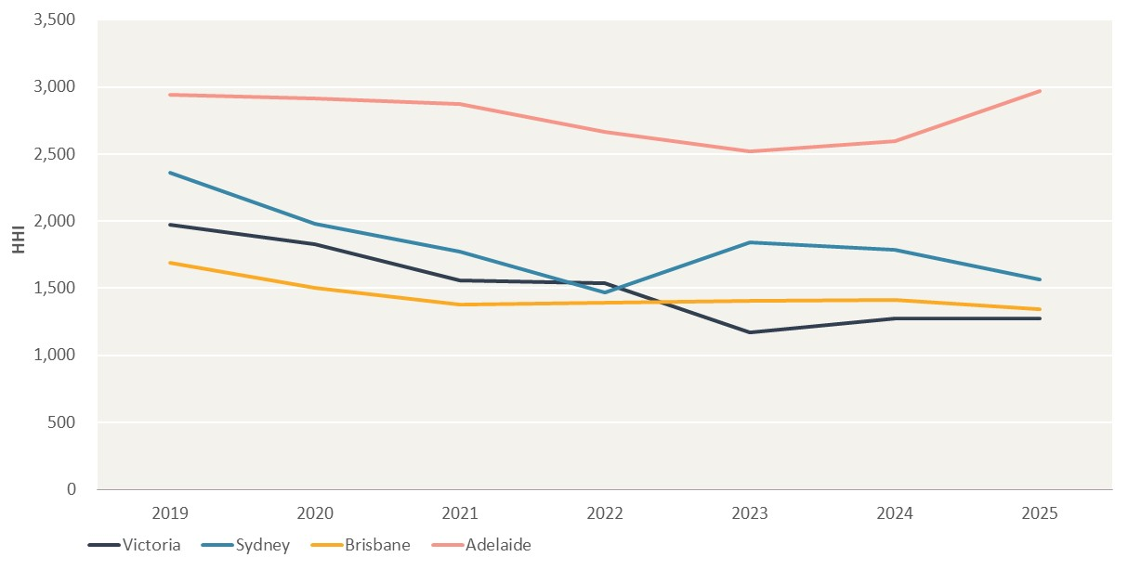
Year | Victoria | Sydney | Brisbane | Adelaide
2019 | 1970.93 | 2360.79 | 1687.68 | 2941.29
2020 | 1828.41 | 1982.59 | 1501.97 | 2917.48
2021 | 1559.95 | 1771.10 | 1378.66 | 2872.06
2022 | 1539.98 | 1467.38 | 1389.25 | 2663.93
2023 | 1170.60 | 1842.74 | 1402.31 | 2522.01
2024 | 1274.55 | 1787.94 | 1415.95 | 2599.47
2025 | 1271.00 | 1566.00 | 1343.00 | 2971.00

Figure 3.3
To contents page
Figure 3.3 – Proportion of time offers from the largest one or two participants was needed to meet demand

Source: AER analysis using gas market (DWGM and STTM) bidding and schedule data.

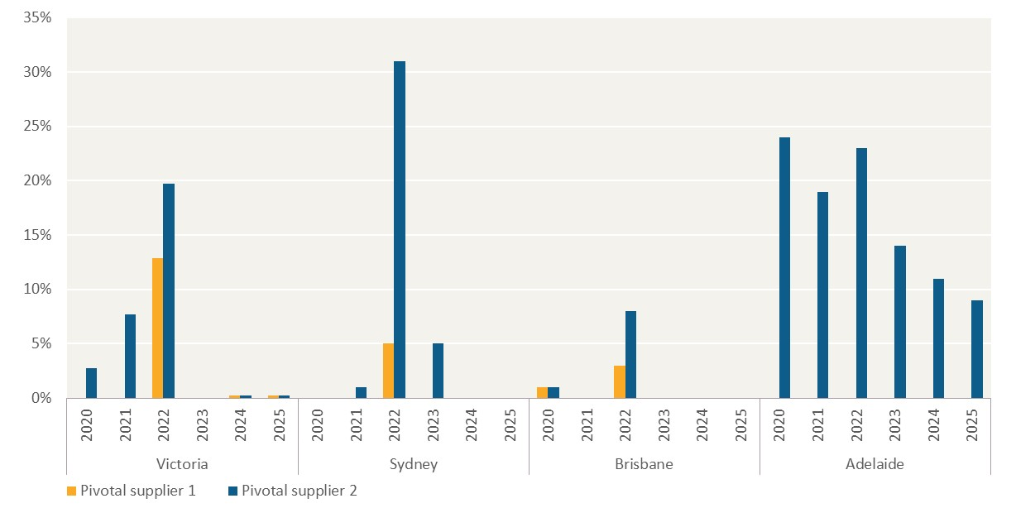
Unit: %
Region | Year | Pivotal supplier 1 | Pivotal supplier 2
Victoria | 2020 | 0% | 3%
 | 2021 | 0% | 8%
 | 2022 | 13% | 20%
 | 2023 | 0% | 0%
 | 2024 | 0% | 0%
 | 2025 | 0% | 0%
Sydney | 2020 | 0% | 0%
 | 2021 | 0% | 1%
 | 2022 | 5% | 31%
 | 2023 | 0% | 5%
 | 2024 | 0% | 0%
 | 2025 | 0% | 0%
Brisbane | 2020 | 1% | 1%
 | 2021 | 0% | 0%
 | 2022 | 3% | 8%
 | 2023 | 0% | 0%
 | 2024 | 0% | 0%
 | 2025 | 0% | 0%
Adelaide | 2020 | 0% | 24%
 | 2021 | 0% | 19%
 | 2022 | 0% | 23%
 | 2023 | 0% | 14%
 | 2024 | 0% | 11%
 | 2025 | 0% | 9%

Figure 3.4
To contents page
Figure 3.4 – Total trade (offset and net trade) in downstream spot markets

Source: AER analysis using gas market (DWGM and STTM) bidding and schedule data.

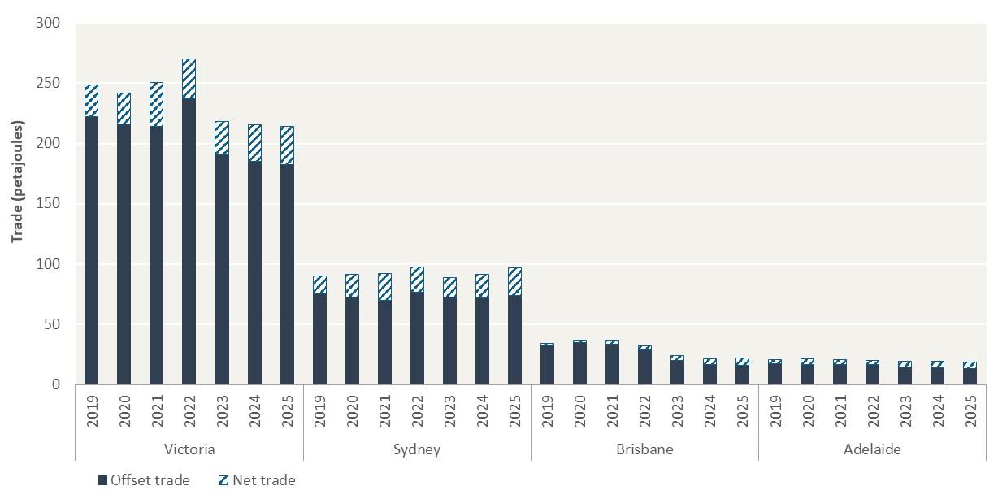
Unit: Petajoules (PJ)
Region | Year | Offset trade | Net trade
Victoria | 2019 | 222.26 | 26.36
 | 2020 | 216.04 | 26.02
 | 2021 | 214.46 | 36.03
 | 2022 | 237.11 | 33.12
 | 2023 | 190.88 | 27.43
 | 2024 | 185.21 | 30.00
 | 2025 | 182.41 | 31.99
Sydney | 2019 | 75.00 | 14.94
 | 2020 | 72.34 | 19.04
 | 2021 | 69.83 | 22.59
 | 2022 | 76.52 | 21.24
 | 2023 | 72.35 | 16.16
 | 2024 | 72.00 | 19.71
 | 2025 | 74.23 | 22.48
Brisbane | 2019 | 32.64 | 1.43
 | 2020 | 34.79 | 2.24
 | 2021 | 33.49 | 3.55
 | 2022 | 28.93 | 3.06
 | 2023 | 20.29 | 3.95
 | 2024 | 16.85 | 4.71
 | 2025 | 15.89 | 5.89
Adelaide | 2019 | 17.10 | 3.60
 | 2020 | 16.78 | 4.27
 | 2021 | 16.56 | 4.27
 | 2022 | 16.58 | 3.48
 | 2023 | 14.41 | 5.06
 | 2024 | 13.77 | 5.53
 | 2025 | 13.40 | 5.52

Figure 3.5
To contents page
Figure 3.5 – Annual HHI concentration of net sellers

Source: AER analysis using gas market (DWGM and STTM) schedule data.

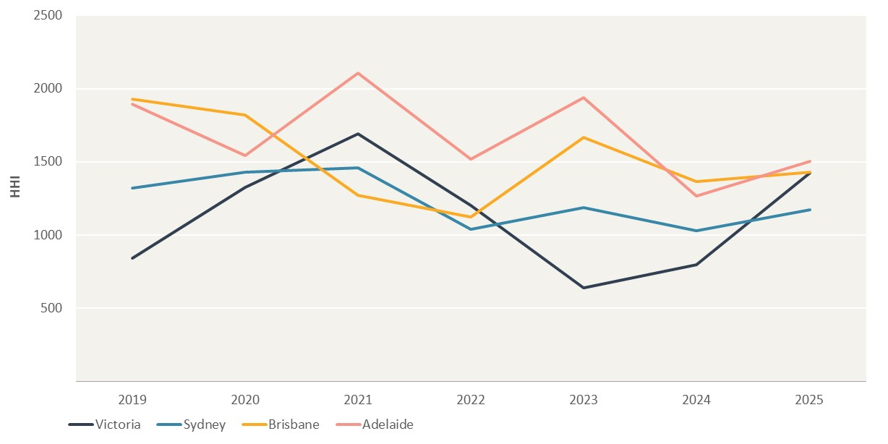
Year | Victoria | Sydney | Brisbane | Adelaide
2019 | 842.93 | 1321.08 | 1929.89 | 1893.40
2020 | 1327.46 | 1428.25 | 1822.03 | 1543.48
2021 | 1689.61 | 1456.48 | 1271.70 | 2107.99
2022 | 1201.05 | 1040.23 | 1122.74 | 1518.01
2023 | 637.04 | 1187.40 | 1668.10 | 1939.70
2024 | 797.41 | 1026.94 | 1365.83 | 1268.49
2025 | 1422.50 | 1173.45 | 1429.93 | 1503.70

Figure 3.6
To contents page
...
Unit: %
Year | Series1 | Series2 | Series3 | Series4 | Series5 | Series6 | Series7 | Series8 | Series9 | Series10 | Series11 | Series12 | Series13 | Series14 | Series15 | Series16 | Series17 | Series18 | Series19
2019 | 9% | 6% | 2% | 4% | 7% | 5% | 0% | 0% | 0% | 0% | 5% | 1% | 15% | 9% | 1% | 5% | 0% | 6% | 12%
2020 | 8% | 8% | 5% | 2% | 6% | 1% | 4% | 0% | 0% | 1% | 2% | 0% | 20% | 3% | 0% | 1% | 0% | 5% | 20%
2021 | 4% | 9% | 5% | 2% | 4% | 2% | 5% | 0% | 1% | 1% | 1% | 0% | 7% | 0% | 0% | 15% | 0% | 4% | 25%
2022 | 9% | 8% | 1% | 4% | 3% | 4% | 5% | 0% | 2% | 0% | 2% | 1% | 5% | 0% | 1% | 14% | 1% | 5% | 13%
2023 | 2% | 5% | 3% | 9% | 3% | 5% | 11% | 0% | 5% | 0% | 1% | 1% | 8% | 0% | 0% | 4% | 2% | 3% | 0%
2024 | 4% | 2% | 3% | 12% | 2% | 3% | 6% | 0% | 4% | 0% | 2% | 1% | 9% | 0% | 0% | 3% | 3% | 2% | 0%
2025 | 15% | 5% | 3% | 13% | 2% | 2% | 2% | 0% | 3% | 1% | 2% | 0% | 2% | 0% | 0% | 2% | 3% | 0% | 0%

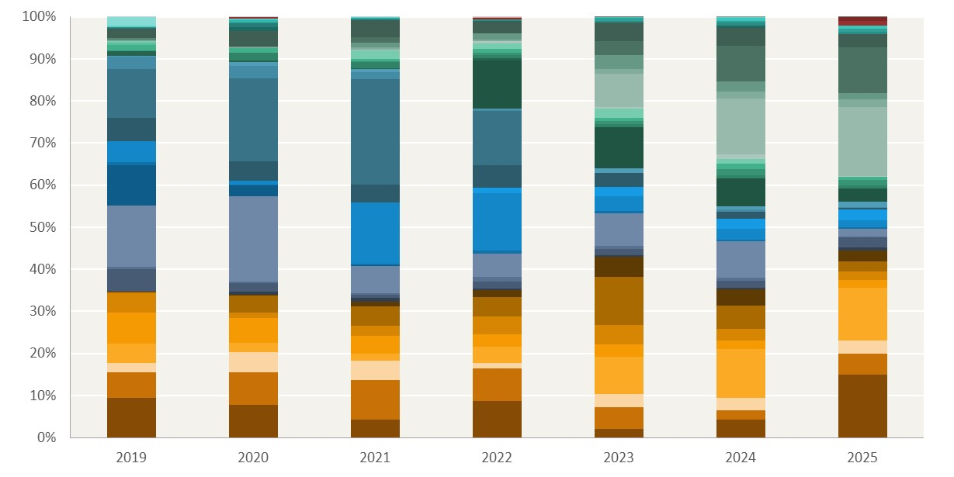

Figure 3.7
To contents page
...
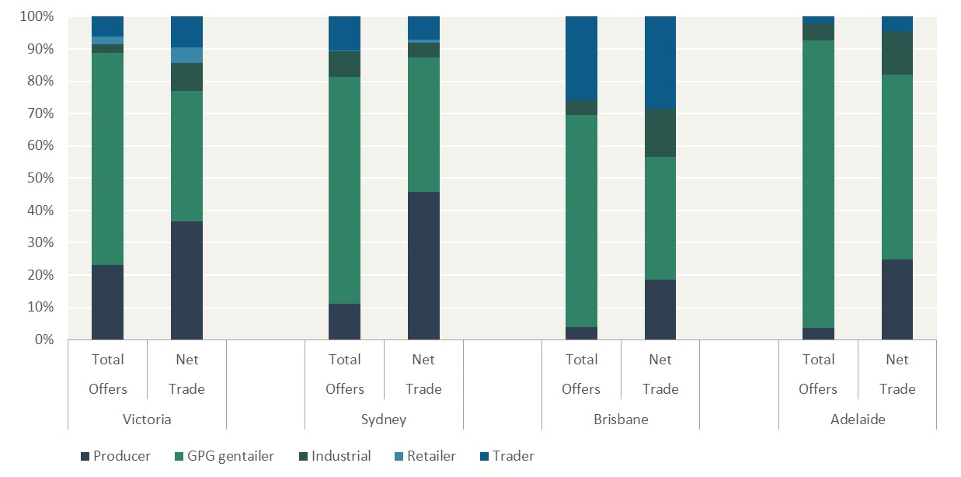
Producer | GPG gentailer | Industrial | Retailer | Trader
23% | 66% | 3% | 2% | 6%
37% | 40% | 9% | 5% | 10%
11% | 70% | 8% | 0% | 10%
46% | 42% | 4% | 1% | 7%
4% | 66% | 5% | 0% | 26%
19% | 38% | 15% | 0% | 29%
4% | 89% | 5% | 0% | 2%
25% | 57% | 13% | 0% | 5%

