Figure 4.1
To contents page
Figure 4.1 – Total offers, by price band and quarter

Note: Total offers are from 1 January 2019 to 31 December 2025. Graphs vary in the vertical axis scale for readability of the offer bands. For the Victorian DWGM, offers are for the 6 am schedule across all injection facilities.
Source: AER analysis using DWGM and STTM data.

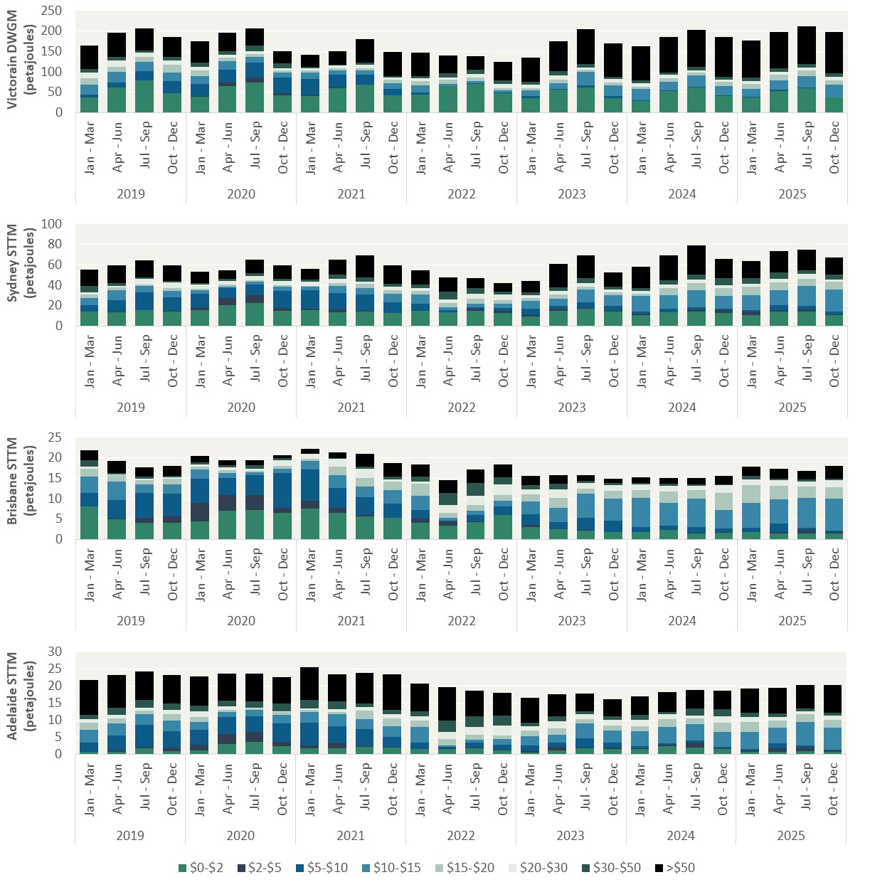
Unit: Petajoules (PJ)
Victorian DWGM
Year | Quarter | $0-$2 | $2-$5 | $5-$10 | $10-$15 | $15-$20 | $20-$30 | $30-$50 | >$50
2019 | Jan - Mar | 36.71 | 0.00 | 8.42 | 23.42 | 15.10 | 14.53 | 8.40 | 58.60
 | Apr - Jun | 61.71 | 0.06 | 11.47 | 26.44 | 13.12 | 14.94 | 8.96 | 59.68
 | Jul - Sep | 78.41 | 0.04 | 22.81 | 22.72 | 12.06 | 11.14 | 5.81 | 54.14
 | Oct - Dec | 46.99 | 0.29 | 29.39 | 21.63 | 19.48 | 9.41 | 9.88 | 48.86
2020 | Jan - Mar | 38.29 | 2.06 | 30.49 | 19.04 | 13.18 | 10.07 | 9.70 | 52.28
 | Apr - Jun | 64.72 | 8.68 | 31.78 | 20.49 | 9.63 | 7.25 | 7.70 | 46.38
 | Jul - Sep | 74.67 | 11.27 | 36.72 | 14.35 | 7.16 | 7.09 | 12.65 | 42.68
 | Oct - Dec | 43.48 | 4.23 | 37.91 | 12.44 | 5.00 | 6.61 | 11.61 | 29.76
2021 | Jan - Mar | 40.56 | 1.79 | 40.05 | 16.15 | 5.29 | 5.20 | 2.47 | 30.50
 | Apr - Jun | 60.87 | 1.17 | 30.34 | 11.84 | 4.66 | 6.13 | 3.02 | 31.76
 | Jul - Sep | 68.17 | 0.20 | 25.54 | 9.48 | 6.25 | 7.64 | 6.19 | 55.96
 | Oct - Dec | 42.03 | 0.07 | 15.38 | 15.06 | 7.78 | 6.62 | 3.55 | 58.88
2022 | Jan - Mar | 44.34 | 0.10 | 4.92 | 17.01 | 11.37 | 7.55 | 3.78 | 58.73
 | Apr - Jun | 65.79 | 0.02 | 0.25 | 4.30 | 10.37 | 5.73 | 10.82 | 43.35
 | Jul - Sep | 70.76 | 0.05 | 0.60 | 5.22 | 9.59 | 8.61 | 9.66 | 33.36
 | Oct - Dec | 47.14 | 0.24 | 1.55 | 5.64 | 5.31 | 11.27 | 8.76 | 45.43
2023 | Jan - Mar | 35.95 | 0.12 | 4.15 | 14.11 | 6.41 | 7.37 | 8.11 | 58.60
 | Apr - Jun | 56.88 | 0.06 | 1.76 | 14.38 | 8.65 | 9.85 | 9.88 | 73.06
 | Jul - Sep | 61.16 | 0.15 | 5.28 | 32.84 | 5.14 | 6.55 | 8.46 | 84.35
 | Oct - Dec | 36.18 | 0.20 | 5.34 | 25.56 | 6.82 | 8.06 | 5.67 | 82.84
2024 | Jan - Mar | 28.40 | 0.20 | 1.50 | 28.44 | 4.90 | 8.20 | 7.40 | 84.60
 | Apr - Jun | 52.27 | 0.47 | 1.67 | 20.49 | 8.76 | 8.64 | 6.22 | 86.83
 | Jul - Sep | 62.48 | 0.01 | 1.50 | 27.07 | 6.47 | 6.49 | 7.95 | 90.39
 | Oct - Dec | 41.52 | 0.00 | 0.63 | 23.58 | 9.72 | 5.98 | 7.27 | 97.17
2025 | Jan - Mar | 37.84 | 0.01 | 0.87 | 19.77 | 12.49 | 6.66 | 7.87 | 91.08
 | Apr - Jun | 53.25 | 0.24 | 3.38 | 21.72 | 14.68 | 7.51 | 7.45 | 89.43
 | Jul - Sep | 60.16 | 0.01 | 0.80 | 28.60 | 14.12 | 7.52 | 8.31 | 92.65
 | Oct - Dec | 36.85 | 0.00 | 1.08 | 30.26 | 11.87 | 7.94 | 8.77 | 100.41

Unit: Petajoules (PJ)
Sydney STTM
Year | Quarter | $0-$2 | $2-$5 | $5-$10 | $10-$15 | $15-$20 | $20-$30 | $30-$50 | >$50
2019 | Jan - Mar | 14.02 | 0.19 | 6.16 | 7.48 | 3.44 | 2.01 | 6.19 | 15.61
 | Apr - Jun | 13.91 | 0.29 | 11.40 | 9.33 | 3.20 | 1.31 | 2.91 | 17.00
 | Jul - Sep | 15.51 | 0.48 | 17.00 | 6.08 | 1.96 | 5.62 | 1.08 | 16.45
 | Oct - Dec | 14.00 | 0.66 | 13.44 | 6.43 | 2.47 | 5.63 | 1.76 | 15.10
2020 | Jan - Mar | 15.66 | 2.68 | 13.11 | 3.40 | 1.87 | 3.74 | 1.77 | 11.24
 | Apr - Jun | 20.75 | 6.56 | 9.61 | 1.73 | 2.05 | 3.39 | 2.34 | 8.07
 | Jul - Sep | 22.66 | 7.55 | 10.65 | 2.68 | 1.20 | 4.57 | 2.66 | 13.05
 | Oct - Dec | 15.03 | 2.51 | 17.24 | 4.11 | 0.88 | 4.59 | 2.16 | 13.38
2021 | Jan - Mar | 15.32 | 1.73 | 17.83 | 3.61 | 1.02 | 3.79 | 2.30 | 10.64
 | Apr - Jun | 13.89 | 2.20 | 16.53 | 6.46 | 3.26 | 4.16 | 3.70 | 14.86
 | Jul - Sep | 14.39 | 0.45 | 15.95 | 6.34 | 4.13 | 2.26 | 4.04 | 22.06
 | Oct - Dec | 12.78 | 0.25 | 10.58 | 7.98 | 3.85 | 3.03 | 3.16 | 17.64
2022 | Jan - Mar | 15.00 | 0.16 | 6.94 | 9.20 | 3.04 | 3.11 | 2.96 | 14.25
 | Apr - Jun | 13.44 | 0.03 | 1.89 | 2.81 | 4.17 | 3.74 | 7.94 | 13.36
 | Jul - Sep | 14.65 | 2.06 | 1.86 | 3.03 | 4.86 | 5.01 | 5.73 | 9.94
 | Oct - Dec | 12.82 | 2.18 | 3.04 | 4.18 | 2.87 | 5.69 | 2.65 | 8.94
2023 | Jan - Mar | 9.45 | 1.27 | 6.57 | 7.66 | 2.90 | 2.41 | 2.57 | 11.41
 | Apr - Jun | 14.65 | 2.09 | 2.81 | 7.22 | 4.29 | 3.74 | 3.03 | 22.90
 | Jul - Sep | 17.31 | 0.41 | 5.55 | 12.63 | 2.81 | 3.61 | 5.03 | 21.98
 | Oct - Dec | 14.47 | 0.81 | 4.52 | 10.75 | 2.57 | 2.81 | 2.63 | 14.12
2024 | Jan - Mar | 10.79 | 1.06 | 2.34 | 15.13 | 2.62 | 2.65 | 2.38 | 21.52
 | Apr - Jun | 13.38 | 0.52 | 3.02 | 13.29 | 6.95 | 3.44 | 4.08 | 24.38
 | Jul - Sep | 14.42 | 1.89 | 2.06 | 16.97 | 7.06 | 3.04 | 5.32 | 28.00
 | Oct - Dec | 12.68 | 2.68 | 1.63 | 12.73 | 7.37 | 3.03 | 6.56 | 18.96
2025 | Jan - Mar | 11.09 | 2.86 | 1.53 | 15.14 | 8.09 | 2.73 | 5.24 | 16.76
 | Apr - Jun | 14.21 | 1.71 | 4.53 | 14.60 | 7.83 | 3.40 | 6.09 | 21.21
 | Jul - Sep | 14.34 | 2.23 | 2.94 | 20.15 | 6.59 | 4.89 | 3.38 | 20.27
 | Oct - Dec | 10.71 | 0.62 | 2.86 | 21.77 | 7.25 | 2.27 | 5.01 | 16.79

Unit: Petajoules (PJ)
Brisbane STTM
Year | Quarter | $0-$2 | $2-$5 | $5-$10 | $10-$15 | $15-$20 | $20-$30 | $30-$50 | >$50
2019 | Jan - Mar | 8.09 | 0.00 | 3.24 | 4.03 | 2.03 | 0.50 | 1.47 | 2.47
 | Apr - Jun | 4.98 | 0.23 | 4.48 | 4.57 | 1.45 | 0.15 | 0.39 | 2.90
 | Jul - Sep | 4.13 | 1.21 | 6.11 | 2.11 | 1.04 | 0.31 | 0.53 | 2.29
 | Oct - Dec | 4.09 | 1.54 | 5.56 | 2.33 | 1.34 | 0.43 | 0.33 | 2.47
2020 | Jan - Mar | 4.47 | 4.42 | 6.03 | 2.31 | 0.65 | 0.53 | 0.40 | 1.72
 | Apr - Jun | 7.10 | 3.76 | 4.27 | 1.20 | 0.65 | 0.69 | 0.48 | 1.26
 | Jul - Sep | 7.31 | 3.55 | 4.84 | 0.81 | 0.39 | 0.48 | 0.88 | 1.25
 | Oct - Dec | 6.51 | 1.20 | 8.60 | 1.04 | 0.65 | 1.36 | 0.58 | 0.68
2021 | Jan - Mar | 7.58 | 1.93 | 7.58 | 2.24 | 0.47 | 1.20 | 0.00 | 1.20
 | Apr - Jun | 6.44 | 1.32 | 4.81 | 3.12 | 2.22 | 1.87 | 0.08 | 1.51
 | Jul - Sep | 5.74 | 0.20 | 4.40 | 2.67 | 2.13 | 2.21 | 0.46 | 3.14
 | Oct - Dec | 5.23 | 0.11 | 3.40 | 3.32 | 2.16 | 0.54 | 0.57 | 3.33
2022 | Jan - Mar | 4.09 | 1.11 | 2.02 | 3.50 | 2.87 | 0.53 | 1.26 | 2.99
 | Apr - Jun | 3.37 | 1.05 | 0.12 | 0.75 | 1.25 | 1.98 | 2.86 | 3.21
 | Jul - Sep | 4.34 | 0.07 | 1.61 | 1.10 | 1.27 | 2.26 | 3.22 | 3.25
 | Oct - Dec | 5.95 | 0.13 | 2.00 | 1.48 | 1.28 | 2.58 | 1.76 | 3.22
2023 | Jan - Mar | 3.08 | 0.54 | 2.57 | 3.07 | 1.74 | 1.22 | 1.13 | 2.31
 | Apr - Jun | 2.49 | 0.12 | 1.71 | 3.40 | 2.46 | 2.06 | 1.42 | 2.11
 | Jul - Sep | 2.15 | 0.12 | 3.13 | 5.81 | 1.28 | 1.42 | 0.51 | 1.32
 | Oct - Dec | 1.77 | 0.11 | 2.71 | 5.36 | 2.01 | 1.43 | 0.38 | 1.16
2024 | Jan - Mar | 1.75 | 0.02 | 1.20 | 7.16 | 1.96 | 1.33 | 0.46 | 1.31
 | Apr - Jun | 2.37 | 0.00 | 0.96 | 5.59 | 2.82 | 1.38 | 0.51 | 1.38
 | Jul - Sep | 1.47 | 0.16 | 1.49 | 6.90 | 2.13 | 1.02 | 0.31 | 1.59
 | Oct - Dec | 1.66 | 0.11 | 0.88 | 4.64 | 4.08 | 1.87 | 0.34 | 2.02
2025 | Jan - Mar | 1.78 | 0.03 | 1.00 | 6.14 | 4.34 | 1.38 | 0.86 | 2.31
 | Apr - Jun | 1.47 | 0.31 | 2.13 | 5.88 | 3.38 | 1.32 | 0.36 | 2.47
 | Jul - Sep | 1.51 | 0.75 | 0.56 | 7.34 | 2.82 | 1.17 | 0.51 | 2.20
 | Oct - Dec | 1.50 | 0.38 | 0.23 | 7.93 | 2.78 | 1.70 | 0.36 | 3.22

Unit: Petajoules (PJ)
Adelaide STTM
Year | Quarter | $0-$2 | $2-$5 | $5-$10 | $10-$15 | $15-$20 | $20-$30 | $30-$50 | >$50
2019 | Jan - Mar | 0.67 | 0.09 | 2.66 | 3.86 | 2.03 | 1.11 | 1.10 | 10.22
 | Apr - Jun | 0.73 | 0.43 | 4.29 | 3.70 | 1.40 | 1.02 | 2.18 | 9.42
 | Jul - Sep | 1.73 | 0.44 | 6.47 | 3.09 | 1.03 | 0.94 | 2.35 | 8.28
 | Oct - Dec | 0.84 | 1.03 | 4.91 | 3.17 | 1.80 | 1.25 | 1.94 | 8.41
2020 | Jan - Mar | 1.18 | 1.64 | 4.35 | 2.38 | 1.45 | 1.64 | 1.74 | 8.52
 | Apr - Jun | 2.94 | 2.91 | 5.02 | 1.55 | 0.68 | 0.88 | 1.82 | 7.89
 | Jul - Sep | 3.53 | 3.03 | 4.52 | 1.97 | 0.41 | 0.17 | 1.96 | 8.12
 | Oct - Dec | 2.33 | 1.33 | 5.48 | 2.43 | 0.76 | 0.22 | 2.41 | 7.69
2021 | Jan - Mar | 1.72 | 0.93 | 6.55 | 3.12 | 0.61 | 0.61 | 2.49 | 9.47
 | Apr - Jun | 1.78 | 1.52 | 4.98 | 3.46 | 0.67 | 0.92 | 2.15 | 7.91
 | Jul - Sep | 2.22 | 0.13 | 4.98 | 2.98 | 2.44 | 1.10 | 1.09 | 8.89
 | Oct - Dec | 1.88 | 0.20 | 2.93 | 3.28 | 2.25 | 1.29 | 1.19 | 10.44
2022 | Jan - Mar | 1.47 | 0.11 | 1.91 | 4.44 | 1.92 | 1.31 | 1.44 | 8.11
 | Apr - Jun | 1.62 | 0.02 | 0.57 | 0.45 | 1.83 | 2.03 | 3.26 | 9.95
 | Jul - Sep | 1.73 | 0.26 | 1.33 | 1.02 | 1.42 | 2.27 | 3.13 | 7.47
 | Oct - Dec | 1.08 | 0.31 | 1.35 | 1.76 | 1.06 | 2.82 | 2.90 | 6.85
2023 | Jan - Mar | 0.52 | 0.32 | 1.70 | 2.72 | 1.67 | 1.18 | 1.17 | 7.22
 | Apr - Jun | 1.21 | 0.97 | 1.16 | 2.46 | 1.81 | 2.04 | 1.41 | 6.57
 | Jul - Sep | 1.73 | 0.23 | 2.64 | 4.38 | 1.29 | 1.41 | 0.91 | 5.33
 | Oct - Dec | 1.53 | 0.32 | 1.51 | 3.61 | 1.56 | 1.59 | 1.09 | 4.93
2024 | Jan - Mar | 1.47 | 0.37 | 0.44 | 4.50 | 1.42 | 1.99 | 1.40 | 5.38
 | Apr - Jun | 2.34 | 0.41 | 0.39 | 4.79 | 2.38 | 1.55 | 0.48 | 5.83
 | Jul - Sep | 1.96 | 1.38 | 0.62 | 4.93 | 1.59 | 0.89 | 2.11 | 5.40
 | Oct - Dec | 1.46 | 0.22 | 0.46 | 4.45 | 2.73 | 1.81 | 2.17 | 5.49
2025 | Jan - Mar | 0.61 | 0.59 | 0.23 | 5.11 | 2.94 | 1.55 | 1.23 | 7.12
 | Apr - Jun | 0.62 | 1.07 | 1.57 | 4.47 | 2.09 | 1.18 | 1.05 | 7.44
 | Jul - Sep | 0.89 | 0.98 | 0.78 | 6.78 | 2.38 | 0.81 | 0.85 | 6.95
 | Oct - Dec | 0.77 | 0.29 | 0.18 | 6.62 | 2.15 | 1.35 | 0.74 | 8.25

Figure 4.2
To contents page
Figure 4.2 – Victorian DWGM – offers at the Longford and Iona injection facilities

Note: Total offers are from 1 January 2019 to 31 December 2025. Offers are for the 6 am schedule across the Longford and Iona injection facilities.
Source: AER analysis using DWGM and STTM data.

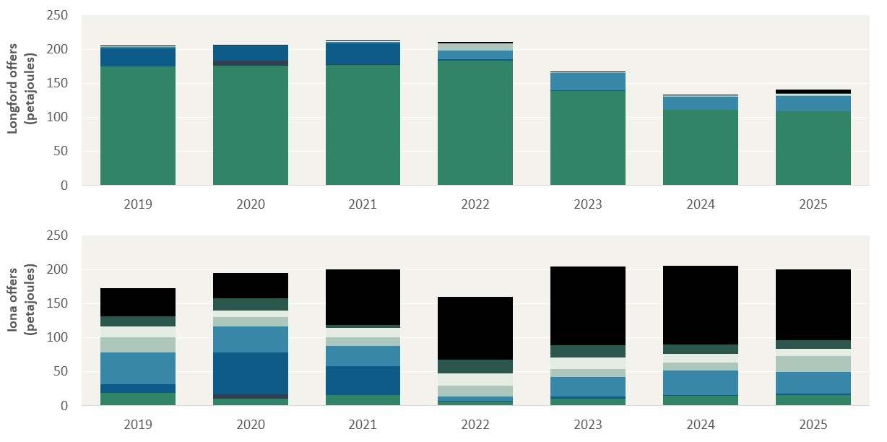
Unit: Petajoules (PJ)
Longford offers
Year | $0-$2 | $2 - $5 | $5 - $10 | $10 - $15 | $15 - $20 | $20 - $30 | $30 - $50 | >$50
2019 | 175.07 | 0.00 | 26.42 | 2.17 | 0.47 | 0.20 | 0.20 | 0.85
2020 | 175.35 | 7.91 | 21.42 | 0.51 | 0.02 | 0.05 | 0.07 | 1.36
2021 | 177.11 | 0.85 | 30.48 | 2.49 | 0.02 | 0.42 | 0.05 | 0.94
2022 | 183.52 | 0.00 | 1.94 | 12.18 | 11.00 | 0.03 | 0.02 | 2.55
2023 | 139.05 | 0.00 | 0.88 | 25.52 | 0.68 | 0.00 | 0.00 | 0.80
2024 | 111.64 | 0.00 | 0.00 | 18.89 | 1.39 | 0.00 | 0.02 | 0.84
2025 | 109.36 | 0.02 | 0.04 | 21.69 | 2.76 | 0.77 | 0.55 | 6.12
Iona offers
Year | $0-$2 | $2 - $5 | $5 - $10 | $10 - $15 | $15 - $20 | $20 - $30 | $30 - $50 | >$50
2019 | 19.00 | 0.08 | 12.34 | 46.96 | 22.73 | 15.14 | 14.60 | 41.44
2020 | 10.55 | 5.97 | 61.83 | 37.99 | 14.06 | 9.60 | 18.21 | 36.76
2021 | 15.98 | 0.26 | 42.11 | 29.19 | 12.67 | 13.98 | 4.51 | 81.44
2022 | 6.57 | 0.00 | 0.48 | 6.82 | 15.58 | 18.35 | 19.57 | 92.13
2023 | 10.82 | 0.09 | 3.11 | 27.94 | 12.23 | 16.81 | 17.77 | 115.44
2024 | 14.28 | 0.00 | 1.50 | 36.54 | 11.12 | 12.32 | 13.83 | 115.44
2025 | 15.89 | 0.19 | 1.33 | 32.56 | 22.81 | 11.13 | 12.44 | 103.58

Figure 4.3
To contents page
Figure 4.3 – GPG gentailer total offers, by price band and quarter

Note: GPG gentailer offers are from 1 January 2019 to 31 December 2025. Graphs vary in the vertical axis scale for readability of the offer bands. For the Victorian DWGM, offers are for the 6 am schedule across all injection facilities.
Source: AER analysis using DWGM and STTM data.

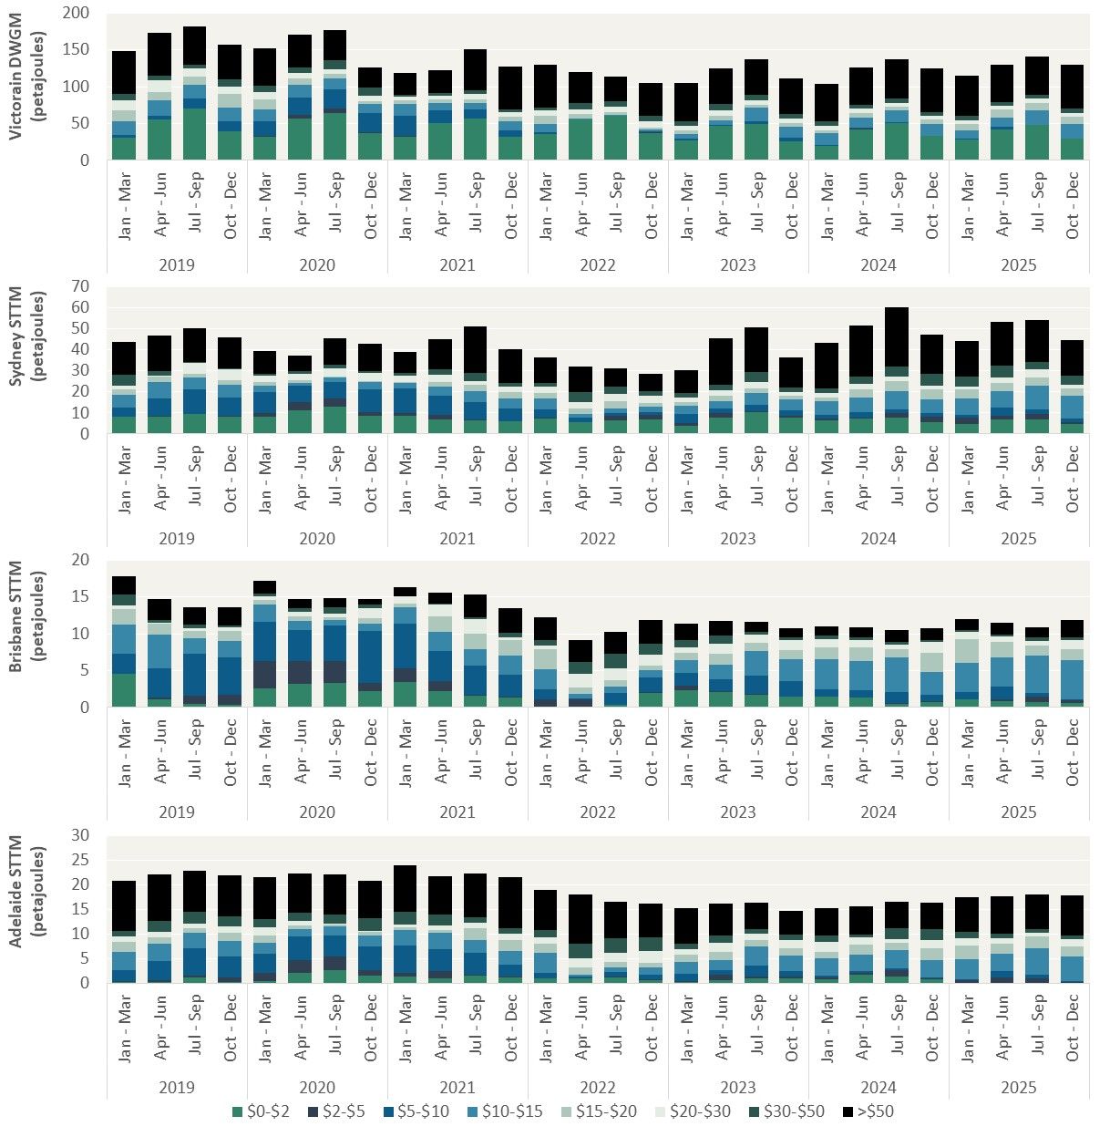
Unit: Petajoules (PJ)
Victorian DWGM
Year | Quarter | $0-$2 | $2-$5 | $5-$10 | $10-$15 | $15-$20 | $20-$30 | $30-$50 | >$50
2019 | Jan - Mar | 30.48 | 0.00 | 4.64 | 17.97 | 14.47 | 14.53 | 8.40 | 57.60
 | Apr - Jun | 55.31 | 0.04 | 4.96 | 21.51 | 11.56 | 14.90 | 7.16 | 57.86
 | Jul - Sep | 70.52 | 0.04 | 13.43 | 19.08 | 11.11 | 11.09 | 4.18 | 52.18
 | Oct - Dec | 39.52 | 0.21 | 13.84 | 18.55 | 18.62 | 9.34 | 9.82 | 46.91
2020 | Jan - Mar | 32.46 | 0.83 | 20.21 | 16.23 | 12.62 | 9.98 | 9.70 | 50.26
 | Apr - Jun | 56.61 | 5.63 | 23.00 | 17.69 | 8.98 | 7.15 | 7.64 | 44.09
 | Jul - Sep | 64.69 | 5.71 | 26.23 | 14.14 | 6.43 | 6.92 | 12.50 | 40.05
 | Oct - Dec | 37.42 | 1.26 | 25.68 | 12.29 | 4.24 | 6.52 | 11.37 | 27.47
2021 | Jan - Mar | 32.36 | 0.76 | 27.96 | 15.94 | 4.80 | 5.13 | 2.43 | 29.61
 | Apr - Jun | 50.14 | 1.05 | 17.18 | 10.13 | 3.96 | 5.79 | 2.99 | 31.34
 | Jul - Sep | 56.61 | 0.16 | 13.00 | 8.19 | 5.33 | 6.73 | 5.75 | 54.59
 | Oct - Dec | 32.34 | 0.03 | 8.84 | 11.59 | 7.04 | 6.09 | 3.23 | 57.84
2022 | Jan - Mar | 35.51 | 0.06 | 2.53 | 11.81 | 11.03 | 7.15 | 3.44 | 58.01
 | Apr - Jun | 55.87 | 0.00 | 0.19 | 1.18 | 6.12 | 5.32 | 8.95 | 42.44
 | Jul - Sep | 60.24 | 0.05 | 0.45 | 1.58 | 3.05 | 6.99 | 8.47 | 32.55
 | Oct - Dec | 37.52 | 0.24 | 1.46 | 2.62 | 2.73 | 8.47 | 7.72 | 44.44
2023 | Jan - Mar | 27.50 | 0.12 | 1.97 | 5.82 | 5.09 | 6.12 | 6.73 | 51.51
 | Apr - Jun | 46.97 | 0.06 | 1.54 | 6.22 | 6.04 | 7.69 | 7.89 | 48.59
 | Jul - Sep | 49.87 | 0.14 | 3.64 | 17.79 | 4.50 | 5.46 | 7.24 | 48.37
 | Oct - Dec | 26.31 | 0.19 | 4.14 | 14.97 | 5.02 | 6.60 | 5.35 | 48.49
2024 | Jan - Mar | 19.97 | 0.20 | 1.40 | 14.89 | 4.11 | 6.85 | 6.06 | 50.63
 | Apr - Jun | 42.54 | 0.47 | 1.56 | 13.39 | 6.36 | 6.17 | 4.59 | 51.60
 | Jul - Sep | 50.20 | 0.01 | 1.47 | 16.82 | 4.60 | 5.11 | 6.31 | 52.59
 | Oct - Dec | 32.76 | 0.00 | 0.63 | 15.55 | 6.41 | 4.81 | 5.61 | 59.14
2025 | Jan - Mar | 28.96 | 0.01 | 0.84 | 10.70 | 8.81 | 5.08 | 5.96 | 54.42
 | Apr - Jun | 41.98 | 0.23 | 3.08 | 12.47 | 10.91 | 5.46 | 5.16 | 50.33
 | Jul - Sep | 47.91 | 0.01 | 0.77 | 18.92 | 10.87 | 5.48 | 5.55 | 50.95
 | Oct - Dec | 29.24 | 0.00 | 0.38 | 20.22 | 9.05 | 5.78 | 6.11 | 59.15

Unit: Petajoules (PJ)
Sydney STTM
Year | Quarter | $0-$2 | $2-$5 | $5-$10 | $10-$15 | $15-$20 | $20-$30 | $30-$50 | >$50
2019 | Jan - Mar | 8.04 | 0.01 | 4.62 | 5.91 | 2.81 | 1.47 | 5.43 | 15.61
 | Apr - Jun | 8.38 | 0.11 | 8.57 | 7.49 | 2.52 | 0.78 | 2.13 | 17.00
 | Jul - Sep | 9.38 | 0.30 | 11.73 | 5.44 | 1.67 | 5.37 | 0.16 | 16.14
 | Oct - Dec | 8.23 | 0.46 | 8.57 | 6.07 | 2.05 | 5.24 | 0.60 | 14.64
2020 | Jan - Mar | 8.33 | 1.74 | 9.67 | 3.34 | 1.51 | 3.33 | 0.58 | 10.79
 | Apr - Jun | 11.18 | 4.02 | 7.64 | 1.35 | 1.53 | 2.88 | 1.11 | 7.61
 | Jul - Sep | 12.87 | 3.86 | 7.93 | 2.08 | 0.51 | 4.03 | 1.43 | 12.59
 | Oct - Dec | 8.62 | 1.62 | 11.01 | 3.51 | 0.25 | 4.04 | 0.92 | 12.92
2021 | Jan - Mar | 8.49 | 1.53 | 11.57 | 2.74 | 0.23 | 3.25 | 1.09 | 10.19
 | Apr - Jun | 6.82 | 2.15 | 9.09 | 4.36 | 2.12 | 3.54 | 2.47 | 14.40
 | Jul - Sep | 6.55 | 0.44 | 8.24 | 5.13 | 2.97 | 1.92 | 3.85 | 21.94
 | Oct - Dec | 5.87 | 0.24 | 5.91 | 4.97 | 2.76 | 2.59 | 1.87 | 16.10
2022 | Jan - Mar | 7.42 | 0.16 | 4.11 | 5.38 | 2.55 | 2.93 | 1.75 | 11.96
 | Apr - Jun | 5.71 | 0.03 | 1.86 | 1.71 | 2.65 | 3.10 | 4.96 | 11.90
 | Jul - Sep | 6.36 | 2.06 | 1.45 | 2.16 | 3.56 | 3.53 | 3.26 | 8.91
 | Oct - Dec | 6.88 | 2.18 | 1.45 | 2.44 | 1.75 | 3.49 | 2.17 | 8.41
2023 | Jan - Mar | 4.02 | 1.26 | 4.35 | 3.98 | 1.69 | 1.82 | 2.30 | 10.69
 | Apr - Jun | 7.94 | 2.08 | 2.25 | 3.35 | 2.66 | 2.42 | 2.62 | 22.17
 | Jul - Sep | 10.41 | 0.39 | 3.03 | 5.75 | 2.22 | 2.87 | 4.85 | 21.29
 | Oct - Dec | 7.81 | 0.78 | 2.55 | 5.17 | 1.74 | 1.88 | 2.17 | 14.08
2024 | Jan - Mar | 6.32 | 1.06 | 1.54 | 6.68 | 1.69 | 2.03 | 2.36 | 21.52
 | Apr - Jun | 7.19 | 0.52 | 2.70 | 7.00 | 4.01 | 2.35 | 3.49 | 24.38
 | Jul - Sep | 7.98 | 1.89 | 1.74 | 8.54 | 4.95 | 2.24 | 4.86 | 27.95
 | Oct - Dec | 5.64 | 2.68 | 1.60 | 6.49 | 4.60 | 1.75 | 5.63 | 18.68
2025 | Jan - Mar | 4.84 | 2.86 | 1.49 | 7.88 | 4.12 | 1.42 | 4.79 | 16.72
 | Apr - Jun | 7.10 | 1.71 | 3.89 | 7.66 | 4.02 | 2.58 | 5.40 | 21.11
 | Jul - Sep | 7.11 | 2.22 | 2.19 | 11.41 | 3.73 | 3.96 | 3.36 | 20.00
 | Oct - Dec | 4.86 | 0.62 | 1.65 | 11.16 | 3.40 | 1.74 | 4.43 | 16.75

Unit: Petajoules (PJ)
Brisbane STTM
Year | Quarter | $0-$2 | $2-$5 | $5-$10 | $10-$15 | $15-$20 | $20-$30 | $30-$50 | >$50
2019 | Jan - Mar | 4.52 | 0.00 | 2.81 | 3.96 | 2.03 | 0.50 | 1.47 | 2.47
 | Apr - Jun | 1.08 | 0.23 | 4.05 | 4.53 | 1.45 | 0.15 | 0.39 | 2.90
 | Jul - Sep | 0.44 | 1.19 | 5.66 | 2.10 | 1.04 | 0.31 | 0.53 | 2.29
 | Oct - Dec | 0.34 | 1.35 | 5.08 | 2.33 | 1.34 | 0.43 | 0.33 | 2.47
2020 | Jan - Mar | 2.57 | 3.76 | 5.30 | 2.31 | 0.65 | 0.53 | 0.40 | 1.72
 | Apr - Jun | 3.16 | 3.19 | 4.15 | 1.20 | 0.65 | 0.69 | 0.48 | 1.26
 | Jul - Sep | 3.34 | 2.99 | 4.76 | 0.81 | 0.39 | 0.48 | 0.88 | 1.25
 | Oct - Dec | 2.24 | 1.13 | 7.02 | 1.04 | 0.65 | 1.36 | 0.58 | 0.68
2021 | Jan - Mar | 3.48 | 1.82 | 6.06 | 2.24 | 0.47 | 1.08 | 0.00 | 1.20
 | Apr - Jun | 2.22 | 1.32 | 4.09 | 2.58 | 2.14 | 1.64 | 0.08 | 1.51
 | Jul - Sep | 1.58 | 0.20 | 3.86 | 2.27 | 2.07 | 2.01 | 0.30 | 3.11
 | Oct - Dec | 1.37 | 0.11 | 3.00 | 2.63 | 1.99 | 0.45 | 0.56 | 3.33
2022 | Jan - Mar | 0.00 | 1.11 | 1.35 | 2.69 | 2.81 | 0.45 | 0.77 | 2.99
 | Apr - Jun | 0.02 | 1.05 | 0.11 | 0.64 | 0.88 | 1.84 | 1.64 | 2.95
 | Jul - Sep | 0.34 | 0.06 | 1.59 | 0.90 | 0.84 | 1.62 | 1.99 | 2.86
 | Oct - Dec | 1.99 | 0.12 | 1.97 | 0.94 | 0.65 | 1.54 | 1.45 | 3.16
2023 | Jan - Mar | 2.39 | 0.54 | 1.70 | 1.76 | 1.01 | 0.79 | 0.91 | 2.31
 | Apr - Jun | 2.12 | 0.12 | 1.64 | 1.98 | 1.41 | 1.38 | 1.10 | 2.07
 | Jul - Sep | 1.74 | 0.10 | 2.43 | 3.43 | 1.04 | 1.11 | 0.41 | 1.32
 | Oct - Dec | 1.42 | 0.09 | 2.01 | 3.00 | 1.31 | 1.35 | 0.38 | 1.16
2024 | Jan - Mar | 1.48 | 0.02 | 1.01 | 4.04 | 1.59 | 1.14 | 0.46 | 1.31
...

Figure 4.4
To contents page
...
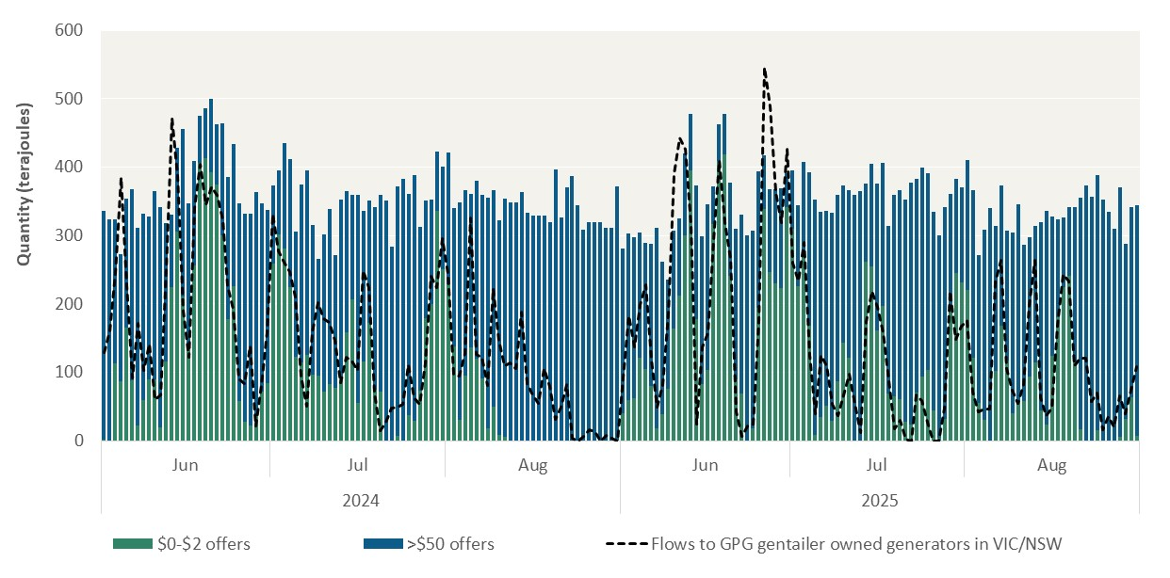
Month | Day | $0-$2 | >$50 | Flows to GPG gentailer owned generators in VIC/NSW
June | 1 | 2.00 | 334.00 | 128.60
June | 2 | 0.00 | 324.00 | 160.47
June | 3 | 114.00 | 209.35 | 246.66
June | 4 | 87.50 | 185.00 | 384.30
June | 5 | 165.00 | 188.85 | 227.03
June | 6 | 89.00 | 278.90 | 92.33
June | 7 | 22.00 | 290.00 | 171.83
June | 8 | 59.00 | 273.58 | 103.05
June | 9 | 89.45 | 238.55 | 141.12
June | 10 | 89.70 | 275.30 | 60.89
June | 11 | 20.00 | 322.00 | 66.76
June | 12 | 116.00 | 202.00 | 252.85
June | 13 | 224.66 | 106.00 | 472.09
June | 14 | 305.29 | 122.35 | 386.55
June | 15 | 211.61 | 244.35 | 190.15
June | 16 | 136.63 | 210.00 | 122.58
June | 17 | 256.65 | 152.00 | 341.14
June | 18 | 405.68 | 69.35 | 403.70
June | 19 | 413.74 | 72.35 | 344.86
June | 20 | 392.71 | 107.35 | 371.64
June | 21 | 374.87 | 87.50 | 358.32
June | 22 | 300.86 | 163.50 | 322.90
June | 23 | 177.73 | 208.00 | 226.40
June | 24 | 225.86 | 208.50 | 192.55
June | 25 | 57.85 | 289.00 | 90.18
June | 26 | 27.43 | 305.00 | 83.71
June | 27 | 21.88 | 310.00 | 138.11
June | 28 | 36.29 | 327.00 | 21.66
June | 29 | 72.23 | 275.00 | 82.37
June | 30 | 84.20 | 253.00 | 158.78
July | 1 | 258.78 | 115.05 | 331.15
...

Figure 4.5
To contents page
...
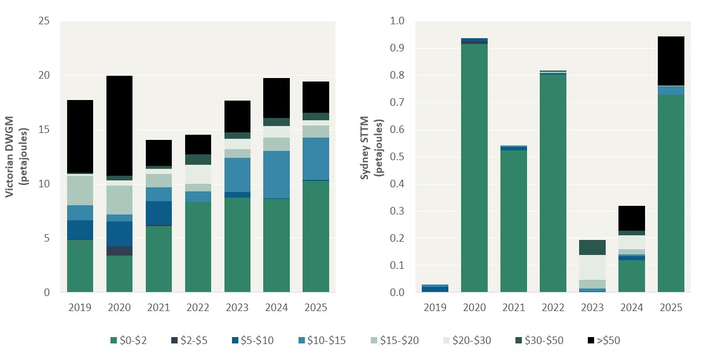
...
$10-$15 | $15-$20 | $20-$30 | $30-$50 | >$50
1.40 | 2.72 | 0.16 | 0.07 | 6.72
0.60 | 2.70 | 0.46 | 0.44 | 9.23
1.28 | 1.20 | 0.49 | 0.28 | 2.38
0.95 | 0.69 | 1.78 | 0.95 | 1.82
3.16 | 0.80 | 0.97 | 0.54 | 2.98
4.38 | 1.23 | 1.09 | 0.71 | 3.71
3.92 | 1.11 | 0.49 | 0.67 | 2.91
...
$10-$15 | $15-$20 | $20-$30 | $30-$50 | >$50
0.01 | 0.00 | 0.00 | 0.00 | 0.00
0.00 | 0.00 | 0.00 | 0.00 | 0.00
0.00 | 0.00 | 0.00 | 0.00 | 0.00
0.00 | 0.00 | 0.00 | 0.00 | 0.00
0.01 | 0.03 | 0.09 | 0.06 | 0.00
0.01 | 0.02 | 0.05 | 0.02 | 0.09
0.03 | 0.00 | 0.00 | 0.00 | 0.18

Figure 4.6
To contents page
...
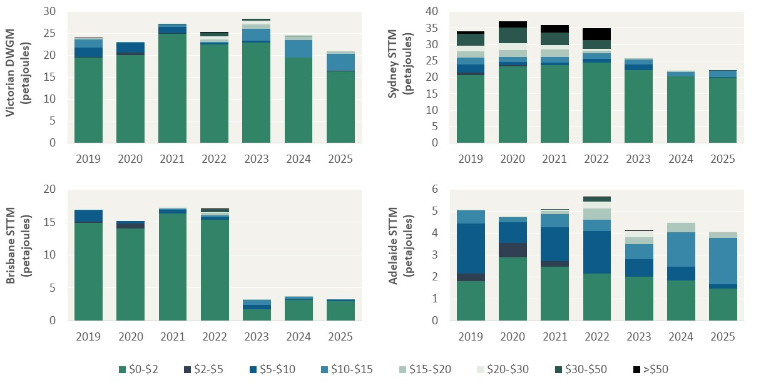
...
$10-$15 | $15-$20 | $20-$30 | $30-$50 | >$50
1.95 | 0.16 | 0.00 | 0.00 | 0.00
0.19 | 0.00 | 0.00 | 0.00 | 0.00
0.45 | 0.09 | 0.03 | 0.04 | 0.00
0.35 | 0.52 | 0.67 | 0.87 | 0.13
2.66 | 1.07 | 0.85 | 0.35 | 0.00
3.98 | 0.83 | 0.08 | 0.11 | 0.00
3.79 | 0.63 | 0.10 | 0.00 | 0.00
...
$10-$15 | $15-$20 | $20-$30 | $30-$50 | >$50
2.03 | 2.03 | 1.72 | 3.61 | 0.77
1.49 | 2.16 | 2.02 | 4.90 | 1.83
1.76 | 2.26 | 1.44 | 3.65 | 2.31
1.56 | 0.87 | 0.54 | 2.66 | 3.55
1.44 | 0.38 | 0.21 | 0.00 | 0.00
1.29 | 0.52 | 0.16 | 0.00 | 0.00
1.89 | 0.01 | 0.00 | 0.00 | 0.00
...
$10-$15 | $15-$20 | $20-$30 | $30-$50 | >$50
0.11 | 0.00 | 0.00 | 0.00 | 0.00
0.00 | 0.00 | 0.00 | 0.00 | 0.00
0.20 | 0.03 | 0.26 | 0.00 | 0.00
0.34 | 0.36 | 0.11 | 0.48 | 0.02
0.77 | 0.03 | 0.00 | 0.00 | 0.00
0.33 | 0.00 | 0.00 | 0.00 | 0.00
0.01 | 0.00 | 0.00 | 0.00 | 0.00
...
$10-$15 | $15-$20 | $20-$30 | $30-$50 | >$50
...

Figure 4.7
To contents page
...
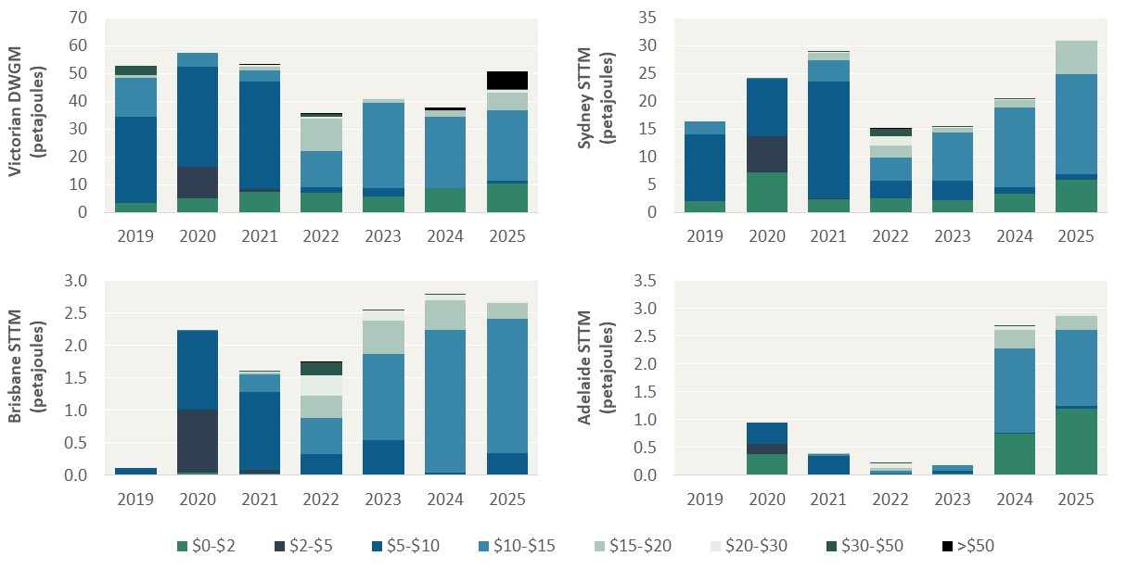
...
$10-$15 | $15-$20 | $20-$30 | $30-$50 | >$50
13.73 | 1.13 | 0.00 | 3.42 | 0.00
5.20 | 0.00 | 0.00 | 0.00 | 0.00
4.04 | 1.18 | 0.62 | 0.10 | 0.01
12.96 | 11.62 | 0.76 | 0.77 | 0.04
30.80 | 1.19 | 0.20 | 0.00 | 86.79
25.70 | 2.22 | 0.09 | 0.02 | 128.01
25.39 | 6.15 | 0.98 | 0.63 | 136.04
...
$10-$15 | $15-$20 | $20-$30 | $30-$50 | >$50
2.36 | 0.00 | 0.00 | 0.00 | 0.00
0.06 | 0.00 | 0.00 | 0.00 | 0.00
3.87 | 1.32 | 0.17 | 0.00 | 0.00
4.20 | 2.08 | 1.67 | 1.29 | 0.13
8.65 | 0.81 | 0.19 | 0.01 | 0.00
14.46 | 1.34 | 0.17 | 0.02 | 0.00
18.01 | 6.09 | 0.03 | 0.00 | 0.00
...
$10-$15 | $15-$20 | $20-$30 | $30-$50 | >$50
0.00 | 0.00 | 0.00 | 0.00 | 0.00
0.01 | 0.00 | 0.00 | 0.00 | 0.00
0.27 | 0.03 | 0.02 | 0.00 | 0.00
0.56 | 0.34 | 0.32 | 0.19 | 0.01
1.32 | 0.52 | 0.15 | 0.00 | 0.00
2.21 | 0.46 | 0.08 | 0.01 | 0.00
2.07 | 0.24 | 0.03 | 0.00 | 0.00
...
$10-$15 | $15-$20 | $20-$30 | $30-$50 | >$50
...

Figure 4.8
To contents page
...
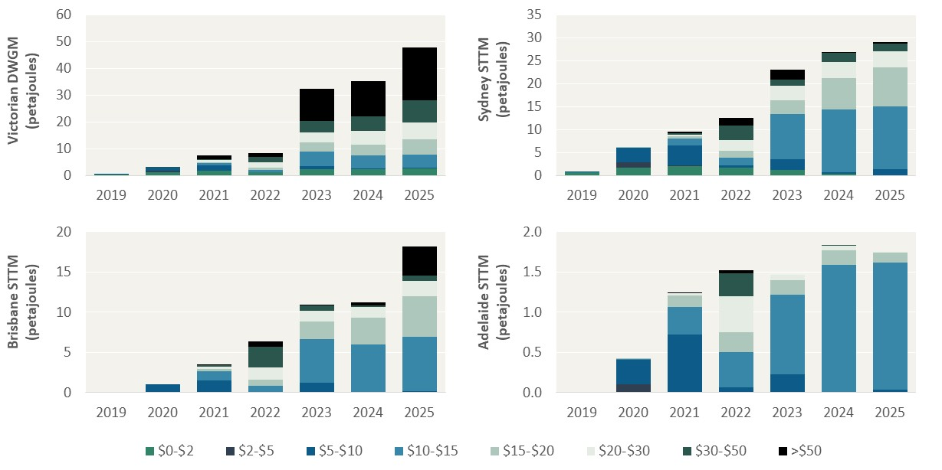
...
$10-$15 | $15-$20 | $20-$30 | $30-$50 | >$50
0.00 | 0.00 | 0.00 | 0.00 | 0.00
0.00 | 0.00 | 0.00 | 0.00 | 0.00
0.93 | 0.38 | 0.71 | 0.41 | 1.33
0.73 | 0.90 | 2.02 | 1.85 | 1.45
5.47 | 3.29 | 3.94 | 4.03 | 12.13
4.86 | 4.09 | 5.11 | 5.42 | 13.29
4.93 | 5.64 | 6.24 | 8.31 | 19.76
...
$10-$15 | $15-$20 | $20-$30 | $30-$50 | >$50
0.00 | 0.00 | 0.00 | 0.00 | 0.00
0.09 | 0.05 | 0.00 | 0.00 | 0.00
1.56 | 0.60 | 0.31 | 0.28 | 0.26
1.77 | 1.48 | 2.29 | 3.19 | 1.63
9.91 | 3.04 | 3.09 | 1.28 | 2.19
13.65 | 6.87 | 3.40 | 1.97 | 0.23
13.61 | 8.40 | 3.55 | 1.74 | 0.28
...
$10-$15 | $15-$20 | $20-$30 | $30-$50 | >$50
0.00 | 0.00 | 0.00 | 0.00 | 0.00
0.00 | 0.00 | 0.00 | 0.00 | 0.00
1.16 | 0.26 | 0.36 | 0.17 | 0.03
0.76 | 0.77 | 1.47 | 2.59 | 0.68
5.37 | 2.19 | 1.35 | 0.64 | 0.04
5.99 | 3.35 | 1.28 | 0.22 | 0.39
6.75 | 5.03 | 1.92 | 0.68 | 3.58
...
$10-$15 | $15-$20 | $20-$30 | $30-$50 | >$50
...

Figure 4.9
To contents page
...
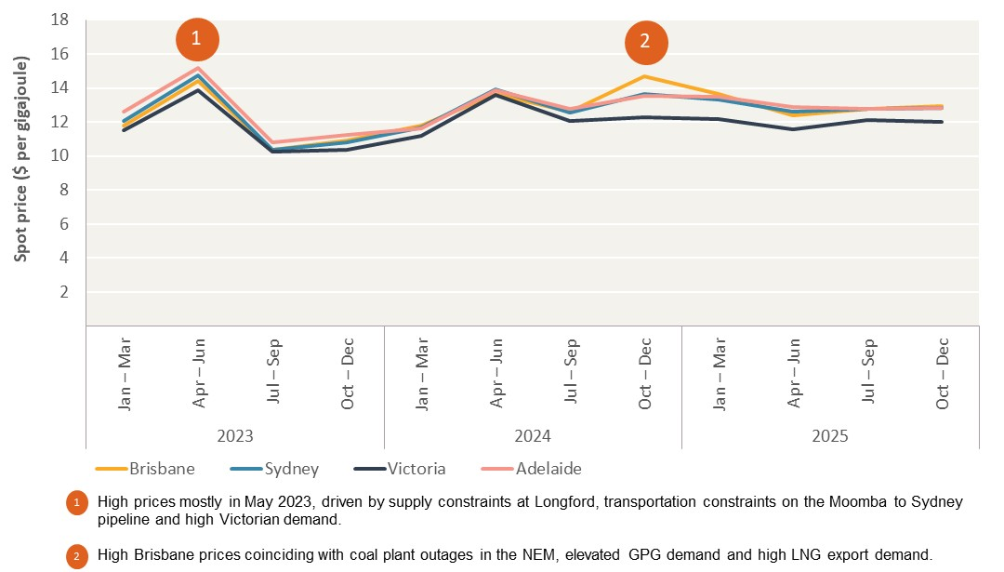
Quarter | Brisbane | Sydney | Victoria | Adelaide
Jan – Mar | 11.81 | 12.05 | 11.52 | 12.59
Apr – Jun | 14.39 | 14.76 | 13.86 | 15.18
Jul – Sep | 10.34 | 10.36 | 10.23 | 10.80
Oct – Dec | 10.91 | 10.81 | 10.38 | 11.23
Jan – Mar | 11.80 | 11.71 | 11.18 | 11.65
Apr – Jun | 13.66 | 13.94 | 13.57 | 13.86
Jul – Sep | 12.63 | 12.57 | 12.07 | 12.78
Oct – Dec | 14.71 | 13.66 | 12.26 | 13.55
Jan – Mar | 13.64 | 13.33 | 12.19 | 13.51
Apr – Jun | 12.40 | 12.59 | 11.59 | 12.90
Jul – Sep | 12.79 | 12.75 | 12.11 | 12.76
Oct – Dec | 12.95 | 12.82 | 12.02 | 12.82

Figure 4.10
To contents page
...
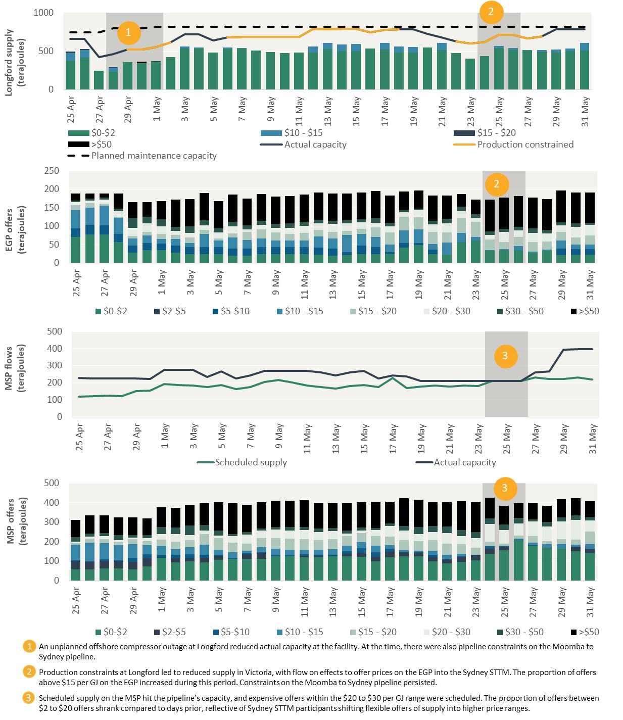
Actual capacity | Production constrained | Planned maintenance capacity | Footnote
660 |  | 745
660 |  | 745
421.933 | 421.933 | 745
460 |  | 795 | 1000
520 | 520 | 795 | 1000
 | 523.913 | 795 | 1000
 | 554.875 | 815 | 1000
 | 614.469 | 815
 |  | 815
 |  | 815
 |  | 815
 | 680.884 | 815
 | 685 | 815
 | 686.716 | 815
 | 687.031 | 815
 | 685 | 815
 | 686.944 | 815
 | 787.255 | 815
 | 785 | 815
 | 786.997 | 815
 | 786.391 | 815
 | 746.757 | 815
 | 775 | 815
 | 780.376 | 815
 |  | 815
 | 725 | 815
 |  | 815
 | 626.335 | 815
 | 596.861 | 815
 | 617.367 | 815 | 1000
 | 708.485 | 815 | 1000
 | 707.849 | 815 | 1000
 | 667.682 | 815
 | 691.511 | 815
 |  | 815
 |  | 815
 | 785 | 815
...
 | $20 - $30 | $30 - $50 | >$50 | Footnote
 | 7.00 | 4.50 | 19.90
 | 7.00 | 5.00 | 13.90
 | 10.00 | 6.00 | 10.90
 | 15.50 | 7.00 | 40.40
 | 22.00 | 28.00 | 41.90
 | 23.00 | 18.00 | 38.90
 | 20.64 | 20.00 | 48.90
 | 10.75 | 11.00 | 73.90
 | 11.75 | 18.00 | 73.90
 | 11.75 | 13.00 | 73.90
 | 15.50 | 12.00 | 73.90
 | 19.00 | 13.00 | 73.90
 | 6.75 | 11.00 | 71.90
 | 12.25 | 11.50 | 71.90
 | 12.00 | 11.00 | 73.90
 | 16.50 | 11.00 | 73.90
 | 18.50 | 11.00 | 73.90
 | 18.00 | 10.00 | 73.90
 | 21.99 | 8.00 | 73.90
 | 21.00 | 9.00 | 71.90
 | 18.00 | 9.00 | 71.90
 | 12.00 | 13.00 | 73.90
...

Figure 4.11
To contents page
...
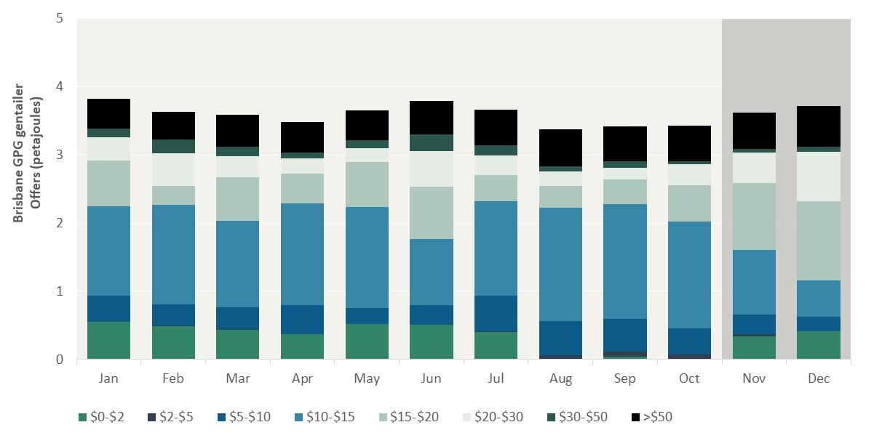
...
$10-$15 | $15-$20 | $20-$30 | $30-$50 | >$50 | Footnote
1.31 | 0.67 | 0.35 | 0.12 | 0.44
1.47 | 0.28 | 0.47 | 0.21 | 0.40
1.26 | 0.64 | 0.31 | 0.13 | 0.47
1.49 | 0.44 | 0.22 | 0.08 | 0.45
1.47 | 0.66 | 0.21 | 0.11 | 0.43
 | 0.77 | 0.52 | 0.25 | 0.49
 | 0.38 | 0.29 | 0.15 | 0.52
 | 0.32 | 0.22 | 0.07 | 0.55
 | 0.36 | 0.17 | 0.09 | 0.52
 | 0.53 | 0.31 | 0.04 | 0.52
 | 0.98 | 0.44 | 0.06 | 0.53 | 5
 | 1.15 | 0.72 | 0.08 | 0.59 | 5

Figure 4.12
To contents page
...
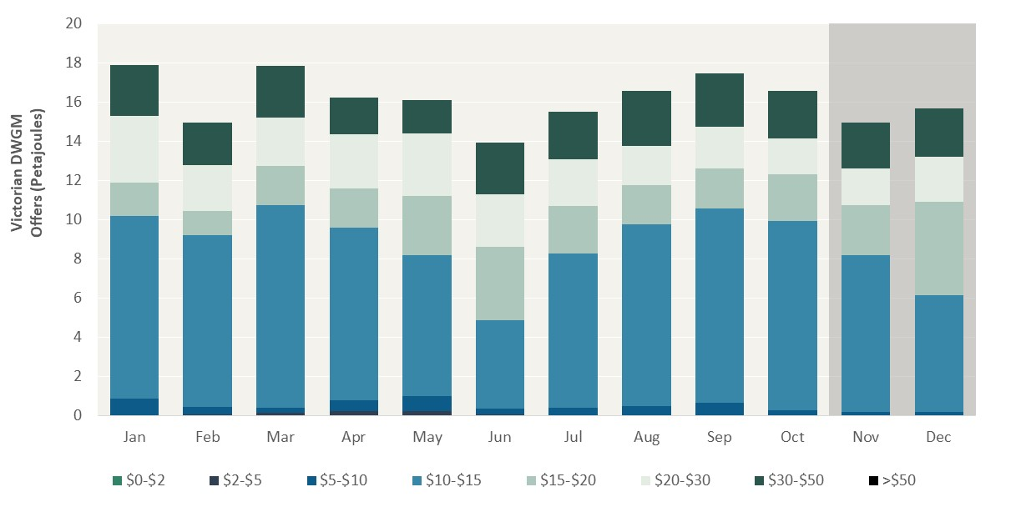
...
$15-$20 | $20-$30 | $30-$50 | >$50 | Footnote
1.69 | 3.40 | 2.60
1.24 | 2.32 | 2.17
1.98 | 2.48 | 2.63
1.99 | 2.77 | 1.87
3.02 | 3.19 | 1.72
3.74 | 2.68 | 2.63
2.45 | 2.36 | 2.44
1.98 | 2.03 | 2.78
2.04 | 2.10 | 2.72
2.41 | 1.81 | 2.43
2.55 | 1.87 | 2.36 |  | 20
4.75 | 2.30 | 2.48 |  | 20

