Figure 5.1
To contents page
Figure 5.1 – Average downstream gas market spot prices and long-term GSA prices

Note: The average downstream spot price is a simple average across Brisbane, Sydney and Adelaide STTMs and the Victorian DWGM. Brisbane, Sydney and Adelaide prices are ex-ante. The Victorian price is the average daily imbalance price. Producer and retailer contract prices are the volume-weighted average price taken from the ACCC gas inquiry. GSA prices for delivery between 2018 and 2020 are a simple average for producer and retailer VWA prices. All contracts are for quantities of at least 0.5 PJ per year and a contract term of at least 12 months. The GSAs in this analysis have an execution date that is within 2 years of commencement of the supply year for delivery between 2018 and 2020 and execution within 1 year of commencement of the supply year for delivery between 2021 to 2025.
Source: AER analysis of STTM and DWGM data and ACCC Gas Inquiry data.

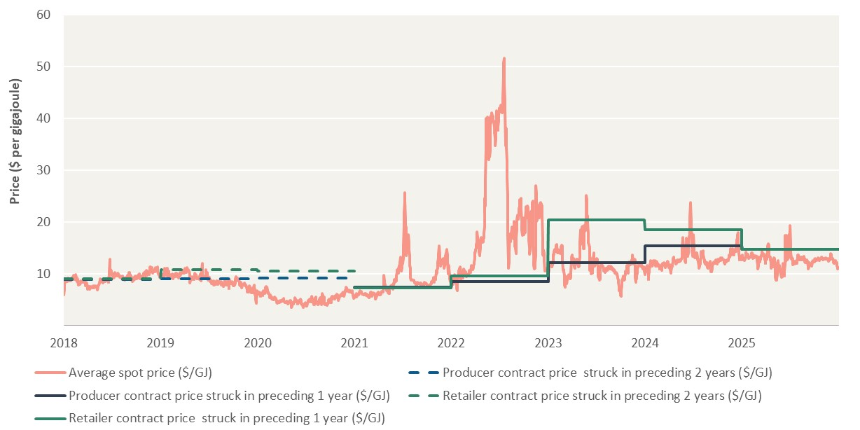
Date | Average spot price ($/GJ) | Producer contract price struck in preceding 2 years ($/GJ) | Producer contract price struck in preceding 1 year ($/GJ) | Retailer contract price struck in preceding 2 years ($/GJ) | Retailer contract price struck in preceding 1 year ($/GJ)
2018-01-01 | 6 | 9 |  | 9 |  | –
2018-01-02 | 7 | 9 |  | 9
2018-01-03 | 8 | 9 |  | 9
2018-01-04 | 9 | 9 |  | 9
2018-01-05 | 9 | 9 |  | 9
2018-01-06 | 8 | 9 |  | 9
2018-01-07 | 8 | 9 |  | 9
2018-01-08 | 9 | 9 |  | 9
2018-01-09 | 9 | 9 |  | 9
2018-01-10 | 9 | 9 |  | 9
2018-01-11 | 8 | 9 |  | 9
2018-01-12 | 9 | 9 |  | 9
2018-01-13 | 8 | 9 |  | 9 |  | –
2018-01-14 | 8 | 9 |  | 9
2018-01-15 | 9 | 9 |  | 9
2018-01-16 | 9 | 9 |  | 9
2018-01-17 | 9 | 9 |  | 9
2018-01-18 | 9 | 9 |  | 9
2018-01-19 | 9 | 9 |  | 9
2018-01-20 | 9 | 9 |  | 9
2018-01-21 | 9 | 9 |  | 9
2018-01-22 | 9 | 9 |  | 9
2018-01-23 | 9 | 9 |  | 9
2018-01-24 | 9 | 9 |  | 9
2018-01-25 | 9 | 9 |  | 9 |  | –
2018-01-26 | 9 | 9 |  | 9
2018-01-27 | 9 | 9 |  | 9
2018-01-28 | 9 | 9 |  | 9
2018-01-29 | 9 | 9 |  | 9
2018-01-30 | 9 | 9 |  | 9
2018-01-31 | 9 | 9 |  | 9
2018-02-01 | 9 | 9 |  | 9
2018-02-02 | 9 | 9 |  | 9
2018-02-03 | 9 | 9 |  | 9
2018-02-04 | 9 | 9 |  | 9
2018-02-05 | 9 | 9 |  | 9
2018-02-06 | 10 | 9 |  | 9 |  | –
2018-02-07 | 10 | 9 |  | 9
2018-02-08 | 10 | 9 |  | 9
2018-02-09 | 10 | 9 |  | 9
2018-02-10 | 9 | 9 |  | 9
2018-02-11 | 9 | 9 |  | 9
2018-02-12 | 10 | 9 |  | 9
2018-02-13 | 10 | 9 |  | 9
2018-02-14 | 9 | 9 |  | 9
2018-02-15 | 10 | 9 |  | 9
2018-02-16 | 9 | 9 |  | 9
2018-02-17 | 9 | 9 |  | 9
2018-02-18 | 9 | 9 |  | 9 |  | –
2018-02-19 | 9 | 9 |  | 9
2018-02-20 | 9 | 9 |  | 9
2018-02-21 | 9 | 9 |  | 9
2018-02-22 | 9 | 9 |  | 9
2018-02-23 | 9 | 9 |  | 9
2018-02-24 | 8 | 9 |  | 9
2018-02-25 | 8 | 9 |  | 9
2018-02-26 | 8 | 9 |  | 9
2018-02-27 | 8 | 9 |  | 9
2018-02-28 | 8 | 9 |  | 9
2018-03-01 | 8 | 9 |  | 9
2018-03-02 | 8 | 9 |  | 9 |  | –
2018-03-03 | 8 | 9 |  | 9
2018-03-04 | 8 | 9 |  | 9
2018-03-05 | 9 | 9 |  | 9
2018-03-06 | 9 | 9 |  | 9
2018-03-07 | 9 | 9 |  | 9
2018-03-08 | 9 | 9 |  | 9
2018-03-09 | 9 | 9 |  | 9
2018-03-10 | 9 | 9 |  | 9
2018-03-11 | 9 | 9 |  | 9
2018-03-12 | 9 | 9 |  | 9
2018-03-13 | 8 | 9 |  | 9
2018-03-14 | 8 | 9 |  | 9 |  | –
2018-03-15 | 9 | 9 |  | 9
2018-03-16 | 9 | 9 |  | 9
2018-03-17 | 9 | 9 |  | 9
2018-03-18 | 8 | 9 |  | 9
2018-03-19 | 8 | 9 |  | 9
2018-03-20 | 9 | 9 |  | 9
2018-03-21 | 8 | 9 |  | 9
2018-03-22 | 8 | 9 |  | 9
2018-03-23 | 8 | 9 |  | 9
2018-03-24 | 8 | 9 |  | 9
2018-03-25 | 8 | 9 |  | 9
2018-03-26 | 8 | 9 |  | 9 |  | –
2018-03-27 | 8 | 9 |  | 9
2018-03-28 | 8 | 9 |  | 9
2018-03-29 | 8 | 9 |  | 9
2018-03-30 | 8 | 9 |  | 9
2018-03-31 | 7 | 9 |  | 9
2018-04-01 | 7 | 9 |  | 9
2018-04-02 | 7 | 9 |  | 9
2018-04-03 | 7 | 9 |  | 9
2018-04-04 | 8 | 9 |  | 9
2018-04-05 | 7 | 9 |  | 9
2018-04-06 | 8 | 9 |  | 9
2018-04-07 | 8 | 9 |  | 9 |  | –
2018-04-08 | 7 | 9 |  | 9
2018-04-09 | 7 | 9 |  | 9
2018-04-10 | 7 | 9 |  | 9
2018-04-11 | 7 | 9 |  | 9
2018-04-12 | 8 | 9 |  | 9
2018-04-13 | 8 | 9 |  | 9
2018-04-14 | 7 | 9 |  | 9
2018-04-15 | 7 | 9 |  | 9
2018-04-16 | 7 | 9 |  | 9
2018-04-17 | 7 | 9 |  | 9
2018-04-18 | 7 | 9 |  | 9
2018-04-19 | 7 | 9 |  | 9
2018-04-20 | 8 | 9 |  | 9
2018-04-21 | 7 | 9 |  | 9
2018-04-22 | 7 | 9 |  | 9
2018-04-23 | 7 | 9 |  | 9
2018-04-24 | 7 | 9 |  | 9
2018-04-25 | 7 | 9 |  | 9
2018-04-26 | 8 | 9 |  | 9
2018-04-27 | 7 | 9 |  | 9
2018-04-28 | 8 | 9 |  | 9
2018-04-29 | 7 | 9 |  | 9
2018-04-30 | 8 | 9 |  | 9
2018-05-01 | 7 | 9 |  | 9
2018-05-02 | 7 | 9 |  | 9
2018-05-03 | 7 | 9 |  | 9
2018-05-04 | 7 | 9 |  | 9
2018-05-05 | 7 | 9 |  | 9
2018-05-06 | 7 | 9 |  | 9
2018-05-07 | 7 | 9 |  | 9
2018-05-08 | 7 | 9 |  | 9
2018-05-09 | 8 | 9 |  | 9
2018-05-10 | 8 | 9 |  | 9
2018-05-11 | 8 | 9 |  | 9
2018-05-12 | 8 | 9 |  | 9
2018-05-13 | 8 | 9 |  | 9
2018-05-14 | 8 | 9 |  | 9
2018-05-15 | 8 | 9 |  | 9
2018-05-16 | 9 | 9 |  | 9
2018-05-17 | 9 | 9 |  | 9
2018-05-18 | 9 | 9 |  | 9
2018-05-19 | 8 | 9 |  | 9
2018-05-20 | 8 | 9 |  | 9
2018-05-21 | 9 | 9 |  | 9
2018-05-22 | 8 | 9 |  | 9
2018-05-23 | 9 | 9 |  | 9
2018-05-24 | 8 | 9 |  | 9
2018-05-25 | 9 | 9 |  | 9
2018-05-26 | 8 | 9 |  | 9
2018-05-27 | 8 | 9 |  | 9
2018-05-28 | 8 | 9 |  | 9
2018-05-29 | 9 | 9 |  | 9
2018-05-30 | 9 | 9 |  | 9
2018-05-31 | 9 | 9 |  | 9
2018-06-01 | 9 | 9 |  | 9
2018-06-02 | 9 | 9 |  | 9
2018-06-03 | 9 | 9 |  | 9
2018-06-04 | 9 | 9 |  | 9
2018-06-05 | 9 | 9 |  | 9
2018-06-06 | 9 | 9 |  | 9
2018-06-07 | 9 | 9 |  | 9
2018-06-08 | 9 | 9 |  | 9
2018-06-09 | 9 | 9 |  | 9
2018-06-10 | 9 | 9 |  | 9
2018-06-11 | 9 | 9 |  | 9
2018-06-12 | 9 | 9 |  | 9
2018-06-13 | 9 | 9 |  | 9
2018-06-14 | 9 | 9 |  | 9
2018-06-15 | 9 | 9 |  | 9
2018-06-16 | 9 | 9 |  | 9
2018-06-17 | 9 | 9 |  | 9
2018-06-18 | 9 | 9 |  | 9
2018-06-19 | 9 | 9 |  | 9
2018-06-20 | 9 | 9 |  | 9
2018-06-21 | 11 | 9 |  | 9
2018-06-22 | 13 | 9 |  | 9
2018-06-23 | 11 | 9 |  | 9
2018-06-24 | 11 | 9 |  | 9
2018-06-25 | 10 | 9 |  | 9
2018-06-26 | 11 | 9 |  | 9
2018-06-27 | 11 | 9 |  | 9
2018-06-28 | 10 | 9 |  | 9
2018-06-29 | 10 | 9 |  | 9
2018-06-30 | 10 | 9 |  | 9
2018-07-01 | 10 | 9 |  | 9
2018-07-02 | 10 | 9 |  | 9
2018-07-03 | 10 | 9 |  | 9
2018-07-04 | 10 | 9 |  | 9
2018-07-05 | 9 | 9 |  | 9
2018-07-06 | 9 | 9 |  | 9
2018-07-07 | 9 | 9 |  | 9
2018-07-08 | 9 | 9 |  | 9
2018-07-09 | 9 | 9 |  | 9
2018-07-10 | 10 | 9 |  | 9
2018-07-11 | 10 | 9 |  | 9
2018-07-12 | 10 | 9 |  | 9
2018-07-13 | 10 | 9 |  | 9
2018-07-14 | 10 | 9 |  | 9
2018-07-15 | 10 | 9 |  | 9
2018-07-16 | 10 | 9 |  | 9
2018-07-17 | 10 | 9 |  | 9
2018-07-18 | 10 | 9 |  | 9
2018-07-19 | 10 | 9 |  | 9
2018-07-20 | 10 | 9 |  | 9
2018-07-21 | 10 | 9 |  | 9
2018-07-22 | 10 | 9 |  | 9
2018-07-23 | 10 | 9 |  | 9
2018-07-24 | 10 | 9 |  | 9
2018-07-25 | 10 | 9 |  | 9
2018-07-26 | 10 | 9 |  | 9
2018-07-27 | 10 | 9 |  | 9
2018-07-28 | 10 | 9 |  | 9
2018-07-29 | 9 | 9 |  | 9
2018-07-30 | 9 | 9 |  | 9
2018-07-31 | 9 | 9 |  | 9
2018-08-01 | 10 | 9 |  | 9
2018-08-02 | 9 | 9 |  | 9
2018-08-03 | 9 | 9 |  | 9
2018-08-04 | 9 | 9 |  | 9
2018-08-05 | 9 | 9 |  | 9
2018-08-06 | 9 | 9 |  | 9
2018-08-07 | 9 | 9 |  | 9
2018-08-08 | 9 | 9 |  | 9
2018-08-09 | 10 | 9 |  | 9
2018-08-10 | 9 | 9 |  | 9
2018-08-11 | 9 | 9 |  | 9
2018-08-12 | 9 | 9 |  | 9
2018-08-13 | 9 | 9 |  | 9
2018-08-14 | 9 | 9 |  | 9
2018-08-15 | 9 | 9 |  | 9
2018-08-16 | 9 | 9 |  | 9
2018-08-17 | 9 | 9 |  | 9
2018-08-18 | 9 | 9 |  | 9
2018-08-19 | 9 | 9 |  | 9
2018-08-20 | 9 | 9 |  | 9
2018-08-21 | 9 | 9 |  | 9
2018-08-22 | 9 | 9 |  | 9
2018-08-23 | 9 | 9 |  | 9
2018-08-24 | 9 | 9 |  | 9
2018-08-25 | 9 | 9 |  | 9
2018-08-26 | 9 | 9 |  | 9
2018-08-27 | 9 | 9 |  | 9
2018-08-28 | 9 | 9 |  | 9
2018-08-29 | 10 | 9 |  | 9
2018-08-30 | 10 | 9 |  | 9
2018-08-31 | 10 | 9 |  | 9
2018-09-01 | 10 | 9 |  | 9
2018-09-02 | 10 | 9 |  | 9
2018-09-03 | 10 | 9 |  | 9
2018-09-04 | 10 | 9 |  | 9
2018-09-05 | 10 | 9 |  | 9
2018-09-06 | 10 | 9 |  | 9
2018-09-07 | 10 | 9 |  | 9
2018-09-08 | 10 | 9 |  | 9
2018-09-09 | 10 | 9 |  | 9
2018-09-10 | 10 | 9 |  | 9
2018-09-11 | 9 | 9 |  | 9
2018-09-12 | 9 | 9 |  | 9
2018-09-13 | 9 | 9 |  | 9
2018-09-14 | 9 | 9 |  | 9
2018-09-15 | 9 | 9 |  | 9
2018-09-16 | 9 | 9 |  | 9
2018-09-17 | 9 | 9 |  | 9
2018-09-18 | 9 | 9 |  | 9
2018-09-19 | 9 | 9 |  | 9
2018-09-20 | 9 | 9 |  | 9
2018-09-21 | 9 | 9 |  | 9
2018-09-22 | 9 | 9 |  | 9
2018-09-23 | 9 | 9 |  | 9
2018-09-24 | 9 | 9 |  | 9
2018-09-25 | 9 | 9 |  | 9
2018-09-26 | 9 | 9 |  | 9
...

Figure 5.2
To contents page
...
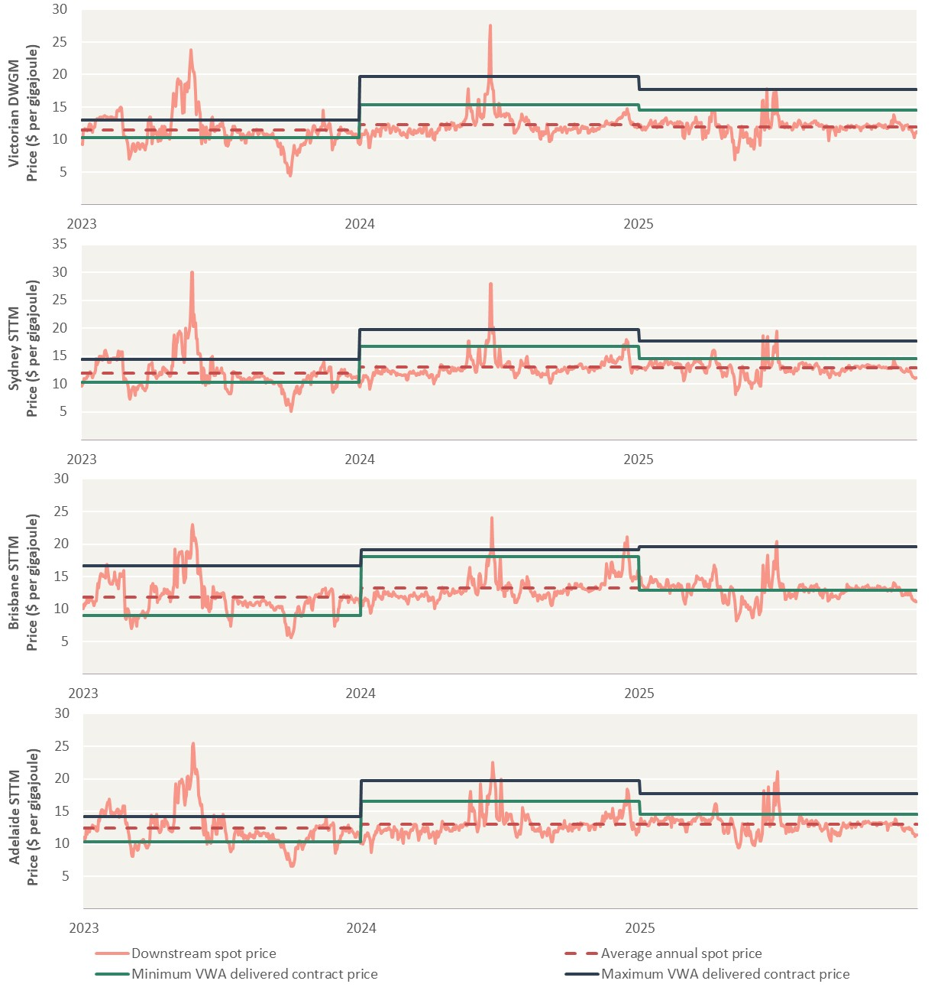
Victoria DWGM |  |  |  | Sydney STTM |  |  |  | Brisbane STTM |  |  |  | Adelaide STTM
Downstream spot price | Average annual spot price | Minimum VWA delivered contract price | Maximum VWA delivered contract price | Downstream spot price | Average annual spot price | Minimum VWA delivered contract price | Maximum VWA delivered contract price | Downstream spot price | Average annual spot price | Minimum VWA delivered contract price | Maximum VWA delivered contract price | Downstream spot price | Average annual spot price | Minimum VWA delivered contract price | Maximum VWA delivered contract price
9 | 11 | 10 | 13 | 10 | 12 | 10 | 14 | 10 | 12 | 9 | 17 | 11 | 12 | 10 | 14
9 | 11 | 10 | 13 | 10 | 12 | 10 | 14 | 11 | 12 | 9 | 17 | 11 | 12 | 10 | 14
11 | 11 | 10 | 13 | 10 | 12 | 10 | 14 | 11 | 12 | 9 | 17 | 11 | 12 | 10 | 14
11 | 11 | 10 | 13 | 11 | 12 | 10 | 14 | 11 | 12 | 9 | 17 | 12 | 12 | 10 | 14
 |  |  |  |  |  |  |  |  |  |  |  | 12 | 12 | 10 | 14
 |  |  |  |  |  |  |  |  |  |  |  | 12 | 12 | 10 | 14
 |  |  |  |  |  |  |  |  |  |  |  | 12 | 12 | 10 | 14
 |  |  |  |  |  |  |  |  |  |  |  | 12 | 12 | 10 | 14
 |  |  |  |  |  |  |  |  |  |  |  | 12 | 12 | 10 | 14
 |  |  |  |  |  |  |  |  |  |  |  | 12 | 12 | 10 | 14
 |  |  |  |  |  |  |  |  |  |  |  | 12 | 12 | 10 | 14
 |  |  |  |  |  |  |  |  |  |  |  | 13 | 12 | 10 | 14
 |  |  |  |  |  |  |  |  |  |  |  | 13 | 12 | 10 | 14
 |  |  |  |  |  |  |  |  |  |  |  | 12 | 12 | 10 | 14
 |  |  |  |  |  |  |  |  |  |  |  | 12 | 12 | 10 | 14
 |  |  |  |  |  |  |  |  |  |  |  | 13 | 12 | 10 | 14
 |  |  |  |  |  |  |  |  |  |  |  | 12 | 12 | 10 | 14
 |  |  |  |  |  |  |  |  |  |  |  | 12 | 12 | 10 | 14
 |  |  |  |  |  |  |  |  |  |  |  | 12 | 12 | 10 | 14
 |  |  |  |  |  |  |  |  |  |  |  | 14 | 12 | 10 | 14
 |  |  |  |  |  |  |  |  |  |  |  | 13 | 12 | 10 | 14
 |  |  |  |  |  |  |  |  |  |  |  | 14 | 12 | 10 | 14
 |  |  |  |  |  |  |  |  |  |  |  | 15 | 12 | 10 | 14
 |  |  |  |  |  |  |  |  |  |  |  | 15 | 12 | 10 | 14
 |  |  |  |  |  |  |  |  |  |  |  | 15 | 12 | 10 | 14
 |  |  |  |  |  |  |  |  |  |  |  | 15 | 12 | 10 | 14
 |  |  |  |  |  |  |  |  |  |  |  | 15 | 12 | 10 | 14
 |  |  |  |  |  |  |  |  |  |  |  | 15 | 12 | 10 | 14
 |  |  |  |  |  |  |  |  |  |  |  | 14 | 12 | 10 | 14
 |  |  |  |  |  |  |  |  |  |  |  | 15 | 12 | 10 | 14
 |  |  |  |  |  |  |  |  |  |  |  | 16 | 12 | 10 | 14
 |  |  |  |  |  |  |  |  |  |  |  | 16 | 12 | 10 | 14
 |  |  |  |  |  |  |  |  |  |  |  | 16 | 12 | 10 | 14
 |  |  |  |  |  |  |  |  |  |  |  | 17 | 12 | 10 | 14
 |  |  |  |  |  |  |  |  |  |  |  | 16 | 12 | 10 | 14
 |  |  |  |  |  |  |  |  |  |  |  | 15 | 12 | 10 | 14
 |  |  |  |  |  |  |  |  |  |  |  | 15 | 12 | 10 | 14
 |  |  |  |  |  |  |  |  |  |  |  | 15 | 12 | 10 | 14
 |  |  |  |  |  |  |  |  |  |  |  | 14 | 12 | 10 | 14
 |  |  |  |  |  |  |  |  |  |  |  | 15 | 12 | 10 | 14
 |  |  |  |  |  |  |  |  |  |  |  | 14 | 12 | 10 | 14
 |  |  |  |  |  |  |  |  |  |  |  | 15 | 12 | 10 | 14
 |  |  |  |  |  |  |  |  |  |  |  | 15 | 12 | 10 | 14
 |  |  |  |  |  |  |  |  |  |  |  | 15 | 12 | 10 | 14
 |  |  |  |  |  |  |  |  |  |  |  | 15 | 12 | 10 | 14
 |  |  |  |  |  |  |  |  |  |  |  | 15 | 12 | 10 | 14
 |  |  |  |  |  |  |  |  |  |  |  | 14 | 12 | 10 | 14
 |  |  |  |  |  |  |  |  |  |  |  | 15 | 12 | 10 | 14
 |  |  |  |  |  |  |  |  |  |  |  | 15 | 12 | 10 | 14
 |  |  |  |  |  |  |  |  |  |  |  | 15 | 12 | 10 | 14
 |  |  |  |  |  |  |  |  |  |  |  | 15 | 12 | 10 | 14
 |  |  |  |  |  |  |  |  |  |  |  | 16 | 12 | 10 | 14
 |  |  |  |  |  |  |  |  |  |  |  | 16 | 12 | 10 | 14
 |  |  |  |  |  |  |  |  |  |  |  | 16 | 12 | 10 | 14
 |  |  |  |  |  |  |  |  |  |  |  | 14 | 12 | 10 | 14
 |  |  |  |  |  |  |  |  |  |  |  | 13 | 12 | 10 | 14
 |  |  |  |  |  |  |  |  |  |  |  | 13 | 12 | 10 | 14
 |  |  |  |  |  |  |  |  |  |  |  | 12 | 12 | 10 | 14
 |  |  |  |  |  |  |  |  |  |  |  | 12 | 12 | 10 | 14
...

Figure 5.3
To contents page
Figure 5.3 – Average downstream spot prices and quarterly short-term delivered contract prices

Note: The volume-weighted average prices include all transactions for supply in the quarter. These prices exclude pricing structures linked to the STTM or DWGM, prices that are index linked or where the transaction was between related parties. North STT prices only include transactions for delivery at the Wallumbilla hub (Wallumbilla or RBP IPT locations) and the South STT price only includes transactions for delivery at the Moomba or Longford hubs. The average downstream spot price is a simple average across Brisbane, Sydney and Adelaide STTMs and the Victorian DWGM.
Source: AER analysis of STTM, DWGM and Gas Bulletin Board data.

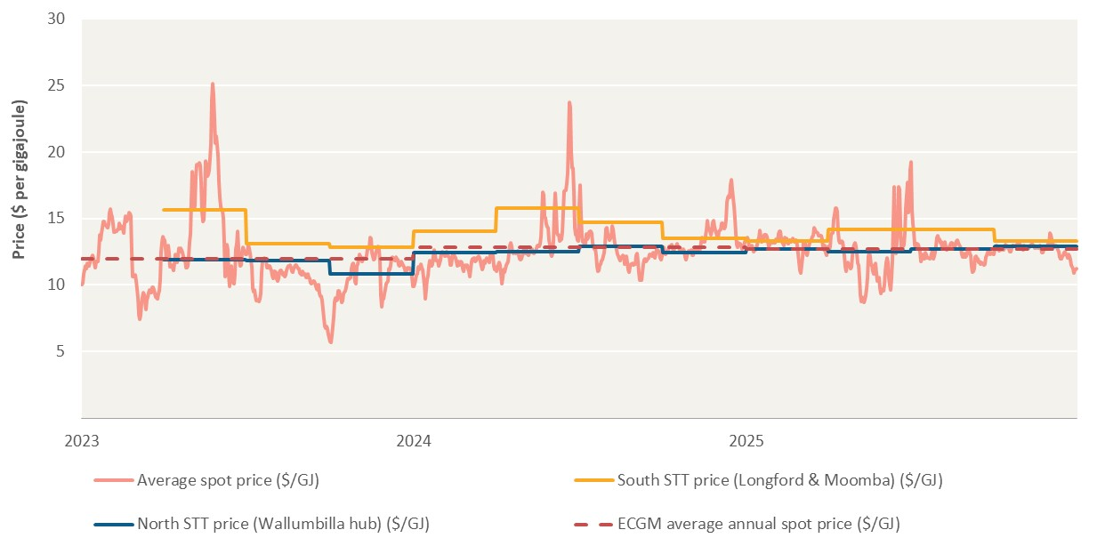
Date | Average spot price ($/GJ) | South STT price (Longford & Moomba) ($/GJ) | North STT price (Wallumbilla hub) ($/GJ) | ECGM average annual spot price ($/GJ)
2023-01-01 | 10 |  |  | 12
2023-01-02 | 10 |  |  | 12
2023-01-03 | 11 |  |  | 12
2023-01-04 | 11 |  |  | 12
2023-01-05 | 11 |  |  | 12
2023-01-06 | 12 |  |  | 12
2023-01-07 | 11 |  |  | 12
2023-01-08 | 11 |  |  | 12
2023-01-09 | 12 |  |  | 12
2023-01-10 | 12 |  |  | 12
2023-01-11 | 12 |  |  | 12
2023-01-12 | 12 |  |  | 12
2023-01-13 | 12 |  |  | 12
2023-01-14 | 12 |  |  | 12
2023-01-15 | 11 |  |  | 12
2023-01-16 | 12 |  |  | 12
2023-01-17 | 12 |  |  | 12
2023-01-18 | 12 |  |  | 12
2023-01-19 | 13 |  |  | 12
2023-01-20 | 14 |  |  | 12
2023-01-21 | 13 |  |  | 12
2023-01-22 | 14 |  |  | 12
2023-01-23 | 14 |  |  | 12
2023-01-24 | 15 |  |  | 12
2023-01-25 | 15 |  |  | 12
2023-01-26 | 15 |  |  | 12
2023-01-27 | 15 |  |  | 12
2023-01-28 | 14 |  |  | 12
2023-01-29 | 14 |  |  | 12
2023-01-30 | 15 |  |  | 12
2023-01-31 | 15 |  |  | 12
2023-02-01 | 16 |  |  | 12
...

Figure 5.4
To contents page
...
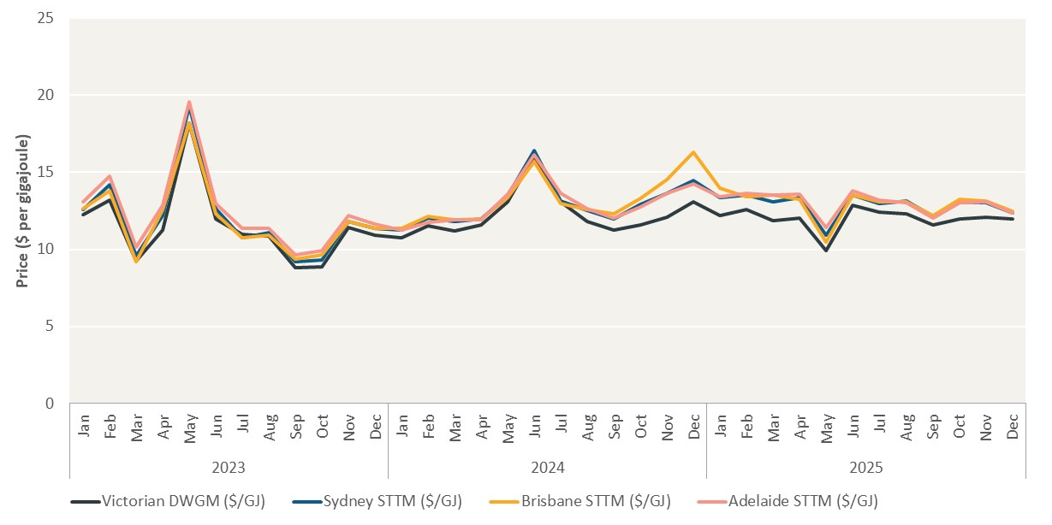
Month | Victorian DWGM ($/GJ) | Sydney STTM ($/GJ) | Brisbane STTM ($/GJ) | Adelaide STTM ($/GJ)
2022-01-01 | 12 | 13 | 13 | 13
2022-02-01 | 13 | 14 | 14 | 15
2022-03-01 | 9 | 10 | 9 | 10
2022-04-01 | 11 | 12 | 13 | 13
2022-05-01 | 18 | 19 | 18 | 20
2022-06-01 | 12 | 13 | 12 | 13
2022-07-01 | 11 | 11 | 11 | 11
2022-08-01 | 11 | 11 | 11 | 11
2022-09-01 | 9 | 9 | 9 | 10
2022-10-01 | 9 | 9 | 10 | 10
2022-11-01 | 11 | 12 | 12 | 12
2022-12-01 | 11 | 11 | 11 | 12
2022-01-01 | 11 | 11 | 11 | 11
2022-02-01 | 12 | 12 | 12 | 12
2022-03-01 | 11 | 12 | 12 | 12
2022-04-01 | 12 | 12 | 12 | 12
2022-05-01 | 13 | 13 | 13 | 14
2022-06-01 | 16 | 16 | 16 | 16
2022-07-01 | 13 | 13 | 13 | 14
2022-08-01 | 12 | 13 | 13 | 13
2022-09-01 | 11 | 12 | 12 | 12
2022-10-01 | 12 | 13 | 13 | 13
2022-11-01 | 12 | 14 | 15 | 14
2022-12-01 | 13 | 14 | 16 | 14
2022-01-01 | 12 | 13 | 14 | 13
2022-02-01 | 13 | 14 | 13 | 14
2022-03-01 | 12 | 13 | 14 | 14
2022-04-01 | 12 | 13 | 13 | 14
2022-05-01 | 10 | 11 | 11 | 11
2022-06-01 | 13 | 14 | 14 | 14
2022-07-01 | 12 | 13 | 13 | 13
2022-08-01 | 12 | 13 | 13 | 13
2022-09-01 | 12 | 12 | 12 | 12
...

Figure 5.5
To contents page
...
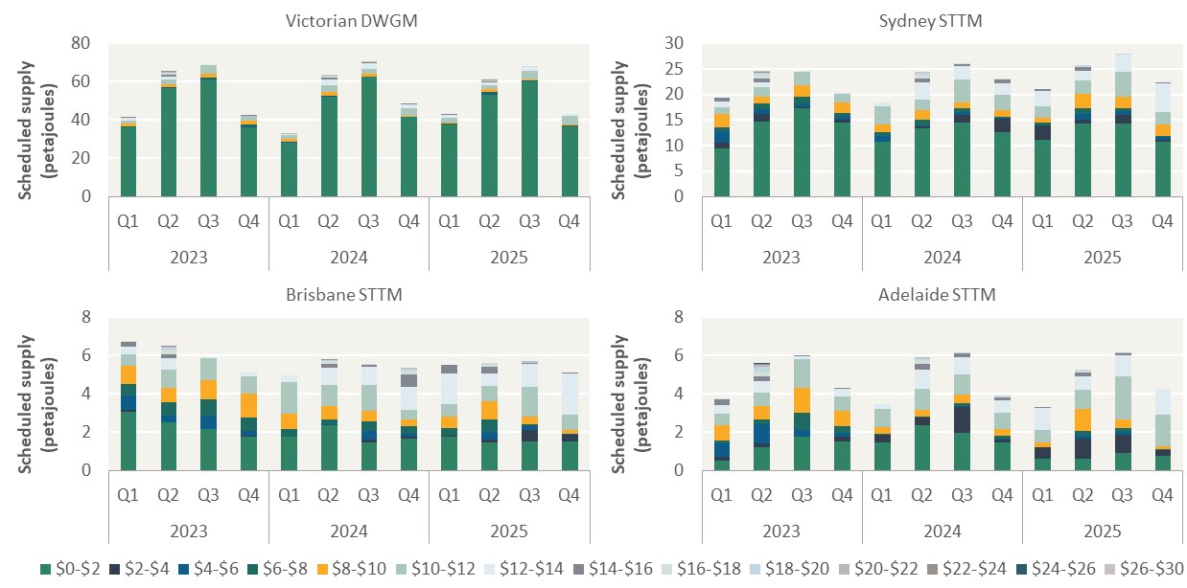
$6-$8 | $8-$10 | $10-$12 | $12-$14 | $14-$16 | $16-$18 | $18-$20 | $20-$22 | $22-$24 | $24-$26 | $26-$30
0.4 | 1.5 | 1.4 | 1.6 | 0.1 | 0.0 | 0.0 | 0.0 | 0.0 | 0.0 | 0.0 | –
0.3 | 1.3 | 2.6 | 1.6 | 0.9 | 0.6 | 0.5 | 0.2 | 0.1 | 0.0 | 0.0
0.6 | 2.1 | 4.5 | 0.1 | 0.0 | 0.0 | 0.0 | 0.0 | 0.0 | 0.0 | 0.0
1.1 | 1.8 | 2.5 | 0.2 | 0.0 | 0.0 | 0.0 | 0.0 | 0.0 | 0.0 | 0.0
0.1 | 1.2 | 2.4 | 0.2 | 0.0 | 0.0 | 0.0 | 0.0 | 0.0 | 0.0 | 0.0
 |  |  |  |  |  | 0.1 | 0.0 | 0.0 | 0.0 | 0.0
 |  |  |  |  |  | 0.0 | 0.0 | 0.0 | 0.0 | 0.0
 |  |  |  |  |  | 0.0 | 0.0 | 0.0 | 0.0 | 0.0
 |  |  |  |  |  | 0.0 | 0.0 | 0.0 | 0.0 | 0.0
 |  |  |  |  |  | 0.0 | 0.0 | 0.0 | 0.0 | 0.0
 |  |  |  |  |  | 0.0 | 0.0 | 0.0 | 0.0 | 0.0
 |  |  |  |  |  | 0.0 | 0.0 | 0.0 | 0.0 | 0.0
...
 |  |  |  |  |  | $18-$20 | $20-$22 | $22-$24 | $24-$26 | $26-$30
 |  |  |  |  |  | 0.0 | 0.0 | 0.0 | 0.0 | 0.0
 |  |  |  |  |  | 0.4 | 0.1 | 0.0 | 0.0 | 0.0
 |  |  |  |  |  | 0.0 | 0.0 | 0.0 | 0.0 | 0.0
 |  |  |  |  |  | 0.0 | 0.0 | 0.0 | 0.0 | 0.0
 |  |  |  |  |  | 0.0 | 0.0 | 0.0 | 0.0 | 0.0
 |  |  |  |  |  | 0.4 | 0.0 | 0.0 | 0.0 | 0.1
 |  |  |  |  |  | 0.0 | 0.0 | 0.0 | 0.0 | 0.0
 |  |  |  |  |  | 0.0 | 0.0 | 0.0 | 0.0 | 0.0
 |  |  |  |  |  | 0.0 | 0.0 | 0.0 | 0.0 | 0.0
 |  |  |  |  |  | 0.0 | 0.0 | 0.0 | 0.0 | 0.0
 |  |  |  |  |  | 0.1 | 0.0 | 0.0 | 0.0 | 0.0
 |  |  |  |  |  | 0.0 | 0.0 | 0.0 | 0.0 | 0.0
...
 |  |  |  |  |  | $18-$20 | $20-$22 | $22-$24
 |  |  |  |  |  | 0.0 | 0.0 | 0.0
 |  |  |  |  |  | 0.1 | 0.0 | 0.0
 |  |  |  |  |  | 0.0 | 0.0 | 0.0
 |  |  |  |  |  | 0.0 | 0.0 | 0.0
 |  |  |  |  |  | 0.0 | 0.0 | 0.0
 |  |  |  |  |  | 0.1 | 0.0 | 0.0
...

Figure 5.6
To contents page
Figure 5.6 – Daily Gas Supply Hub price differential with downstream spot markets

Note: The average downstream spot price is a simple average across Brisbane, Sydney and Adelaide STTMs and the Victorian DWGM. The Wallumbilla price is on-the-day and day-ahead prices for on-screen and off-screen trades at the Wallumbilla hub. Swap trades have been removed from GSH prices reported. Swap trades include supply transactions identified as swaps by our analysis or use of the GSH swap product.
Source: AER analysis of GSH, STTM and DWGM data.

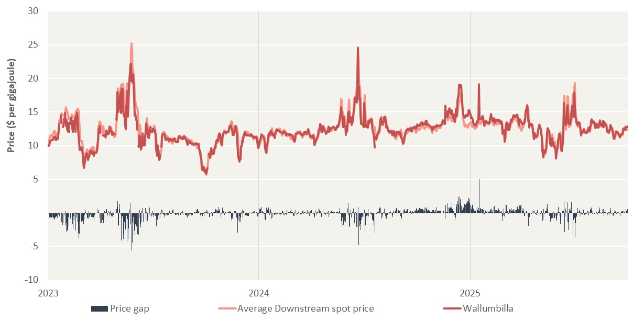
Date | Average Downstream spot price | Wallumbilla | Price gap
2023-01-01 | 10 | 10 | 0
2023-01-02 | 10 | 10 | 0
2023-01-03 | 11 | 10 | -1
2023-01-04 | 11 | 10 | -1
2023-01-05 | 11 | 11 | -1
2023-01-06 | 12 | 11 | -1
2023-01-07 | 11 | 11 | -1
2023-01-08 | 11 | 11 | -1
2023-01-09 | 12 | 11 | -1
2023-01-10 | 12 | 11 | -1
2023-01-11 | 12 | 11 | -1
2023-01-12 | 12 | 11 | -1
2023-01-13 | 12 | 11 | -1
2023-01-14 | 12 | 11 | -1
2023-01-15 | 11 | 11 | 0
2023-01-16 | 12 | 11 | -1
2023-01-17 | 12 | 11 | -1
2023-01-18 | 12 | 12 | 0
2023-01-19 | 13 | 12 | 0
2023-01-20 | 14 | 13 | -1
2023-01-21 | 13
2023-01-22 | 14
2023-01-23 | 14 | 14 | 0
2023-01-24 | 15 | 13 | -1
2023-01-25 | 15
2023-01-26 | 15 | 13 | -2
2023-01-27 | 15 | 13 | -2
2023-01-28 | 14 | 14 | 0
2023-01-29 | 14
2023-01-30 | 15 | 15 | 0
2023-01-31 | 15 | 14 | -2
2023-02-01 | 16 | 13 | -3
...

