Figure 6.1
To contents page
Figure 6.1 – Net trade in the downstream spot markets by season

Source: AER analysis of DWGM and STTM data

Unit: Petajoules (PJ)

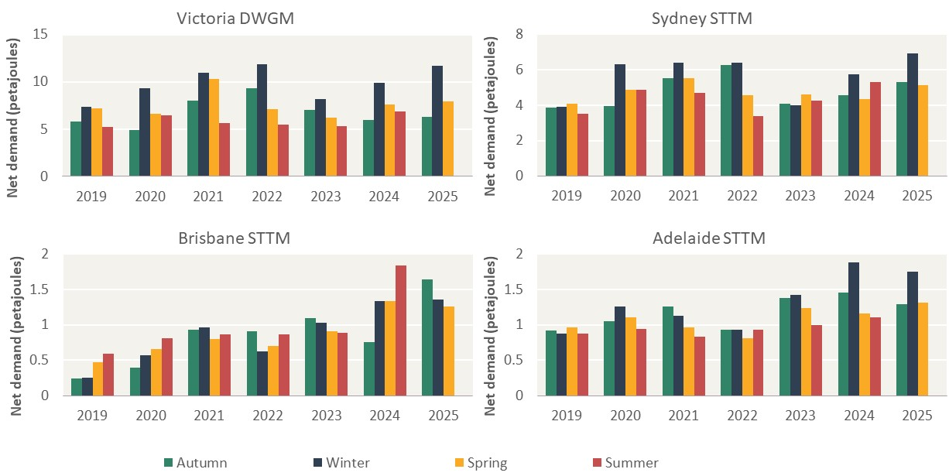
Market | Year | Autumn | Winter | Spring | Summer
Victoria DWGM | 2019 | 5.8 | 7.3 | 7.2 | 5.2
 | 2020 | 4.9 | 9.3 | 6.7 | 6.4
 | 2021 | 8.0 | 10.9 | 10.3 | 5.7
 | 2022 | 9.4 | 11.9 | 7.1 | 5.5
 | 2023 | 7.0 | 8.2 | 6.2 | 5.3
 | 2024 | 5.9 | 9.9 | 7.6 | 6.9
 | 2025 | 6.3 | 11.7 | 7.9
Sydney STTM | 2019 | 3.8 | 3.9 | 4.1 | 3.5
 | 2020 | 3.9 | 6.3 | 4.9 | 4.9
 | 2021 | 5.5 | 6.4 | 5.5 | 4.7
 | 2022 | 6.3 | 6.4 | 4.5 | 3.4
 | 2023 | 4.1 | 4.0 | 4.6 | 4.3
 | 2024 | 4.5 | 5.7 | 4.3 | 5.3
 | 2025 | 5.3 | 6.9 | 5.1
Brisbane STTM | 2019 | 0.2 | 0.2 | 0.5 | 0.6
 | 2020 | 0.4 | 0.6 | 0.7 | 0.8
 | 2021 | 0.9 | 1.0 | 0.8 | 0.9
 | 2022 | 0.9 | 0.6 | 0.7 | 0.9
 | 2023 | 1.1 | 1.0 | 0.9 | 0.9
 | 2024 | 0.8 | 1.3 | 1.3 | 1.8
 | 2025 | 1.6 | 1.4 | 1.3
Adelaide STTM | 2019 | 0.9 | 0.9 | 1.0 | 0.9
 | 2020 | 1.0 | 1.3 | 1.1 | 0.9
 | 2021 | 1.3 | 1.1 | 1.0 | 0.8
 | 2022 | 0.9 | 0.9 | 0.8 | 0.9
 | 2023 | 1.4 | 1.4 | 1.2 | 1.0
 | 2024 | 1.5 | 1.9 | 1.2 | 1.1
 | 2025 | 1.3 | 1.7 | 1.3

Figure 6.2
To contents page
Figure 6.2 – Total delivered GSH trade by season

Note: Swap trades have been removed from GSH volumes reported. Swap trades include supply transactions identified as swaps by our analysis or use of the GSH swap product.
Source: AER analysis using GSH data.

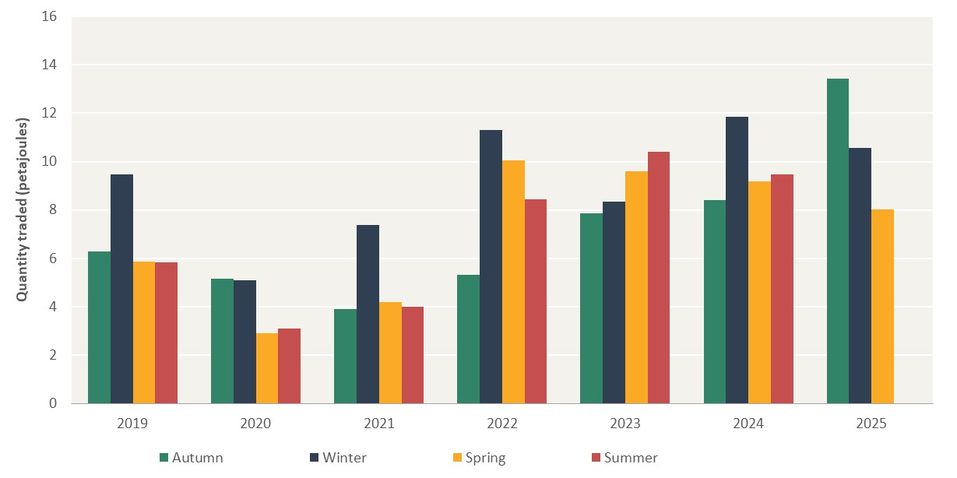
Unit: Petajoules (PJ)
Market | Year | Autumn | Winter | Spring | Summer
Wallumbilla GSH | 2019 | 6.28 | 9.48 | 5.88 | 5.85
 | 2020 | 5.15 | 5.08 | 2.91 | 3.10
 | 2021 | 3.89 | 7.38 | 4.21 | 4.01
 | 2022 | 5.32 | 11.31 | 10.05 | 8.44
 | 2023 | 7.86 | 8.33 | 9.61 | 10.39
 | 2024 | 8.40 | 11.85 | 9.17 | 9.47
 | 2025 | 13.42 | 10.58 | 8.04

Figure 6.3
To contents page
Figure 6.3 – Price structures reported in short-term contracts

Note: Index linked contracts can be an oil index like Brent, or LNG index like JKM or another index.
Source: AER analysis using Gas Bulletin Board data.

Unit: %
Year | Quarter | Fixed | Index linked | Other price structure | Spot market linked
2023 (from 1 April) | Q2 | 0.88 | 0.01 | 0.02 | 0.08
 | Q3 | 0.88 | 0.00 | 0.00 | 0.12
 | Q4 | 0.79 | 0.14 | 0.05 | 0.02
2024 | Q1 | 0.41 | 0.50 | 0.04 | 0.05
 | Q2 | 0.80 | 0.12 | 0.02 | 0.06
 | Q3 | 0.56 | 0.33 | 0.09 | 0.02
 | Q4 | 0.79 | 0.19 | 0.01 | 0.02
2025 (to 31 December) | Q1 | 0.64 | 0.25 | 0.09 | 0.02
 | Q2 | 0.70 | 0.06 | 0.21 | 0.03
 | Q3 | 0.65 | 0.28 | 0.04 | 0.04
 | Q4 | 0.75 | 0.12 | 0.01 | 0.11

Figure 6.4
To contents page
Figure 6.4 – Net trade as a proportion of total trade, by hub location

Note: Net trade and total trade are shown as net buy and total scheduled demand. These will be equal to net sell and total scheduled supply.
Source: AER analysis of DWGM and STTM data.

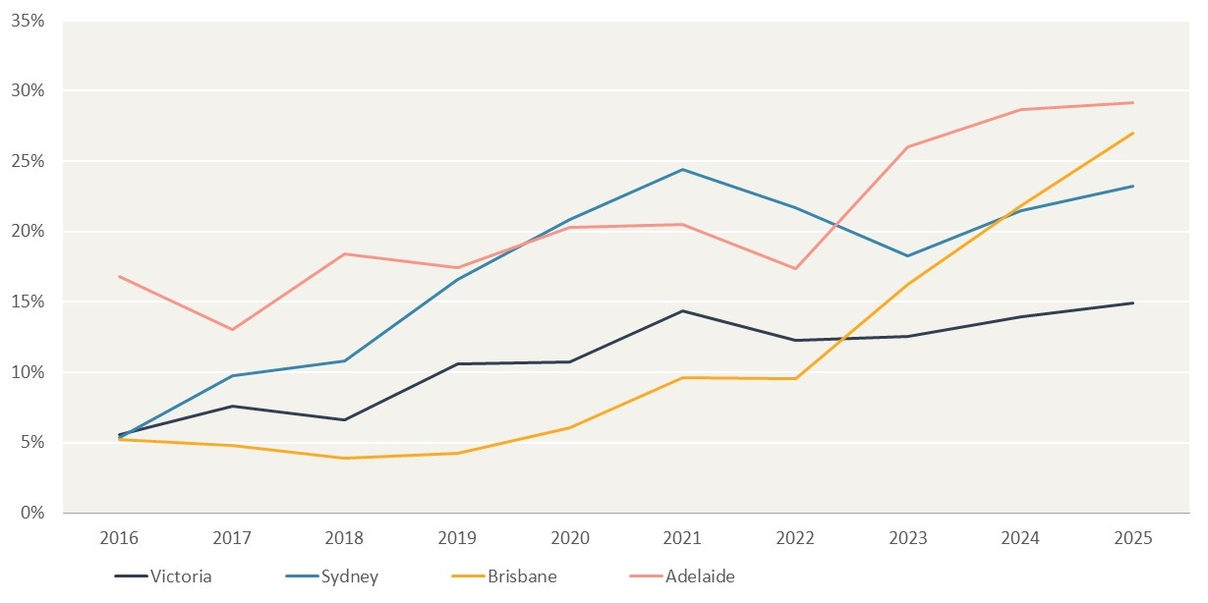
Unit: %
Downstream spot market markets
Year | Victoria | Sydney | Brisbane | Adelaide
2016 | 0.06 | 0.05 | 0.05 | 0.17
2017 | 0.08 | 0.10 | 0.05 | 0.13
2018 | 0.07 | 0.11 | 0.04 | 0.18
2019 | 0.11 | 0.17 | 0.04 | 0.17
2020 | 0.11 | 0.21 | 0.06 | 0.20
2021 | 0.14 | 0.24 | 0.10 | 0.20
2022 | 0.12 | 0.22 | 0.10 | 0.17
2023 | 0.13 | 0.18 | 0.16 | 0.26
2024 | 0.14 | 0.21 | 0.22 | 0.29
2025 | 0.15 | 0.23 | 0.27 | 0.29

Figure 6.5
To contents page
Figure 6.5 – Gas Supply Hub and short-term contracts in Queensland, by forward trade length

Note: GSH trade shows trades at the Wallumbilla hub by length of time between trade date and the first delivery day. STT trade shows trades at the Wallumbilla hub and RBP in-pipe trade locations by length of time between trade date and the first delivery day. Swap trades have been removed from GSH volumes reported. Swap trades include supply transactions identified as swaps by our analysis or use of the GSH swap product.
Source: AER analysis of GSH and Gas Bulletin Board data.

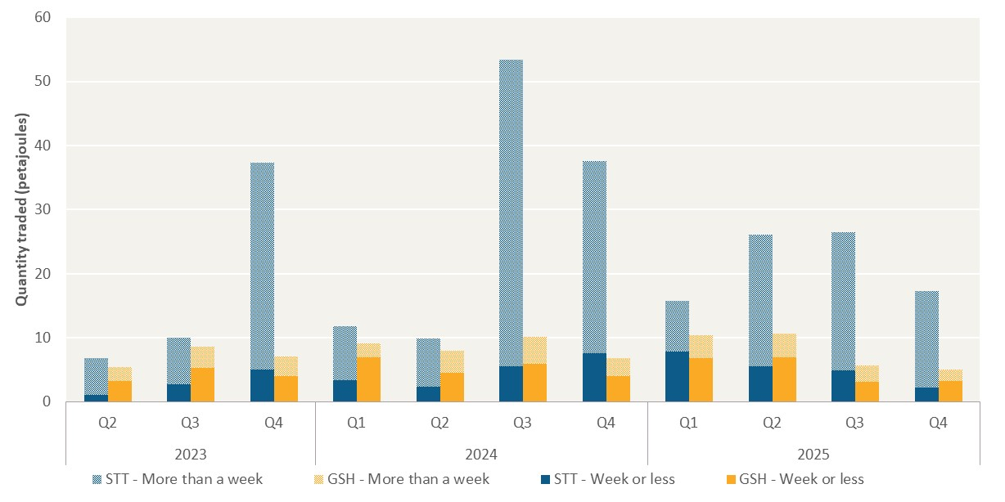
Unit: Petajoules (PJ)
Year | Quarter | STT - More than a week | STT - Week or less | GSH - More than a week | GSH - Week or less
2023 | Q2 | 6.79 | 1.05 | 5.37 | 3.31
 | Q3 | 9.99 | 2.75 | 8.58 | 5.29
 | Q4 | 37.37 | 5.09 | 7.06 | 4.01
2024 | Q1 | 11.78 | 3.35 | 9.14 | 7.01
 | Q2 | 9.96 | 2.33 | 8.02 | 4.54
 | Q3 | 53.42 | 5.61 | 10.13 | 5.91
 | Q4 | 37.55 | 7.57 | 6.81 | 4.05
2025 | Q1 | 15.82 | 7.84 | 10.40 | 6.80
 | Q2 | 26.06 | 5.56 | 10.64 | 7.00
 | Q3 | 26.52 | 4.89 | 5.71 | 3.14
 | Q4 | 17.26 | 2.20 | 5.04 | 3.29

