Figure 7.1
To contents page
Figure 7.1 – Contracted capacity and actual flows on the SWQP to Moomba

Note: The SWQP’s actual flows are based on flows to and from the SWQP point at Moomba. Positive flows indicate gas flowing west into Moomba via the SWQP and negative flows indicate gas flowing into the SWQP from Moomba for transportation east.
Source: AER analysis of Gas Bulletin Board data.

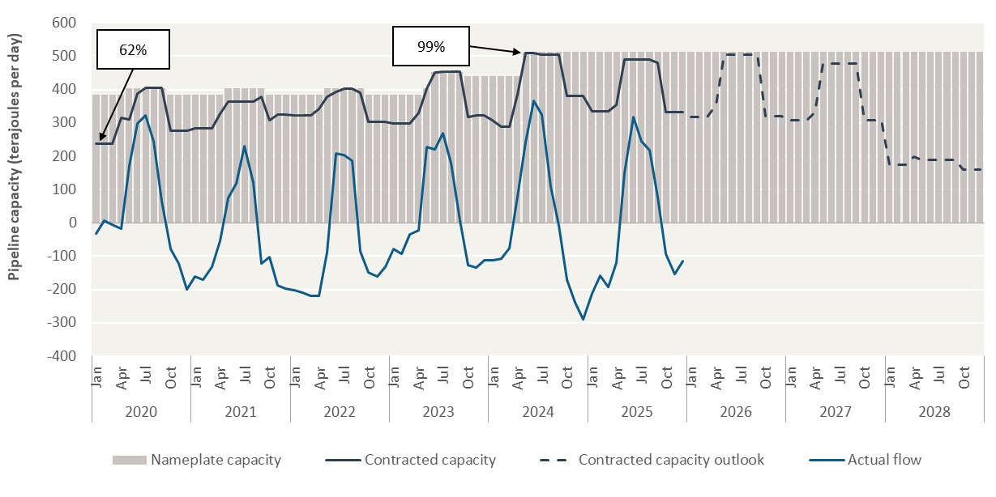
Year | Month | Nameplate capacity | Contracted capacity | Contracted capacity outlook | Actual flow
2020 | Jan | 384 | 237 |  | -33 | –
 | Feb | 384 | 237 |  | 7
 | Mar | 384 | 237 |  | -5
 | Apr | 384 | 315 |  | -19
 | May | 404 | 311 |  | 172
 | Jun | 404 | 388 |  | 299
 | Jul | 404 | 404 |  | 323
 | Aug | 404 | 404 |  | 246
 | Sep | 404 | 404 |  | 65
 | Oct | 384 | 277 |  | -79
 | Nov | 384 | 277 |  | -123
 | Dec | 384 | 277 |  | -199
2021 | Jan | 384 | 283 |  | -161 | –
 | Feb | 384 | 283 |  | -172
 | Mar | 384 | 283 |  | -131
 | Apr | 384 | 327 |  | -54
 | May | 404 | 364 |  | 75
 | Jun | 404 | 364 |  | 118
 | Jul | 404 | 364 |  | 231
 | Aug | 404 | 364 |  | 122
 | Sep | 404 | 379 |  | -121
 | Oct | 384 | 309 |  | -103
 | Nov | 384 | 324 |  | -187
 | Dec | 384 | 324 |  | -197
2022 | Jan | 384 | 323 |  | -201 | –
 | Feb | 384 | 323 |  | -210
 | Mar | 384 | 323 |  | -218
 | Apr | 384 | 343 |  | -220
 | May | 404 | 379 |  | -87
 | Jun | 404 | 394 |  | 207
 | Jul | 404 | 404 |  | 204
 | Aug | 404 | 404 |  | 187
 | Sep | 404 | 392 |  | -85
 | Oct | 384 | 303 |  | -149
 | Nov | 384 | 303 |  | -161
 | Dec | 384 | 303 |  | -131
2023 | Jan | 384 | 298 |  | -79 | –
 | Feb | 384 | 298 |  | -94
 | Mar | 384 | 298 |  | -35
 | Apr | 384 | 331 |  | -23
 | May | 404 | 402 |  | 229
 | Jun | 453 | 451 |  | 222
 | Jul | 453 | 453 |  | 269
 | Aug | 453 | 453 |  | 180
 | Sep | 453 | 453 |  | 6
 | Oct | 440 | 317 |  | -127
 | Nov | 440 | 322 |  | -134
 | Dec | 440 | 322 |  | -112
2024 | Jan | 440 | 309 |  | -113 | –
 | Feb | 440 | 289 |  | -106
 | Mar | 440 | 289 |  | -77
 | Apr | 440 | 385 |  | 80
 | May | 512 | 509 |  | 243
 | Jun | 512 | 509 |  | 366
 | Jul | 512 | 505 |  | 325
 | Aug | 512 | 505 |  | 108
 | Sep | 512 | 505 |  | -8
 | Oct | 512 | 380 |  | -170
 | Nov | 512 | 380 |  | -239
 | Dec | 512 | 380 |  | -289
2025 | Jan | 512 | 334 |  | -212 | –
 | Feb | 512 | 333 |  | -159
 | Mar | 512 | 333 |  | -193
 | Apr | 512 | 354 |  | -121
 | May | 512 | 490 |  | 149
 | Jun | 512 | 490 |  | 318
 | Jul | 512 | 490 |  | 244
 | Aug | 512 | 490 |  | 219
 | Sep | 512 | 480 |  | 77
 | Oct | 512 | 333 |  | -92
 | Nov | 512 | 333 |  | -153
 | Dec | 512 | 333 |  | -114
2026 | Jan | 512 |  | 319 |  | –
 | Feb | 512 |  | 319
 | Mar | 512 |  | 319
 | Apr | 512 |  | 354
 | May | 512 |  | 504
 | Jun | 512 |  | 504
 | Jul | 512 |  | 504
 | Aug | 512 |  | 504
 | Sep | 512 |  | 504
 | Oct | 512 |  | 320
 | Nov | 512 |  | 320
 | Dec | 512 |  | 320
2027 | Jan | 512 |  | 308 |  | –
 | Feb | 512 |  | 308
 | Mar | 512 |  | 308
 | Apr | 512 |  | 333
 | May | 512 |  | 479
 | Jun | 512 |  | 479
 | Jul | 512 |  | 479
 | Aug | 512 |  | 479
 | Sep | 512 |  | 479
 | Oct | 512 |  | 308
 | Nov | 512 |  | 308
 | Dec | 512 |  | 308
2028 | Jan | 512 |  | 174 |  | –
 | Feb | 512 |  | 174
 | Mar | 512 |  | 174
 | Apr | 512 |  | 199
 | May | 512 |  | 189
 | Jun | 512 |  | 189
 | Jul | 512 |  | 189
 | Aug | 512 |  | 189
 | Sep | 512 |  | 189
 | Oct | 512 |  | 161
 | Nov | 512 |  | 161
 | Dec | 512 |  | 161

Figure 7.2
To contents page
Figure 7.2 – Contracted capacity and actual flows on the MSP to Sydney

Note: Actual flows on the MSP to Sydney include gas flowing north from Victoria via Culcairn on the VNI as well as gas flowing south from Moomba.
Source: AER analysis of Gas Bulletin Board data.

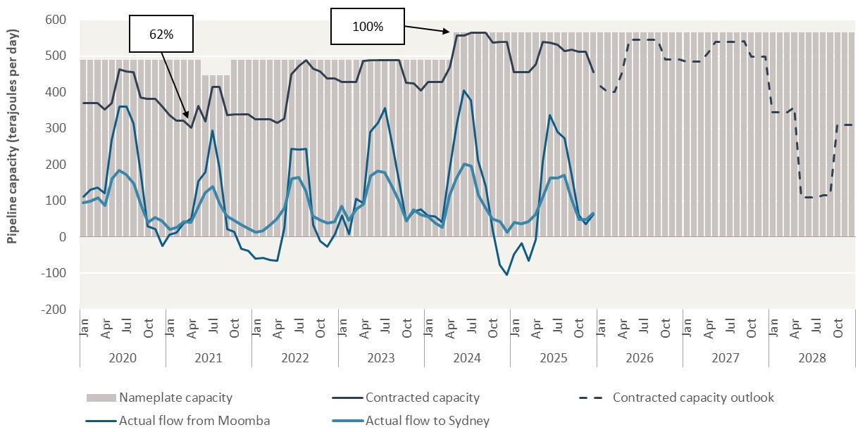
Year | Month | Nameplate capacity | Contracted capacity | Contracted capacity outlook | Actual flow from Moomba | Actual flow to Sydney
2020 | Jan | 489 | 370 |  | 111 | 95 | –
 | Feb | 489 | 370 |  | 131 | 99
 | Mar | 489 | 370 |  | 137 | 108
 | Apr | 489 | 354 |  | 121 | 87
 | May | 489 | 371 |  | 268 | 162
 | Jun | 489 | 463 |  | 361 | 184
 | Jul | 489 | 457 |  | 361 | 173
 | Aug | 489 | 456 |  | 313 | 147
 | Sep | 489 | 386 |  | 180 | 89
 | Oct | 489 | 383 |  | 31 | 40
 | Nov | 489 | 383 |  | 21 | 55
 | Dec | 489 | 360 |  | -24 | 45
2021 | Jan | 489 | 336 |  | 7 | 21 | –
 | Feb | 489 | 321 |  | 13 | 27
 | Mar | 489 | 321 |  | 38 | 43
 | Apr | 489 | 302 |  | 52 | 41
 | May | 489 | 362 |  | 154 | 81
 | Jun | 446 | 319 |  | 179 | 122
 | Jul | 446 | 415 |  | 294 | 141
 | Aug | 446 | 415 |  | 192 | 92
 | Sep | 446 | 337 |  | 23 | 59
 | Oct | 489 | 339 |  | 15 | 47
 | Nov | 489 | 338 |  | -32 | 35
 | Dec | 489 | 338 |  | -37 | 23
2022 | Jan | 489 | 326 |  | -59 | 13 | –
 | Feb | 489 | 326 |  | -57 | 18
 | Mar | 489 | 326 |  | -63 | 34
 | Apr | 489 | 316 |  | -65 | 50
 | May | 489 | 328 |  | 24 | 81
 | Jun | 489 | 449 |  | 244 | 162
 | Jul | 489 | 473 |  | 241 | 164
 | Aug | 489 | 489 |  | 243 | 128
 | Sep | 489 | 466 |  | 34 | 58
 | Oct | 489 | 458 |  | -11 | 47
 | Nov | 489 | 438 |  | -26 | 39
 | Dec | 489 | 438 |  | 10 | 43
2023 | Jan | 489 | 428 |  | 59 | 86 | –
 | Feb | 489 | 428 |  | 9 | 46
 | Mar | 489 | 428 |  | 105 | 78
 | Apr | 489 | 487 |  | 93 | 92
 | May | 489 | 489 |  | 291 | 169
 | Jun | 489 | 489 |  | 317 | 183
 | Jul | 489 | 489 |  | 356 | 178
 | Aug | 489 | 489 |  | 259 | 137
 | Sep | 489 | 489 |  | 154 | 98
 | Oct | 489 | 426 |  | 45 | 45
 | Nov | 489 | 424 |  | 72 | 76
 | Dec | 489 | 406 |  | 78 | 62
2024 | Jan | 489 | 428 |  | 60 | 56 | –
 | Feb | 489 | 429 |  | 57 | 40
 | Mar | 489 | 429 |  | 42 | 27
 | Apr | 489 | 469 |  | 191 | 115
 | May | 565 | 557 |  | 315 | 163
 | Jun | 565 | 557 |  | 406 | 203
 | Jul | 565 | 565 |  | 378 | 197
 | Aug | 565 | 565 |  | 212 | 116
 | Sep | 565 | 565 |  | 141 | 82
 | Oct | 565 | 538 |  | 18 | 50
 | Nov | 565 | 539 |  | -77 | 42
 | Dec | 565 | 539 |  | -103 | 14
2025 | Jan | 565 | 455 |  | -48 | 42 | –
 | Feb | 565 | 456 |  | -16 | 38
 | Mar | 565 | 456 |  | -66 | 43
 | Apr | 565 | 478 |  | -6 | 61
 | May | 565 | 538 |  | 209 | 112
 | Jun | 565 | 538 |  | 338 | 164
 | Jul | 565 | 531 |  | 290 | 162
 | Aug | 565 | 514 |  | 273 | 172
 | Sep | 565 | 518 |  | 172 | 107
 | Oct | 565 | 511 |  | 62 | 49
 | Nov | 565 | 511 |  | 36 | 49
 | Dec | 565 | 455 |  | 63 | 65
2026 | Jan | 565 |  | 416 |  |  | –
 | Feb | 565 |  | 401
 | Mar | 565 |  | 401
 | Apr | 565 |  | 451
 | May | 565 |  | 546
 | Jun | 565 |  | 544
 | Jul | 565 |  | 545
 | Aug | 565 |  | 546
 | Sep | 565 |  | 546
 | Oct | 565 |  | 490
 | Nov | 565 |  | 490
 | Dec | 565 |  | 490
2027 | Jan | 565 |  | 485 |  |  | –
 | Feb | 565 |  | 486
 | Mar | 565 |  | 486
 | Apr | 565 |  | 511
 | May | 565 |  | 540
 | Jun | 565 |  | 540
 | Jul | 565 |  | 540
 | Aug | 565 |  | 540
 | Sep | 565 |  | 541
 | Oct | 565 |  | 498
 | Nov | 565 |  | 498
 | Dec | 565 |  | 498
2028 | Jan | 565 |  | 345 |  |  | –
 | Feb | 565 |  | 345
 | Mar | 565 |  | 345
 | Apr | 565 |  | 358
 | May | 565 |  | 110
 | Jun | 565 |  | 110
 | Jul | 565 |  | 110
 | Aug | 565 |  | 115
 | Sep | 565 |  | 115
 | Oct | 565 |  | 310
 | Nov | 565 |  | 310
 | Dec | 565 |  | 310

Figure 7.3
To contents page
Figure 7.3 – Contracted capacity and actual flows on the MAPS to Adelaide

Source: AER analysis of Gas Bulletin Board data.

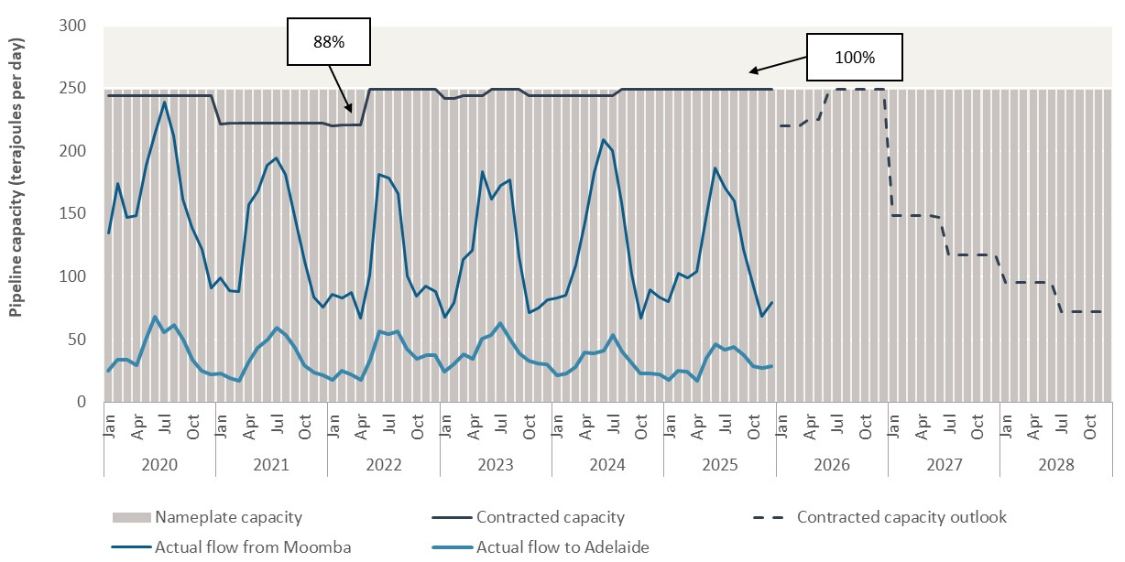
Year | Month | Nameplate capacity | Contracted capacity | Contracted capacity outlook | Actual flow from Moomba | Actual flow to Adelaide
2020 | Jan | 249 | 244 |  | 135 | 25 | –
 | Feb | 249 | 244 |  | 174 | 34
 | Mar | 249 | 244 |  | 147 | 34
 | Apr | 249 | 244 |  | 149 | 29
 | May | 249 | 244 |  | 189 | 50
 | Jun | 249 | 244 |  | 215 | 68
 | Jul | 249 | 244 |  | 239 | 55
 | Aug | 249 | 244 |  | 212 | 61
 | Sep | 249 | 244 |  | 162 | 50
 | Oct | 249 | 244 |  | 139 | 34
 | Nov | 249 | 244 |  | 122 | 25
 | Dec | 249 | 244 |  | 91 | 22
2021 | Jan | 249 | 222 |  | 99 | 23 | –
 | Feb | 249 | 222 |  | 89 | 20
 | Mar | 249 | 222 |  | 88 | 17
 | Apr | 249 | 222 |  | 158 | 31
 | May | 249 | 222 |  | 168 | 43
 | Jun | 249 | 222 |  | 189 | 50
 | Jul | 249 | 222 |  | 195 | 59
 | Aug | 249 | 222 |  | 181 | 54
 | Sep | 249 | 222 |  | 145 | 43
 | Oct | 249 | 222 |  | 112 | 29
 | Nov | 249 | 222 |  | 84 | 24
 | Dec | 249 | 222 |  | 76 | 21
2022 | Jan | 249 | 220 |  | 86 | 18 | –
 | Feb | 249 | 221 |  | 83 | 25
 | Mar | 249 | 221 |  | 88 | 22
 | Apr | 249 | 221 |  | 67 | 18
 | May | 249 | 249 |  | 101 | 34
 | Jun | 249 | 249 |  | 181 | 56
 | Jul | 249 | 249 |  | 179 | 54
 | Aug | 249 | 249 |  | 166 | 57
 | Sep | 249 | 249 |  | 101 | 43
 | Oct | 249 | 249 |  | 85 | 34
 | Nov | 249 | 249 |  | 93 | 37
 | Dec | 249 | 249 |  | 88 | 37
2023 | Jan | 249 | 242 |  | 68 | 24 | –
 | Feb | 249 | 242 |  | 79 | 30
 | Mar | 249 | 244 |  | 114 | 38
 | Apr | 249 | 244 |  | 121 | 34
 | May | 249 | 244 |  | 184 | 50
 | Jun | 249 | 249 |  | 162 | 53
 | Jul | 249 | 249 |  | 173 | 63
 | Aug | 249 | 249 |  | 177 | 50
 | Sep | 249 | 249 |  | 116 | 39
 | Oct | 249 | 244 |  | 72 | 33
 | Nov | 249 | 244 |  | 75 | 31
 | Dec | 249 | 244 |  | 81 | 31
2024 | Jan | 249 | 244 |  | 83 | 22 | –
 | Feb | 249 | 244 |  | 86 | 23
 | Mar | 249 | 244 |  | 109 | 28
 | Apr | 249 | 244 |  | 143 | 40
 | May | 249 | 244 |  | 183 | 39
 | Jun | 249 | 244 |  | 209 | 41
 | Jul | 249 | 244 |  | 200 | 54
 | Aug | 249 | 249 |  | 159 | 41
 | Sep | 249 | 249 |  | 102 | 32
 | Oct | 249 | 249 |  | 67 | 23
 | Nov | 249 | 249 |  | 90 | 23
 | Dec | 249 | 249 |  | 84 | 22
2025 | Jan | 249 | 249 |  | 80 | 18 | –
 | Feb | 249 | 249 |  | 103 | 25
 | Mar | 249 | 249 |  | 99 | 24
 | Apr | 249 | 249 |  | 104 | 17
 | May | 249 | 249 |  | 147 | 35
 | Jun | 249 | 249 |  | 186 | 46
 | Jul | 249 | 249 |  | 170 | 42
 | Aug | 249 | 249 |  | 161 | 44
 | Sep | 249 | 249 |  | 122 | 37
 | Oct | 249 | 249 |  | 95 | 29
 | Nov | 249 | 249 |  | 68 | 27
 | Dec | 249 | 249 |  | 80 | 28
2026 | Jan | 249 |  | 220 |  |  | –
 | Feb | 249 |  | 220
 | Mar | 249 |  | 220
 | Apr | 249 |  | 225
 | May | 249 |  | 225
 | Jun | 249 |  | 245
 | Jul | 249 |  | 249
 | Aug | 249 |  | 249
 | Sep | 249 |  | 249
 | Oct | 249 |  | 249
 | Nov | 249 |  | 249
 | Dec | 249 |  | 249
2027 | Jan | 249 |  | 149 |  |  | –
 | Feb | 249 |  | 149
 | Mar | 249 |  | 149
 | Apr | 249 |  | 149
 | May | 249 |  | 149
 | Jun | 249 |  | 147
 | Jul | 249 |  | 117
 | Aug | 249 |  | 117
 | Sep | 249 |  | 117
 | Oct | 249 |  | 117
 | Nov | 249 |  | 117
 | Dec | 249 |  | 117
2028 | Jan | 249 |  | 95 |  |  | –
 | Feb | 249 |  | 95
 | Mar | 249 |  | 95
 | Apr | 249 |  | 95
 | May | 249 |  | 95
 | Jun | 249 |  | 95
 | Jul | 249 |  | 72
 | Aug | 249 |  | 72
 | Sep | 249 |  | 72
 | Oct | 249 |  | 72
 | Nov | 249 |  | 72
 | Dec | 249 |  | 72

Figure 7.4
To contents page
Figure 7.4 – Iona storage levels

Source: AER analysis of Gas Bulletin Board data.

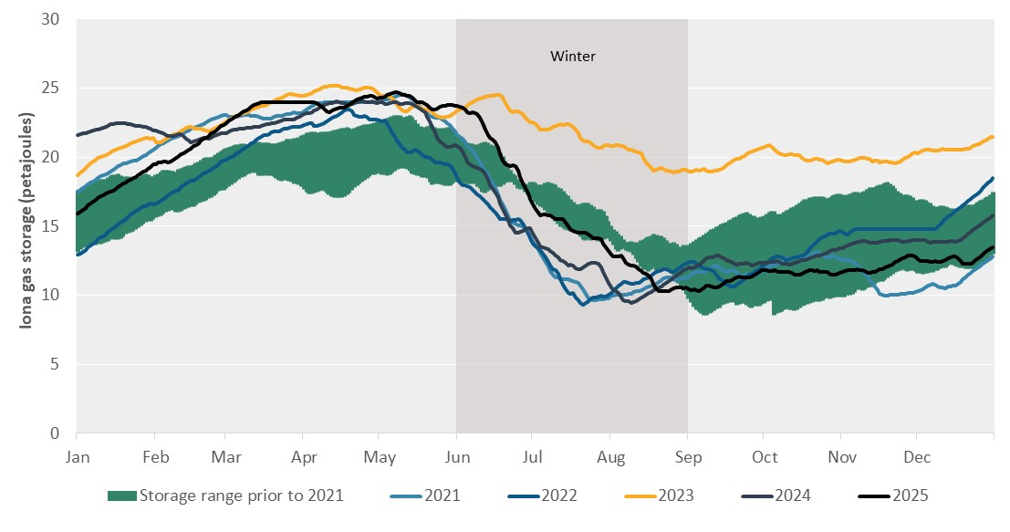
Storage levels (petajoules) |  |  |  |  |  |  |  |  |  |  | Storage levels (petajoules)
Day | Winter | Storage range prior to 2021 | 2021 | 2022 | 2023 | 2024 | 2025 | Minimum daily storage prior to 2021 | Maximum daily storage prior to 2021 | Storage range prior to 2021 (range) | 2016 | 2017 | 2018 | 2019 | 2020 | 2021 | 2022 | 2023 | 2024 | 2025 | Minimum daily storage prior to 2021 | Maximum daily storage prior to 2021 | Storage range prior to 2021 | –
2023-01-01 |  |  | 17.5 | 12.9 | 18.7 | 21.6 | 15.9 | 13.1 | 17.6 | 4.4 |  | 13.1 | 17.6 | 15.2 | 16.4 | 17.5 | 12.9 | 18.7 | 21.6 | 15.9 | 13.1 | 17.6 | 4.4
2023-01-02 |  |  | 17.6 | 13.0 | 18.9 | 21.7 | 16.1 | 13.3 | 17.7 | 4.4 |  | 13.3 | 17.7 | 15.3 | 16.5 | 17.6 | 13.0 | 18.9 | 21.7 | 16.1 | 13.3 | 17.7 | 4.4
2023-01-03 |  |  | 17.8 | 13.2 | 19.0 | 21.7 | 16.2 | 13.4 | 17.8 | 4.4 |  | 13.4 | 17.8 | 15.4 | 16.6 | 17.8 | 13.2 | 19.0 | 21.7 | 16.2 | 13.4 | 17.8 | 4.4
2023-01-04 |  |  | 17.9 | 13.3 | 19.2 | 21.7 | 16.3 | 13.5 | 17.9 | 4.4 |  | 13.5 | 17.9 | 15.5 | 16.7 | 17.9 | 13.3 | 19.2 | 21.7 | 16.3 | 13.5 | 17.9 | 4.4
2023-01-05 |  |  | 18.0 | 13.4 | 19.3 | 21.8 | 16.5 | 13.6 | 18.0 | 4.4 |  | 13.6 | 18.0 | 15.7 | 16.8 | 18.0 | 13.4 | 19.3 | 21.8 | 16.5 | 13.6 | 18.0 | 4.4
2023-01-06 |  |  | 18.1 | 13.6 | 19.5 | 21.9 | 16.6 | 13.5 | 18.1 | 4.5 |  | 13.5 | 18.1 | 15.8 | 16.9 | 18.1 | 13.6 | 19.5 | 21.9 | 16.6 | 13.5 | 18.1 | 4.5
2023-01-07 |  |  | 18.2 | 13.7 | 19.7 | 21.9 | 16.8 | 13.6 | 18.2 | 4.6 |  | 13.6 | 18.2 | 16.0 | 17.0 | 18.2 | 13.7 | 19.7 | 21.9 | 16.8 | 13.6 | 18.2 | 4.6
2023-01-08 |  |  | 18.4 | 13.9 | 19.8 | 22.0 | 16.9 | 13.7 | 18.2 | 4.6 |  | 13.7 | 18.2 | 16.1 | 17.1 | 18.4 | 13.9 | 19.8 | 22.0 | 16.9 | 13.7 | 18.2 | 4.6
2023-01-09 |  |  | 18.5 | 14.0 | 19.9 | 22.0 | 17.0 | 13.7 | 18.3 | 4.7 |  | 13.7 | 18.3 | 16.2 | 17.1 | 18.5 | 14.0 | 19.9 | 22.0 | 17.0 | 13.7 | 18.3 | 4.7
2023-01-10 |  |  | 18.6 | 14.2 | 20.0 | 22.0 | 17.1 | 13.7 | 18.4 | 4.7 |  | 13.7 | 18.4 | 16.3 | 17.2 | 18.6 | 14.2 | 20.0 | 22.0 | 17.1 | 13.7 | 18.4 | 4.7
2023-01-11 |  |  | 18.7 | 14.3 | 20.1 | 22.1 | 17.3 | 13.8 | 18.4 | 4.6 |  | 13.8 | 18.4 | 16.4 | 17.3 | 18.7 | 14.3 | 20.1 | 22.1 | 17.3 | 13.8 | 18.4 | 4.6
2023-01-12 |  |  | 18.7 | 14.4 | 20.1 | 22.2 | 17.4 | 13.8 | 18.4 | 4.6 |  | 13.8 | 18.4 | 16.6 | 17.4 | 18.7 | 14.4 | 20.1 | 22.2 | 17.4 | 13.8 | 18.4 | 4.6 | –
2023-01-13 |  |  | 18.8 | 14.6 | 20.2 | 22.3 | 17.5 | 13.9 | 18.5 | 4.6 |  | 13.9 | 18.5 | 16.7 | 17.5 | 18.8 | 14.6 | 20.2 | 22.3 | 17.5 | 13.9 | 18.5 | 4.6
2023-01-14 |  |  | 18.9 | 14.7 | 20.3 | 22.4 | 17.5 | 14.0 | 18.6 | 4.6 |  | 14.0 | 18.6 | 16.7 | 17.6 | 18.9 | 14.7 | 20.3 | 22.4 | 17.5 | 14.0 | 18.6 | 4.6
2023-01-15 |  |  | 19.1 | 14.8 | 20.5 | 22.4 | 17.6 | 14.1 | 18.7 | 4.6 |  | 14.1 | 18.7 | 16.5 | 17.6 | 19.1 | 14.8 | 20.5 | 22.4 | 17.6 | 14.1 | 18.7 | 4.6
2023-01-16 |  |  | 19.2 | 15.0 | 20.6 | 22.4 | 17.7 | 14.0 | 18.8 | 4.7 |  | 14.0 | 18.8 | 16.4 | 17.7 | 19.2 | 15.0 | 20.6 | 22.4 | 17.7 | 14.0 | 18.8 | 4.7
2023-01-17 |  |  | 19.3 | 15.1 | 20.6 | 22.4 | 17.8 | 14.0 | 18.8 | 4.8 |  | 14.0 | 18.8 | 16.3 | 17.8 | 19.3 | 15.1 | 20.6 | 22.4 | 17.8 | 14.0 | 18.8 | 4.8
2023-01-18 |  |  | 19.4 | 15.3 | 20.7 | 22.4 | 18.0 | 14.1 | 18.6 | 4.5 |  | 14.1 | 18.6 | 16.4 | 17.9 | 19.4 | 15.3 | 20.7 | 22.4 | 18.0 | 14.1 | 18.6 | 4.5
2023-01-19 |  |  | 19.5 | 15.4 | 20.7 | 22.4 | 18.1 | 14.3 | 18.5 | 4.3 |  | 14.3 | 18.5 | 16.5 | 18.0 | 19.5 | 15.4 | 20.7 | 22.4 | 18.1 | 14.3 | 18.5 | 4.3
2023-01-20 |  |  | 19.6 | 15.5 | 20.8 | 22.4 | 18.2 | 14.4 | 18.6 | 4.2 |  | 14.4 | 18.6 | 16.7 | 18.1 | 19.6 | 15.5 | 20.8 | 22.4 | 18.2 | 14.4 | 18.6 | 4.2
2023-01-21 |  |  | 19.6 | 15.7 | 20.9 | 22.4 | 18.3 | 14.5 | 18.6 | 4.1 |  | 14.5 | 18.6 | 16.7 | 18.2 | 19.6 | 15.7 | 20.9 | 22.4 | 18.3 | 14.5 | 18.6 | 4.1
2023-01-22 |  |  | 19.7 | 15.8 | 21.0 | 22.4 | 18.4 | 14.6 | 18.5 | 3.9 |  | 14.6 | 18.5 | 16.5 | 18.3 | 19.7 | 15.8 | 21.0 | 22.4 | 18.4 | 14.6 | 18.5 | 3.9
2023-01-23 |  |  | 19.7 | 16.0 | 21.0 | 22.3 | 18.5 | 14.6 | 18.5 | 3.9 |  | 14.6 | 18.5 | 16.3 | 18.3 | 19.7 | 16.0 | 21.0 | 22.3 | 18.5 | 14.6 | 18.5 | 3.9
2023-01-24 |  |  | 19.8 | 16.1 | 21.1 | 22.3 | 18.6 | 14.8 | 18.5 | 3.7 |  | 14.8 | 18.5 | 16.0 | 18.4 | 19.8 | 16.1 | 21.1 | 22.3 | 18.6 | 14.8 | 18.5 | 3.7 | –
2023-01-25 |  |  | 19.8 | 16.2 | 21.2 | 22.2 | 18.7 | 14.9 | 18.5 | 3.6 |  | 14.9 | 18.5 | 15.8 | 18.5 | 19.8 | 16.2 | 21.2 | 22.2 | 18.7 | 14.9 | 18.5 | 3.6
2023-01-26 |  |  | 19.9 | 16.3 | 21.3 | 22.2 | 18.8 | 15.0 | 18.6 | 3.6 |  | 15.0 | 18.5 | 15.8 | 18.6 | 19.9 | 16.3 | 21.3 | 22.2 | 18.8 | 15.0 | 18.6 | 3.6
2023-01-27 |  |  | 20.1 | 16.4 | 21.4 | 22.2 | 18.9 | 15.2 | 18.7 | 3.5 |  | 15.2 | 18.5 | 16.0 | 18.7 | 20.1 | 16.4 | 21.4 | 22.2 | 18.9 | 15.2 | 18.7 | 3.5
2023-01-28 |  |  | 20.2 | 16.5 | 21.4 | 22.2 | 19.0 | 15.3 | 18.8 | 3.5 |  | 15.3 | 18.5 | 16.1 | 18.8 | 20.2 | 16.5 | 21.4 | 22.2 | 19.0 | 15.3 | 18.8 | 3.5
2023-01-29 |  |  | 20.3 | 16.6 | 21.4 | 22.2 | 19.2 | 15.4 | 18.7 | 3.4 |  | 15.4 | 18.4 | 16.0 | 18.7 | 20.3 | 16.6 | 21.4 | 22.2 | 19.2 | 15.4 | 18.7 | 3.4
2023-01-30 |  |  | 20.4 | 16.7 | 21.3 | 22.1 | 19.3 | 15.4 | 18.6 | 3.2 |  | 15.4 | 18.5 | 15.8 | 18.6 | 20.4 | 16.7 | 21.3 | 22.1 | 19.3 | 15.4 | 18.6 | 3.2
2023-01-31 |  |  | 20.6 | 16.6 | 21.4 | 22.0 | 19.4 | 15.5 | 18.6 | 3.1 |  | 15.5 | 18.6 | 15.9 | 18.3 | 20.6 | 16.6 | 21.4 | 22.0 | 19.4 | 15.5 | 18.6 | 3.1
2023-02-01 |  |  | 20.7 | 16.6 | 21.1 | 21.9 | 19.5 | 15.6 | 18.7 | 3.1 |  | 15.6 | 18.7 | 16.1 | 18.1 | 20.7 | 16.6 | 21.1 | 21.9 | 19.5 | 15.6 | 18.7 | 3.1
...

Figure 7.5
To contents page
...
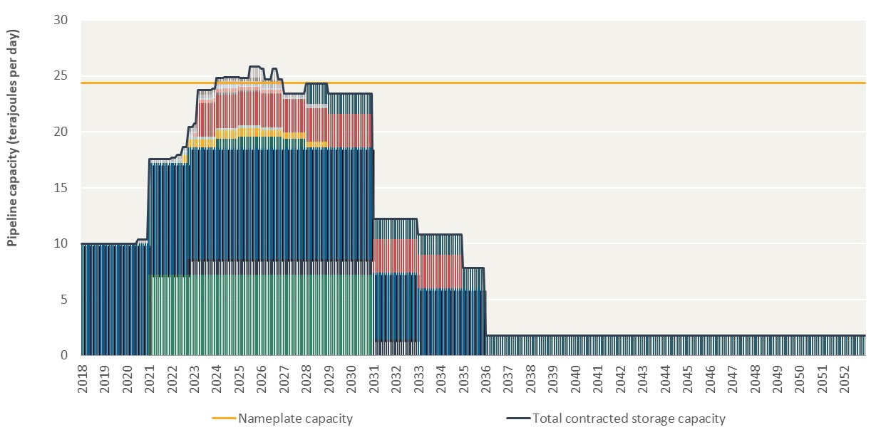
...
IGSF05 | IGSF07 | IGSF08 | IGSF09 | IGSF10 | IGSF11 | IGSF12 | IGSF13 | IGSF14 | IGSF15 | IGSF16 | Total contracted storage capacity | –
0.0 | 0.0 | 0.0 | 0.0 | 0.0 | 0.0 | 0.0 | 0.0 | 0.0 | 0.0 | 0.0 | 10.0
0.0 | 0.0 | 0.0 | 0.0 | 0.0 | 0.0 | 0.0 | 0.0 | 0.0 | 0.0 | 0.0 | 10.0
0.0 | 0.0 | 0.0 | 0.0 | 0.0 | 0.0 | 0.0 | 0.0 | 0.0 | 0.0 | 0.0 | 10.0
0.0 | 0.0 | 0.0 | 0.0 | 0.0 | 0.0 | 0.0 | 0.0 | 0.0 | 0.0 | 0.0 | 10.0
 |  |  |  |  |  |  | 0.0 | 0.0 | 0.0 | 0.0 | 10.0
 |  |  |  |  |  |  | 0.0 | 0.0 | 0.0 | 0.0 | 10.0
 |  |  |  |  |  |  | 0.0 | 0.0 | 0.0 | 0.0 | 10.0
 |  |  |  |  |  |  | 0.0 | 0.0 | 0.0 | 0.0 | 10.0
 |  |  |  |  |  |  | 0.0 | 0.0 | 0.0 | 0.0 | 10.0
 |  |  |  |  |  |  | 0.0 | 0.0 | 0.0 | 0.0 | 10.0
 |  |  |  |  |  |  | 0.0 | 0.0 | 0.0 | 0.0 | 10.0
 |  |  |  |  |  |  | 0.0 | 0.0 | 0.0 | 0.0 | 10.0 | –
 |  |  |  |  |  |  | 0.0 | 0.0 | 0.0 | 0.0 | 10.0
 |  |  |  |  |  |  | 0.0 | 0.0 | 0.0 | 0.0 | 10.0
 |  |  |  |  |  |  | 0.0 | 0.0 | 0.0 | 0.0 | 10.0
 |  |  |  |  |  |  | 0.0 | 0.0 | 0.0 | 0.0 | 10.0
 |  |  |  |  |  |  | 0.0 | 0.0 | 0.0 | 0.0 | 10.0
 |  |  |  |  |  |  | 0.0 | 0.0 | 0.0 | 0.0 | 10.0
 |  |  |  |  |  |  | 0.0 | 0.0 | 0.0 | 0.0 | 10.0
 |  |  |  |  |  |  | 0.0 | 0.0 | 0.0 | 0.0 | 10.0
 |  |  |  |  |  |  | 0.0 | 0.0 | 0.0 | 0.0 | 10.0
 |  |  |  |  |  |  | 0.0 | 0.0 | 0.0 | 0.0 | 10.0
 |  |  |  |  |  |  | 0.0 | 0.0 | 0.0 | 0.0 | 10.0
 |  |  |  |  |  |  | 0.0 | 0.0 | 0.0 | 0.0 | 10.0 | –
 |  |  |  |  |  |  | 0.0 | 0.0 | 0.0 | 0.0 | 10.0
 |  |  |  |  |  |  | 0.0 | 0.0 | 0.0 | 0.0 | 10.0
 |  |  |  |  |  |  | 0.0 | 0.0 | 0.0 | 0.0 | 10.0
 |  |  |  |  |  |  | 0.0 | 0.0 | 0.0 | 0.0 | 10.0
 |  |  |  |  |  |  | 0.0 | 0.0 | 0.0 | 0.0 | 10.0
 |  |  |  |  |  |  | 0.0 | 0.0 | 0.0 | 0.0 | 10.0
 |  |  |  |  |  |  | 0.4 | 0.0 | 0.0 | 0.0 | 10.4
 |  |  |  |  |  |  | 0.4 | 0.0 | 0.0 | 0.0 | 10.4
...

Figure 7.6
To contents page
...
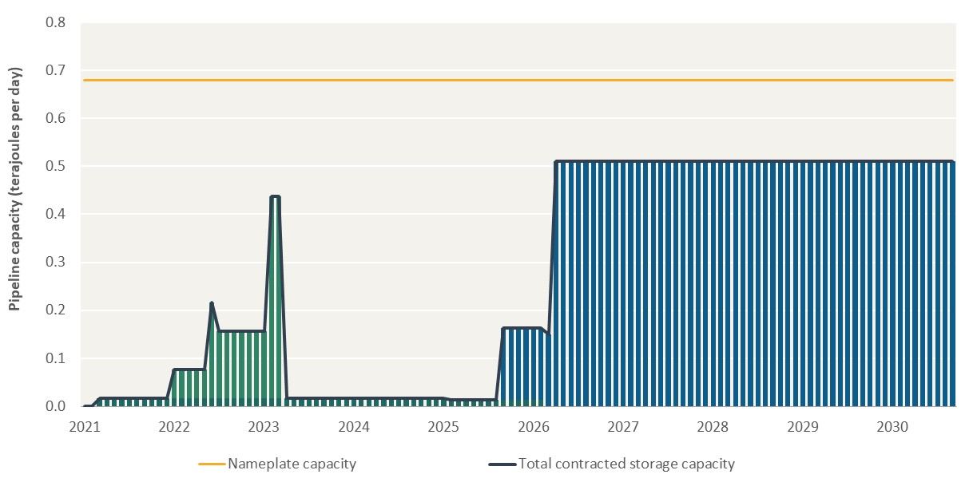
...
CON001057 | CON001058 | CON001059 | CON001060 | CON001063 | CON001311 | Total contracted storage capacity | –
0.0 | 0.0 | 0.0 | 0.0 | 0.0 | 0.0 | 0.0
0.0 | 0.0 | 0.0 | 0.0 | 0.0 | 0.0 | 0.0
0.0 | 0.0 | 0.0 | 0.0 | 0.0 | 0.0 | 0.0
0.0 | 0.0 | 0.0 | 0.0 | 0.0 | 0.0 | 0.0
 |  | 0.0 | 0.0 | 0.0 | 0.0 | 0.0
 |  | 0.0 | 0.0 | 0.0 | 0.0 | 0.0
 |  | 0.0 | 0.0 | 0.0 | 0.0 | 0.0
 |  | 0.0 | 0.0 | 0.0 | 0.0 | 0.0
 |  | 0.0 | 0.0 | 0.0 | 0.0 | 0.0
 |  | 0.0 | 0.0 | 0.0 | 0.0 | 0.0
 |  | 0.0 | 0.0 | 0.0 | 0.0 | 0.0
 |  | 0.0 | 0.0 | 0.0 | 0.0 | 0.0 | –
 |  | 0.0 | 0.0 | 0.1 | 0.0 | 0.1
 |  | 0.0 | 0.0 | 0.1 | 0.0 | 0.1
 |  | 0.0 | 0.0 | 0.1 | 0.0 | 0.1
 |  | 0.0 | 0.0 | 0.1 | 0.0 | 0.1
 |  | 0.0 | 0.0 | 0.1 | 0.0 | 0.1
 |  | 0.0 | 0.0 | 0.2 | 0.0 | 0.2
 |  | 0.0 | 0.0 | 0.1 | 0.0 | 0.2
 |  | 0.0 | 0.0 | 0.1 | 0.0 | 0.2
 |  | 0.0 | 0.0 | 0.1 | 0.0 | 0.2
 |  | 0.0 | 0.0 | 0.1 | 0.0 | 0.2
 |  | 0.0 | 0.0 | 0.1 | 0.0 | 0.2
 |  | 0.0 | 0.0 | 0.1 | 0.0 | 0.2 | –
 |  | 0.0 | 0.0 | 0.1 | 0.0 | 0.2
 |  | 0.0 | 0.0 | 0.4 | 0.0 | 0.4
 |  | 0.0 | 0.0 | 0.4 | 0.0 | 0.4
 |  | 0.0 | 0.0 | 0.0 | 0.0 | 0.0
 |  | 0.0 | 0.0 | 0.0 | 0.0 | 0.0
 |  | 0.0 | 0.0 | 0.0 | 0.0 | 0.0
 |  | 0.0 | 0.0 | 0.0 | 0.0 | 0.0
 |  | 0.0 | 0.0 | 0.0 | 0.0 | 0.0
...

