Figure 8.1
To contents page
Figure 8.1 – Pipeline capacity won via the DAA on auction routes to downstream spot markets

Source: AER analysis using DAA data.

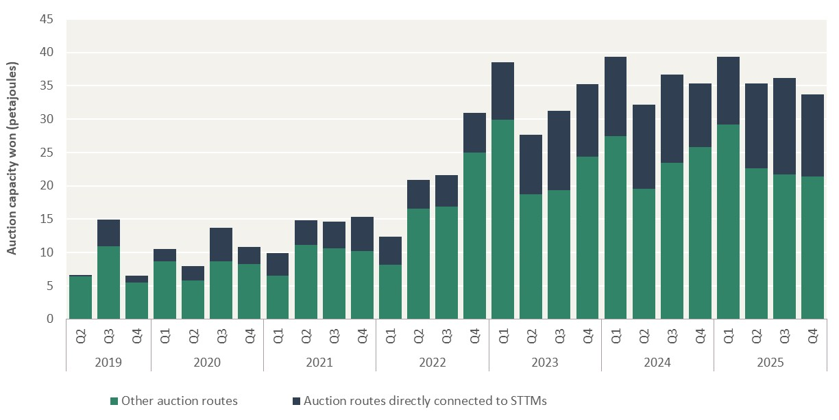
Unit: Petajoules (PJ)
Year | Quarter | Other auction routes | Auction routes directly connected to STTMs
2019 | Q2 | 6.43 | 0.15
 | Q3 | 10.90 | 3.99
 | Q4 | 5.54 | 1.02
2020 | Q1 | 8.63 | 1.85 | –
 | Q2 | 5.84 | 2.14
 | Q3 | 8.69 | 5.01
 | Q4 | 8.22 | 2.56
2021 | Q1 | 6.55 | 3.35
 | Q2 | 11.18 | 3.61
 | Q3 | 10.58 | 4.08
 | Q4 | 10.18 | 5.17
2022 | Q1 | 8.13 | 4.28
 | Q2 | 16.60 | 4.31
 | Q3 | 16.92 | 4.64
 | Q4 | 25.03 | 5.93
2023 | Q1 | 29.92 | 8.58 | –
 | Q2 | 18.76 | 8.89
 | Q3 | 19.35 | 11.86
 | Q4 | 24.40 | 10.82
2024 | Q1 | 27.47 | 11.91
 | Q2 | 19.53 | 12.67
 | Q3 | 23.44 | 13.27
 | Q4 | 25.76 | 9.55
2025 | Q1 | 29.21 | 10.13
 | Q2 | 22.64 | 12.67
 | Q3 | 21.74 | 14.46
 | Q4 | 21.44 | 12.28

Figure 8.2
To contents page
Figure 8.2 – Capacity won on the EGP compared to surplus demand and capacity

Note: Surplus capacity on the DAA routes is measured as the difference between the auction quantity limit (AQL) and the total capacity won for a given auction. Surplus capacity measures spare capacity on routes where bidding has occurred, so does not necessarily capture all nominated contracted capacity on pipelines.
Source: AER analysis using DAA data.

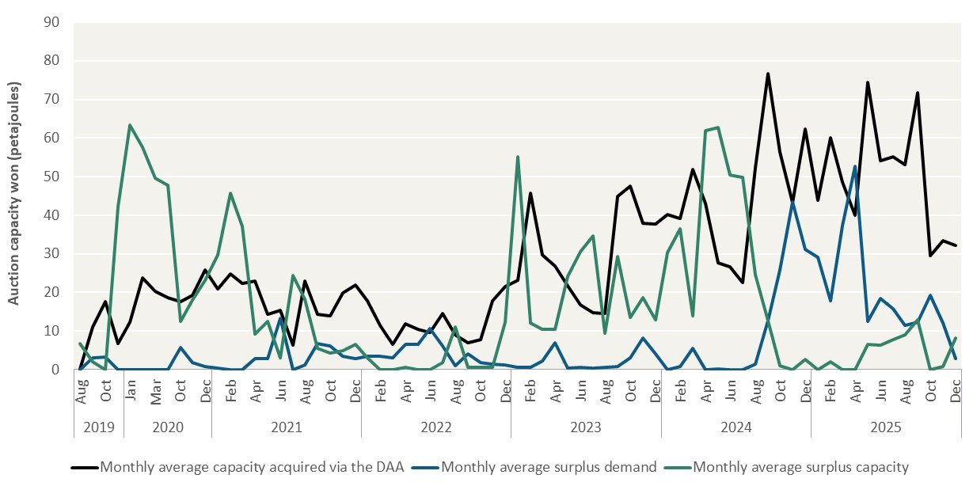
Unit: Terajoules per day (TJ/Day)
Year | Month | Monthly average capacity acquired via the DAA | Monthly average surplus demand | Monthly average surplus capacity
2019 | Aug | 0.10 | 0.05 | 6.82
 | Sep | 11.03 | 2.97 | 1.97
 | Oct | 17.60 | 3.33 | 0.00
 | Nov | 6.70 | 0.00 | 42.13
2020 | Jan | 12.29 | 0.00 | 63.43 | –
 | Feb | 23.68 | 0.00 | 57.66
 | Mar | 20.28 | 0.00 | 49.69
 | Apr | 18.58 | 0.00 | 47.68
 | Oct | 17.59 | 5.64 | 12.54
 | Nov | 19.28 | 1.83 | 18.12
 | Dec | 25.78 | 0.81 | 23.16
2021 | Jan | 21.00 | 0.35 | 29.79 | –
 | Feb | 24.74 | 0.00 | 45.68
 | Mar | 22.42 | 0.00 | 37.18
 | Apr | 22.94 | 2.95 | 9.21
 | May | 14.42 | 2.95 | 12.43
 | Jun | 15.40 | 13.25 | 2.99
 | Jul | 6.40 | 0.02 | 24.42
 | Aug | 22.99 | 1.28 | 18.14
 | Sep | 14.33 | 6.72 | 5.49
 | Oct | 13.86 | 6.12 | 4.39
 | Nov | 19.95 | 3.45 | 4.99
 | Dec | 21.86 | 2.91 | 6.49
2022 | Jan | 17.83 | 3.42 | 3.13 | –
 | Feb | 11.48 | 3.58 | 0.02
 | Mar | 6.60 | 3.14 | 0.00
 | Apr | 11.81 | 6.52 | 0.55
 | May | 10.52 | 6.56 | 0.05
 | Jun | 9.58 | 10.67 | 0.00
 | Jul | 14.61 | 6.09 | 1.89
 | Aug | 8.92 | 0.97 | 11.06
 | Sep | 6.91 | 4.11 | 0.54
 | Oct | 7.71 | 1.92 | 0.52
 | Nov | 17.79 | 1.45 | 0.70
 | Dec | 21.60 | 1.14 | 12.32
2023 | Jan | 23.26 | 0.60 | 55.18 | –
 | Feb | 45.66 | 0.69 | 12.10
 | Mar | 29.75 | 2.30 | 10.50
 | Apr | 26.93 | 7.01 | 10.51
 | May | 21.81 | 0.43 | 24.11
 | Jun | 16.71 | 0.60 | 30.55
 | Jul | 14.78 | 0.49 | 34.72
 | Aug | 14.49 | 0.59 | 9.44
 | Sep | 44.89 | 0.85 | 29.38
 | Oct | 47.56 | 3.13 | 13.54
 | Nov | 37.98 | 8.12 | 18.70
 | Dec | 37.74 | 4.04 | 12.82
2024 | Jan | 40.25 | 0.00 | 30.29 | –
 | Feb | 39.23 | 0.88 | 36.44
 | Mar | 51.84 | 5.57 | 13.92
 | Apr | 42.96 | 0.00 | 61.85
 | May | 27.68 | 0.22 | 62.76
 | Jun | 26.66 | 0.08 | 50.41
 | Jul | 22.62 | 0.05 | 49.73
 | Aug | 52.37 | 1.36 | 24.56
 | Sep | 76.67 | 12.75 | 12.80
 | Oct | 56.40 | 25.81 | 0.93
 | Nov | 43.24 | 43.55 | 0.00
 | Dec | 62.27 | 31.21 | 2.64
2025 | Jan | 43.86 | 29.18 | 0.09 | –
 | Feb | 60.16 | 17.87 | 2.04
 | Mar | 48.58 | 37.23 | 0.00
 | Apr | 39.91 | 52.75 | 0.00
 | May | 74.35 | 12.44 | 6.53
 | Jun | 54.11 | 18.48 | 6.38
 | Jul | 55.23 | 15.80 | 7.74
 | Aug | 53.06 | 11.44 | 9.02
 | Sep | 71.76 | 12.31 | 12.85
 | Oct | 29.53 | 19.30 | 0.04
 | Nov | 33.45 | 12.11 | 0.75
 | Dec | 32.18 | 2.81 | 8.30

Figure 8.3
To contents page
Figure 8.3 – Price bids for the DAA capacity on the EGP auction route to Sydney

Source: AER analysis using DAA data.

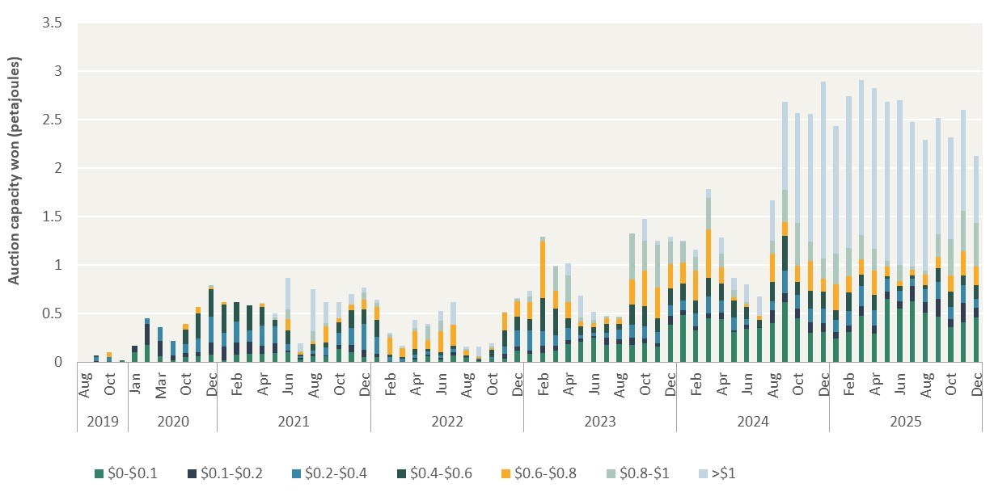
Unit: Petajoules (PJ)
Year | Month | $0-$0.1 | $0.1-$0.2 | $0.2-$0.4 | $0.4-$0.6 | $0.6-$0.8 | $0.8-$1 | >$1
2019 | Aug | 0.00 | 0.00 | 0.00 | 0.00 | 0.00 | 0.00 | 0.00
 | Sep | 0.01 | 0.01 | 0.04 | 0.02 | 0.00 | 0.00 | 0.00
 | Oct | 0.01 | 0.01 | 0.04 | 0.00 | 0.06 | 0.00 | 0.00
 | Nov | 0.02 | 0.00 | 0.00 | 0.00 | 0.00 | 0.00 | 0.00
2020 | Jan | 0.11 | 0.07 | 0.00 | 0.00 | 0.00 | 0.00 | 0.00
 | Feb | 0.18 | 0.22 | 0.06 | 0.00 | 0.00 | 0.00 | 0.00
 | Mar | 0.07 | 0.16 | 0.15 | 0.00 | 0.00 | 0.00 | 0.00
 | Apr | 0.03 | 0.05 | 0.15 | 0.00 | 0.00 | 0.00 | 0.00
 | Oct | 0.06 | 0.04 | 0.09 | 0.15 | 0.06 | 0.00 | 0.00
 | Nov | 0.06 | 0.04 | 0.14 | 0.25 | 0.07 | 0.00 | 0.00
 | Dec | 0.08 | 0.13 | 0.26 | 0.28 | 0.02 | 0.03 | 0.00
2021 | Jan | 0.02 | 0.14 | 0.14 | 0.29 | 0.02 | 0.00 | 0.00
 | Feb | 0.08 | 0.13 | 0.22 | 0.20 | 0.00 | 0.00 | 0.00
 | Mar | 0.08 | 0.13 | 0.12 | 0.25 | 0.00 | 0.00 | 0.00
 | Apr | 0.09 | 0.09 | 0.21 | 0.19 | 0.03 | 0.00 | 0.01
 | May | 0.10 | 0.10 | 0.17 | 0.06 | 0.00 | 0.03 | 0.04
 | Jun | 0.10 | 0.02 | 0.06 | 0.14 | 0.12 | 0.10 | 0.32
 | Jul | 0.03 | 0.01 | 0.02 | 0.01 | 0.03 | 0.01 | 0.08
 | Aug | 0.06 | 0.03 | 0.03 | 0.06 | 0.03 | 0.10 | 0.44
 | Sep | 0.06 | 0.01 | 0.08 | 0.05 | 0.17 | 0.03 | 0.21
 | Oct | 0.13 | 0.04 | 0.13 | 0.11 | 0.05 | 0.00 | 0.16
 | Nov | 0.11 | 0.07 | 0.17 | 0.18 | 0.06 | 0.00 | 0.11
 | Dec | 0.05 | 0.08 | 0.26 | 0.15 | 0.10 | 0.08 | 0.05
2022 | Jan | 0.06 | 0.03 | 0.17 | 0.17 | 0.13 | 0.05 | 0.03
 | Feb | 0.01 | 0.00 | 0.04 | 0.02 | 0.18 | 0.03 | 0.02
 | Mar | 0.01 | 0.00 | 0.03 | 0.01 | 0.09 | 0.00 | 0.03
 | Apr | 0.03 | 0.02 | 0.03 | 0.06 | 0.18 | 0.03 | 0.09
 | May | 0.06 | 0.02 | 0.03 | 0.02 | 0.09 | 0.14 | 0.03
 | Jun | 0.03 | 0.01 | 0.02 | 0.04 | 0.21 | 0.12 | 0.10
 | Jul | 0.07 | 0.03 | 0.03 | 0.04 | 0.21 | 0.00 | 0.23
 | Aug | 0.03 | 0.00 | 0.01 | 0.03 | 0.05 | 0.01 | 0.03
 | Sep | 0.01 | 0.01 | 0.01 | 0.01 | 0.02 | 0.01 | 0.10
 | Oct | 0.03 | 0.00 | 0.02 | 0.07 | 0.02 | 0.02 | 0.04
 | Nov | 0.04 | 0.05 | 0.07 | 0.17 | 0.18 | 0.00 | 0.01
 | Dec | 0.12 | 0.04 | 0.17 | 0.14 | 0.16 | 0.03 | 0.00
2023 | Jan | 0.08 | 0.03 | 0.21 | 0.12 | 0.17 | 0.06 | 0.06
 | Feb | 0.09 | 0.08 | 0.15 | 0.34 | 0.59 | 0.05 | 0.00
 | Mar | 0.12 | 0.05 | 0.10 | 0.28 | 0.19 | 0.24 | 0.01
 | Apr | 0.18 | 0.04 | 0.13 | 0.10 | 0.17 | 0.28 | 0.12
 | May | 0.22 | 0.03 | 0.04 | 0.09 | 0.05 | 0.04 | 0.23
 | Jun | 0.26 | 0.01 | 0.03 | 0.06 | 0.04 | 0.04 | 0.08
 | Jul | 0.18 | 0.08 | 0.05 | 0.09 | 0.06 | 0.02 | 0.00
 | Aug | 0.19 | 0.05 | 0.10 | 0.06 | 0.05 | 0.02 | 0.00
 | Sep | 0.18 | 0.07 | 0.14 | 0.20 | 0.26 | 0.48 | 0.00
 | Oct | 0.20 | 0.05 | 0.12 | 0.21 | 0.37 | 0.31 | 0.23
 | Nov | 0.16 | 0.04 | 0.12 | 0.14 | 0.31 | 0.44 | 0.05
 | Dec | 0.39 | 0.09 | 0.11 | 0.17 | 0.26 | 0.23 | 0.05
2024 | Jan | 0.49 | 0.05 | 0.10 | 0.18 | 0.21 | 0.21 | 0.01
 | Feb | 0.33 | 0.04 | 0.14 | 0.13 | 0.31 | 0.14 | 0.08
 | Mar | 0.45 | 0.06 | 0.18 | 0.19 | 0.49 | 0.33 | 0.09
 | Apr | 0.45 | 0.07 | 0.12 | 0.17 | 0.17 | 0.14 | 0.17
 | May | 0.31 | 0.02 | 0.14 | 0.17 | 0.04 | 0.07 | 0.13
 | Jun | 0.35 | 0.05 | 0.05 | 0.13 | 0.03 | 0.02 | 0.18
 | Jul | 0.35 | 0.01 | 0.00 | 0.08 | 0.04 | 0.00 | 0.20
 | Aug | 0.40 | 0.14 | 0.09 | 0.20 | 0.29 | 0.13 | 0.41
 | Sep | 0.62 | 0.09 | 0.24 | 0.35 | 0.14 | 0.34 | 0.90
 | Oct | 0.45 | 0.10 | 0.14 | 0.14 | 0.16 | 0.44 | 1.14
 | Nov | 0.30 | 0.11 | 0.14 | 0.18 | 0.31 | 0.20 | 1.32
 | Dec | 0.31 | 0.09 | 0.15 | 0.18 | 0.13 | 0.21 | 1.82
2025 | Jan | 0.25 | 0.07 | 0.13 | 0.10 | 0.27 | 0.31 | 1.32
 | Feb | 0.32 | 0.06 | 0.15 | 0.20 | 0.17 | 0.29 | 1.57
 | Mar | 0.48 | 0.10 | 0.21 | 0.12 | 0.16 | 0.24 | 1.60
 | Apr | 0.30 | 0.08 | 0.15 | 0.16 | 0.25 | 0.22 | 1.66
 | May | 0.65 | 0.08 | 0.13 | 0.03 | 0.10 | 0.06 | 1.64
 | Jun | 0.55 | 0.08 | 0.11 | 0.05 | 0.04 | 0.17 | 1.70
 | Jul | 0.63 | 0.16 | 0.07 | 0.03 | 0.06 | 0.04 | 1.48
 | Aug | 0.52 | 0.11 | 0.14 | 0.04 | 0.10 | 0.05 | 1.35
 | Sep | 0.47 | 0.18 | 0.18 | 0.14 | 0.12 | 0.23 | 1.19
 | Oct | 0.37 | 0.08 | 0.12 | 0.16 | 0.16 | 0.38 | 1.05
 | Nov | 0.41 | 0.20 | 0.18 | 0.10 | 0.25 | 0.41 | 1.04
 | Dec | 0.46 | 0.10 | 0.09 | 0.14 | 0.19 | 0.45 | 0.69

Figure 8.4
To contents page
Figure 8.4 – Prices paid at the EGP auction route to Sydney

Source: AER analysis using DAA data.

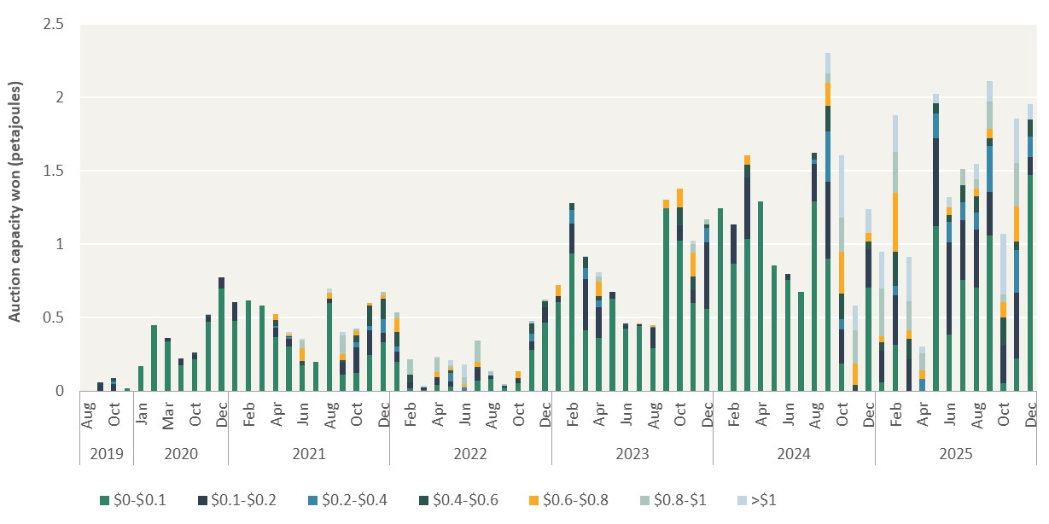
Unit: Petajoules (PJ)
Year | Month | $0-$0.1 | $0.1-$0.2 | $0.2-$0.4 | $0.4-$0.6 | $0.6-$0.8 | $0.8-$1 | >$1
2019 | Aug | 0.00 | 0.00 | 0.00 | 0.00 | 0.00 | 0.00 | 0.00
 | Sep | 0.01 | 0.05 | 0.00 | 0.00 | 0.00 | 0.00 | 0.00
 | Oct | 0.00 | 0.05 | 0.02 | 0.02 | 0.00 | 0.00 | 0.00
 | Nov | 0.02 | 0.00 | 0.00 | 0.00 | 0.00 | 0.00 | 0.00
2020 | Jan | 0.17 | 0.00 | 0.00 | 0.00 | 0.00 | 0.00 | 0.00
 | Feb | 0.45 | 0.00 | 0.00 | 0.00 | 0.00 | 0.00 | 0.00
 | Mar | 0.34 | 0.03 | 0.00 | 0.00 | 0.00 | 0.00 | 0.00
 | Apr | 0.18 | 0.04 | 0.00 | 0.00 | 0.00 | 0.00 | 0.00
 | Oct | 0.22 | 0.03 | 0.00 | 0.01 | 0.00 | 0.00 | 0.00
 | Nov | 0.47 | 0.04 | 0.00 | 0.01 | 0.00 | 0.00 | 0.00
 | Dec | 0.70 | 0.07 | 0.00 | 0.00 | 0.00 | 0.00 | 0.00
2021 | Jan | 0.48 | 0.13 | 0.00 | 0.00 | 0.00 | 0.00 | 0.00
 | Feb | 0.62 | 0.00 | 0.00 | 0.00 | 0.00 | 0.00 | 0.00
 | Mar | 0.58 | 0.00 | 0.00 | 0.00 | 0.00 | 0.00 | 0.00
 | Apr | 0.37 | 0.06 | 0.02 | 0.04 | 0.05 | 0.00 | 0.00
 | May | 0.31 | 0.05 | 0.01 | 0.01 | 0.01 | 0.00 | 0.02
 | Jun | 0.17 | 0.00 | 0.00 | 0.03 | 0.09 | 0.05 | 0.02
 | Jul | 0.20 | 0.00 | 0.00 | 0.00 | 0.00 | 0.00 | 0.00
 | Aug | 0.60 | 0.03 | 0.00 | 0.00 | 0.04 | 0.00 | 0.03
 | Sep | 0.12 | 0.08 | 0.00 | 0.01 | 0.04 | 0.13 | 0.02
 | Oct | 0.12 | 0.17 | 0.04 | 0.04 | 0.03 | 0.01 | 0.00
 | Nov | 0.25 | 0.17 | 0.03 | 0.14 | 0.01 | 0.00 | 0.00
 | Dec | 0.33 | 0.06 | 0.09 | 0.14 | 0.02 | 0.02 | 0.00
2022 | Jan | 0.20 | 0.07 | 0.03 | 0.10 | 0.09 | 0.04 | 0.00
 | Feb | 0.02 | 0.04 | 0.00 | 0.05 | 0.00 | 0.10 | 0.00
 | Mar | 0.01 | 0.02 | 0.00 | 0.00 | 0.00 | 0.01 | 0.00
 | Apr | 0.05 | 0.05 | 0.00 | 0.00 | 0.03 | 0.09 | 0.01
 | May | 0.03 | 0.03 | 0.06 | 0.02 | 0.01 | 0.02 | 0.03
 | Jun | 0.00 | 0.00 | 0.03 | 0.00 | 0.02 | 0.05 | 0.09
 | Jul | 0.07 | 0.08 | 0.00 | 0.01 | 0.03 | 0.15 | 0.00
 | Aug | 0.09 | 0.02 | 0.00 | 0.00 | 0.00 | 0.03 | 0.00
 | Sep | 0.02 | 0.00 | 0.01 | 0.01 | 0.00 | 0.01 | 0.00
 | Oct | 0.06 | 0.02 | 0.00 | 0.01 | 0.04 | 0.00 | 0.00
 | Nov | 0.28 | 0.06 | 0.05 | 0.07 | 0.00 | 0.02 | 0.00
 | Dec | 0.47 | 0.11 | 0.00 | 0.04 | 0.00 | 0.01 | 0.00
2023 | Jan | 0.61 | 0.04 | 0.00 | 0.00 | 0.08 | 0.00 | 0.00
 | Feb | 0.94 | 0.20 | 0.09 | 0.04 | 0.00 | 0.00 | 0.00
 | Mar | 0.41 | 0.35 | 0.07 | 0.08 | 0.00 | 0.00 | 0.01
 | Apr | 0.36 | 0.21 | 0.05 | 0.03 | 0.10 | 0.04 | 0.03
 | May | 0.63 | 0.04 | 0.00 | 0.00 | 0.00 | 0.00 | 0.00
 | Jun | 0.43 | 0.02 | 0.00 | 0.02 | 0.00 | 0.00 | 0.00
 | Jul | 0.45 | 0.01 | 0.00 | 0.00 | 0.00 | 0.00 | 0.00
 | Aug | 0.29 | 0.14 | 0.01 | 0.00 | 0.01 | 0.00 | 0.00
 | Sep | 1.25 | 0.00 | 0.00 | 0.00 | 0.06 | 0.00 | 0.00
 | Oct | 1.03 | 0.10 | 0.00 | 0.13 | 0.13 | 0.00 | 0.00
 | Nov | 0.60 | 0.09 | 0.00 | 0.09 | 0.17 | 0.06 | 0.02
 | Dec | 0.56 | 0.45 | 0.10 | 0.03 | 0.00 | 0.04 | 0.00
2024 | Jan | 1.25 | 0.00 | 0.00 | 0.00 | 0.00 | 0.00 | 0.00
 | Feb | 0.87 | 0.27 | 0.00 | 0.00 | 0.00 | 0.00 | 0.00
 | Mar | 1.04 | 0.42 | 0.00 | 0.09 | 0.06 | 0.00 | 0.00
 | Apr | 1.29 | 0.00 | 0.00 | 0.00 | 0.00 | 0.00 | 0.00
 | May | 0.86 | 0.00 | 0.00 | 0.00 | 0.00 | 0.00 | 0.00
 | Jun | 0.76 | 0.04 | 0.00 | 0.00 | 0.00 | 0.00 | 0.00
 | Jul | 0.68 | 0.00 | 0.00 | 0.00 | 0.00 | 0.00 | 0.00
 | Aug | 1.29 | 0.25 | 0.03 | 0.05 | 0.00 | 0.00 | 0.00
 | Sep | 0.90 | 0.52 | 0.34 | 0.17 | 0.15 | 0.07 | 0.14
 | Oct | 0.19 | 0.24 | 0.07 | 0.17 | 0.29 | 0.23 | 0.43
 | Nov | 0.00 | 0.00 | 0.00 | 0.04 | 0.14 | 0.23 | 0.17
 | Dec | 0.71 | 0.26 | 0.00 | 0.05 | 0.06 | 0.00 | 0.16
2025 | Jan | 0.06 | 0.21 | 0.00 | 0.06 | 0.04 | 0.32 | 0.25
 | Feb | 0.32 | 0.34 | 0.06 | 0.23 | 0.40 | 0.28 | 0.25
 | Mar | 0.00 | 0.22 | 0.00 | 0.14 | 0.06 | 0.20 | 0.30
 | Apr | 0.00 | 0.00 | 0.08 | 0.00 | 0.06 | 0.12 | 0.05
 | May | 1.12 | 0.60 | 0.17 | 0.07 | 0.00 | 0.00 | 0.06
 | Jun | 0.38 | 0.63 | 0.14 | 0.05 | 0.06 | 0.00 | 0.07
 | Jul | 0.76 | 0.41 | 0.12 | 0.12 | 0.00 | 0.11 | 0.00
 | Aug | 0.70 | 0.40 | 0.12 | 0.11 | 0.05 | 0.06 | 0.11
 | Sep | 1.06 | 0.29 | 0.32 | 0.05 | 0.06 | 0.19 | 0.14
 | Oct | 0.06 | 0.25 | 0.00 | 0.19 | 0.10 | 0.06 | 0.41
 | Nov | 0.22 | 0.45 | 0.29 | 0.06 | 0.24 | 0.29 | 0.30
 | Dec | 1.47 | 0.12 | 0.14 | 0.12 | 0.00 | 0.00 | 0.10

Figure 8.5
To contents page
Figure 8.5 – Indicative impact of DAA capacity on prices in the Sydney STTM

Note: The theoretical price difference in the figure represents the maximum price impact on the Sydney STTM spot price. The bar shows the price of the highest cleared supply offer in the Sydney STTM and the indicative clearing price if incremental offers had been scheduled in line with gas quantities won via the DAA and had not been offered into the Sydney STTM.
Source: AER analysis using AEMO data.

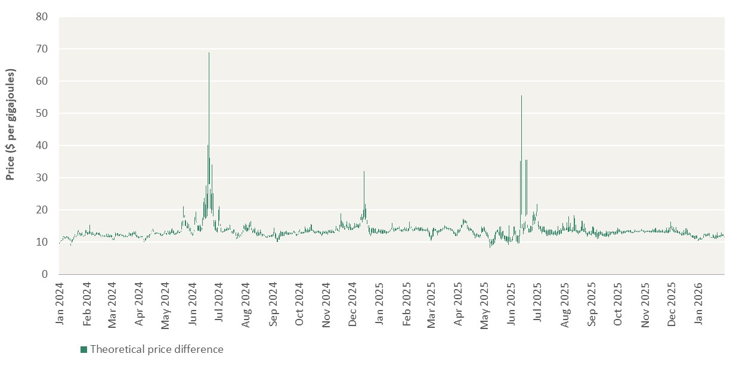
Unit: $ per Gigajoule ($/GJ)
Date | Theoretical price | Highest scheduled offer price | Theoretical price difference
2024-01-01 | 9.91 | 9.50 | 0.41
2024-01-02 | 10.25 | 10.00 | 0.25
2024-01-03 | 10.70 | 10.50 | 0.20
2024-01-04 | 10.60 | 10.39 | 0.21
2024-01-05 | 11.40 | 10.67 | 0.73
2024-01-06 | 11.98 | 11.47 | 0.51
2024-01-07 | 11.72 | 11.21 | 0.51
2024-01-08 | 11.60 | 11.27 | 0.33
2024-01-09 | 12.00 | 11.50 | 0.50
2024-01-10 | 11.70 | 11.20 | 0.50
2024-01-11 | 11.70 | 11.25 | 0.45
2024-01-12 | 11.29 | 10.80 | 0.49
2024-01-13 | 11.20 | 10.43 | 0.77
2024-01-14 | 9.55 | 9.00 | 0.55
2024-01-15 | 10.80 | 9.80 | 1.00
2024-01-16 | 11.00 | 10.30 | 0.70
2024-01-17 | 11.51 | 10.90 | 0.61
2024-01-18 | 12.01 | 11.50 | 0.51
2024-01-19 | 12.56 | 12.05 | 0.51
2024-01-20 | 11.91 | 11.50 | 0.41
2024-01-21 | 12.20 | 11.91 | 0.29
2024-01-22 | 13.40 | 12.10 | 1.30
2024-01-23 | 13.71 | 13.20 | 0.51
2024-01-24 | 13.02 | 12.40 | 0.62
2024-01-25 | 12.77 | 12.00 | 0.77
2024-01-26 | 12.70 | 12.20 | 0.50
2024-01-27 | 13.01 | 12.20 | 0.81
2024-01-28 | 11.93 | 11.79 | 0.14
2024-01-29 | 12.20 | 11.90 | 0.30
2024-01-30 | 12.49 | 11.86 | 0.63
2024-01-31 | 13.79 | 12.75 | 1.04
2024-02-01 | 13.80 | 12.89 | 0.91
2024-02-02 | 13.20 | 12.23 | 0.97
2024-02-03 | 12.95 | 12.49 | 0.46
2024-02-04 | 13.43 | 12.41 | 1.02
2024-02-05 | 15.49 | 12.70 | 2.79
2024-02-06 | 13.19 | 12.60 | 0.59
2024-02-07 | 12.80 | 12.15 | 0.65
2024-02-08 | 13.18 | 12.29 | 0.89
2024-02-09 | 12.70 | 12.25 | 0.45
2024-02-10 | 12.05 | 11.90 | 0.15
2024-02-11 | 12.67 | 11.85 | 0.82
2024-02-12 | 13.01 | 12.31 | 0.70
2024-02-13 | 12.97 | 12.40 | 0.57
2024-02-14 | 12.87 | 12.40 | 0.47
2024-02-15 | 12.88 | 12.24 | 0.64
2024-02-16 | 13.01 | 12.14 | 0.87
2024-02-17 | 12.40 | 11.96 | 0.44
2024-02-18 | 11.79 | 11.59 | 0.20
2024-02-19 | 12.30 | 11.87 | 0.43
2024-02-20 | 11.90 | 11.75 | 0.15
2024-02-21 | 12.17 | 11.70 | 0.47
2024-02-22 | 12.12 | 11.70 | 0.42
2024-02-23 | 12.00 | 11.70 | 0.30
...

