Figure 9.1
To contents page
Figure 9.1 – Volume of ASX listed futures products by trade date

Source: AER analysis using ASX data.

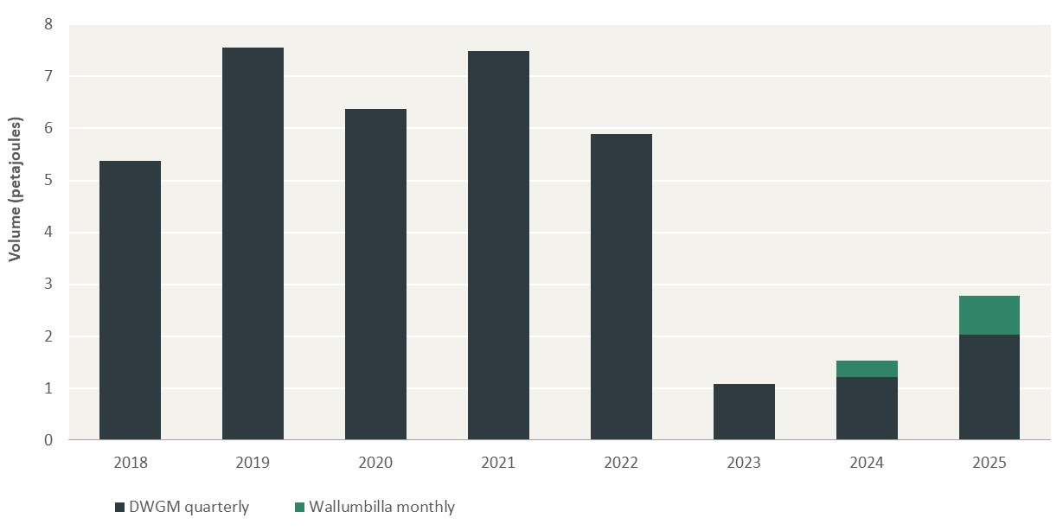
Unit: Petajoules (PJ)
Year | DWGM quarterly | Wallumbilla monthly
2018 | 5.4 | 0.0 | –
2019 | 7.6 | 0.0
2020 | 6.4 | 0.0
2021 | 7.5 | 0.0
2022 | 5.9 | 0.0
2023 | 1.1 | 0.0
2024 | 1.2 | 0.3
2025 | 2.0 | 0.7

 |  |  | –

 |  |  | –

 |  |  | –

 |  |  | –

 |  |  | –

 |  |  | –

 |  |  | –

 |  |  | –

Figure 9.2
To contents page
Figure 9.2 – VWA DWGM futures forward traded prices and DWGM daily spot price

Note: Price of DWGM futures traded is a volume-weighted price of all the trades in the respective quarter. DWGM spot price is the DWGM daily imbalance price.
Source: AER analysis using AEMO and ASX data.

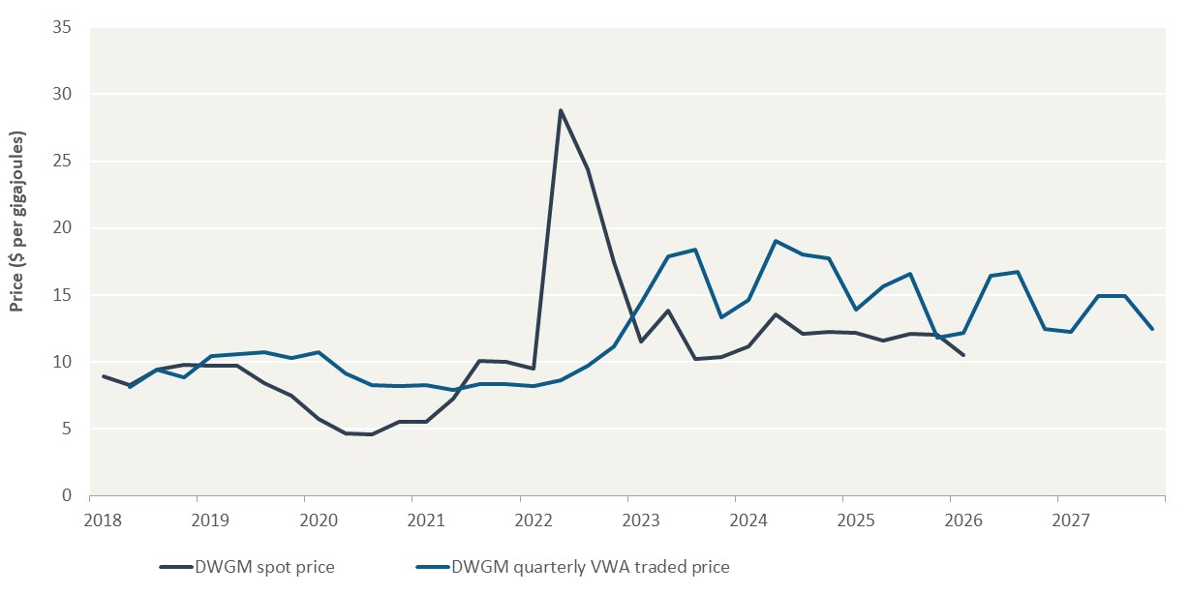
Unit: $ per gigajoule
Year | Quarter | DWGM spot price | DWGM quarterly VWA traded price
2018 | Q1 | 9 |  | –
 | Q2 | 8 | 8
 | Q3 | 9 | 9
 | Q4 | 10 | 9
2019 | Q1 | 10 | 10
 | Q2 | 10 | 11
 | Q3 | 8 | 11
 | Q4 | 7 | 10
2020 | Q1 | 6 | 11
 | Q2 | 5 | 9
 | Q3 | 5 | 8
 | Q4 | 6 | 8
2021 | Q1 | 6 | 8 | –
 | Q2 | 7 | 8
 | Q3 | 10 | 8
 | Q4 | 10 | 8
2022 | Q1 | 9 | 8
 | Q2 | 29 | 9
 | Q3 | 24 | 10
 | Q4 | 17 | 11
2023 | Q1 | 12 | 14
 | Q2 | 14 | 18
 | Q3 | 10 | 18
 | Q4 | 10 | 13
2024 | Q1 | 11 | 15 | –
 | Q2 | 14 | 19
 | Q3 | 12 | 18
 | Q4 | 12 | 18
2025 | Q1 | 12 | 14
 | Q2 | 12 | 16
 | Q3 | 12 | 17
 | Q4 | 12 | 12
2026 | Q1 | 10 | 12
 | Q2 |  | 16
 | Q3 |  | 17
 | Q4 |  | 12
2027 | Q1 |  | 12 | –
 | Q2 |  | 15
 | Q3 |  | 15
 | Q4 |  | 12

 |  |  |  | –

 |  |  |  | –

 |  |  |  | –

 |  |  |  | –

 |  |  |  | –

Figure 9.3
To contents page
Figure 9.3 – Traded volumes in OTC wholesale gas market swaps – 1 January 2023 to 30 June 2025

Note: Volume of OTC trades that occurred during the year from participants who provided information.
Source: AER analysis using AER data.

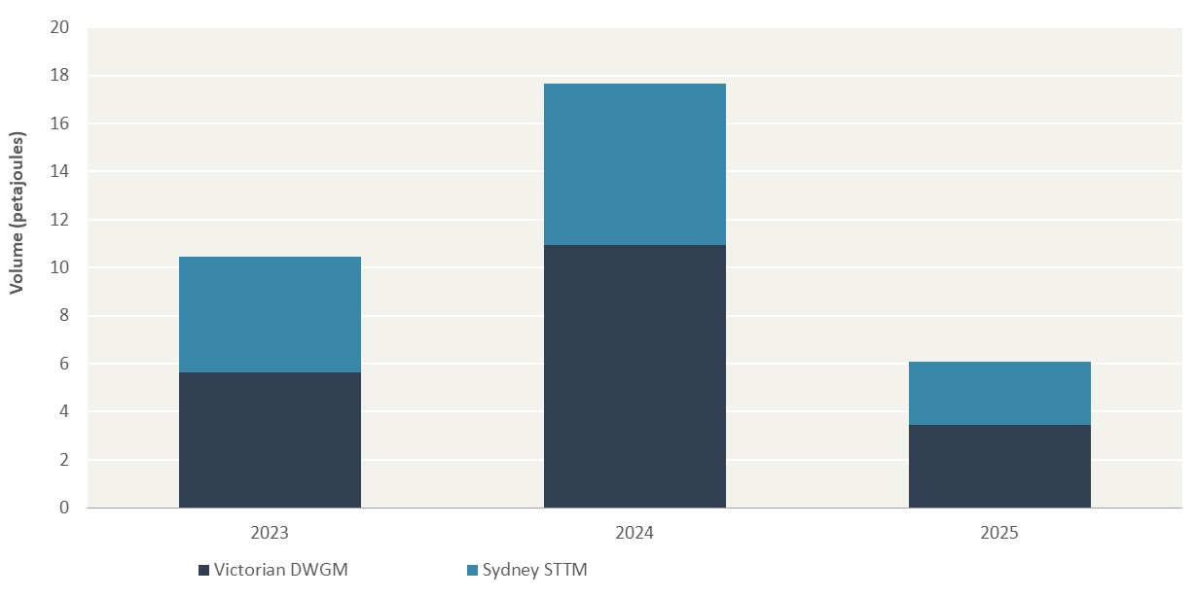
Unit: Petajoules (PJ)
Year | Victorian DWGM | Sydney STTM
2023 | 6 | 5 |  | –
2024 | 11 | 7
2025 | 3 | 3

 |  |  | –

 |  |  | –

 |  |  | –

 |  |  | –

 |  |  | –

 |  |  | –

 |  |  | –

 |  |  | –

Figure 9.4
To contents page
Figure 9.4 – Volume-weighted average OTC swap forward traded prices

Note: VWA price of OTC trades that occurred from participants who provided information.
Source: AER analysis using AER data.

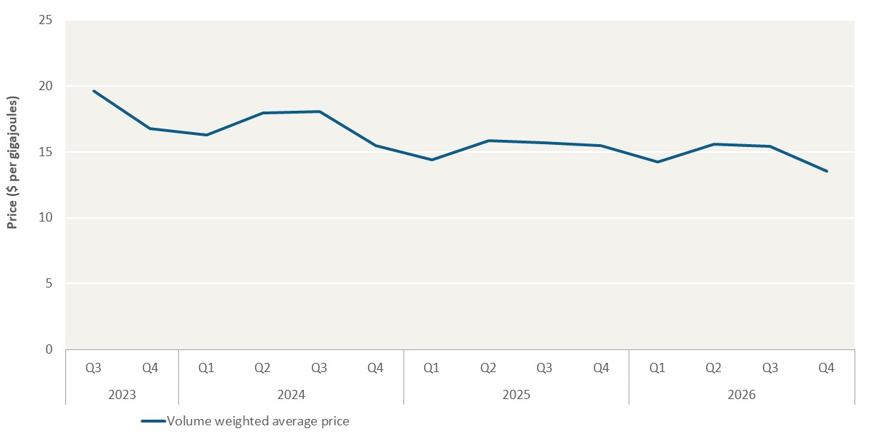
Unit: $ per gigajoule
Year | Quarter | Volume weighted average price
2023 | Q3 | 19.61 | –
 | Q4 | 16.79
2024 | Q1 | 16.30
 | Q2 | 17.98
 | Q3 | 18.04
 | Q4 | 15.45
2025 | Q1 | 14.39
 | Q2 | 15.87
 | Q3 | 15.71
 | Q4 | 15.50
2026 | Q1 | 14.24
 | Q2 | 15.57
 | Q3 | 15.43 | –
 | Q4 | 13.55

 |  |  |  | –

 |  |  |  | –

 |  |  |  | –

 |  |  |  | –

 |  |  |  | –

 |  |  |  | –

 |  |  |  | –

