Box Figure 5.1
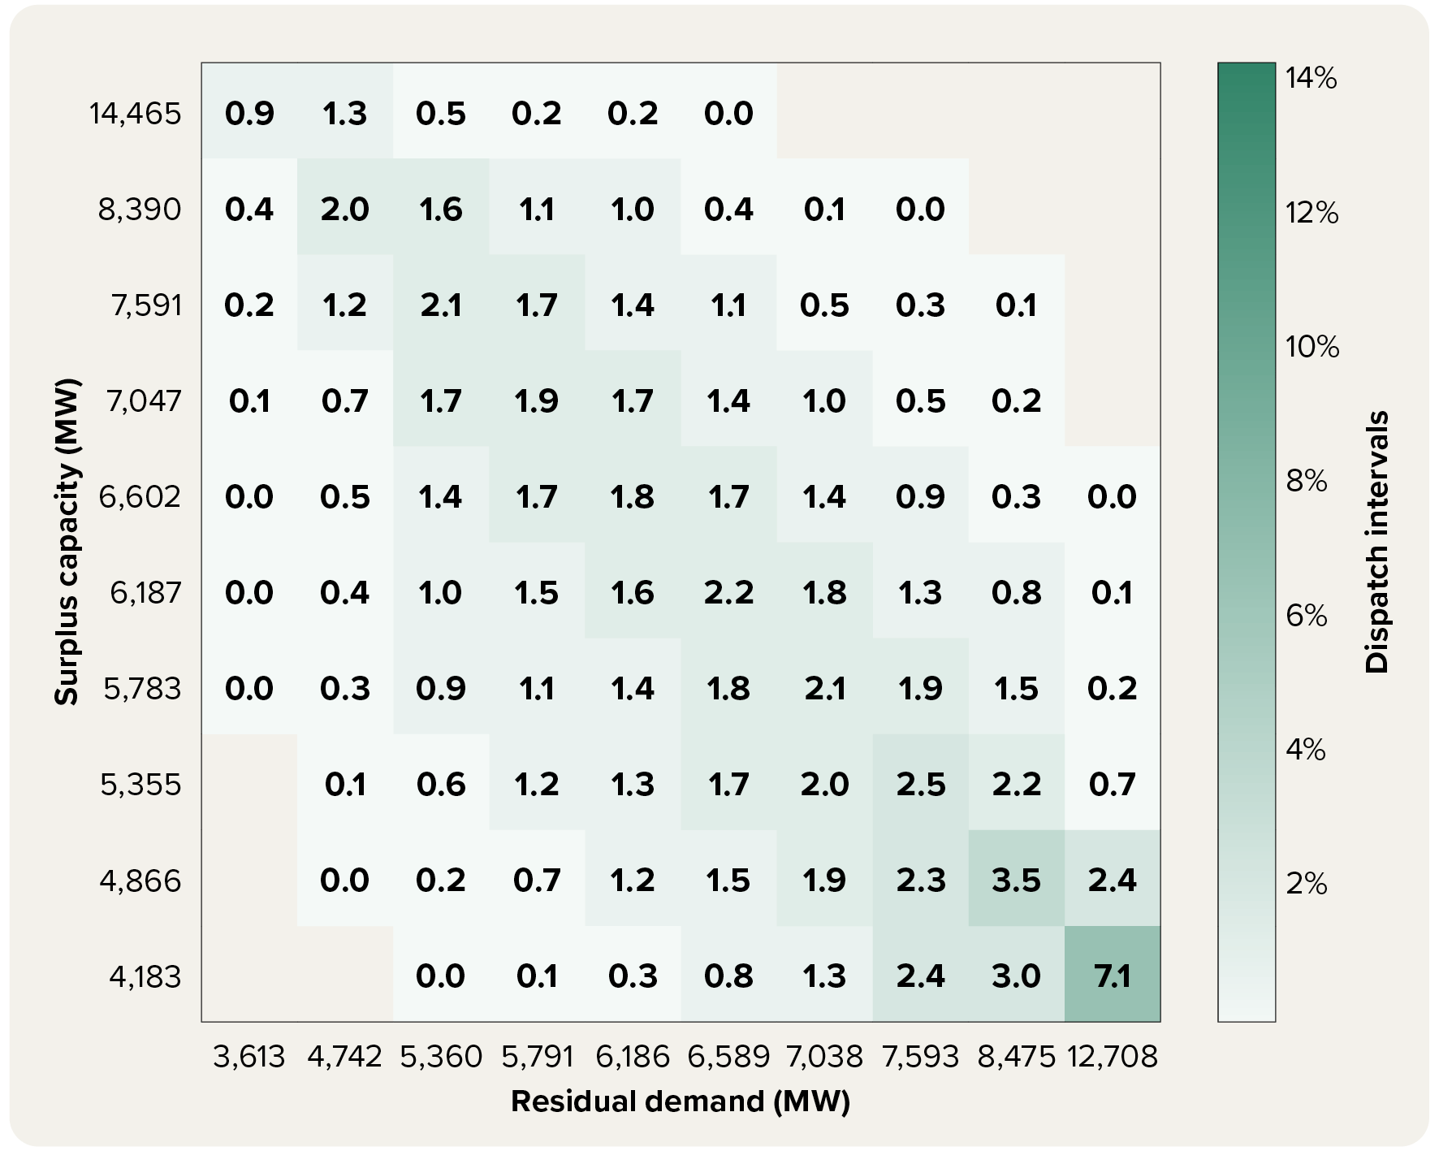
To contents page
Box Figure 5.1 Percentage dispatch intervals, by surplus capacity and residual demand levels, NSW in 2021

Box Figure 5.2
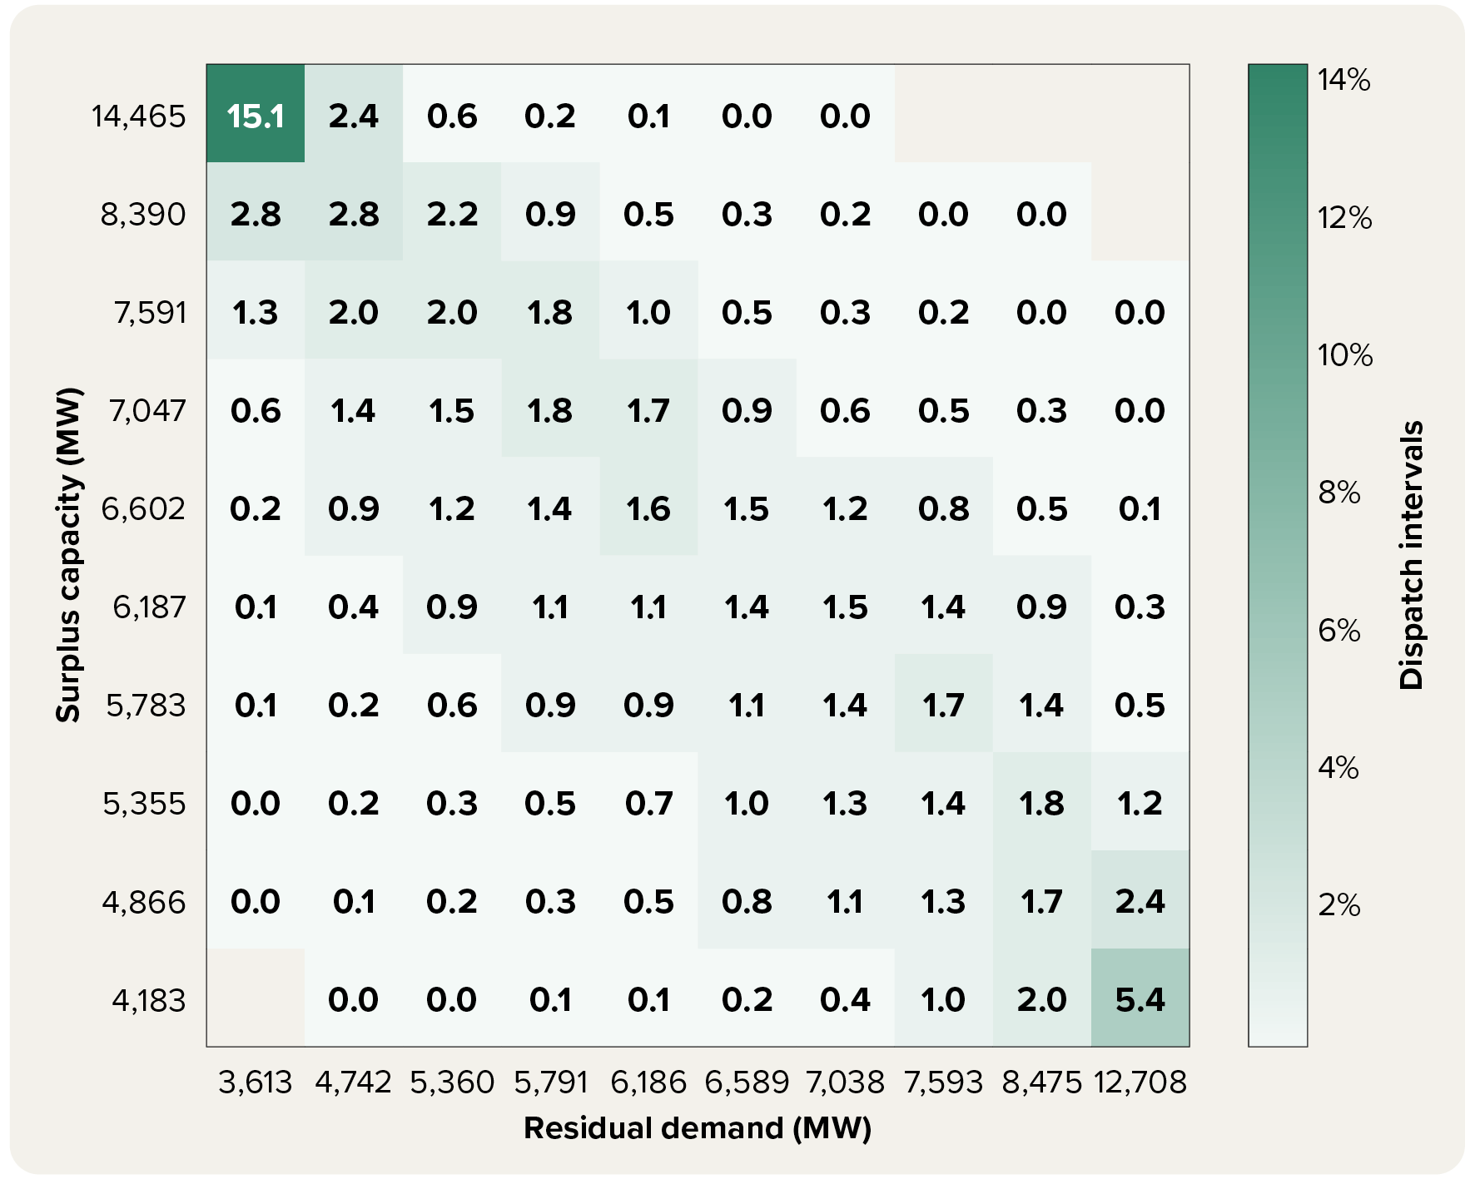
To contents page
Box Figure 5.2 Percentage dispatch intervals, by surplus capacity and residual demand levels, NSW in 2025

Figure 5.1
To contents page
Figure 5.1 Count of initial offers and rebids submitted to AEMO

 | Initial offers | Rebids
2020 | 1,498,448 | 5,384,158
2021 | 1,693,809 | 9,316,331
2022 | 3,021,680 | 19,796,937
2023 | 4,110,081 | 35,631,790
2024 | 3,851,656 | 54,036,262
2025 | 6,452,597 | 72,816,561

 |  |  | Note: Count of offers submitted to AEMO in all energy and FCAS markets. Initial offers are offers submitted prior to 12.30 pm the previous day. Rebids are offers submitted after 12.30 pm the previous day (that is, once the pre-dispatch period has begun).

 |  |  | Source: AER analysis using NEM data.

Figure 5.2
To contents page
Figure 5.2 Count of energy bids and FCAS bids submitted to AEMO

 | Energy bids | FCAS bids
2020 | 1,289,544 | 5,593,062
2021 | 2,295,153 | 8,714,987
2022 | 4,159,343 | 18,659,274
2023 | 5,849,904 | 33,891,967
2024 | 7,613,332 | 50,274,586
2025 | 11,522,725 | 67,746,433

 |  |  | Note: Count of offers submitted to AEMO. Includes both ‘initial offers’ (offers submitted prior to 12.30 pm the previous day) and ‘rebids’ (offers submitted after this time).

 |  |  | Source: AER analysis using NEM data.

Figure 5.3
To contents page
Figure 5.3 Count of energy bids submitted to AEMO, by fuel type

 | Battery | Grid solar | Wind | Hydro | Gas | Black coal | Other fuel types
2021 | 659,509 | 316,419 | 509,628 | 340,400 | 247,263 | 156,240 | 65,678
2022 | 1,500,743 | 662,097 | 559,660 | 696,545 | 380,294 | 141,529 | 218,475
2023 | 3,368,305 | 781,559 | 565,065 | 593,567 | 343,832 | 124,806 | 72,770
2024 | 5,315,121 | 806,764 | 796,072 | 247,000 | 235,369 | 149,120 | 63,886
2025 | 8,466,802 | 1,355,117 | 989,116 | 231,932 | 208,810 | 211,606 | 59,342

 |  |  |  |  |  |  |  | Note: Count of offers submitted to AEMO in energy markets (does not include FCAS offers). Includes both ‘initial offers’ (offers submitted prior to 12.30 pm the previous day) and ‘rebids’ (offers submitted after this time).

 |  |  |  |  |  |  |  | Source: AER analysis using NEM data.

Figure 5.4
To contents page
Figure 5.4 NEM quarterly average offered capacity, by price band

 |  | Below $0 per MWh | $0 to $300 per MWh | Above $300 per MWh
2021 | Jan – Mar | 16,386 | 9,918 | 9,729
 | Apr – Jun | 16,859 | 8,159 | 8,127
 | Jul – Sep | 18,454 | 7,831 | 8,238
 | Oct – Dec | 16,340 | 8,107 | 9,377
2022 | Jan – Mar | 16,659 | 9,715 | 9,820
 | Apr – Jun | 16,781 | 6,160 | 10,453
 | Jul – Sep | 17,814 | 6,593 | 10,613
 | Oct – Dec | 16,058 | 7,666 | 9,304
2023 | Jan – Mar | 17,424 | 8,327 | 10,215
 | Apr – Jun | 16,446 | 8,997 | 8,810
 | Jul – Sep | 17,124 | 8,865 | 9,068
 | Oct – Dec | 16,476 | 8,255 | 9,569
2024 | Jan – Mar | 17,658 | 8,956 | 10,474
 | Apr – Jun | 16,577 | 8,325 | 9,865
 | Jul – Sep | 18,016 | 8,299 | 9,714
 | Oct – Dec | 17,074 | 8,006 | 9,440
2025 | Jan – Mar | 18,553 | 8,546 | 10,767
 | Apr – Jun | 17,656 | 8,780 | 9,839
 | Jul – Sep | 19,239 | 8,061 | 11,516
 | Oct – Dec | 18,321 | 8,319 | 11,153
2026 | Jan – Mar | 19,026 | 10,029 | 12,128

 |  |  |  |  | Note: Quarterly average capacity offered by NEM generators within price bands.
 |  |  |  |  | Source: AER analysis using NEM data.

Figure 5.5
To contents page
Figure 5.5 Change in NEM capacity offered below price thresholds, by time of day

 | Total offer change 2021 to 2025 |  |  |  |  |  | Total offer change 2024 to 2025

Change from 2024 to 2025
Change from 2021 to 2025
 | Below $0 per MWh | Below $50 per MWh | Below $100 per MWh | Below $300 per MWh | Total |  | Below $0 per MWh | Below $50 per MWh | Below $100 per MWh | Below $300 per MWh | Total
0:00:00 | 542 | -1,281 | -211 | 958 | 2,064 | 0:00:00 | 888 | 319 | 536 | 947 | 1,466
1:00:00 | 548 | -1,205 | -148 | 1,050 | 2,071 | 1:00:00 | 928 | 369 | 569 | 1,013 | 1,511
1:00:00 | 526 | -1,106 | -95 | 1,107 | 2,079 | 1:00:00 | 941 | 462 | 639 | 1,085 | 1,531
2:00:00 | 511 | -1,045 | -14 | 1,204 | 2,119 | 2:00:00 | 924 | 479 | 658 | 1,142 | 1,565
2:00:00 | 489 | -983 | 55 | 1,292 | 2,210 | 2:00:00 | 932 | 517 | 704 | 1,179 | 1,624
3:00:00 | 485 | -965 | 71 | 1,330 | 2,254 | 3:00:00 | 933 | 526 | 715 | 1,199 | 1,650
3:00:00 | 465 | -979 | 64 | 1,330 | 2,246 | 3:00:00 | 910 | 505 | 694 | 1,180 | 1,641
4:00:00 | 453 | -992 | 68 | 1,328 | 2,251 | 4:00:00 | 877 | 472 | 653 | 1,136 | 1,627
4:00:00 | 528 | -1,041 | 77 | 1,393 | 2,255 | 4:00:00 | 888 | 423 | 631 | 1,151 | 1,626
5:00:00 | 527 | -1,078 | 41 | 1,354 | 2,226 | 5:00:00 | 900 | 414 | 595 | 1,098 | 1,608
5:00:00 | 570 | -1,139 | 5 | 1,185 | 2,216 | 5:00:00 | 982 | 437 | 542 | 993 | 1,511
6:00:00 | 436 | -1,338 | -143 | 1,061 | 2,292 | 6:00:00 | 928 | 377 | 459 | 961 | 1,495
6:00:00 | 389 | -1,316 | -119 | 1,043 | 2,456 | 6:00:00 | 902 | 401 | 506 | 854 | 1,390
7:00:00 | 645 | -1,051 | 131 | 1,401 | 2,802 | 7:00:00 | 953 | 450 | 578 | 959 | 1,467
7:00:00 | 835 | -988 | 116 | 1,203 | 3,137 | 7:00:00 | 1,021 | 562 | 776 | 951 | 1,533
8:00:00 | 1,175 | -740 | 265 | 1,326 | 3,545 | 8:00:00 | 1,138 | 582 | 832 | 956 | 1,638
8:00:00 | 1,403 | -608 | 335 | 1,267 | 3,582 | 8:00:00 | 1,210 | 692 | 929 | 969 | 1,852
9:00:00 | 1,608 | -419 | 468 | 1,222 | 3,850 | 9:00:00 | 1,225 | 789 | 1,066 | 998 | 1,974
9:00:00 | 2,028 | -70 | 716 | 1,458 | 4,116 | 9:00:00 | 1,234 | 884 | 1,106 | 1,053 | 2,206
10:00:00 | 2,234 | 13 | 831 | 1,493 | 4,351 | 10:00:00 | 1,251 | 902 | 1,191 | 1,141 | 2,370
10:00:00 | 2,344 | 87 | 893 | 1,498 | 4,588 | 10:00:00 | 1,260 | 901 | 1,219 | 1,130 | 2,503 | Note: Change in annual average offered capacity by NEM generators below price thresholds, by time of day. Categories are cumulative. For example, the change in capacity offered below $50 per MWh includes changes in capacity offered below $0 per MWh and between $0 per MWh and $50 per MWh. Left chart shows change between 2021 and 2025, while right chart shows change between 2024 and 2025
11:00:00 | 2,378 | 123 | 943 | 1,518 | 4,753 | 11:00:00 | 1,253 | 921 | 1,241 | 1,178 | 2,619
11:00:00 | 2,399 | 153 | 940 | 1,505 | 4,802 | 11:00:00 | 1,243 | 938 | 1,238 | 1,216 | 2,629
12:00:00 | 2,441 | 212 | 1,017 | 1,573 | 4,916 | 12:00:00 | 1,237 | 926 | 1,246 | 1,267 | 2,683
12:00:00 | 2,494 | 260 | 1,078 | 1,548 | 5,004 | 12:00:00 | 1,242 | 879 | 1,239 | 1,231 | 2,734
13:00:00 | 2,496 | 296 | 1,149 | 1,672 | 5,036 | 13:00:00 | 1,215 | 859 | 1,239 | 1,295 | 2,746 | Source: AER analysis using NEM data.
13:00:00 | 2,520 | 319 | 1,210 | 1,751 | 5,089 | 13:00:00 | 1,223 | 850 | 1,257 | 1,312 | 2,802
14:00:00 | 2,558 | 355 | 1,231 | 1,782 | 5,037 | 14:00:00 | 1,197 | 825 | 1,235 | 1,305 | 2,791
14:00:00 | 2,630 | 393 | 1,299 | 1,831 | 4,958 | 14:00:00 | 1,191 | 730 | 1,171 | 1,282 | 2,722
15:00:00 | 2,793 | 461 | 1,304 | 1,870 | 4,970 | 15:00:00 | 1,180 | 701 | 1,119 | 1,264 | 2,698
15:00:00 | 3,202 | 577 | 1,372 | 2,082 | 5,040 | 15:00:00 | 1,166 | 677 | 1,093 | 1,316 | 2,685
16:00:00 | 3,245 | 645 | 1,331 | 2,154 | 4,989 | 16:00:00 | 1,086 | 628 | 940 | 1,203 | 2,620
16:00:00 | 3,139 | 564 | 1,298 | 2,353 | 5,019 | 16:00:00 | 1,335 | 806 | 1,059 | 1,437 | 2,547
17:00:00 | 2,953 | 147 | 888 | 2,067 | 4,519 | 17:00:00 | 1,405 | 736 | 930 | 1,227 | 2,332
17:00:00 | 2,479 | -491 | 405 | 1,810 | 3,929 | 17:00:00 | 1,318 | 543 | 723 | 1,082 | 2,122
18:00:00 | 2,038 | -875 | 158 | 1,724 | 3,463 | 18:00:00 | 1,187 | 382 | 586 | 988 | 1,985
18:00:00 | 1,632 | -1,100 | 77 | 1,649 | 3,136 | 18:00:00 | 933 | 195 | 520 | 900 | 1,879
19:00:00 | 1,402 | -1,210 | 22 | 1,506 | 2,956 | 19:00:00 | 855 | 144 | 512 | 836 | 1,821
19:00:00 | 1,301 | -1,183 | 35 | 1,388 | 2,997 | 19:00:00 | 726 | 129 | 473 | 790 | 1,784
20:00:00 | 1,342 | -1,027 | 126 | 1,333 | 2,903 | 20:00:00 | 832 | 215 | 519 | 744 | 1,692
20:00:00 | 1,214 | -1,056 | 82 | 1,150 | 2,848 | 20:00:00 | 827 | 275 | 545 | 704 | 1,650
21:00:00 | 1,043 | -1,033 | 62 | 1,057 | 2,709 | 21:00:00 | 868 | 290 | 525 | 685 | 1,544
21:00:00 | 834 | -984 | 63 | 963 | 2,417 | 21:00:00 | 925 | 392 | 653 | 764 | 1,559
22:00:00 | 686 | -1,014 | 16 | 862 | 2,343 | 22:00:00 | 930 | 409 | 663 | 782 | 1,498
22:00:00 | 485 | -1,125 | -41 | 925 | 2,226 | 22:00:00 | 970 | 545 | 662 | 817 | 1,456
23:00:00 | 503 | -1,215 | -123 | 829 | 2,156 | 23:00:00 | 963 | 525 | 654 | 855 | 1,472
23:00:00 | 418 | -1,389 | -260 | 830 | 2,091 | 23:00:00 | 946 | 418 | 577 | 880 | 1,418
0:00:00 | 381 | -1,437 | -332 | 785 | 2,068 | 0:00:00 | 957 | 414 | 598 | 943 | 1,445

Figure 5.6
To contents page
Figure 5.6 Quarterly average wind and solar offers, by price band

 |  | Below $0 | $0 to $50 | $50 to $100 | $100 to $300 | $300 to $5,000 | Above $5,000
2021 | Jan – Mar | 3,004 | 135 | 1 | 7 | 10 | 18
 | Apri – Jun | 2,854 | 74 | 1 | 5 | 8 | 22
 | Jul – Sep | 3,762 | 35 | 3 | 45 | 19 | 37
 | Oct – Dec | 3,767 | 86 | 0 | 8 | 4 | 28
2022 | Jan – Mar | 4,011 | 59 | 1 | 1 | 4 | 15
 | Apri – Jun | 3,710 | 35 | 1 | 1 | 1 | 12
 | Jul – Sep | 4,345 | 37 | 1 | 4 | 1 | 21
 | Oct – Dec | 4,666 | 33 | 2 | 4 | 2 | 55
2023 | Jan – Mar | 4,704 | 27 | 3 | 5 | 1 | 36
 | Apri – Jun | 4,467 | 19 | 1 | 2 | 0 | 26
 | Jul – Sep | 4,959 | 42 | 1 | 7 | 0 | 37
 | Oct – Dec | 5,444 | 73 | 4 | 17 | 0 | 74
2024 | Jan – Mar | 5,220 | 33 | 6 | 3 | 0 | 33
 | Apri – Jun | 3,991 | 5 | 0 | 1 | 0 | 4
 | Jul – Sep | 5,588 | 32 | 2 | 9 | 0 | 44
 | Oct – Dec | 5,859 | 43 | 4 | 7 | 2 | 78
2025 | Jan – Mar | 6,144 | 42 | 4 | 7 | 3 | 62
 | Apri – Jun | 5,214 | 49 | 2 | 1 | 1 | 22
 | Jul – Sep | 6,871 | 130 | 3 | 4 | 2 | 52
 | Oct – Dec | 7,458 | 255 | 5 | 17 | 9 | 118
2026 | Jan – Mar | 6,893 | 172 | 4 | 4 | 1 | 67

 |  |  |  |  |  |  |  | Note: Quarterly average capacity offered by NEM wind and solar generators within price bands.
 |  |  |  |  |  |  |  | Source: AER analysis using NEM data.

Figure 5.7
To contents page
Figure 5.7 Share of NEM battery discharge offers within price bands

 |  | Below $0 | $0 to $50 | $50 to $100 | $100 to $300 | $300 to $5,000 | Above $5,000 | Total (RHS)
2024 | Jan – Mar | 1% | 4% | 3% | 19% | 21% | 52% | 819
 | Apr – Jun | 0% | 2% | 1% | 15% | 38% | 44% | 972
 | Jul – Sep | 1% | 3% | 3% | 23% | 26% | 44% | 980
 | Oct – Dec | 1% | 2% | 3% | 20% | 26% | 48% | 1,087
2025 | Jan – Mar | 1% | 2% | 4% | 23% | 22% | 48% | 1,193
 | Apr – Jun | 1% | 2% | 3% | 23% | 38% | 32% | 1,786
 | Jul – Sep | 1% | 2% | 5% | 24% | 34% | 35% | 2,171
 | Oct – Dec | 2% | 5% | 13% | 33% | 24% | 24% | 2,731
2026 | Jan – Mar | 1% | 3% | 17% | 35% | 17% | 26% | 3,901

 |  |  |  |  |  |  |  |  | Note: Quarterly average discharge capacity offered by NEM batteries. Stacked area shows the proportion of capacity offered within each price band, while the line shows the total quarterly average capacity offered.

 |  |  |  |  |  |  |  |  | Source: AER analysis using NEM data.

Figure 5.8
To contents page
Figure 5.8 Share of NEM battery load offers, by price band

 |  | Below -$100 | -$100 to $0 | $0 to $50 | $50 to $100 | $100 to $500 | $500 to $5,000 | Above $5,000 | Total (RHS)
2024 | Jan – Mar | 80% | 10% | 6% | 2% | 2% | 0% | 0% | 995
 | Apr – Jun | 71% | 8% | 9% | 4% | 7% | 1% | 0% | 989
 | Jul – Sep | 68% | 13% | 10% | 4% | 5% | 0% | 0% | 995
 | Oct – Dec | 76% | 14% | 5% | 2% | 3% | 0% | 0% | 1,255
2025 | Jan – Mar | 68% | 19% | 8% | 3% | 1% | 0% | 1% | 1,440
 | Apr – Jun | 53% | 23% | 11% | 7% | 5% | 0% | 1% | 1,843
 | Jul – Sep | 53% | 26% | 12% | 4% | 3% | 0% | 1% | 2,368
 | Oct – Dec | 52% | 32% | 13% | 2% | 2% | 0% | 1% | 2,916
2026 | Jan – Mar | 46% | 22% | 24% | 6% | 2% | 0% | 0% | 4,040

 |  |  |  |  |  |  |  |  |  | Note: Quarterly average charge capacity offered by NEM batteries. Stacked area shows the proportion of capacity offered for charging within each price band, while the line shows the total quarterly average capacity offered.

 |  |  |  |  |  |  |  |  |  | Source: AER analysis using NEM data.

Figure 5.9
To contents page
Figure 5.9 Average percentage of battery capacity willing to be dispatched, by surplus capacity and residual demand levels – standalone batteries, NSW, 2025

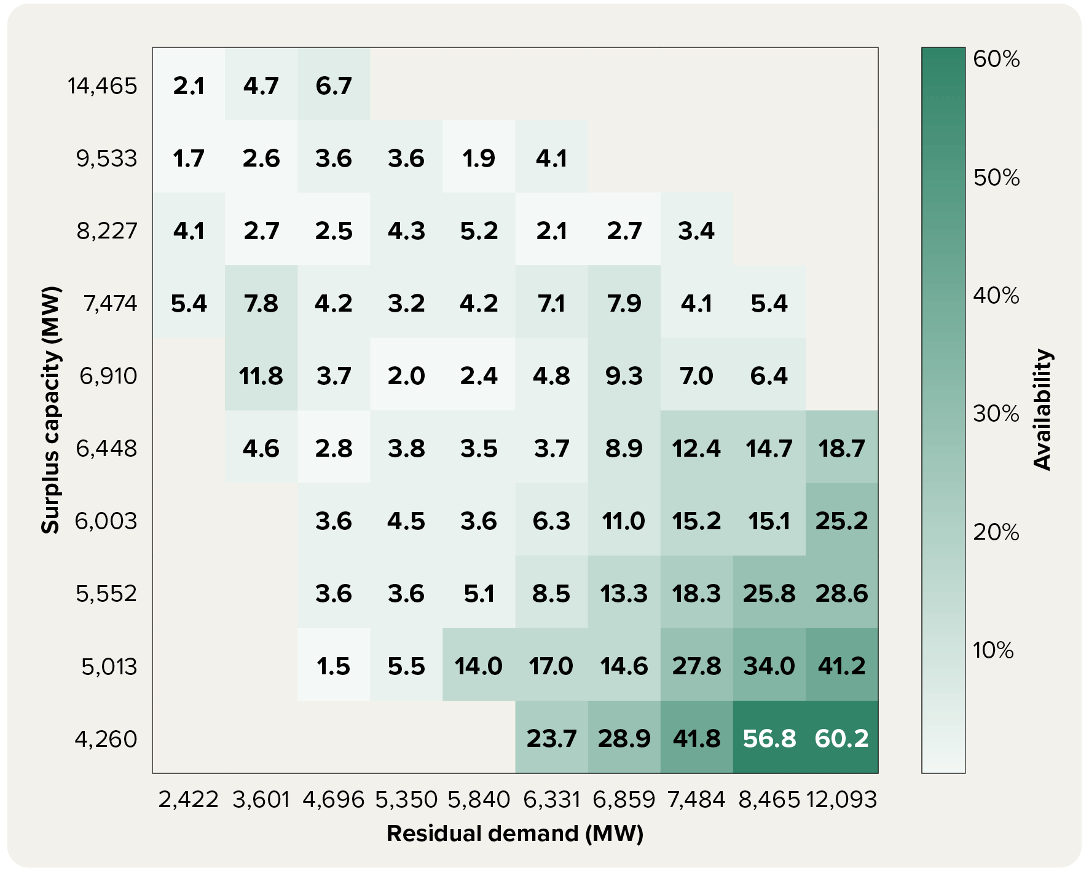

Note: Matrix categorises dispatch intervals based on levels of surplus capacity and residual demand. Rows are defined by which decile of surplus capacity the dispatch interval falls into, and columns are defined by deciles of residual demand. Values in the cells represent the average proportion of capacity offered above the market clearing price during these dispatch intervals by standalone batteries. Standalone batteries were defined as those where the owner did not control any other NEM generation assets.

Source: AER analysis using NEM data.

Figure 5.10
To contents page
Figure 5.10 Average percentage of battery capacity willing to be dispatched, by surplus capacity and residual demand levels – in-portfolio batteries, NSW, 2025

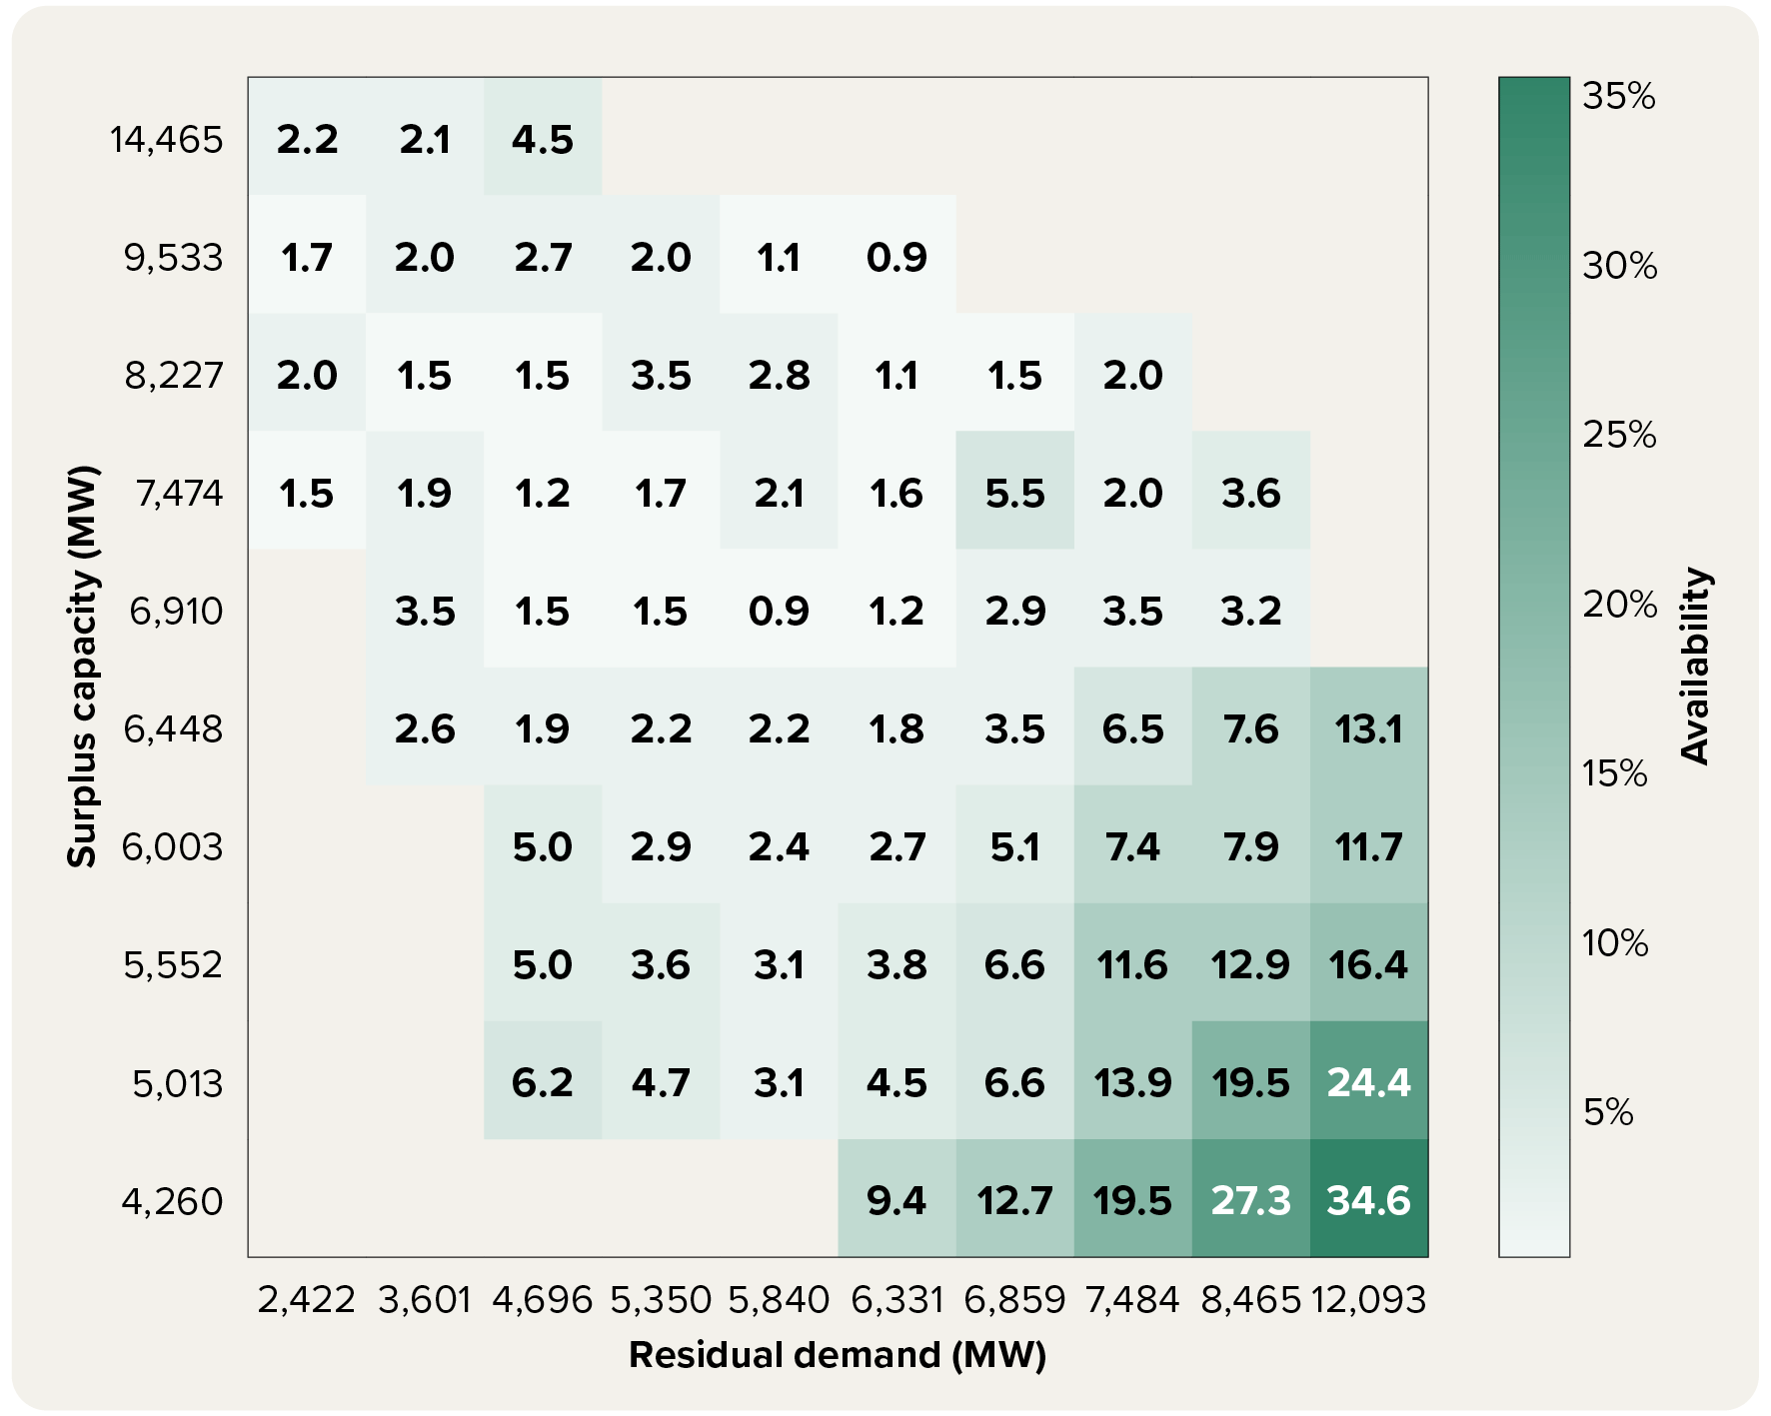

Note: Matrix categorises dispatch intervals based on levels of surplus capacity and residual demand. Rows are defined by which decile of surplus capacity the dispatch interval falls into, and columns are defined by deciles of residual demand. Values in the cells represent the average proportion of capacity offered above the market clearing price during these dispatch intervals by in-portfolio batteries. In-portfolio batteries were defined as those where registered capacity made up less than 25% of total portfolio capacity.

Source: AER analysis using NEM data.

Figure 5.11
To contents page
Figure 5.11 Change in gas and hydro offers, by price band and time of day

Gas: 2025 vs 2024 |  |  |  |  |  |  | Hydro: 2025 vs 2024

Hydro: 2025 vs 2024
Gas: 2025 vs 2024
Change | Below $0 | $0 to $50 | $50 to $100 | $100 to $300 | $300 to $5,000 | Above $5,000 | Change | Below $0 | $0 to $50 | $50 to $100 | $100 to $300 | $300 to $5,000 | Above $5,000
0:00:00 | -144 | 17 | 22 | 129 | -98 | 169 | 0:00:00 | 29 | -23 | -189 | -154 | -326 | 586
1:00:00 | -122 | 14 | 18 | 131 | -100 | 167 | 1:00:00 | 33 | -17 | -177 | -161 | -336 | 593
1:00:00 | -110 | 14 | 16 | 136 | -100 | 153 | 1:00:00 | 34 | -3 | -182 | -173 | -344 | 606
2:00:00 | -99 | 16 | 12 | 150 | -102 | 138 | 2:00:00 | 37 | -1 | -177 | -174 | -345 | 606
2:00:00 | -104 | 17 | 13 | 149 | -104 | 134 | 2:00:00 | 45 | 2 | -167 | -187 | -350 | 609
3:00:00 | -104 | 16 | 15 | 149 | -108 | 133 | 3:00:00 | 48 | 5 | -161 | -184 | -358 | 606
3:00:00 | -104 | 14 | 15 | 148 | -108 | 136 | 3:00:00 | 43 | 6 | -164 | -180 | -357 | 609
4:00:00 | -108 | 12 | 16 | 148 | -106 | 139 | 4:00:00 | 42 | 7 | -173 | -178 | -353 | 612
4:00:00 | -107 | 12 | 20 | 145 | -100 | 126 | 4:00:00 | 50 | -2 | -174 | -182 | -343 | 608
5:00:00 | -102 | 10 | 20 | 142 | -100 | 130 | 5:00:00 | 50 | -11 | -182 | -179 | -338 | 611
5:00:00 | -105 | 11 | 15 | 177 | -100 | 52 | 5:00:00 | 37 | -19 | -222 | -181 | -314 | 647
6:00:00 | -115 | 11 | 11 | 166 | -83 | 52 | 6:00:00 | 13 | -43 | -233 | -166 | -283 | 632
6:00:00 | -137 | 6 | 15 | 62 | -62 | 104 | 6:00:00 | -12 | -51 | -227 | -163 | -265 | 587
7:00:00 | -142 | 5 | 12 | 52 | -64 | 122 | 7:00:00 | -24 | -60 | -230 | -167 | -244 | 562
7:00:00 | -140 | 1 | 6 | 24 | -48 | 112 | 7:00:00 | -48 | -33 | -211 | -227 | -237 | 541
8:00:00 | -141 | -3 | 10 | 15 | -39 | 112 | 8:00:00 | -44 | -39 | -174 | -264 | -268 | 564
8:00:00 | -129 | -2 | 12 | 19 | -40 | 126 | 8:00:00 | -37 | -19 | -160 | -292 | -300 | 657
9:00:00 | -113 | -3 | 13 | -20 | -40 | 158 | 9:00:00 | -10 | -4 | -132 | -356 | -341 | 696
9:00:00 | -99 | -3 | 13 | -20 | -53 | 178 | 9:00:00 | -3 | -3 | -114 | -382 | -359 | 766
10:00:00 | -86 | -3 | 10 | -20 | -50 | 188 | 10:00:00 | 2 | 9 | -89 | -399 | -404 | 801
10:00:00 | -76 | -9 | 10 | -46 | -52 | 231 | 10:00:00 | 10 | 12 | -77 | -398 | -435 | 811
11:00:00 | -68 | -4 | 8 | -48 | -51 | 230 | 11:00:00 | 11 | 4 | -67 | -392 | -441 | 817
Hydro: 2025 vs 2021
Gas: 2025 vs 2021
11:00:00 | -59 | -0 | 7 | -44 | -60 | 232 | 11:00:00 | 8 | 7 | -69 | -384 | -441 | 810
12:00:00 | -58 | 0 | 7 | -40 | -57 | 223 | 12:00:00 | -1 | -2 | -53 | -360 | -465 | 805
12:00:00 | -60 | 0 | 6 | -38 | -55 | 213 | 12:00:00 | 11 | -1 | -60 | -346 | -477 | 792
13:00:00 | -70 | 2 | 6 | -35 | -52 | 210 | 13:00:00 | 13 | 3 | -70 | -352 | -470 | 787
13:00:00 | -86 | 2 | 6 | -37 | -48 | 221 | 13:00:00 | 15 | 9 | -73 | -361 | -455 | 791
14:00:00 | -111 | 0 | 6 | -36 | -43 | 223 | 14:00:00 | 23 | 6 | -78 | -343 | -442 | 765
14:00:00 | -121 | -0 | 5 | -22 | -37 | 205 | 14:00:00 | 17 | 5 | -81 | -335 | -442 | 746
15:00:00 | -138 | 2 | 5 | -18 | -25 | 209 | 15:00:00 | -1 | 4 | -86 | -305 | -436 | 710
15:00:00 | -154 | 5 | 7 | 16 | -5 | 182 | 15:00:00 | 4 | 1 | -91 | -254 | -411 | 634
16:00:00 | -189 | 4 | 9 | 3 | 5 | 203 | 16:00:00 | 0 | 1 | -111 | -207 | -365 | 557
16:00:00 | -223 | 5 | -13 | -14 | 40 | 211 | 16:00:00 | 40 | -10 | -124 | -124 | -349 | 492
17:00:00 | -253 | -1 | -25 | -17 | 82 | 213 | 17:00:00 | 104 | -39 | -136 | -143 | -336 | 465
17:00:00 | -285 | 3 | -22 | 15 | 94 | 194 | 17:00:00 | 98 | -119 | -168 | -165 | -235 | 492
18:00:00 | -299 | 5 | -16 | 13 | 87 | 226 | 18:00:00 | 56 | -180 | -195 | -140 | -143 | 513
18:00:00 | -299 | 10 | -9 | -15 | 69 | 257 | 18:00:00 | 10 | -203 | -181 | -117 | -100 | 507
19:00:00 | -292 | 9 | -4 | -20 | 71 | 252 | 19:00:00 | -17 | -202 | -171 | -122 | -88 | 512
19:00:00 | -284 | 11 | -7 | -23 | 65 | 264 | 19:00:00 | -34 | -184 | -168 | -127 | -80 | 508
20:00:00 | -264 | 12 | -11 | -16 | 55 | 261 | 20:00:00 | 26 | -158 | -174 | -166 | -99 | 491
20:00:00 | -248 | 13 | -4 | -17 | 34 | 323 | 20:00:00 | 57 | -121 | -184 | -179 | -141 | 481
21:00:00 | -238 | 14 | 5 | -7 | 1 | 313 | 21:00:00 | 72 | -96 | -195 | -174 | -194 | 489
21:00:00 | -175 | 10 | 12 | -10 | -0 | 319 | 21:00:00 | 108 | -74 | -174 | -182 | -257 | 480
22:00:00 | -168 | 12 | 9 | -24 | -16 | 332 | 22:00:00 | 107 | -50 | -174 | -163 | -299 | 479
22:00:00 | -167 | 14 | 27 | 14 | -43 | 278 | 22:00:00 | 41 | -48 | -190 | -139 | -318 | 538
23:00:00 | -164 | 16 | 37 | 37 | -58 | 256 | 23:00:00 | 23 | -32 | -189 | -127 | -322 | 547
23:00:00 | -186 | 15 | 27 | 108 | -81 | 194 | 23:00:00 | 0 | -28 | -184 | -130 | -311 | 556
0:00:00 | -170 | 16 | 27 | 115 | -87 | 180 | 0:00:00 | 3 | -22 | -182 | -121 | -320 | 555

Gas: 2025 vs 2021 |  |  |  |  |  |  | Hydro: 2025 vs 2021

Change | Below $0 | $0 to $50 | $50 to $100 | $100 to $300 | $300 to $5,000 | Above $5,000 | Change | Below $0 | $0 to $50 | $50 to $100 | $100 to $300 | $300 to $5,000 | Above $5,000 | Note: Change in annual average capacity offered by gas and hydro by price band, by time of day. Top charts show change from 2021 to 2025, while bottom charts show change from 2024 to 2025.
0:00:00 | -200 | -48 | -214 | 189 | -411 | 585 | 0:00:00 | -234 | -540 | 49 | 35 | 382 | -38
1:00:00 | -192 | -32 | -203 | 175 | -413 | 578 | 1:00:00 | -231 | -477 | 29 | 35 | 370 | -65 | Source: AER analysis using NEM data.
1:00:00 | -183 | -10 | -181 | 150 | -417 | 559 | 1:00:00 | -231 | -430 | -9 | 31 | 364 | -69
2:00:00 | -161 | -1 | -178 | 143 | -425 | 546 | 2:00:00 | -225 | -387 | -34 | 18 | 347 | -62
2:00:00 | -160 | 3 | -166 | 136 | -429 | 539 | 2:00:00 | -223 | -360 | -51 | 13 | 340 | -57
3:00:00 | -161 | 2 | -158 | 123 | -431 | 538 | 3:00:00 | -217 | -343 | -61 | 14 | 333 | -62
3:00:00 | -158 | 1 | -152 | 114 | -431 | 534 | 3:00:00 | -214 | -336 | -65 | 15 | 326 | -61
4:00:00 | -161 | 1 | -149 | 112 | -431 | 535 | 4:00:00 | -210 | -338 | -60 | 20 | 325 | -69
4:00:00 | -156 | -5 | -140 | 114 | -427 | 505 | 4:00:00 | -192 | -379 | -45 | 29 | 357 | -103
5:00:00 | -151 | -11 | -144 | 122 | -427 | 501 | 5:00:00 | -188 | -398 | -22 | 31 | 358 | -116
5:00:00 | -152 | -27 | -140 | 108 | -432 | 636 | 5:00:00 | -189 | -442 | 23 | 11 | 388 | -132
6:00:00 | -148 | -50 | -149 | 123 | -413 | 609 | 6:00:00 | -185 | -515 | 52 | -12 | 390 | -88
6:00:00 | -162 | -89 | -166 | 88 | -356 | 594 | 6:00:00 | -225 | -574 | 55 | -42 | 405 | -37
7:00:00 | -194 | -108 | -190 | 117 | -332 | 587 | 7:00:00 | -274 | -606 | 41 | -41 | 414 | -40
7:00:00 | -234 | -116 | -202 | -31 | -168 | 473 | 7:00:00 | -341 | -761 | -59 | -69 | 433 | 219
8:00:00 | -254 | -117 | -214 | -39 | -151 | 481 | 8:00:00 | -373 | -732 | -110 | -122 | 416 | 267
8:00:00 | -258 | -93 | -227 | -74 | -178 | 233 | 8:00:00 | -386 | -692 | -196 | -185 | 414 | 349
9:00:00 | -236 | -62 | -238 | -151 | -181 | 291 | 9:00:00 | -375 | -639 | -256 | -294 | 390 | 415
9:00:00 | -222 | -49 | -232 | -181 | -176 | 289 | 9:00:00 | -364 | -589 | -268 | -324 | 359 | 420
10:00:00 | -201 | -44 | -214 | -212 | -174 | 278 | 10:00:00 | -322 | -557 | -269 | -410 | 324 | 464
10:00:00 | -189 | -45 | -195 | -241 | -173 | 301 | 10:00:00 | -292 | -512 | -281 | -453 | 277 | 507
11:00:00 | -174 | -42 | -182 | -253 | -175 | 283 | 11:00:00 | -292 | -499 | -279 | -484 | 264 | 552
11:00:00 | -171 | -41 | -173 | -253 | -178 | 277 | 11:00:00 | -277 | -483 | -287 | -502 | 249 | 586
12:00:00 | -169 | -39 | -165 | -259 | -180 | 271 | 12:00:00 | -268 | -473 | -276 | -511 | 223 | 595
12:00:00 | -167 | -38 | -160 | -268 | -177 | 263 | 12:00:00 | -263 | -472 | -272 | -518 | 211 | 595
13:00:00 | -172 | -37 | -155 | -272 | -166 | 258 | 13:00:00 | -262 | -471 | -273 | -516 | 213 | 583
13:00:00 | -186 | -37 | -153 | -274 | -158 | 263 | 13:00:00 | -266 | -484 | -271 | -493 | 221 | 570
14:00:00 | -191 | -43 | -159 | -268 | -154 | 262 | 14:00:00 | -260 | -493 | -273 | -466 | 239 | 526
14:00:00 | -181 | -54 | -164 | -271 | -156 | 276 | 14:00:00 | -259 | -519 | -259 | -441 | 260 | 500
15:00:00 | -152 | -69 | -173 | -254 | -143 | 273 | 15:00:00 | -286 | -551 | -246 | -370 | 294 | 461
15:00:00 | -114 | -107 | -173 | -193 | -132 | 260 | 15:00:00 | -293 | -598 | -230 | -234 | 374 | 385
16:00:00 | -75 | -146 | -185 | -151 | -126 | 278 | 16:00:00 | -299 | -660 | -179 | -110 | 413 | 330
16:00:00 | 4 | -238 | -177 | -67 | -81 | 474 | 16:00:00 | -262 | -742 | -117 | 77 | 458 | 224
17:00:00 | 52 | -319 | -178 | 97 | -49 | 388 | 17:00:00 | -250 | -867 | 7 | 97 | 455 | 252
17:00:00 | 27 | -396 | -169 | 286 | -29 | 314 | 17:00:00 | -241 | -978 | 163 | 61 | 478 | 228
18:00:00 | 17 | -424 | -162 | 382 | -12 | 261 | 18:00:00 | -217 | -1,038 | 224 | 77 | 465 | 210
18:00:00 | 38 | -428 | -163 | 414 | -21 | 226 | 18:00:00 | -194 | -1,064 | 274 | 70 | 451 | 192
19:00:00 | 32 | -414 | -165 | 429 | -13 | 213 | 19:00:00 | -198 | -1,056 | 292 | 41 | 444 | 202
19:00:00 | 94 | -408 | -180 | 386 | -24 | 371 | 19:00:00 | -186 | -1,042 | 295 | 15 | 450 | 193
20:00:00 | 114 | -370 | -189 | 344 | -27 | 372 | 20:00:00 | -130 | -963 | 279 | 3 | 463 | 104
20:00:00 | 104 | -332 | -206 | 255 | -51 | 563 | 20:00:00 | -149 | -911 | 262 | 3 | 452 | 68
21:00:00 | 77 | -294 | -196 | 192 | -95 | 631 | 21:00:00 | -147 | -849 | 211 | 23 | 421 | 41
21:00:00 | 50 | -263 | -184 | 126 | -145 | 516 | 21:00:00 | -127 | -802 | 164 | 33 | 366 | 64
22:00:00 | -3 | -232 | -183 | 82 | -164 | 588 | 22:00:00 | -136 | -763 | 137 | 35 | 352 | 60
22:00:00 | -64 | -151 | -193 | 176 | -356 | 596 | 22:00:00 | -172 | -576 | 138 | 20 | 344 | -92
23:00:00 | -123 | -119 | -193 | 141 | -377 | 631 | 23:00:00 | -176 | -555 | 105 | 21 | 345 | -80
23:00:00 | -159 | -92 | -215 | 230 | -394 | 561 | 23:00:00 | -219 | -558 | 100 | 24 | 377 | -72
0:00:00 | -189 | -86 | -213 | 210 | -399 | 581 | 0:00:00 | -232 | -562 | 79 | 42 | 388 | -57

Figure 5.12
To contents page
Figure 5.12 Average gas capacity marked up, by surplus capacity and residual demand levels, NSW, 2025

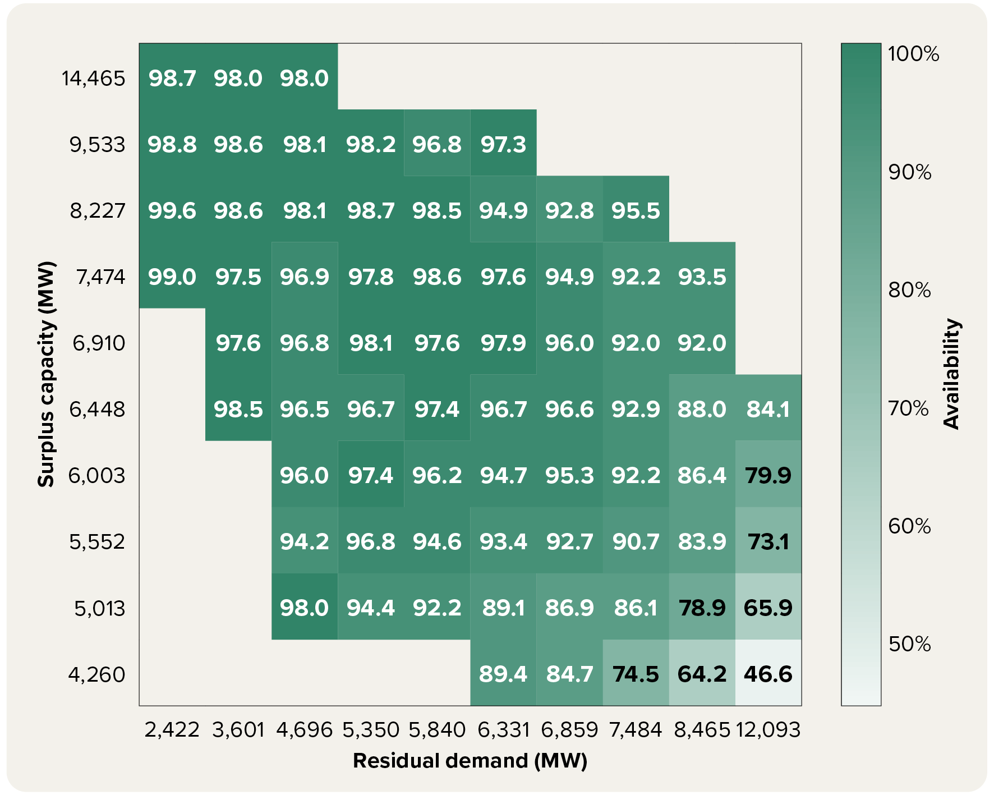

Note: Matrix categorises dispatch intervals based on levels of surplus capacity and residual demand. Rows are defined by which decile of surplus capacity the dispatch interval falls into, and columns are defined by deciles of residual demand. Values in the cells represent the average proportion of capacity offered at a mark-up during these dispatch intervals. Gas mark-up capacity is defined as capacity offered above the AEMO ISP short run marginal cost estimate, plus a 25% buffer.

Source: AER analysis using NEM data and AEMO ISP short run marginal cost assumptions.

Figure 5.13
To contents page
Figure 5.13 Average prices set in the NEM by region and fuel type

 | Battery | Black coal | Brown coal | Gas | Hydro | Solar | Wind
2021 | 26.56 | 46.52 | 15.2 | 228.38 | 89.71 | -298.82 | -256.34
2022 | 80.45 | 161.78 | 30.02 | 312.04 | 264.52 | -384.24 | -237.92
2023 | 109.09 | 81.16 | 31.65 | 154.74 | 125.86 | -138.87 | -254.59
2024 | 162.19 | 88.81 | 11.66 | 185.85 | 161.58 | -105.73 | -194.91
2025 | 117.25 | 83.9 | 65.6 | 144.99 | 128.11 | -51.49 | -69.46
2021 | 41.37 | 49.82 | 12.6 | 136.77 | 84.04 | -579.55 | -181.3
2022 | 42.25 | 148.9 | 29.06 | 233.99 | 224.14 | -615.45 | -351.75
2023 | 75.96 | 80.81 | 27.12 | 146.87 | 116.66 | -347.06 | -270.32
2024 | 162.32 | 102.2 | 11 | 231.33 | 155.04 | -231.99 | -203
2025 | 152.25 | 87.79 | 40.09 | 154.08 | 126.53 | -107.36 | -81.4
2021 | 24.27 | 46.56 | 7.7 | 100.11 | 65.71 | -674.48 | -120.88
2022 | 32.04 | 147.3 | 19.18 | 218.88 | 205.12 | -678.88 | -185.69
2023 | 46.21 | 81.66 | 15.84 | 136.82 | 98.71 | -382.19 | -122.23
2024 | 69.68 | 87.52 | 7.03 | 179.73 | 128.17 | -229.44 | -108.28
2025 | 120.14 | 91.11 | 19.96 | 149.75 | 125.62 | -124.04 | -50.86
2021 | 84.21 | 46.82 | 7.68 | 113.23 | 66.84 | -569.09 | -98.35
2022 | 206.35 | 145.2 | 21.89 | 287.65 | 202.83 | -594.54 | -125.92
2023 | 149.5 | 80.12 | 17.07 | 207.16 | 98.4 | -293.16 | -94.66
2024 | 156.46 | 84.72 | 8.25 | 211.43 | 124.44 | -164.31 | -75.09
2025 | 135.58 | 90.35 | 21.74 | 167.5 | 124.65 | -134.8 | -62.34
2021 | 3.72 | 43.04 | 9.84 | 92.16 | 34.16 | -672.47 | -108.12
2022 | 68.69 | 151.53 | 24.68 | 251.19 | 157.45 | -679.36 | -148.87
2023 | 15.48 | 81.29 | 20.81 | 120.28 | 55.76 | -417.58 | -97.31
2024 | 98.54 | 92.03 | 9.25 | 188.35 | 89.47 | -313.96 | -148.93
2025 | 170.58 | 109.39 | 32.19 | 159.03 | 91.62 | -127.04 | -128.83
 |  | Battery | Black coal | Brown coal | Gas | Hydro | Solar | Wind
Queensland | 2021 | 26.56 | 46.52 | 15.2 | 228.38 | 89.71 | -298.82 | -256.34
 | 2022 | 80.45 | 161.78 | 30.02 | 312.04 | 264.52 | -384.24 | -237.92
 | 2023 | 109.09 | 81.16 | 31.65 | 154.74 | 125.86 | -138.87 | -254.59
 | 2024 | 162.19 | 88.81 | 11.66 | 185.85 | 161.58 | -105.73 | -194.91
 | 2025 | 117.25 | 83.9 | 65.6 | 144.99 | 128.11 | -51.49 | -69.46

NSW | 2021 | 41.37 | 49.82 | 12.6 | 136.77 | 84.04 | -579.55 | -181.3
 | 2022 | 42.25 | 148.9 | 29.06 | 233.99 | 224.14 | -615.45 | -351.75
 | 2023 | 75.96 | 80.81 | 27.12 | 146.87 | 116.66 | -347.06 | -270.32
 | 2024 | 162.32 | 102.2 | 11 | 231.33 | 155.04 | -231.99 | -203
 | 2025 | 152.25 | 87.79 | 40.09 | 154.08 | 126.53 | -107.36 | -81.4

Victoria | 2021 | 24.27 | 46.56 | 7.7 | 100.11 | 65.71 | -674.48 | -120.88
 | 2022 | 32.04 | 147.3 | 19.18 | 218.88 | 205.12 | -678.88 | -185.69
 | 2023 | 46.21 | 81.66 | 15.84 | 136.82 | 98.71 | -382.19 | -122.23
 | 2024 | 69.68 | 87.52 | 7.03 | 179.73 | 128.17 | -229.44 | -108.28
 | 2025 | 120.14 | 91.11 | 19.96 | 149.75 | 125.62 | -124.04 | -50.86

South Australia | 2021 | 84.21 | 46.82 | 7.68 | 113.23 | 66.84 | -569.09 | -98.35
 | 2022 | 206.35 | 145.2 | 21.89 | 287.65 | 202.83 | -594.54 | -125.92
 | 2023 | 149.5 | 80.12 | 17.07 | 207.16 | 98.4 | -293.16 | -94.66
 | 2024 | 156.46 | 84.72 | 8.25 | 211.43 | 124.44 | -164.31 | -75.09 | Note: Annual average price set in each region by each fuel type. Average price set by batteries includes price setting by both the generation and the load side.
 | 2025 | 135.58 | 90.35 | 21.74 | 167.5 | 124.65 | -134.8 | -62.34
 |  |  |  |  |  |  |  |  | Source: AER analysis using NEM data.
Tasmania | 2021 | 3.72 | 43.04 | 9.84 | 92.16 | 34.16 | -672.47 | -108.12
 | 2022 | 68.69 | 151.53 | 24.68 | 251.19 | 157.45 | -679.36 | -148.87
 | 2023 | 15.48 | 81.29 | 20.81 | 120.28 | 55.76 | -417.58 | -97.31
 | 2024 | 98.54 | 92.03 | 9.25 | 188.35 | 89.47 | -313.96 | -148.93
 | 2025 | 170.58 | 109.39 | 32.19 | 159.03 | 91.62 | -127.04 | -128.83

Figure 5.14
To contents page
Figure 5.14 Share of total black coal offers priced below $50 and $300 per MWh

CY | Qtr | Row Labels | <$0 | $0 - $50 | $50 - $70 | $70 - $90 | $90 - $110 | $110 - $150 | $150 - $300 | $300 - $500 | $500 - $5,000 | >$5,000 | Total | <$50 | <$70 | <$110 | <$300 | Below $50 per MWh | Below $300 per MWh
2016 | Jul – Sep | 2016-07-01 | 8,275 | 4,943 | 322 | 122 | 111 | 1 | 231 | 273 | 1 | 706 | 14,986 | 13,218 | 13,540 | 13,773 | 14,005 | 88% | 93%
 | Oct – Dec | 2016-10-01 | 7,667 | 3,565 | 575 | 109 | 130 | 9 | 435 | 75 | - | 1,147 | 13,712 | 11,232 | 11,807 | 12,046 | 12,489 | 82% | 91%
2017 | Jan – Mar | 2017-01-01 | 8,595 | 3,383 | 1,108 | 6 | 320 | 268 | 429 | 53 | 1 | 1,822 | 15,984 | 11,978 | 13,086 | 13,412 | 14,109 | 75% | 88%
 | Apr – Jun | 2017-04-01 | 8,428 | 1,817 | 2,044 | 236 | 606 | 312 | 428 | 110 | - | 1,205 | 15,185 | 10,245 | 12,289 | 13,131 | 13,870 | 67% | 91%
 | Jul – Sep | 2017-07-01 | 8,474 | 1,799 | 1,574 | 1,128 | 589 | 384 | 261 | 82 | - | 455 | 14,746 | 10,273 | 11,847 | 13,563 | 14,209 | 70% | 96%
 | Oct – Dec | 2017-10-01 | 7,798 | 2,200 | 2,655 | 796 | 293 | 156 | 274 | 48 | 0 | 286 | 14,507 | 9,998 | 12,653 | 13,742 | 14,173 | 69% | 98%
2018 | Jan – Mar | 2018-01-01 | 8,997 | 2,382 | 2,430 | 442 | 264 | 161 | 469 | 40 | 1 | 525 | 15,710 | 11,378 | 13,808 | 14,514 | 15,144 | 72% | 96%
 | Apr – Jun | 2018-04-01 | 8,393 | 2,693 | 1,847 | 346 | 85 | 107 | 222 | 73 | 19 | 434 | 14,219 | 11,086 | 12,933 | 13,363 | 13,692 | 78% | 96%
 | Jul – Sep | 2018-07-01 | 8,038 | 2,551 | 2,185 | 292 | 85 | 134 | 225 | 79 | 28 | 252 | 13,868 | 10,588 | 12,773 | 13,150 | 13,509 | 76% | 97%
 | Oct – Dec | 2018-10-01 | 8,117 | 2,695 | 1,985 | 376 | 124 | 93 | 292 | 5 | 0 | 196 | 13,883 | 10,812 | 12,797 | 13,296 | 13,682 | 78% | 99%
2019 | Jan – Mar | 2019-01-01 | 8,598 | 2,882 | 1,413 | 536 | 477 | 512 | 407 | 53 | 2 | 610 | 15,490 | 11,480 | 12,894 | 13,906 | 14,825 | 74% | 96%
 | Apr – Jun | 2019-04-01 | 7,899 | 3,100 | 1,780 | 444 | 219 | 204 | 216 | 1 | - | 378 | 14,241 | 10,999 | 12,779 | 13,442 | 13,862 | 77% | 97%
 | Jul – Sep | 2019-07-01 | 8,450 | 3,248 | 1,052 | 155 | 109 | 271 | 375 | 1 | 14 | 289 | 13,964 | 11,698 | 12,749 | 13,014 | 13,660 | 84% | 98%
 | Oct – Dec | 2019-10-01 | 8,231 | 3,283 | 828 | 208 | 189 | 63 | 141 | 21 | 107 | 527 | 13,597 | 11,514 | 12,342 | 12,739 | 12,943 | 85% | 95%
2020 | Jan – Mar | 2020-01-01 | 8,610 | 4,159 | 726 | 157 | 132 | 24 | 97 | 33 | 67 | 481 | 14,486 | 12,769 | 13,495 | 13,784 | 13,905 | 88% | 96%
 | Apr – Jun | 2020-04-01 | 8,371 | 4,319 | 500 | 17 | 61 | 4 | 106 | 75 | 206 | 619 | 14,278 | 12,690 | 13,190 | 13,268 | 13,378 | 89% | 94%
 | Jul – Sep | 2020-07-01 | 8,373 | 4,584 | 385 | 3 | 88 | - | 153 | - | 159 | 354 | 14,100 | 12,957 | 13,343 | 13,433 | 13,586 | 92% | 96%
 | Oct – Dec | 2020-10-01 | 8,043 | 3,617 | 248 | 1 | 99 | 19 | 162 | 1 | 189 | 413 | 12,793 | 11,660 | 11,908 | 12,008 | 12,190 | 91% | 95%
2021 | Jan – Mar | 2021-01-01 | 8,567 | 3,906 | 237 | 17 | 23 | 7 | 128 | 1 | 130 | 1,051 | 14,068 | 12,473 | 12,710 | 12,751 | 12,886 | 89% | 92%
 | Apr – Jun | 2021-04-01 | 8,523 | 3,122 | 249 | 51 | 51 | 6 | 136 | 4 | 54 | 639 | 12,835 | 11,645 | 11,894 | 11,996 | 12,138 | 91% | 95%
 | Jul – Sep | 2021-07-01 | 8,950 | 2,126 | 601 | 173 | 149 | 146 | 324 | 188 | 70 | 738 | 13,465 | 11,075 | 11,676 | 11,998 | 12,468 | 82% | 93%
 | Oct – Dec | 2021-10-01 | 8,027 | 1,601 | 860 | 288 | 155 | 260 | 280 | 40 | 88 | 1,264 | 12,863 | 9,628 | 10,487 | 10,931 | 11,471 | 75% | 89%
2022 | Jan – Mar | 2022-01-01 | 8,109 | 1,265 | 959 | 584 | 460 | 473 | 426 | 22 | 2 | 1,327 | 13,628 | 9,374 | 10,333 | 11,378 | 12,277 | 69% | 90%
 | Apr – Jun | 2022-04-01 | 7,791 | 909 | 205 | 121 | 196 | 417 | 573 | 367 | 299 | 1,373 | 12,251 | 8,700 | 8,905 | 9,222 | 10,212 | 71% | 83%
 | Jul – Sep | 2022-07-01 | 8,284 | 1,003 | 222 | 310 | 44 | 604 | 1,320 | 381 | 307 | 917 | 13,392 | 9,287 | 9,509 | 9,863 | 11,787 | 69% | 88%
 | Oct – Dec | 2022-10-01 | 7,318 | 866 | 47 | 648 | 326 | 853 | 936 | 135 | 117 | 915 | 12,161 | 8,184 | 8,231 | 9,205 | 10,994 | 67% | 90%
2023 | Jan – Mar | 2023-01-01 | 8,240 | 1,122 | 725 | 744 | 216 | 588 | 600 | 609 | 67 | 996 | 13,907 | 9,362 | 10,087 | 11,047 | 12,236 | 67% | 88%
 | Apr – Jun | 2023-04-01 | 7,064 | 1,663 | 789 | 880 | 171 | 428 | 342 | 759 | 53 | 472 | 12,621 | 8,727 | 9,515 | 10,567 | 11,337 | 69% | 90% | Note: Quarterly average proportion of black coal capacity offered below $50 per MWh and below $300 per MWh.
 | Jul – Sep | 2023-07-01 | 7,112 | 1,877 | 1,138 | 479 | 158 | 330 | 371 | 640 | 26 | 737 | 12,868 | 8,988 | 10,126 | 10,763 | 11,464 | 70% | 89% | Source: AER analysis using NEM data.
 | Oct – Dec | 2023-10-01 | 7,170 | 1,632 | 1,111 | 384 | 116 | 133 | 411 | 656 | 39 | 660 | 12,313 | 8,802 | 9,913 | 10,414 | 10,957 | 71% | 89%
2024 | Jan – Mar | 2024-01-01 | 8,170 | 1,912 | 901 | 519 | 111 | 221 | 599 | 820 | 19 | 581 | 13,851 | 10,082 | 10,983 | 11,613 | 12,432 | 73% | 90%
 | Apr – Jun | 2024-04-01 | 7,827 | 2,202 | 709 | 447 | 222 | 91 | 429 | 617 | 37 | 617 | 13,199 | 10,029 | 10,738 | 11,407 | 11,928 | 76% | 90%
 | Jul – Sep | 2024-07-01 | 7,556 | 1,626 | 623 | 682 | 438 | 88 | 403 | 206 | 146 | 862 | 12,630 | 9,181 | 9,804 | 10,925 | 11,415 | 73% | 90%
 | Oct – Dec | 2024-10-01 | 7,078 | 1,020 | 719 | 777 | 394 | 71 | 531 | 250 | 45 | 750 | 11,635 | 8,098 | 8,817 | 9,988 | 10,591 | 70% | 91%
2025 | Jan – Mar | 2025-01-01 | 8,378 | 1,008 | 645 | 864 | 605 | 146 | 514 | 220 | 97 | 1,033 | 13,510 | 9,386 | 10,032 | 11,501 | 12,160 | 69% | 90%
 | Apr – Jun | 2025-04-01 | 7,792 | 1,238 | 689 | 725 | 499 | 153 | 295 | 122 | 50 | 692 | 12,253 | 9,030 | 9,718 | 10,942 | 11,390 | 74% | 93%
 | Jul – Sep | 2025-07-01 | 7,915 | 1,275 | 693 | 725 | 523 | 203 | 350 | 60 | 87 | 991 | 12,821 | 9,190 | 9,883 | 11,131 | 11,684 | 72% | 91%
 | Oct – Dec | 2025-10-01 | 7,159 | 1,086 | 793 | 629 | 327 | 216 | 631 | 47 | 18 | 1,005 | 11,911 | 8,245 | 9,038 | 9,994 | 10,840 | 69% | 91%

Figure 5.15
To contents page
Figure 5.15 Change in black coal capacity offered below price thresholds, by time of day, between 2021 and 2025

 | Below $0 per MWh | Below $50 per MWh | Below $100 per MWh | Below $300 per MWh | Total
0:00:00 | -423 | -1,900 | -799 | -305 | -645
1:00:00 | -411 | -1,886 | -786 | -255 | -648
1:00:00 | -432 | -1,849 | -776 | -207 | -642
2:00:00 | -471 | -1,856 | -746 | -147 | -633
2:00:00 | -480 | -1,814 | -693 | -77 | -606
3:00:00 | -482 | -1,806 | -689 | -49 | -602
3:00:00 | -481 | -1,804 | -685 | -36 | -609
4:00:00 | -482 | -1,804 | -686 | -39 | -616
4:00:00 | -438 | -1,847 | -691 | -51 | -617
5:00:00 | -432 | -1,864 | -735 | -99 | -615
5:00:00 | -386 | -1,887 | -788 | -198 | -624
6:00:00 | -677 | -2,162 | -1,024 | -427 | -617
6:00:00 | -1,021 | -2,366 | -1,229 | -609 | -636
7:00:00 | -1,185 | -2,466 | -1,341 | -679 | -639
7:00:00 | -1,439 | -2,677 | -1,537 | -861 | -643
8:00:00 | -1,552 | -2,904 | -1,804 | -1,073 | -685
8:00:00 | -1,715 | -3,192 | -2,053 | -1,294 | -756
9:00:00 | -1,754 | -3,304 | -2,172 | -1,380 | -780
9:00:00 | -1,439 | -3,110 | -2,099 | -1,267 | -785
10:00:00 | -1,388 | -3,161 | -2,160 | -1,317 | -783
10:00:00 | -1,357 | -3,153 | -2,207 | -1,353 | -768
11:00:00 | -1,373 | -3,165 | -2,230 | -1,382 | -760
11:00:00 | -1,374 | -3,163 | -2,277 | -1,446 | -828 | Note: Change in annual average black coal capacity offered below price thresholds, by time of day, from 2021 to 2025. Categories are cumulative. For example, the change in capacity offered below $50 per MWh includes changes in capacity offered below $0 per MWh and between $0 per MWh and $50 per MWh.
12:00:00 | -1,357 | -3,131 | -2,250 | -1,422 | -813 | Source: AER analysis using NEM data.
12:00:00 | -1,344 | -3,106 | -2,214 | -1,404 | -798
13:00:00 | -1,322 | -3,060 | -2,144 | -1,346 | -793
13:00:00 | -1,279 | -3,017 | -2,067 | -1,284 | -761
14:00:00 | -1,197 | -2,941 | -1,994 | -1,240 | -774
14:00:00 | -1,075 | -2,815 | -1,847 | -1,157 | -786
15:00:00 | -865 | -2,676 | -1,744 | -1,123 | -769
15:00:00 | -423 | -2,456 | -1,562 | -1,005 | -750
16:00:00 | -204 | -2,185 | -1,386 | -892 | -696
16:00:00 | -50 | -1,866 | -1,049 | -645 | -669
17:00:00 | 219 | -1,625 | -911 | -634 | -672
17:00:00 | 322 | -1,521 | -839 | -623 | -676
18:00:00 | 299 | -1,473 | -804 | -616 | -680
18:00:00 | 140 | -1,477 | -773 | -605 | -673
19:00:00 | 58 | -1,486 | -754 | -588 | -658
19:00:00 | -86 | -1,507 | -742 | -579 | -651
20:00:00 | -124 | -1,519 | -732 | -569 | -648
20:00:00 | -236 | -1,583 | -740 | -553 | -644
21:00:00 | -374 | -1,610 | -732 | -528 | -637
21:00:00 | -577 | -1,613 | -717 | -507 | -633
22:00:00 | -647 | -1,627 | -697 | -472 | -628
22:00:00 | -731 | -1,890 | -902 | -614 | -628
23:00:00 | -648 | -1,943 | -907 | -574 | -623
23:00:00 | -630 | -2,033 | -931 | -553 | -625
0:00:00 | -622 | -2,038 | -935 | -519 | -623

Figure 5.16
To contents page
Figure 5.16 Change in black coal capacity offered below $50 per MWh, by time of day, between 2021 and 2025

 | NSW | NSW (ex Liddell) | Queensland
0:00:00 | -1,285 | -333 | -615
1:00:00 | -1,293 | -348 | -593
1:00:00 | -1,252 | -315 | -597
2:00:00 | -1,262 | -330 | -594
2:00:00 | -1,243 | -314 | -571
3:00:00 | -1,243 | -316 | -563
3:00:00 | -1,243 | -318 | -561
4:00:00 | -1,241 | -318 | -562
4:00:00 | -1,278 | -354 | -569
5:00:00 | -1,304 | -379 | -560
5:00:00 | -1,331 | -401 | -556
6:00:00 | -1,401 | -470 | -761
6:00:00 | -1,405 | -473 | -961
7:00:00 | -1,463 | -533 | -1,003
7:00:00 | -1,548 | -618 | -1,129
8:00:00 | -1,742 | -817 | -1,161
8:00:00 | -1,910 | -987 | -1,282
9:00:00 | -2,019 | -1,101 | -1,286
9:00:00 | -2,081 | -1,171 | -1,029
10:00:00 | -2,129 | -1,222 | -1,031
10:00:00 | -2,138 | -1,232 | -1,015
11:00:00 | -2,145 | -1,241 | -1,020
11:00:00 | -2,131 | -1,228 | -1,032
12:00:00 | -2,102 | -1,200 | -1,029
12:00:00 | -2,078 | -1,176 | -1,028
13:00:00 | -2,032 | -1,131 | -1,028 | Note: Change in annual average black coal capacity offered below $50 per MWh, by time of day, from 2021 to 2025. As part of the change in NSW reflects the closure of Liddell power station, the chart also shows NSW outcomes excluding Liddell.
13:00:00 | -1,996 | -1,095 | -1,021
14:00:00 | -1,924 | -1,019 | -1,017 | Source: AER analysis using NEM data.
14:00:00 | -1,796 | -887 | -1,019
15:00:00 | -1,647 | -735 | -1,029
15:00:00 | -1,467 | -543 | -990
16:00:00 | -1,281 | -347 | -904
16:00:00 | -1,184 | -229 | -682
17:00:00 | -1,043 | -75 | -581
17:00:00 | -924 | 54 | -597
18:00:00 | -844 | 139 | -629
18:00:00 | -823 | 161 | -654
19:00:00 | -819 | 167 | -668
19:00:00 | -829 | 156 | -678
20:00:00 | -843 | 142 | -676
20:00:00 | -900 | 84 | -683
21:00:00 | -932 | 51 | -678
21:00:00 | -946 | 35 | -667
22:00:00 | -976 | 0 | -651
22:00:00 | -1,056 | -84 | -833
23:00:00 | -1,124 | -155 | -818
23:00:00 | -1,226 | -261 | -807
0:00:00 | -1,240 | -281 | -798

Figure 5.17
To contents page
Figure 5.17 Station-level change in black coal offers below $50 per MWh and in total offers between 2021 and 2025

 | Queensland generators |  |  |  |  |  |  |  | NSW generators
 | Gladstone | Callide B | Callide C | Kogan Creek | Milmeran | Tarong | Stanwell | Tarong North | Baywater | Eraring | Vales Point | Mount Piper
Below $50 per MWh | -13% | -9% | -5% | -22% | -22% | -13% | -11% | -38% | -7% | 3% | -19% | -28%
Total | -3% | 13% | 30% | 1% | -12% | -1% | 17% | -33% | 14% | -1% | -10% | 5%

 | Note: Percentage change in annual average offered capacity by black coal power stations from 2021 to 2025. Chart shows both the change in total offered capacity and the change in capacity offered below $50 per MWh during this period. Liddell is excluded as it closed in 2023.

 | Source: AER analysis using NEM data.

 | Note - RP added Y axis

Figure 5.18
To contents page
Figure 5.18 Average percentage of black coal capacity marked up, by surplus capacity and residual demand levels, NSW, 2025

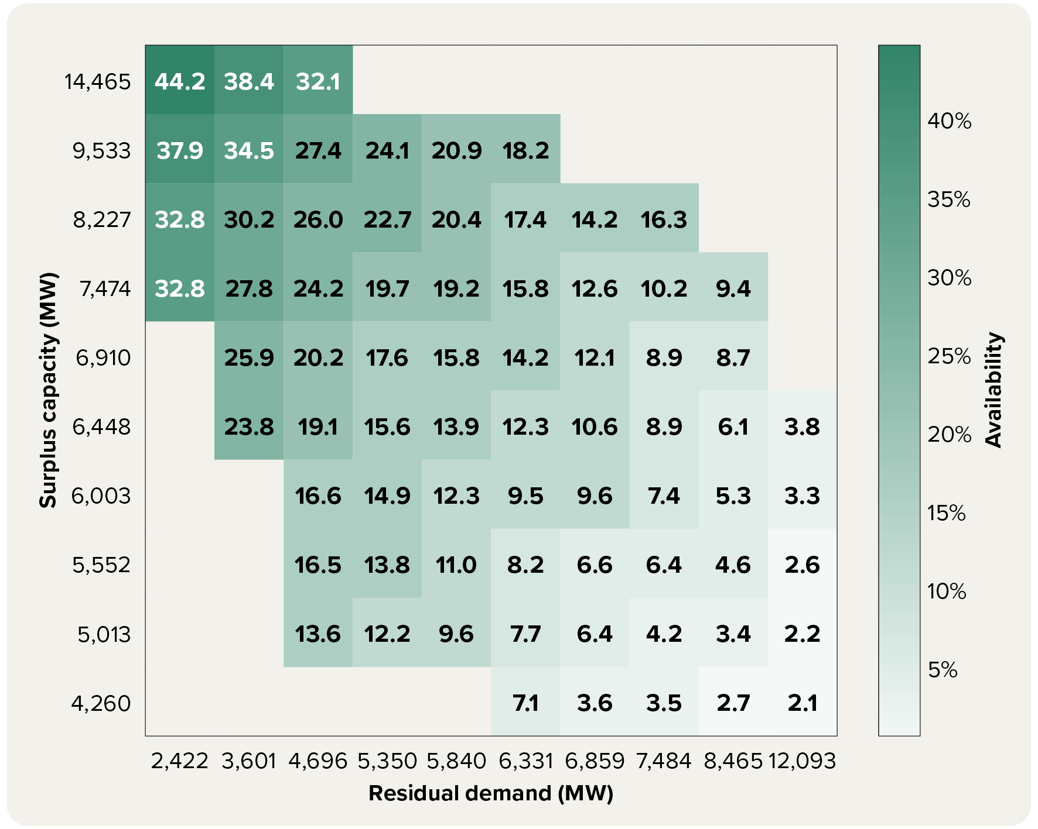

Note: Matrix categorises dispatch intervals based on levels of surplus capacity and residual demand. Rows are defined by which decile of surplus capacity the dispatch interval falls into, and columns are defined by deciles of residual demand. Values in the cells represent the average proportion of capacity offered at a mark-up during these dispatch intervals. Black coal mark-up capacity is defined as capacity offered above the AEMO ISP short run marginal cost estimate, plus a $50 per MWh buffer.

Source: AER analysis using NEM data and AEMO ISP short run marginal cost assumptions.

Figure 5.19
To contents page
Figure 5.19 Quarterly average price set by NSW black coal generators

 |  | Bayswater | Eraring | Mount Piper | Vales Point | Bayswater SRMC | Eraring SRMC | Mt Piper SRMC | Vales Point SRMC
2021 | Jan – Mar | 35.28 | 35.05 | 35.74 | 35.82 | 49.66 | 79.27 | 78.33 | 79.47
 | Apr – Jun | 35.22 | 76.93 | 37.73 | 59.86 | 49.66 | 79.27 | 78.33 | 79.47
 | Jul – Sep | 40.52 | 55.02 | 58.52 | 70.56 | 49.66 | 79.27 | 78.33 | 79.47
 | Oct – Dec | 49.07 | 63.49 | 78.37 | 64.52 | 49.66 | 79.27 | 78.33 | 79.47
2022 | Jan – Mar | 64.63 | 84.06 | 95.21 | 88.34 | 49.66 | 79.27 | 78.33 | 79.47
 | Apr – Jun | 117 | 277.81 | 248.08 | 337.86 | 49.66 | 79.27 | 78.33 | 79.47
 | Jul – Sep | 139.75 | 198.51 | 199.86 | 234.78 | 49.66 | 79.27 | 78.33 | 79.47
 | Oct – Dec | 121.16 | 122.34 | 159.3 | 122.82 | 49.66 | 79.27 | 78.33 | 79.47
2023 | Jan – Mar | 106.24 | 90.79 | 120.26 | 98.81 | 49.66 | 79.27 | 78.33 | 79.47
 | Apr – Jun | 95.7 | 91.72 | 164.09 | 160.58 | 49.66 | 79.27 | 78.33 | 79.47
 | Jul – Sep | 80.02 | 42.77 | 169.75 | 86.17 | 49.66 | 79.27 | 78.33 | 79.47
 | Oct – Dec | 49.59 | 45.02 | 87.1 | 67.2 | 49.66 | 79.27 | 78.33 | 79.47
2024 | Jan – Mar | 39.8 | 80.58 | 87.78 | 76.43 | 49.66 | 79.27 | 78.33 | 79.47
 | Apr – Jun | 191.65 | 44.49 | 409.76 | 94.28 | 49.66 | 79.27 | 78.33 | 79.47
 | Jul – Sep | 76.49 | 72.78 | 77.07 | 84.53 | 49.66 | 79.27 | 78.33 | 79.47
 | Oct – Dec | 106.86 | 86.68 | 256.24 | 106.34 | 49.66 | 79.27 | 78.33 | 79.47
2025 | Jan – Mar | 67.66 | 78.68 | 87.48 | 104.53 | 49.66 | 79.27 | 78.33 | 79.47
 | Apr – Jun | 80.28 | 91.8 | 122.09 | 144.51 | 49.66 | 79.27 | 78.33 | 79.47
 | Jul – Sep | 73.6 | 57.8 | 81.8 | 81.99 | 49.66 | 79.27 | 78.33 | 79.47
 | Oct – Dec | 173.69 | 50.1 | 86.17 | 72.34 | 49.66 | 79.27 | 78.33 | 79.47
2026 | Jan – Mar | 79.81 | 54.63 | 87.07 | 84.68 | 49.66 | 79.27 | 78.33 | 79.47

 |  |  |  |  |  |  |  |  |  | Note: Quarterly average price set by NSW black coal power station.

 |  |  |  |  |  |  |  |  |  | Source: AER analysis using NEM data.

Figure 5.20
To contents page
Figure 5.20 Quarterly average prices set by Queensland black coal generators

 | Callide B | Callide C | Gladstone | Kogan Creek | Stanwell | Tarong
Jan – Mar | 6.02 | 16.91 | 49.34 | -18.53 | 48.07 | 35.64
Apr – Jun | 7.49 | -1.24 | 52.51 | -11.98 | -42.95 | 21.3
Jul – Sep | -3.69 | -43.33 | 114.04 | -25.95 | -18.06 | 54.58
Oct – Dec | -9.02 | -2.56 | 49.88 | -8.14 | 100.17 | 93.69
Jan – Mar | 68.75 | 41.8 | 103.68 | 17.13 | 153.2 | 124.56
Apr – Jun | 400.06 | 23.8 | 289.19 | 25.15 | 357.65 | 206.81
Jul – Sep | 50.84 | -5.52 | 350.81 | 13.88 | 139.82 | 232.53
Oct – Dec | 49.76 | 25.56 | 207.83 | 27.04 | 76.24 | 77.46
Jan – Mar | 40.54 |  | 130.84 | 20.07 | 103.69 | 59.51
Apr – Jun | 70.7 |  | 189.28 | 19.76 | 82.54 | 35.46
Jul – Sep | 27.69 |  | 63.67 | 19.76 | 73.8 | 43.52
Oct – Dec | 42.17 |  | 75.74 | 19.13 | 82.73 | 62.69
Jan – Mar | 126.63 |  | 121.57 | 24.94 | 83.81 | 77.51
Apr – Jun | 12.7 | 17.01 | 51.68 | 23.37 | 69.43 | 87.99
Jul – Sep | 67.23 | 27.69 | 134.92 | 100.38 | 99.03 | 87.49
Oct – Dec | 13.2 | -22.53 | 115.38 | 72.28 | 89.72 | 106.06
Jan – Mar | 104.77 | 73.57 | 100.09 | 77.36 | 80.67 | 80.31
Apr – Jun | 99.74 | 75.49 | 161.73 | 117.91 | 89.19 | 64.97
Jul – Sep | 36.64 | -5.05 | 87.27 | 68.83 | 86.24 | 76.13
Oct – Dec | 63.64 | 54.24 | 83.05 | 48.7 | 76.72 | 73.69
Jan – Mar | 61.33 | 48.26 | 76.79 | 43.93 | 85.82 | 70.43
 |  | Callide B | Callide C | Gladstone | Kogan Creek | Millmerran | Stanwell | Tarong | Tarong North
2021 | Jan – Mar | 6.02 | 16.91 | 49.34 | -18.53 | -16.32 | 48.07 | 35.64 | 128.7
 | Apr – Jun | 7.49 | -1.24 | 52.51 | -11.98 | -287.67 | -42.95 | 21.3 | -255.23
 | Jul – Sep | -3.69 | -43.33 | 114.04 | -25.95 | -19.6 | -18.06 | 54.58 | -457.94
 | Oct – Dec | -9.02 | -2.56 | 49.88 | -8.14 | -45.35 | 100.17 | 93.69 | 257.83
2022 | Jan – Mar | 68.75 | 41.8 | 103.68 | 17.13 | 273.15 | 153.2 | 124.56 | 830.26
 | Apr – Jun | 400.06 | 23.8 | 289.19 | 25.15 | 171.29 | 357.65 | 206.81 | 685.74
 | Jul – Sep | 50.84 | -5.52 | 350.81 | 13.88 | 32.71 | 139.82 | 232.53 | 10451.6
 | Oct – Dec | 49.76 | 25.56 | 207.83 | 27.04 | 36.28 | 76.24 | 77.46 | 3146
2023 | Jan – Mar | 40.54 |  | 130.84 | 20.07 | 1666.79 | 103.69 | 59.51 | 15500
 | Apr – Jun | 70.7 |  | 189.28 | 19.76 | 30.37 | 82.54 | 35.46 | 22.13
 | Jul – Sep | 27.69 |  | 63.67 | 19.76 | 32.36 | 73.8 | 43.52 | 22.85
 | Oct – Dec | 42.17 |  | 75.74 | 19.13 | 40.13 | 82.73 | 62.69 | 51.41
2024 | Jan – Mar | 126.63 |  | 121.57 | 24.94 | 49.2 | 83.81 | 77.51 | 120.72
 | Apr – Jun | 12.7 | 17.01 | 51.68 | 23.37 | 42.54 | 69.43 | 87.99 | 128
 | Jul – Sep | 67.23 | 27.69 | 134.92 | 100.38 | 48.17 | 99.03 | 87.49 | 4410.73
 | Oct – Dec | 13.2 | -22.53 | 115.38 | 72.28 | 110.18 | 89.72 | 106.06 | 448.72
2025 | Jan – Mar | 104.77 | 73.57 | 100.09 | 77.36 | 73.36 | 80.67 | 80.31 | 85.94
 | Apr – Jun | 99.74 | 75.49 | 161.73 | 117.91 | 61.7 | 89.19 | 64.97
 | Jul – Sep | 36.64 | -5.05 | 87.27 | 68.83 | 14.08 | 86.24 | 76.13 | -1000
 | Oct – Dec | 63.64 | 54.24 | 83.05 | 48.7 | 169.63 | 76.72 | 73.69
2026 | Jan – Mar | 61.33 | 48.26 | 76.79 | 43.93 |  | 85.82 | 70.43 | 121.08

 |  |  |  |  |  |  |  |  |  | Note: Quarterly average price set by Queensland black coal power station. Tarong North and Milmerran have been excluded because they set price relatively infrequently.

 |  |  |  |  |  |  |  |  |  | Source: AER analysis using NEM data.

Figure 5.21
To contents page
Figure 5.21 Share of total brown coal offers priced below $50 and $300 per MWh

CY | Qtr | Row Labels | <$0 | $0 - $50 | $50 - $70 | $70 - $90 | $90 - $110 | $110 - $150 | $150 - $300 | $300 - $500 | $500 - $5,000 | >$5,000 | Total | <$50 | <$70 | <$110 | <$300 | Below $50 per MWh | Below $300 per MWh
2016 | Jul – Sep | 2016-07-01 | 4,099 | 1,182 | 1 | - | - | - | 31 | 189 | - | 7 | 5,510 | 5,281 | 5,282 | 5,282 | 5,313 | 96% | 96%
 | Oct – Dec | 2016-10-01 | 4,036 | 1,431 | 6 | - | - | - | 27 | 19 | 0 | 2 | 5,522 | 5,467 | 5,474 | 5,474 | 5,501 | 99% | 100%
2017 | Jan – Mar | 2017-01-01 | 3,818 | 1,576 | 9 | 4 | 0 | - | 5 | 10 | 0 | 1 | 5,424 | 5,394 | 5,403 | 5,407 | 5,412 | 99% | 100%
 | Apr – Jun | 2017-04-01 | 2,675 | 1,682 | 6 | - | 2 | - | 1 | 0 | - | 0 | 4,366 | 4,357 | 4,363 | 4,365 | 4,366 | 100% | 100%
 | Jul – Sep | 2017-07-01 | 2,667 | 1,468 | 13 | - | - | - | 0 | 13 | 4 | 0 | 4,165 | 4,135 | 4,148 | 4,148 | 4,148 | 99% | 100%
 | Oct – Dec | 2017-10-01 | 2,593 | 1,224 | 9 | 0 | 0 | - | 0 | 4 | - | 0 | 3,830 | 3,817 | 3,826 | 3,826 | 3,826 | 100% | 100%
2018 | Jan – Mar | 2018-01-01 | 2,824 | 1,421 | 2 | - | 1 | - | 0 | 5 | - | 0 | 4,252 | 4,245 | 4,246 | 4,247 | 4,247 | 100% | 100%
 | Apr – Jun | 2018-04-01 | 3,007 | 1,380 | - | 0 | - | - | 1 | 2 | 0 | 1 | 4,391 | 4,387 | 4,387 | 4,387 | 4,389 | 100% | 100%
 | Jul – Sep | 2018-07-01 | 3,063 | 1,129 | - | 0 | - | - | 2 | 12 | - | 4 | 4,211 | 4,193 | 4,193 | 4,193 | 4,195 | 100% | 100%
 | Oct – Dec | 2018-10-01 | 2,910 | 824 | 1 | 0 | 1 | - | 1 | 2 | - | 0 | 3,738 | 3,734 | 3,735 | 3,735 | 3,736 | 100% | 100%
2019 | Jan – Mar | 2019-01-01 | 3,290 | 878 | 1 | 0 | - | - | 0 | 8 | - | 1 | 4,178 | 4,168 | 4,169 | 4,169 | 4,169 | 100% | 100%
 | Apr – Jun | 2019-04-01 | 3,017 | 774 | - | 1 | - | - | - | 0 | - | 0 | 3,793 | 3,792 | 3,792 | 3,792 | 3,792 | 100% | 100%
 | Jul – Sep | 2019-07-01 | 3,262 | 274 | - | 0 | - | - | 0 | - | - | 0 | 3,537 | 3,536 | 3,536 | 3,536 | 3,536 | 100% | 100%
 | Oct – Dec | 2019-10-01 | 3,505 | 259 | 2 | 1 | 0 | - | 0 | 12 | - | 0 | 3,779 | 3,764 | 3,766 | 3,767 | 3,768 | 100% | 100%
2020 | Jan – Mar | 2020-01-01 | 3,433 | 678 | 0 | 3 | 15 | - | 9 | 1 | - | 2 | 4,141 | 4,112 | 4,112 | 4,129 | 4,139 | 99% | 100%
 | Apr – Jun | 2020-04-01 | 3,271 | 816 | 0 | 3 | 14 | - | 9 | 3 | - | 3 | 4,120 | 4,087 | 4,088 | 4,105 | 4,113 | 99% | 100%
 | Jul – Sep | 2020-07-01 | 3,229 | 671 | - | 4 | 0 | - | 1 | 3 | - | 1 | 3,909 | 3,900 | 3,900 | 3,904 | 3,905 | 100% | 100%
 | Oct – Dec | 2020-10-01 | 3,040 | 768 | - | 4 | - | 1 | 0 | 7 | - | 12 | 3,833 | 3,808 | 3,808 | 3,812 | 3,814 | 99% | 99%
2021 | Jan – Mar | 2021-01-01 | 3,605 | 834 | - | 6 | - | - | 2 | 1 | - | 2 | 4,449 | 4,439 | 4,439 | 4,445 | 4,446 | 100% | 100%
 | Apr – Jun | 2021-04-01 | 3,161 | 818 | - | 2 | - | - | 1 | 2 | - | 23 | 4,007 | 3,979 | 3,979 | 3,981 | 3,982 | 99% | 99%
 | Jul – Sep | 2021-07-01 | 3,385 | 534 | 2 | 44 | - | - | 4 | 2 | - | 2 | 3,973 | 3,919 | 3,922 | 3,965 | 3,969 | 99% | 100%
 | Oct – Dec | 2021-10-01 | 2,901 | 1,028 | - | 5 | - | - | 9 | 2 | - | 8 | 3,954 | 3,930 | 3,930 | 3,935 | 3,944 | 99% | 100%
2022 | Jan – Mar | 2022-01-01 | 3,070 | 1,167 | - | 3 | - | - | 10 | 1 | - | 1 | 4,251 | 4,236 | 4,236 | 4,239 | 4,249 | 100% | 100%
 | Apr – Jun | 2022-04-01 | 3,138 | 608 | - | 1 | - | 35 | 3 | - | - | 1 | 3,785 | 3,745 | 3,745 | 3,746 | 3,783 | 99% | 100%
 | Jul – Sep | 2022-07-01 | 3,125 | 540 | - | 10 | 11 | 52 | 11 | - | - | 3 | 3,752 | 3,665 | 3,665 | 3,686 | 3,749 | 98% | 100% | Note: Quarterly average proportion of brown coal capacity offered below $50 per MWh and below $300 per MWh.
 | Oct – Dec | 2022-10-01 | 2,786 | 867 | - | 70 | 18 | 8 | 52 | 4 | - | 7 | 3,814 | 3,653 | 3,653 | 3,742 | 3,802 | 96% | 100%
2023 | Jan – Mar | 2023-01-01 | 3,082 | 812 | - | 159 | - | 18 | 32 | - | - | 5 | 4,108 | 3,894 | 3,894 | 4,053 | 4,103 | 95% | 100% | Source: AER analysis using NEM data.
 | Apr – Jun | 2023-04-01 | 3,062 | 921 | - | 92 | - | 1 | 2 | 1 | - | 9 | 4,088 | 3,983 | 3,983 | 4,075 | 4,078 | 97% | 100%
 | Jul – Sep | 2023-07-01 | 3,121 | 925 | - | 75 | - | 42 | 34 | 2 | - | 30 | 4,229 | 4,046 | 4,046 | 4,120 | 4,197 | 96% | 99%
 | Oct – Dec | 2023-10-01 | 2,681 | 1,080 | - | 52 | - | 7 | 54 | 3 | - | 6 | 3,883 | 3,762 | 3,762 | 3,813 | 3,874 | 97% | 100%
2024 | Jan – Mar | 2024-01-01 | 2,907 | 1,175 | - | 57 | - | 4 | 39 | 8 | - | 13 | 4,203 | 4,082 | 4,082 | 4,139 | 4,183 | 97% | 100%
 | Apr – Jun | 2024-04-01 | 3,016 | 1,009 | - | 14 | - | - | 10 | 2 | - | 3 | 4,054 | 4,025 | 4,025 | 4,039 | 4,049 | 99% | 100%
 | Jul – Sep | 2024-07-01 | 3,131 | 901 | - | 98 | - | - | 32 | 82 | - | 21 | 4,265 | 4,032 | 4,032 | 4,130 | 4,162 | 95% | 98%
 | Oct – Dec | 2024-10-01 | 2,542 | 798 | 10 | 64 | - | 0 | 56 | 102 | 8 | 78 | 3,658 | 3,340 | 3,350 | 3,414 | 3,470 | 91% | 95%
2025 | Jan – Mar | 2025-01-01 | 2,737 | 941 | 5 | 132 | - | 4 | 53 | 75 | 30 | 22 | 3,998 | 3,678 | 3,683 | 3,815 | 3,871 | 92% | 97%
 | Apr – Jun | 2025-04-01 | 2,892 | 1,047 | - | 123 | - | 10 | 43 | 31 | 13 | 20 | 4,180 | 3,939 | 3,939 | 4,062 | 4,115 | 94% | 98%
 | Jul – Sep | 2025-07-01 | 2,718 | 1,004 | - | 116 | - | 2 | 33 | 97 | 35 | 11 | 4,017 | 3,723 | 3,723 | 3,839 | 3,875 | 93% | 96%
 | Oct – Dec | 2025-10-01 | 2,401 | 722 | - | 101 | - | 2 | 22 | 137 | 101 | 10 | 3,496 | 3,123 | 3,123 | 3,224 | 3,247 | 89% | 93%

Figure 5.22
To contents page
Figure 5.22 Change in brown coal capacity offered below price thresholds, by time of day, between 2021 and 2025

 | Below $50 per MWh | Below $100 per MWh | Below $300 per MWh | Above $300 per MWh | Total
0:00:00 | -292 | -231 | -214 | 19 | -195
1:00:00 | -307 | -246 | -223 | 26 | -197
1:00:00 | -306 | -246 | -220 | 29 | -191
2:00:00 | -306 | -242 | -217 | 31 | -186
2:00:00 | -309 | -241 | -215 | 33 | -182
3:00:00 | -310 | -241 | -216 | 36 | -180
3:00:00 | -314 | -242 | -216 | 37 | -179
4:00:00 | -318 | -244 | -219 | 38 | -180
4:00:00 | -303 | -235 | -210 | 43 | -167
5:00:00 | -298 | -230 | -205 | 38 | -167
5:00:00 | -288 | -222 | -202 | 37 | -165
6:00:00 | -282 | -223 | -202 | 38 | -164
6:00:00 | -275 | -216 | -200 | 40 | -161
7:00:00 | -293 | -234 | -217 | 59 | -158
7:00:00 | -352 | -277 | -252 | 98 | -154
8:00:00 | -406 | -320 | -288 | 135 | -153
8:00:00 | -478 | -373 | -333 | 175 | -157
9:00:00 | -569 | -432 | -385 | 230 | -155
9:00:00 | -641 | -484 | -425 | 274 | -151
10:00:00 | -714 | -531 | -458 | 318 | -140
10:00:00 | -800 | -577 | -488 | 350 | -138
11:00:00 | -831 | -600 | -501 | 370 | -131
11:00:00 | -857 | -620 | -517 | 386 | -132
12:00:00 | -869 | -630 | -527 | 392 | -135
12:00:00 | -877 | -634 | -525 | 390 | -134
13:00:00 | -878 | -638 | -528 | 390 | -138
13:00:00 | -866 | -631 | -523 | 383 | -140
14:00:00 | -842 | -614 | -516 | 371 | -146 | Note: Change in annual average brown coal capacity offered above or below price thresholds, by time of day, from 2021 to 2025. Categories are cumulative. For example, the change in capacity offered below $50 per MWh includes changes in capacity offered below $0 per MWh and between $0 per MWh and $50 per MWh.
14:00:00 | -819 | -606 | -514 | 362 | -152
15:00:00 | -774 | -581 | -500 | 346 | -154 | Source: AER analysis using NEM data.
15:00:00 | -707 | -541 | -471 | 312 | -159
16:00:00 | -581 | -456 | -408 | 243 | -165
16:00:00 | -484 | -376 | -350 | 172 | -178
17:00:00 | -393 | -308 | -290 | 106 | -185
17:00:00 | -330 | -268 | -251 | 56 | -195
18:00:00 | -291 | -245 | -233 | 32 | -201
18:00:00 | -268 | -231 | -226 | 24 | -203
19:00:00 | -251 | -216 | -216 | 11 | -204
19:00:00 | -241 | -207 | -207 | 2 | -205
20:00:00 | -244 | -211 | -210 | 1 | -209
20:00:00 | -242 | -208 | -208 | 4 | -204
21:00:00 | -242 | -207 | -205 | 3 | -202
21:00:00 | -237 | -202 | -201 | 6 | -195
22:00:00 | -243 | -204 | -202 | 7 | -195
22:00:00 | -251 | -208 | -199 | 7 | -192
23:00:00 | -258 | -208 | -200 | 10 | -190
23:00:00 | -272 | -219 | -204 | 12 | -192
0:00:00 | -275 | -219 | -203 | 13 | -190

Figure 5.23
To contents page
Figure 5.23 Station-level change in brown coal offers below $50 per MWh and in total offers between 2021 and 2025

 | Loy Yang A | Loy Yang B | Yallourn
Below $50 per MWh | -10% | -13% | -11%
Total | -3% | -4% | -7%

 | Note: Percentage change in annual average offered capacity by brown coal power station from 2021 to 2025, showing both total offered capacity and capacity offered below $50 per MWh.

 | Source: AER analysis using NEM data.

Figure 5.24
To contents page
Figure 5.24 Queensland offers, by fuel type

 |  | Below $0 | $0 to $50 | $50 to $100 | $100 to $300 | $300 to $5,000 | Above $5,000
Black Coal | 2021 | 4,445 | 861 | 209 | 106 | 60 | 446
 | 2022 | 4,043 | 546 | 309 | 405 | 207 | 440
 | 2023 | 3,971 | 731 | 478 | 57 | 444 | 229
 | 2024 | 4,088 | 576 | 471 | 275 | 402 | 345
 | 2025 | 4,179 | 310 | 863 | 315 | 98 | 504
Gas | 2021 | 434 | 105 | 70 | 144 | 615 | 477
 | 2022 | 430 | 32 | 33 | 119 | 461 | 573
 | 2023 | 383 | 24 | 61 | 89 | 501 | 426
 | 2024 | 425 | 0 | 44 | 83 | 405 | 507
 | 2025 | 377 | 0 | 31 | 45 | 411 | 541
Hydro | 2021 | 74 | 45 | 4 | 87 | 64 | 258
 | 2022 | 92 | 27 | 11 | 72 | 254 | 92
 | 2023 | 114 | 18 | 32 | 97 | 81 | 91
 | 2024 | 145 | 3 | 8 | 108 | 43 | 147
 | 2025 | 147 | 11 | 20 | 157 | 53 | 61
Wind | 2021 | 200 | 1 | - | 0 | - | 3
 | 2022 | 219 | 0 | - | - | - | 2
 | 2023 | 301 | 0 | - | 0 | - | 0
 | 2024 | 330 | 2 | - | 0 | 0 | 0
 | 2025 | 517 | 9 | - | 0 | 0 | 0
Solar | 2021 | 358 | 15 | 1 | 3 | 5 | 7
 | 2022 | 463 | 29 | 0 | 0 | 1 | 4 | Note: Annual average capacity offered by Queensland generators within price bands.
 | 2023 | 716 | 19 | - | 0 | 0 | 4
 | 2024 | 757 | 4 | 0 | 0 | 0 | 2 | Source: AER analysis using NEM data.
 | 2025 | 862 | 4 | - | 0 | 0 | 8
Diesel | 2021 | 10 | 0 | 0 | 3 | 3 | 347
 | 2022 | 2 | 0 | - | 0 | 1 | 302
 | 2023 | 2 | 0 | 0 | 0 | 2 | 366
 | 2024 | 7 | 0 | - | 0 | 1 | 356
 | 2025 | 2 | - | - | 0 | 0 | 363
Battery | 2021 | 1 | - | - | - | - | -
 | 2022 | 1 | 0 | 1 | 2 | 0 | 32
 | 2023 | 0 | 3 | 1 | 1 | 4 | 64
 | 2024 | 1 | 5 | 2 | 26 | 33 | 124
 | 2025 | 4 | 16 | 48 | 117 | 164 | 205

Figure 5.25
To contents page
Figure 5.25 Share of Stanwell’s capacity offered in different price bands

Year | Month | Below $0 | $0 to $50 | $50 to $100 | $100 to $300 | $300 to $5,000 | Above $5,000
2021 | Jan | 67% | 22% | 3% | 1% | 0% | 6%
 | Feb | 64% | 14% | 1% | 0% | 0% | 20%
 | Mar | 65% | 15% | 0% | 0% | 0% | 20%
 | Apr | 76% | 16% | 1% | 0% | 0% | 7%
 | May | 80% | 14% | 0% | 0% | 0% | 5%
 | Jun | 81% | 13% | 0% | 0% | 0% | 5%
 | Jul | 76% | 13% | 1% | 0% | 0% | 10%
 | Aug | 76% | 13% | 1% | 0% | 1% | 9%
 | Sep | 74% | 11% | 3% | 0% | 4% | 8%
 | Oct | 72% | 8% | 3% | 0% | 0% | 17%
 | Nov | 75% | 7% | 5% | 0% | 0% | 13%
 | Dec | 68% | 2% | 10% | 5% | 1% | 14%
2022 | Jan | 64% | 1% | 10% | 9% | 1% | 16%
 | Feb | 65% | 5% | 11% | 2% | 0% | 17%
 | Mar | 67% | 10% | 9% | 0% | 0% | 14%
 | Apr | 65% | 8% | 9% | 1% | 5% | 13%
 | May | 67% | 6% | 10% | 2% | 4% | 11%
 | Jun | 66% | 2% | 5% | 4% | 4% | 18%
 | Jul | 67% | 7% | 7% | 8% | 3% | 7%
 | Aug | 66% | 7% | 8% | 9% | 3% | 7%
 | Sep | 75% | 6% | 7% | 6% | 2% | 4%
 | Oct | 70% | 12% | 5% | 3% | 1% | 8% | Note: Monthly average capacity offered by Stanwell Corporation in each price band. The chart includes units for which we consider Stanwell to hold trading rights, which may differ from AEMO registration. Trading rights are allocated based on ownership of each unit’s output where available, and asset ownership otherwise. Output is allocated pro rata where ownership changed during 2025 or where multiple owners hold interests in a unit.
 | Nov | 68% | 13% | 8% | 4% | 1% | 6%
 | Dec | 62% | 13% | 8% | 4% | 2% | 12% | Source: AER analysis using NEM data and other publicly available information.
2023 | Jan | 65% | 14% | 8% | 3% | 1% | 9%
 | Feb | 68% | 14% | 7% | 1% | 1% | 8%
 | Mar | 71% | 14% | 6% | 1% | 1% | 7%
 | Apr | 71% | 14% | 6% | 1% | 0% | 7%
 | May | 69% | 14% | 9% | 2% | 0% | 7%
 | Jun | 70% | 12% | 10% | 3% | 0% | 5%
 | Jul | 69% | 11% | 8% | 2% | 0% | 10%
 | Aug | 71% | 16% | 7% | 3% | 1% | 3%
 | Sep | 68% | 14% | 8% | 2% | 1% | 6%
 | Oct | 70% | 13% | 8% | 2% | 1% | 6%
 | Nov | 71% | 15% | 6% | 2% | 1% | 5%
 | Dec | 69% | 11% | 8% | 4% | 2% | 6%
2024 | Jan | 69% | 10% | 12% | 2% | 3% | 4%
 | Feb | 68% | 10% | 12% | 3% | 5% | 2%
 | Mar | 65% | 14% | 8% | 4% | 6% | 4%
 | Apr | 62% | 14% | 8% | 4% | 6% | 6%
 | May | 63% | 14% | 6% | 4% | 5% | 8%
 | Jun | 67% | 15% | 6% | 4% | 3% | 5%
 | Jul | 67% | 15% | 6% | 4% | 1% | 7%
 | Aug | 64% | 9% | 10% | 3% | 1% | 13%
 | Sep | 62% | 12% | 11% | 3% | 1% | 11%
 | Oct | 61% | 11% | 10% | 6% | 4% | 9%
 | Nov | 61% | 13% | 14% | 4% | 2% | 5%
 | Dec | 61% | 8% | 10% | 6% | 4% | 12%
2025 | Jan | 59% | 7% | 9% | 5% | 7% | 12%
 | Feb | 62% | 6% | 10% | 6% | 5% | 11%
 | Mar | 62% | 7% | 10% | 5% | 4% | 11%
 | Apr | 63% | 8% | 13% | 3% | 2% | 11%
 | May | 61% | 15% | 12% | 4% | 2% | 6%
 | Jun | 65% | 14% | 12% | 4% | 1% | 4%
 | Jul | 62% | 11% | 10% | 5% | 2% | 10%
 | Aug | 64% | 6% | 9% | 6% | 2% | 15%
 | Sep | 69% | 5% | 13% | 4% | 1% | 8%
 | Oct | 65% | 6% | 15% | 5% | 2% | 7%
 | Nov | 66% | 5% | 13% | 6% | 0% | 9%
 | Dec | 66% | 5% | 12% | 8% | 0% | 9%

Figure 5.26
To contents page
Figure 5.26 NSW offers, by fuel type

 |  | Below $0 | $0 to $50 | $50 to $100 | $100 to $300 | $300 to $5,000 | Above $5,000
Black Coal | 2021 | 4,072 | 1,820 | 446 | 279 | 84 | 478
 | 2022 | 3,834 | 464 | 620 | 1,095 | 203 | 693
 | 2023 | 3,422 | 844 | 1,105 | 888 | 268 | 487
 | 2024 | 3,596 | 1,117 | 938 | 567 | 135 | 360
 | 2025 | 3,630 | 842 | 767 | 611 | 76 | 425
Hydro | 2021 | 110 | 180 | 131 | 1,171 | 183 | 650
 | 2022 | 163 | 16 | 118 | 968 | 596 | 617
 | 2023 | 133 | 74 | 197 | 956 | 603 | 387
 | 2024 | 131 | 22 | 166 | 904 | 463 | 646
 | 2025 | 118 | 24 | 125 | 672 | 456 | 845
Gas | 2021 | 85 | 22 | 20 | 9 | 3 | 954
 | 2022 | 178 | 16 | 41 | 40 | 33 | 979
 | 2023 | 117 | 20 | 30 | 27 | 20 | 1,054
 | 2024 | 115 | 4 | 19 | 53 | 17 | 1,180
 | 2025 | 128 | 1 | 24 | 101 | 10 | 1,341
Solar | 2021 | 426 | 5 | 0 | 0 | 0 | 1
 | 2022 | 618 | 4 | 0 | 0 | 0 | 1
 | 2023 | 794 | 6 | 0 | 0 | 0 | 1
 | 2024 | 902 | 7 | - | 0 | 0 | 0
 | 2025 | 1,135 | 14 | - | 0 | 1 | 0
Wind | 2021 | 520 | 44 | 0 | 0 | 0 | 0
 | 2022 | 659 | 0 | 0 | 0 | 0 | 1
 | 2023 | 623 | 0 | 0 | 0 | 0 | 1 | Note: Annual average capacity offered by NSW generators within price bands.
 | 2024 | 724 | 0 | 0 | 0 | 0 | 0
 | 2025 | 884 | 4 | 0 | 0 | 1 | 0 | Source: AER analysis using NEM data.
Battery | 2021 | 0 | 0 | - | 0 | 0 | 7
 | 2022 | 0 | 0 | 0 | 4 | 11 | 33
 | 2023 | 1 | 1 | 1 | 13 | 13 | 55
 | 2024 | 5 | 4 | 6 | 27 | 42 | 83
 | 2025 | 16 | 4 | 13 | 56 | 88 | 114
Diesel | 2021 | - | - | - | - | - | -
 | 2022 | - | - | - | - | - | -
 | 2023 | 0 | - | - | - | 15 | 3
 | 2024 | 0 | 0 | - | 0 | 15 | 1
 | 2025 | 0 | 0 | - | 0 | 17 | 1

Figure 5.27
To contents page
Figure 5.27 Share of Snowy Hydro’s NSW capacity offered in different price bands

Year | Month | Below $0 | $0 to $50 | $50 to $100 | $100 to $300 | $300 to $5,000 | Above $5,000
2021 | Jan | 3% | 9% | 3% | 39% | 7% | 39%
 | Feb | 2% | 10% | 5% | 44% | 5% | 33%
 | Mar | 1% | 8% | 5% | 49% | 5% | 32%
 | Apr | 1% | 7% | 5% | 34% | 8% | 45%
 | May | 5% | 13% | 3% | 28% | 7% | 43%
 | Jun | 8% | 9% | 3% | 30% | 7% | 43%
 | Jul | 5% | 1% | 3% | 36% | 10% | 45%
 | Aug | 3% | 1% | 2% | 43% | 9% | 42%
 | Sep | 3% | 3% | 5% | 40% | 9% | 41%
 | Oct | 4% | 6% | 6% | 41% | 4% | 38%
 | Nov | 4% | 5% | 6% | 43% | 4% | 39%
 | Dec | 4% | 2% | 6% | 44% | 2% | 41%
2022 | Jan | 3% | 0% | 11% | 45% | 4% | 37%
 | Feb | 5% | 0% | 10% | 43% | 5% | 37%
 | Mar | 4% | 0% | 7% | 54% | 3% | 32%
 | Apr | 4% | 0% | 1% | 49% | 7% | 39%
 | May | 13% | 0% | 3% | 25% | 20% | 39%
 | Jun | 10% | 0% | 0% | 7% | 37% | 47%
 | Jul | 13% | 0% | 0% | 7% | 43% | 38%
 | Aug | 4% | 1% | 1% | 24% | 38% | 34%
 | Sep | 4% | 0% | 1% | 28% | 31% | 36%
 | Oct | 7% | 1% | 2% | 28% | 29% | 34%
 | Nov | 8% | 3% | 5% | 37% | 17% | 29% | Note: Monthly average proportion of capacity offered by Snowy Hydro in NSW, in each price band. The chart includes units for which we consider Snowy Hydro to hold trading rights, which may differ from AEMO registration. Trading rights are allocated based on ownership of each unit’s output where available, and asset ownership otherwise. Output is allocated pro rata where ownership changed during 2025 or where multiple owners hold interests in a unit.
 | Dec | 7% | 1% | 6% | 37% | 15% | 34%
2023 | Jan | 8% | 2% | 9% | 37% | 15% | 30% | Source: AER analysis using NEM data and other publicly available information.
 | Feb | 8% | 0% | 4% | 33% | 22% | 33%
 | Mar | 7% | 0% | 10% | 34% | 21% | 28%
 | Apr | 3% | 0% | 9% | 36% | 18% | 33%
 | May | 7% | 1% | 3% | 42% | 19% | 29%
 | Jun | 5% | 3% | 8% | 36% | 19% | 30%
 | Jul | 5% | 3% | 7% | 31% | 21% | 33%
 | Aug | 5% | 2% | 8% | 29% | 23% | 32%
 | Sep | 6% | 2% | 5% | 31% | 26% | 31%
 | Oct | 8% | 4% | 6% | 30% | 22% | 31%
 | Nov | 8% | 10% | 4% | 26% | 23% | 30%
 | Dec | 7% | 4% | 8% | 25% | 23% | 33%
2024 | Jan | 7% | 2% | 5% | 28% | 25% | 33%
 | Feb | 7% | 1% | 4% | 28% | 25% | 33%
 | Mar | 3% | 3% | 7% | 29% | 27% | 32%
 | Apr | 3% | 1% | 6% | 28% | 23% | 38%
 | May | 6% | 0% | 4% | 20% | 24% | 45%
 | Jun | 5% | 0% | 5% | 23% | 26% | 40%
 | Jul | 4% | 0% | 7% | 33% | 10% | 45%
 | Aug | 5% | 0% | 6% | 36% | 9% | 43%
 | Sep | 7% | 0% | 6% | 34% | 6% | 47%
 | Oct | 8% | 0% | 7% | 38% | 7% | 39%
 | Nov | 15% | 0% | 7% | 32% | 10% | 35%
 | Dec | 10% | 0% | 2% | 38% | 8% | 42%
2025 | Jan | 7% | 0% | 2% | 35% | 6% | 49%
 | Feb | 8% | 1% | 2% | 36% | 7% | 46%
 | Mar | 7% | 1% | 2% | 38% | 7% | 44%
 | Apr | 6% | 1% | 4% | 32% | 8% | 48%
 | May | 7% | 4% | 6% | 26% | 7% | 51%
 | Jun | 7% | 0% | 8% | 39% | 7% | 39%
 | Jul | 3% | 0% | 6% | 13% | 24% | 54%
 | Aug | 7% | 0% | 6% | 12% | 27% | 48%
 | Sep | 6% | 0% | 4% | 10% | 25% | 55%
 | Oct | 8% | 0% | 4% | 12% | 26% | 50%
 | Nov | 9% | 0% | 4% | 15% | 28% | 43%
 | Dec | 9% | 1% | 3% | 13% | 24% | 50%

Figure 5.28
To contents page
Figure 5.28 Annual output from Snowy Hydro’s hydro assets in NSW

 | Output in MWh
2016 | 3,295
2017 | 1,687
2018 | 2,606
2019 | 1,680
2020 | 2,099
2021 | 2,360
2022 | 2,991
2023 | 3,036
2024 | 2,414
2025 | 2,124

 |  | Note: Combined annual output from Snowy Hydro’s Tumut 3, Upper Tumut, Guthega and Blowering power stations
 |  | Source: AER analysis using NEM data.

Figure 5.29
To contents page
Figure 5.29 Prices set by Snowy Hydro in NSW

 | Percentage of time setting price (LHS) | Average price set (RHS)
2021 | 9% | 105.83
2022 | 13% | 240.37
2023 | 12% | 130.86
2024 | 9% | 177.02
2025 | 6% | 129.02
2021 | 9% | 71.62
2022 | 10% | 223.64
2023 | 7% | 106.52
2024 | 7% | 115.97
2025 | 4% | 132.42
 |  | Percentage of time setting price (LHS) | Average price set (RHS)
NSW assets | 2021 | 9% | 105.83
 | 2022 | 13% | 240.37
 | 2023 | 12% | 130.86
 | 2024 | 9% | 177.02
 | 2025 | 6% | 129.02

Victorian assets | 2021 | 9% | 71.62
 | 2022 | 10% | 223.64
 | 2023 | 7% | 106.52
 | 2024 | 7% | 115.97
 | 2025 | 4% | 132.42

 |  |  |  | Source: | AER analysis using NEM data.

Figure 5.30
To contents page
Figure 5.30 Victorian offers, by fuel type

 |  | Below $0 | $0 to $50 | $50 to $100 | $100 to $300 | $300 to $5,000 | Above $5,000
Brown Coal | 2021 | 3,261 | 804 | 15 | 4 | 2 | 9
 | 2022 | 3,031 | 793 | 27 | 44 | 1 | 3
 | 2023 | 2,987 | 935 | 94 | 47 | 2 | 13
 | 2024 | 2,907 | 973 | 61 | 35 | 51 | 29
 | 2025 | 2,687 | 928 | 119 | 42 | 130 | 16
Gas | 2021 | 65 | 19 | 28 | 23 | 7 | 1,613
 | 2022 | 120 | 34 | 12 | 58 | 27 | 1,421
 | 2023 | 50 | 14 | 6 | 24 | 19 | 1,391
 | 2024 | 94 | 16 | 8 | 54 | 65 | 1,388
 | 2025 | 78 | 20 | 23 | 45 | 11 | 1,424
Hydro | 2021 | 28 | 248 | 173 | 431 | 228 | 579
 | 2022 | 41 | 91 | 76 | 553 | 524 | 453
 | 2023 | 30 | 113 | 155 | 516 | 480 | 232
 | 2024 | 29 | 96 | 155 | 527 | 538 | 238
 | 2025 | 50 | 75 | 133 | 303 | 325 | 767
Wind | 2021 | 806 | 13 | 0 | 5 | 3 | 2
 | 2022 | 1,011 | 3 | 0 | 1 | 0 | 4
 | 2023 | 1,199 | 7 | 0 | 1 | 0 | 12
 | 2024 | 1,140 | 8 | 0 | 1 | 0 | 11
 | 2025 | 1,505 | 74 | 0 | 1 | 0 | 21
Solar | 2021 | 191 | 1 | 0 | 1 | 0 | 2
 | 2022 | 194 | 1 | 0 | 0 | 0 | 2
 | 2023 | 221 | 4 | 2 | 0 | 0 | 6 | Note: Annual average capacity offered by Victorian generators within price bands.
 | 2024 | 250 | 3 | 1 | 1 | 0 | 1 | Source: AER analysis using NEM data.
 | 2025 | 313 | 3 | 0 | 3 | 1 | 1
Battery | 2021 | 1 | 1 | 6 | 6 | 15 | 18
 | 2022 | 0 | 2 | 3 | 13 | 131 | 25
 | 2023 | 2 | 13 | 14 | 48 | 117 | 35
 | 2024 | 2 | 9 | 14 | 100 | 163 | 29
 | 2025 | 6 | 19 | 65 | 254 | 202 | 86

Figure 5.31
To contents page
Figure 5.31 Alinta Energy’s capacity offered in Victoria between $50 and $5,000 per MWh

Year | Month | $50 to $100 | $100 to $300 | $300 to $5,000
2021 | Jan | 0.8 | 0.0 | 0.0
 | Feb | 0.4 | 0.0 | 0.0
 | Mar | 0.3 | 3.6 | 0.0
 | Apr | 5.7 | 0.0 | 0.0
 | May | 5.0 | 0.0 | 0.0
 | Jun | 6.7 | 1.4 | 0.0
 | Jul | 0.4 | 2.6 | 0.0
 | Aug | 4.7 | 0.1 | 0.0
 | Sep | 8.6 | 11.1 | 0.0
 | Oct | 0.3 | 8.8 | 0.0
 | Nov | 0.4 | 1.5 | 0.0
 | Dec | 0.2 | 1.2 | 0.0
2022 | Jan | 0.6 | 1.2 | 0.0
 | Feb | 0.6 | 1.3 | 0.0
 | Mar | 0.6 | 8.4 | 0.0
 | Apr | 0.0 | 27.2 | 0.0
 | May | 0.0 | 48.5 | 0.0
 | Jun | 0.0 | 34.8 | 4.7
 | Jul | 0.0 | 88.9 | 0.5
 | Aug | 2.7 | 70.3 | 0.3
 | Sep | 49.1 | 15.7 | 0.0
 | Oct | 61.6 | 14.3 | 0.0
 | Nov | 70.0 | 12.8 | 0.0 | Note: Monthly average capacity offered by Alinta Energy in Victoria, in price bands between $50 and $5,000 per MWh. The chart includes units for which we consider Alinta to hold trading rights, which may differ from AEMO registration. Trading rights are allocated based on ownership of each unit’s output where available, and asset ownership otherwise. Output is allocated pro rata where ownership changed during 2025 or where multiple owners hold interests in a unit.
 | Dec | 69.1 | 9.4 | 0.0
2023 | Jan | 45.1 | 12.6 | 0.0 | Source: AER analysis using NEM data and other publicly available information.
 | Feb | 50.9 | 4.1 | 0.0
 | Mar | 59.1 | 2.9 | 0.0
 | Apr | 49.5 | 2.0 | 0.0
 | May | 43.5 | 1.9 | 0.0
 | Jun | 42.7 | 2.3 | 0.0
 | Jul | 34.9 | 33.2 | 0.0
 | Aug | 4.2 | 26.4 | 0.0
 | Sep | 0.3 | 21.8 | 0.0
 | Oct | 0.0 | 18.7 | 0.0
 | Nov | 0.0 | 16.4 | 0.0
 | Dec | 0.0 | 32.7 | 0.0
2024 | Jan | 0.0 | 27.7 | 0.0
 | Feb | 0.0 | 14.5 | 0.0
 | Mar | 0.0 | 19.0 | 0.0
 | Apr | 0.0 | 2.7 | 0.0
 | May | 0.0 | 1.1 | 34.2
 | Jun | 0.0 | 0.5 | 63.6
 | Jul | 0.0 | 1.2 | 60.1
 | Aug | 0.0 | 19.9 | 74.2
 | Sep | 0.0 | 56.8 | 84.6
 | Oct | 0.0 | 0.0 | 84.3
 | Nov | 0.0 | 0.0 | 66.3
 | Dec | 34.2 | 0.0 | 108.0
2025 | Jan | 57.9 | 0.0 | 125.1
 | Feb | 57.1 | 0.0 | 9.6
 | Mar | 36.0 | 0.0 | 36.7
 | Apr | 70.3 | 18.7 | 10.6
 | May | 73.2 | 1.1 | 22.3
 | Jun | 24.8 | 0.0 | 5.3
 | Jul | 47.4 | 0.0 | 12.2
 | Aug | 83.7 | 0.0 | 45.8
 | Sep | 66.6 | 0.0 | 41.9
 | Oct | 71.8 | 0.0 | 48.9
 | Nov | 0.0 | 0.0 | 152.0
 | Dec | 42.9 | 44.6 | 0.0

Figure 5.32
To contents page
Figure 5.32 Prices set by Loy Yang B power station in each region

 | Queensland | NSW | Victoria | South Australia
2021 | 5.46 | 3.85 | 3.08 | 3.27
2022 | 38.62 | 37.9 | 25.51 | 29.27
2023 | 31.89 | 27.71 | 12.84 | 14.32
2024 | 5.3 | 4.96 | 1.39 | 3.76
2025 | 102.06 | 59.18 | 24.96 | 28.84

 |  |  |  |  | Note: Annual average price set by Alinta Energy’s Loy Yang B power station in each mainland NEM region.

 |  |  |  |  | Source: AER analysis using NEM data.

Figure 5.33
To contents page
Figure 5.33 South Australian offers, by fuel type

 |  | Below $0 | $0 to $50 | $50 to $100 | $100 to $300 | $300 to $5,000 | Above $5,000
Gas | 2021 | 323 | 38 | 162 | 149 | 84 | 700
 | 2022 | 300 | 27 | 19 | 111 | 185 | 631
 | 2023 | 271 | 16 | 26 | 84 | 162 | 773
 | 2024 | 259 | 29 | 21 | 139 | 103 | 856
 | 2025 | 194 | 36 | 23 | 174 | 121 | 805
Wind | 2021 | 599 | 2 | 0 | 6 | 2 | 3
 | 2022 | 793 | 4 | 1 | 1 | 0 | 4
 | 2023 | 772 | 4 | 1 | 7 | 0 | 2
 | 2024 | 777 | 6 | 1 | 3 | 0 | 1
 | 2025 | 924 | 12 | 3 | 4 | 0 | 1
Solar | 2021 | 81 | 1 | 0 | 0 | 0 | 7
 | 2022 | 88 | 0 | 0 | 0 | 0 | 7
 | 2023 | 106 | 0 | 0 | 0 | 0 | 16
 | 2024 | 127 | 0 | 0 | 0 | 0 | 25
 | 2025 | 126 | 0 | 0 | 0 | 0 | 33
Battery | 2021 | 1 | 1 | 2 | 2 | 75 | 51
 | 2022 | 1 | 1 | 1 | 6 | 63 | 57
 | 2023 | 2 | 4 | 1 | 7 | 50 | 106
 | 2024 | 0 | 7 | 2 | 34 | 33 | 216
 | 2025 | 4 | 21 | 12 | 97 | 130 | 232
Diesel | 2021 | 1 | 0 | 0 | 1 | 34 | 92
 | 2022 | 1 | 0 | 0 | 0 | 23 | 83 | Note: Annual average capacity offered by South Australian generators within price bands.
 | 2023 | 0 | 0 | 0 | 0 | 22 | 88 | Source: AER analysis using NEM data.
 | 2024 | 0 | 0 | 0 | 0 | 26 | 53
 | 2025 | 0 | 0 | 0 | 0 | 19 | 32
Liquid | 2021 | 0 | 0 | 0 | 0 | 15 | 49
 | 2022 | 0 | 0 | 0 | 0 | 17 | 35
 | 2023 | 0 | 0 | 0 | 0 | 5 | 44
 | 2024 | 0 | 0 | 0 | 2 | 6 | 38
 | 2025 | 0 | 0 | 0 | 1 | 8 | 52

Figure 5.34
To contents page
Figure 5.34 AGL offers in South Australia

Year | Month | Below $0 | $0 to $50 | $50 to $100 | $100 to $300 | $300 to $5,000 | Above $5,000
2021 | Jan | 187 | 24 | 251 | 6 | 42 | 131
 | Feb | 202 | 24 | 256 | 3 | 37 | 163
 | Mar | 172 | 63 | 172 | 43 | 36 | 112
 | Apr | 161 | 59 | 258 | 32 | 1 | 117
 | May | 277 | 35 | 365 | 35 | 1 | 77
 | Jun | 353 | 37 | 254 | 84 | 8 | 158
 | Jul | 327 | 38 | 136 | 108 | 28 | 180
 | Aug | 249 | 31 | 285 | 59 | 1 | 106
 | Sep | 201 | 19 | 230 | 42 | 3 | 104
 | Oct | 153 | 10 | 84 | 41 | 20 | 106
 | Nov | 139 | 12 | 86 | 42 | 21 | 122
 | Dec | 160 | 12 | 43 | 15 | 16 | 243
2022 | Jan | 203 | 11 | 45 | 13 | 40 | 265
 | Feb | 194 | 5 | 34 | 23 | 38 | 250
 | Mar | 191 | 15 | 49 | 16 | 122 | 140
 | Apr | 216 | 38 | 55 | 114 | 57 | 152
 | May | 227 | 35 | 23 | 70 | 68 | 199
 | Jun | 248 | 41 | 0 | 22 | 204 | 170
 | Jul | 281 | 39 | 0 | 20 | 296 | 141
 | Aug | 237 | 37 | 8 | 115 | 55 | 182
 | Sep | 214 | 28 | 6 | 81 | 10 | 227
 | Oct | 216 | 26 | 4 | 75 | 63 | 182
 | Nov | 206 | 25 | 9 | 81 | 78 | 162 | Note: Monthly average capacity offered by AGL in South Australia in each price band. Unlike other charts in the chapter, the chart uses a $150 price threshold instead of a $100 price threshold. The chart includes units for which we consider AGL to hold trading rights, which may differ from AEMO registration. Trading rights are allocated based on ownership of each unit’s output where available and asset ownership otherwise. Output is allocated pro rata where ownership changed during 2025 or where multiple owners hold interests in a unit.
 | Dec | 174 | 8 | 2 | 26 | 87 | 197
2023 | Jan | 166 | 9 | 2 | 12 | 79 | 201 | Source: AER analysis using NEM data and other publicly available information.
 | Feb | 154 | 7 | 4 | 24 | 61 | 221
 | Mar | 149 | 11 | 5 | 15 | 8 | 253
 | Apr | 166 | 15 | 2 | 20 | 1 | 210
 | May | 170 | 30 | 11 | 59 | 14 | 206
 | Jun | 277 | 20 | 22 | 39 | 15 | 240
 | Jul | 216 | 23 | 28 | 32 | 3 | 214
 | Aug | 183 | 27 | 28 | 16 | 1 | 277
 | Sep | 166 | 14 | 8 | 32 | 1 | 323
 | Oct | 173 | 11 | 3 | 32 | 2 | 375
 | Nov | 135 | 17 | 9 | 25 | 5 | 397
 | Dec | 127 | 16 | 13 | 30 | 0 | 336
2024 | Jan | 125 | 28 | 27 | 46 | 52 | 296
 | Feb | 147 | 25 | 40 | 92 | 15 | 359
 | Mar | 155 | 25 | 44 | 64 | 27 | 272
 | Apr | 131 | 32 | 43 | 79 | 13 | 306
 | May | 149 | 43 | 50 | 51 | 8 | 330
 | Jun | 212 | 41 | 48 | 111 | 17 | 357
 | Jul | 267 | 39 | 47 | 123 | 9 | 373
 | Aug | 218 | 34 | 101 | 47 | 60 | 327
 | Sep | 177 | 19 | 28 | 13 | 16 | 348
 | Oct | 143 | 20 | 29 | 5 | 38 | 284
 | Nov | 155 | 38 | 103 | 10 | 16 | 293
 | Dec | 172 | 28 | 109 | 9 | 9 | 356
2025 | Jan | 153 | 37 | 86 | 14 | 62 | 274
 | Feb | 173 | 29 | 82 | 12 | 118 | 219
 | Mar | 191 | 32 | 62 | 13 | 114 | 188
 | Apr | 137 | 48 | 108 | 19 | 68 | 226
 | May | 186 | 46 | 79 | 55 | 43 | 217
 | Jun | 225 | 65 | 133 | 38 | 91 | 213
 | Jul | 234 | 40 | 70 | 25 | 30 | 352
 | Aug | 217 | 46 | 103 | 18 | 25 | 302
 | Sep | 192 | 35 | 54 | 10 | 15 | 361
 | Oct | 188 | 60 | 67 | 17 | 20 | 352
 | Nov | 186 | 44 | 48 | 38 | 16 | 335
 | Dec | 161 | 41 | 53 | 33 | 21 | 385

Figure 5.35
To contents page
Figure 5.35 Monthly average prices set by Torrens Island, Barker Inlet and Torrens Island Battery power stations in South Australia

 | Barker Inlet | Torrens Island Battery | Torrens Island
Jan | 146.26 |  | 65.15
Feb | 88.92 |  | 65.49
Mar | 63.67 |  | 63.06
Apr | 69.48 |  | 65.63
May | 64.92 |  | 61.15
Jun | 98.63 |  | 97.99
Jul | 126.87 |  | 160.46
Aug | 89.65 |  | 87.4
Sep | 85.76 |  | 89.4
Oct | 96.64 |  | 99.65
Nov | 175.92 |  | 115.29
Dec | 327.92 |  | 514.43
Jan | 242.69 |  | 229.25
Feb | 134.86 |  | 151.88
Mar | 136.97 |  | 137.21
Apr | 182.4 |  | 219.42
May | 261.89 |  | 480.22
Jun | 334.36 |  | 378.21
Jul | 473.84 |  | 591.07
Aug | 826.69 |  | 287.58
Sep | 443.21 |  | 352.47
Oct | 257.27 |  | 223.05
Nov | 478.42 |  | 185.65
Dec | 190.89 |  | 173.3
Jan | 225.46 |  | 256.99
Feb | 463.25 |  | 921.4
Mar | 123.54 |  | 144.9
Apr | 158.97 |  | 181.58
May | 471.34 |  | 274.2
Jun | 218.52 |  | 173.96
Jul | 137.43 | -500.5 | 170.64
Aug | 312.61 |  | 304.23
Sep | 156.61 | -107.62 | 159.12
Oct | 156.72 | 45.26
Nov | 836.68 | 55.14 | 149.19
Dec | 577.26 | 221.83 | 115.19
Jan | 126.82 | 44.52 | 134.75
Feb | 120.71 | 338.3 | 103.9
Mar | 128.76 | 52.7 | 126.44
Apr | 144.19 | 27.27 | 144.95
May | 157.42 | 61.74 | 176.56
Jun | 228.22 | -27.75 | 245.82
Jul | 206.88 | 279.65 | 184.82
Aug | 138.24 | 263.18 | 160.95
Sep | 142.62 | 498.55 | 138.42
Oct | 365.11 | 21.07 | 154.82
Nov | 136.79 | 44.4 | 139.51
Dec | 134.29 | 90.31 | 140.01
Jan | 132.68 | 21.65 | 134.78
Feb | 231.59 | 371.43 | 138.44
...
 |  | Barker Inlet | Torrens Island Battery | Torrens Island
2021 | Jan | 146.26 |  | 65.15
 | Feb | 88.92 |  | 65.49
 | Mar | 63.67 |  | 63.06
 | Apr | 69.48 |  | 65.63
 | May | 64.92 |  | 61.15
 | Jun | 98.63 |  | 97.99
 | Jul | 126.87 |  | 160.46
 | Aug | 89.65 |  | 87.4
 | Sep | 85.76 |  | 89.4
 | Oct | 96.64 |  | 99.65
 | Nov | 175.92 |  | 115.29
 | Dec | 327.92 |  | 514.43
2022 | Jan | 242.69 |  | 229.25
 | Feb | 134.86 |  | 151.88
 | Mar | 136.97 |  | 137.21
 | Apr | 182.4 |  | 219.42
 | May | 261.89 |  | 480.22
 | Jun | 334.36 |  | 378.21
 | Jul | 473.84 |  | 591.07
 | Aug | 826.69 |  | 287.58
 | Sep | 443.21 |  | 352.47
 | Oct | 257.27 |  | 223.05
 | Nov | 478.42 |  | 185.65
 | Dec | 190.89 |  | 173.3 | Note: Monthly average price set by AGL’s Barker Inlet, Torrens Island and Torrens Island Battery power stations in South Australia.
2023 | Jan | 225.46 |  | 256.99
 | Feb | 463.25 |  | 921.4 | Source: AER analysis using NEM data.
 | Mar | 123.54 |  | 144.9
 | Apr | 158.97 |  | 181.58
 | May | 471.34 |  | 274.2
 | Jun | 218.52 |  | 173.96
 | Jul | 137.43 | -500.5 | 170.64
 | Aug | 312.61 |  | 304.23
 | Sep | 156.61 | -107.62 | 159.12
 | Oct | 156.72 | 45.26
 | Nov | 836.68 | 55.14 | 149.19
 | Dec | 577.26 | 221.83 | 115.19
2024 | Jan | 126.82 | 44.52 | 134.75
 | Feb | 120.71 | 338.3 | 103.9
 | Mar | 128.76 | 52.7 | 126.44
 | Apr | 144.19 | 27.27 | 144.95
 | May | 157.42 | 61.74 | 176.56
 | Jun | 228.22 | -27.75 | 245.82
 | Jul | 206.88 | 279.65 | 184.82
 | Aug | 138.24 | 263.18 | 160.95
 | Sep | 142.62 | 498.55 | 138.42
 | Oct | 365.11 | 21.07 | 154.82
 | Nov | 136.79 | 44.4 | 139.51
 | Dec | 134.29 | 90.31 | 140.01
2025 | Jan | 132.68 | 21.65 | 134.78
 | Feb | 231.59 | 371.43 | 138.44
 | Mar | 141.05 | 21.65 | 143.45
 | Apr | 142.03 | 82 | 141.3
 | May | 144.5 | 76.19 | 151.64
 | Jun | 134.12 | 170.08 | 163.55
 | Jul | 130.41 | 366.34 | 455.23
 | Aug | 131.32 | 60.35 | 141.3
 | Sep | 142.17 | 68.16 | 141.12
 | Oct | 131.29 | 60.09 | 135.54
 | Nov | 136.41 | 32.37 | 138.04
 | Dec | 127.2 | 12.63 | 140.23

Figure 5.36
To contents page
Figure 5.36 Tasmanian offers, by fuel type

 |  | Below $0 | $0 to $50 | $50 to $100 | $100 to $300 | $300 to $5,000 | Above $5,000
Hydro | 2021 | 752 | 417 | 113 | 41 | 558 | 1
 | 2022 | 431 | 221 | 206 | 262 | 737 | 12
 | 2023 | 509 | 289 | 257 | 168 | 668 | 6
 | 2024 | 395 | 190 | 205 | 296 | 671 | 25
 | 2025 | 409 | 163 | 107 | 483 | 566 | 4
Gas | 2021 | 3 | 0 | 0 | 0 | 74 | 2
 | 2022 | 12 | 0 | 0 | 0 | 70 | 21
 | 2023 | 8 | 0 | 0 | 0 | 21 | 61
 | 2024 | 51 | 0 | 0 | 0 | 2 | 47
 | 2025 | 17 | 0 | 0 | 0 | 2 | 69
Wind | 2021 | 168 | 0 | 0 | 0 | 0 | 0
 | 2022 | 141 | 0 | 0 | 0 | 0 | 0
 | 2023 | 165 | 0 | 0 | 0 | 0 | 0
 | 2024 | 162 | 0 | 0 | 0 | 0 | 0
 | 2025 | 168 | 0 | 0 | 0 | 0 | 0

 |  |  |  |  |  |  |  | Note: Annual average capacity offered by Tasmanian generators within price bands.

 |  |  |  |  |  |  |  | Source: AER analysis using NEM data.

