FFR Invoices
Fixed Fee Adjustment FY24
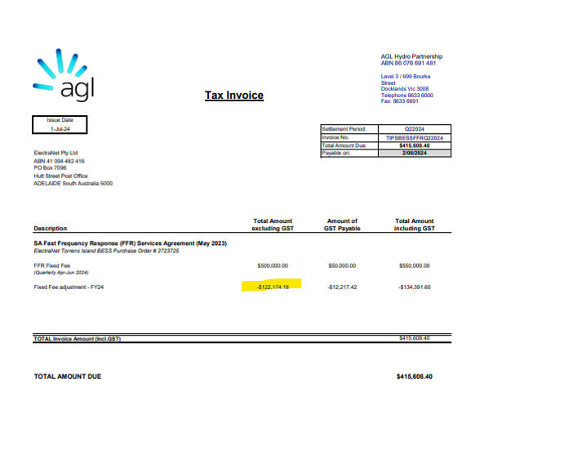

FFR Fixed Fee until Termination date July -19 Sept

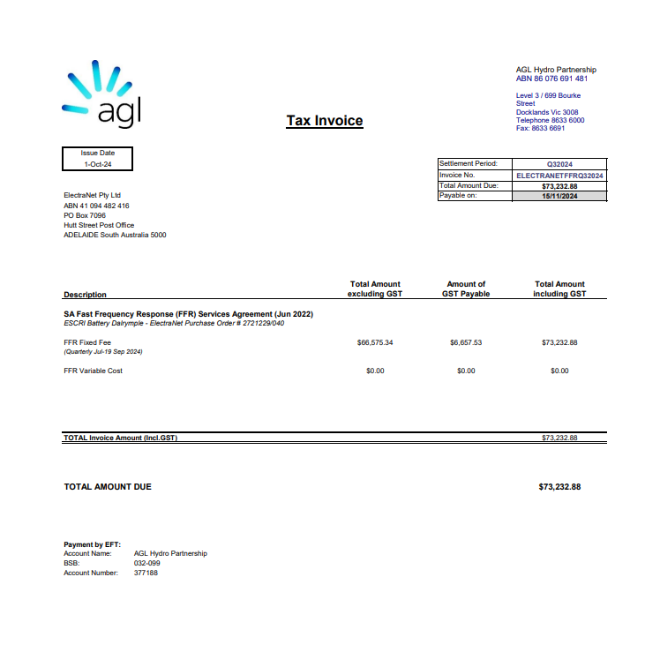

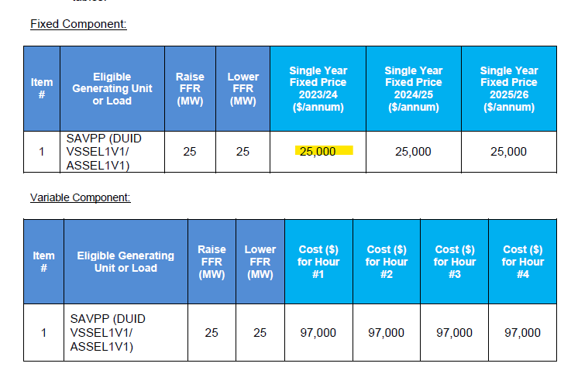

FFR Termination fee
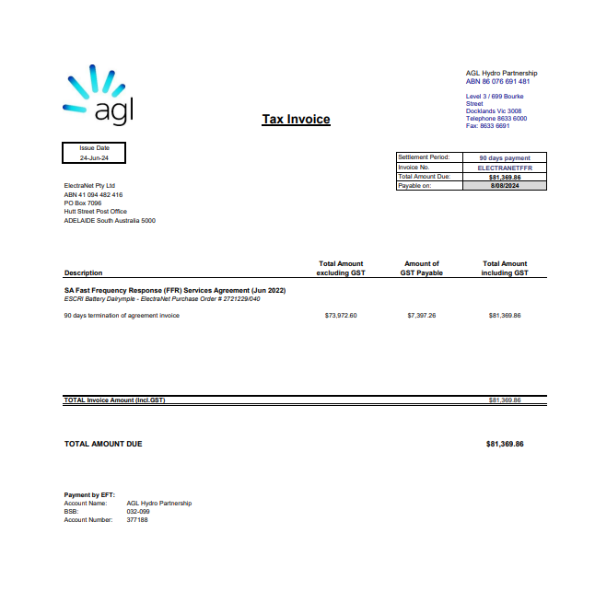

Reversal of FY23/24 Energy Locals accrual not paid

