Figure 2.1
Figure 2.1 - Weekly wholesale electricity prices

Contents page
Note: Volume weighted weekly averages.

Source: AER; AEMO (data).

 | $ per megawatt hour
Week beginning | Queensland | NSW | Victoria | South Australia | Tasmania
2020-12-27 | $43 | $34 | $18 | $13 | $45
2021-01-03 | $40 | $35 | $15 | $14 | $39
2021-01-10 | $45 | $50 | $27 | $32 | $42
2021-01-17 | $38 | $39 | $33 | $54 | $37
2021-01-24 | $48 | $41 | $27 | $64 | $34
2021-01-31 | $39 | $35 | $19 | $15 | $30
2021-02-07 | $44 | $35 | $22 | $28 | $38
2021-02-14 | $36 | $37 | $29 | $45 | $30
2021-02-21 | $52 | $34 | $22 | $31 | $29
2021-02-28 | $53 | $34 | $22 | $27 | $33
2021-03-07 | $59 | $39 | $32 | $267 | $31
2021-03-14 | $44 | $35 | $26 | $29 | $30
2021-03-21 | $49 | $50 | $42 | $46 | $30
2021-03-28 | $29 | $36 | $31 | $38 | $31
2021-04-04 | $63 | $40 | $29 | $33 | $25
2021-04-11 | $44 | $47 | $29 | $33 | $21
2021-04-18 | $87 | $83 | $90 | $91 | $21
2021-04-25 | $46 | $76 | $72 | $73 | $36
2021-05-02 | $55 | $56 | $50 | $55 | $45
2021-05-09 | $73 | $63 | $72 | $70 | $42
2021-05-16 | $63 | $215 | $163 | $159 | $32
2021-05-23 | $347 | $159 | $48 | $48 | $38
2021-05-30 | $367 | $230 | $81 | $88 | $50
2021-06-06 | $291 | $249 | $63 | $67 | $31
2021-06-13 | $238 | $209 | $106 | $95 | $75
2021-06-20 | $100 | $120 | $128 | $109 | $126
2021-06-27 | $114 | $85 | $81 | $83 | $75
2021-07-04 | $169 | $191 | $206 | $201 | $41
2021-07-11 | $111 | $139 | $60 | $57 | $64
2021-07-18 | $243 | $160 | $107 | $110 | $26
2021-07-25 | $76 | $63 | $27 | $30 | $12
2021-08-01 | $60 | $61 | $56 | $58 | $19
2021-08-08 | $59 | $65 | $52 | $52 | $19
2021-08-15 | $52 | $62 | $43 | $48 | $21
2021-08-22 | $61 | $73 | $62 | $58 | $34
2021-08-29 | $63 | $53 | $35 | $24 | $19
2021-09-05 | $43 | $39 | $24 | $25 | $16
2021-09-12 | $54 | $60 | $35 | $37 | $21
2021-09-19 | $56 | $55 | $33 | $34 | $9
2021-09-26 | $69 | $62 | $46 | $35 | $26
2021-10-03 | $53 | $34 | $12 | $14 | $1
2021-10-10 | $55 | $62 | $23 | $21 | $12
2021-10-17 | $108 | $73 | $18 | $20 | $10
2021-10-24 | $88 | $70 | $27 | $44 | $15
2021-10-31 | $67 | $66 | $37 | $47 | $18
2021-11-07 | $186 | $62 | $34 | $31 | $23
2021-11-14 | $88 | $65 | $37 | $44 | $37
2021-11-21 | $81 | $67 | $35 | $45 | $40
2021-11-28 | $72 | $66 | $51 | $71 | $51
2021-12-05 | $181 | $61 | $39 | $48 | $53
2021-12-12 | $104 | $76 | $54 | $146 | $59
2021-12-19 | $268 | $84 | $28 | $40 | $39
2021-12-26 | $68 | $63 | $31 | $198 | $51
2022-01-02 | $116 | $77 | $32 | $29 | $44
2022-01-09 | $137 | $81 | $49 | $174 | $74
2022-01-16 | $109 | $63 | $31 | $32 | $49
2022-01-23 | $122 | $82 | $84 | $106 | $80
2022-01-30 | $602 | $86 | $139 | $154 | $63
2022-02-06 | $85 | $70 | $58 | $63 | $67
2022-02-13 | $96 | $93 | $75 | $80 | $103
2022-02-20 | $109 | $105 | $55 | $63 | $61
2022-02-27 | $102 | $86 | $72 | $95 | $72
2022-03-06 | $375 | $104 | $19 | $27 | $65
2022-03-13 | $84 | $99 | $67 | $113 | $74
2022-03-20 | $104 | $101 | $73 | $84 | $87
2022-03-27 | $172 | $138 | $64 | $66 | $82
2022-04-03 | $261 | $234 | $176 | $205 | $164
2022-04-10 | $192 | $175 | $116 | $163 | $115
2022-04-17 | $200 | $159 | $154 | $154 | $149
2022-04-24 | $278 | $202 | $172 | $169 | $164
2022-05-01 | $453 | $425 | $176 | $207 | $157
2022-05-08 | $324 | $309 | $268 | $479 | $237
2022-05-15 | $351 | $254 | $199 | $367 | $164
2022-05-22 | $330 | $320 | $301 | $326 | $286
2022-05-29 | $445 | $471 | $366 | $322 | $396
2022-06-05 | $658 | $444 | $273 | $314 | $199
2022-06-12 | $381 | $398 | $307 | $323 | $524
2022-06-19 | $266 | $303 | $237 | $240 | $179
2022-06-26 | $362 | $422 | $394 | $398 | $209

Figure 2.2
Figure 2.2 - NEM at a glance

Contents page
Note: MW: megawatts; TWh: terawatt hours. All data as at January 2022, except customers, which are as at the second quarter of 2020-21, and Victoria customer numbers, which were reported in 2019-20. Includes energy met by the grid and rooftop solar generation.

Source: AER; AEMO; Clean Energy Regulator; Energy Made Easy website (energymadeeasy.gov.au); Victorian Essential Services Commission; Department of Industry, Science, Energy and Resources; National greenhouse gas inventory.

 | 2021 | 2020
 | 2020 | 2021
Installed capacity (including rooftop solar) | 67,046 MW | 70,513 MW
Number of large generating units | 295 | 325
Number of customers | 10.5 million | 10.6 million
Turnover | $10.9 billion | $14.1 billion
Total electricity consumption | 190 TWh | 204 TWh
National maximum demand | 35,053 MW | 31,945 MW
Electricity emissions (Mt CO2-e) | 138 | 131

Figure 2.3
Figure 2.3 - Setting the spot price
Contents page

 | Generator output (MW) |  |  |  |  |  | Bid price ($ per MWh)
Time | Generator 1 | Generator 2 | Generator 3 | Generator 4 | Generator 5 | Demand | Generator 1 | Generator 2 | Generator 3 | Generator 4 | Generator 5
4:00:00 | 500 | 550 | 0 | 0 | 0 | 1050 | 58 | 66 | 78 | 90 | 105
4:01:00 | 500 | 570 | 0 | 0 | 0 | 1070 | 58 | 66 | 78 | 90 | 105
4:02:00 | 500 | 590 | 0 | 0 | 0 | 1090 | 58 | 66 | 78 | 90 | 105
4:03:00 | 500 | 610 | 0 | 0 | 0 | 1110 | 58 | 66 | 78 | 90 | 105
4:04:00 | 500 | 630 | 0 | 0 | 0 | 1130 | 58 | 66 | 78 | 90 | 105
4:05:00 | 500 | 650 | 0 | 0 | 0 | 1150 | 58 | 66 | 78 | 90 | 105
4:06:00 | 500 | 650 | 50 | 0 | 0 | 1200 | 58 | 66 | 78 | 90 | 105
4:07:00 | 500 | 650 | 100 | 0 | 0 | 1250 | 58 | 66 | 78 | 90 | 105
4:08:00 | 500 | 650 | 150 | 0 | 0 | 1300 | 58 | 66 | 78 | 90 | 105
4:09:00 | 500 | 650 | 200 | 0 | 0 | 1350 | 58 | 66 | 78 | 90 | 105
4:10:00 | 500 | 650 | 250 | 0 | 0 | 1400 | 58 | 66 | 78 | 90 | 105
4:11:00 | 500 | 650 | 300 | 0 | 0 | 1450 | 58 | 66 | 78 | 90 | 105
4:12:00 | 500 | 650 | 350 | 0 | 0 | 1500 | 58 | 66 | 78 | 90 | 105
4:13:00 | 500 | 650 | 350 | 50 | 0 | 1550 | 58 | 66 | 78 | 90 | 105
4:14:00 | 500 | 650 | 350 | 100 | 0 | 1600 | 58 | 66 | 78 | 90 | 105
4:15:00 | 500 | 650 | 350 | 150 | 0 | 1650 | 58 | 66 | 78 | 90 | 105
4:16:00 | 500 | 650 | 350 | 240 | 0 | 1740 | 58 | 66 | 78 | 90 | 105
4:17:00 | 500 | 650 | 350 | 330 | 0 | 1830 | 58 | 66 | 78 | 90 | 105
4:18:00 | 500 | 650 | 350 | 420 | 0 | 1920 | 58 | 66 | 78 | 90 | 105
4:19:00 | 500 | 650 | 350 | 500 | 10 | 2010 | 58 | 66 | 78 | 90 | 105
4:20:00 | 500 | 650 | 350 | 500 | 100 | 2100 | 58 | 66 | 78 | 90 | 105
4:21:00 | 500 | 650 | 350 | 500 | 100 | 2100 | 58 | 66 | 78 | 90 | 105
4:22:00 | 500 | 650 | 350 | 500 | 100 | 2100 | 58 | 66 | 78 | 90 | 105
4:23:00 | 500 | 650 | 350 | 500 | 100 | 2100 | 58 | 66 | 78 | 90 | 105
4:24:00 | 500 | 650 | 350 | 500 | 100 | 2100 | 58 | 66 | 78 | 90 | 105
4:25:00 | 500 | 650 | 350 | 500 | 100 | 2100 | 58 | 66 | 78 | 90 | 105
4:26:00 | 500 | 650 | 350 | 500 | 50 | 2050 | 58 | 66 | 78 | 90 | 105
4:27:00 | 500 | 650 | 350 | 500 | 0 | 2000 | 58 | 66 | 78 | 90 | 105
4:28:00 | 500 | 650 | 350 | 450 | 0 | 1950 | 58 | 66 | 78 | 90 | 105
4:29:00 | 500 | 650 | 350 | 400 | 0 | 1900 | 58 | 66 | 78 | 90 | 105
4:30:00 | 500 | 650 | 350 | 350 | 0 | 1850 | 58 | 66 | 78 | 90 | 105

Figure 2.4
Figure 2.4 Quarterly wholesale electricity prices
Contents page
Note: Prices are volume weighted quarterly averages.

Source: AER; AEMO (data)

Year | Quarter | Queensland | NSW | Victoria | South Australia | Tasmania
2010 | Jan – Mar | $46 | $52 | $66 | $130 | $27
 | Apr – Jun | $22 | $30 | $48 | $33 | $39
 | Jul – Sep | $22 | $30 | $26 | $28 | $40
 | Oct – Dec | $21 | $23 | $19 | $23 | $21
2011 | Jan – Mar | $66 | $91 | $41 | $80 | $27
 | Apr – Jun | $26 | $28 | $30 | $32 | $32
 | Jul – Sep | $29 | $30 | $30 | $37 | $30
 | Oct – Dec | $30 | $32 | $25 | $33 | $30
2012 | Jan – Mar | $31 | $26 | $26 | $27 | $37
 | Apr – Jun | $30 | $33 | $33 | $30 | $34
 | Jul – Sep | $58 | $60 | $63 | $68 | $49
 | Oct – Dec | $57 | $55 | $67 | $60 | $47
2013 | Jan – Mar | $105 | $52 | $57 | $64 | $51
 | Apr – Jun | $61 | $56 | $57 | $104 | $47
 | Jul – Sep | $60 | $56 | $55 | $70 | $47
 | Oct – Dec | $59 | $55 | $50 | $71 | $41
2014 | Jan – Mar | $71 | $51 | $64 | $78 | $41
 | Apr – Jun | $51 | $50 | $48 | $53 | $39
 | Jul – Sep | $32 | $40 | $38 | $48 | $36
 | Oct – Dec | $68 | $33 | $28 | $32 | $40
2015 | Jan – Mar | $107 | $35 | $28 | $40 | $39
 | Apr – Jun | $32 | $37 | $32 | $48 | $34
 | Jul – Sep | $45 | $46 | $39 | $69 | $38
 | Oct – Dec | $43 | $45 | $43 | $59 | $80
2016 | Jan – Mar | $89 | $46 | $50 | $54 | $174
 | Apr – Jun | $77 | $81 | $69 | $87 | $114
 | Jul – Sep | $54 | $56 | $53 | $133 | $55
 | Oct – Dec | $66 | $66 | $35 | $75 | $38
2017 | Jan – Mar | $194 | $135 | $85 | $160 | $99
 | Apr – Jun | $87 | $94 | $107 | $118 | $114
 | Jul – Sep | $82 | $95 | $103 | $102 | $97
 | Oct – Dec | $73 | $81 | $88 | $85 | $85
2018 | Jan – Mar | $72 | $74 | $120 | $144 | $91
 | Apr – Jun | $72 | $88 | $86 | $101 | $77
 | Jul – Sep | $80 | $90 | $84 | $95 | $43
 | Oct – Dec | $85 | $88 | $100 | $100 | $85
2019 | Jan – Mar | $89 | $105 | $213 | $220 | $136
 | Apr – Jun | $78 | $86 | $101 | $95 | $99
 | Jul – Sep | $66 | $86 | $103 | $82 | $70
 | Oct – Dec | $65 | $76 | $82 | $87 | $76
2020 | Jan – Mar | $57 | $108 | $109 | $81 | $44
 | Apr – Jun | $35 | $45 | $43 | $44 | $32
 | Jul – Sep | $34 | $49 | $54 | $46 | $51
 | Oct – Dec | $48 | $71 | $40 | $35 | $46
2021 | Jan – Mar | $45 | $39 | $27 | $53 | $34
 | Apr – Jun | $141 | $129 | $77 | $77 | $47
 | Jul – Sep | $90 | $88 | $64 | $63 | $27
 | Oct – Dec | $111 | $65 | $33 | $60 | $30
2022 | Jan – Mar | $171 | $89 | $64 | $86 | $71
 | Apr – Jun | $344 | $321 | $241 | $280 | $228

Figure 2.5
Figure 2.5 - Annual wholesale electricity prices
Contents page
Note: Prices are volume weighted calendar year averages.

Source: AER; AEMO (data).

 | $ per megawatt hour
 | Queensland | NSW | Victoria | South Australia | Tasmania
2001 | $30.81 | $27.54 | $27.65 | $26.52
2002 | $52.24 | $44.58 | $35.40 | $38.00
2003 | $23.84 | $29.99 | $24.70 | $29.09
2004 | $37.31 | $52.76 | $31.65 | $47.02
2005 | $52.18 | $70.17 | $33.35 | $60.22 | $46.48
2006 | $28.23 | $34.81 | $37.61 | $44.02 | $37.65
2007 | $72.43 | $75.95 | $69.63 | $64.18 | $58.28
2008 | $48.73 | $41.91 | $43.43 | $89.90 | $50.50
2009 | $37.34 | $51.65 | $43.47 | $87.32 | $52.75
2010 | $28.02 | $33.84 | $39.76 | $53.80 | $32.34
2011 | $37.92 | $45.30 | $31.46 | $45.63 | $29.85
2012 | $44.05 | $43.70 | $46.68 | $45.94 | $42.26
2013 | $71.65 | $54.83 | $54.74 | $76.87 | $46.51
2014 | $55.99 | $43.63 | $44.68 | $53.33 | $39.05
2015 | $57.81 | $40.82 | $35.61 | $54.43 | $47.23
2016 | $71.52 | $62.13 | $51.90 | $87.93 | $92.19
2017 | $111.57 | $101.77 | $96.17 | $117.39 | $98.75
2018 | $77.16 | $85.01 | $97.09 | $110.21 | $72.76
2019 | $74.64 | $88.46 | $124.36 | $121.92 | $94.04
2020 | $44.28 | $68.02 | $61.61 | $51.30 | $43.16
2021 | $95.69 | $81.46 | $51.52 | $63.70 | $34.28

Figure 2.6
Figure 2.6 - Black coal and gas fuel prices
Contents page
Note: The black coal price is derived from the Newcastle coal index (US$ per tonne), converted to A$ with the Reserve Bank of Australia exchange rate. The east coast gas market (ECGM) average gas price is the average of gas prices in Queensland, NSW, Victoria and South Australia.

Source: AER analysis using globalCOAL data, and data from the short-term trading market and Victorian declared wholesale gas market.

 |  | $ per MWh
Year | Month | East coast gas markets (RHS) | Newcastle coal (LHS)
2019 | Jan | $10 | $138
 | Feb | $10 | $134
 | Mar | $10 | $131
 | Apr | $10 | $121
 | May | $9 | $120
 | Jun | $10 | $101
 | Jul | $8 | $107
 | Aug | $8 | $97
 | Sep | $8 | $97
 | Oct | $8 | $98
 | Nov | $7 | $100
 | Dec | $7 | $95
2020 | Jan | $6 | $102
 | Feb | $6 | $104
 | Mar | $5 | $108
 | Apr | $5 | $96
 | May | $5 | $79
 | Jun | $4 | $76
 | Jul | $5 | $73
 | Aug | $5 | $67
 | Sep | $5 | $74
 | Oct | $5 | $83
 | Nov | $6 | $87
 | Dec | $6 | $105
2021 | Jan | $6 | $113
 | Feb | $6 | $111
 | Mar | $6 | $124
 | Apr | $7 | $121
 | May | $7 | $137
 | Jun | $11 | $170
 | Jul | $16 | $204
 | Aug | $8 | $234
 | Sep | $8 | $249
 | Oct | $8 | $296
 | Nov | $12 | $223
 | Dec | $11 | $234
2022 | Jan | $9 | $323
 | Feb | $10 | $331
 | Mar | $11 | $441
 | Apr | $16 | $462
 | May | $32 | $568
 | Jun | $39 | $572

Figure 2.7
Figure 2.7 - Count of prices above $300 per MWh
Contents page
Note: Count of 30-minute prices above $300 per MWh.

Source: AER; AEMO (data).

 | More than $300/MWh
2018 | 143
2019 | 94
2020 | 164
2021 | 1,325
2018 | 63
2019 | 178
2020 | 179
2021 | 519
2018 | 381
2019 | 1,141
2020 | 238
2021 | 419
2018 | 1,146
2019 | 1,354
2020 | 869
2021 | 932
2018 | 558
2019 | 891
2020 | 517
2021 | 224
 |  | More than $300/MWh
Queensland | 2018 | 143
 | 2019 | 94
 | 2020 | 164
 | 2021 | 1,325

NSW | 2018 | 63
 | 2019 | 178
 | 2020 | 179
 | 2021 | 519

Victoria | 2018 | 381
 | 2019 | 1,141
 | 2020 | 238
 | 2021 | 419

South Australia | 2018 | 1,146
 | 2019 | 1,354
 | 2020 | 869
 | 2021 | 932

Tasmania | 2018 | 558
 | 2019 | 891
 | 2020 | 517
 | 2021 | 224

Figure 2.8
Figure 2.8 - Count of negative prices
Contents page
Note: Count of 30-minute prices below $0 per MWh.

Source: AER; AEMO (data).

Year | Quarter | Queensland | NSW | Victoria | South Australia | Tasmania | Total
2016 | Jan – Mar | 0 | 0 | 6 | 18 | 1 | 25
 | Apr – Jun | 0 | 0 | 59 | 121 | 19 | 199
 | Jul – Sep | 0 | 0 | 33 | 90 | 144 | 267
 | Oct – Dec | 1 | 0 | 79 | 163 | 262 | 505
2017 | Jan – Mar | 0 | 0 | 6 | 27 | 7 | 40
 | Apr – Jun | 1 | 0 | 0 | 18 | 3 | 22
 | Jul – Sep | 4 | 0 | 0 | 61 | 17 | 82
 | Oct – Dec | 8 | 0 | 1 | 32 | 9 | 50
2018 | Jan – Mar | 2 | 0 | 3 | 29 | 37 | 71
 | Apr – Jun | 1 | 0 | 4 | 17 | 23 | 45
 | Jul – Sep | 5 | 0 | 40 | 139 | 290 | 474
 | Oct – Dec | 8 | 0 | 10 | 30 | 19 | 67
2019 | Jan – Mar | 2 | 0 | 8 | 23 | 49 | 82
 | Apr – Jun | 9 | 0 | 8 | 83 | 12 | 112
 | Jul – Sep | 157 | 5 | 46 | 359 | 95 | 662
 | Oct – Dec | 80 | 0 | 61 | 326 | 55 | 522
2020 | Jan – Mar | 12 | 0 | 56 | 293 | 89 | 450
 | Apr – Jun | 142 | 22 | 154 | 209 | 177 | 704
 | Jul – Sep | 349 | 8 | 129 | 445 | 39 | 970
 | Oct – Dec | 146 | 6 | 430 | 766 | 190 | 1,538
2021 | Jan – Mar | 13 | 2 | 438 | 719 | 61 | 1,233
 | Apr – Jun | 234 | 28 | 284 | 354 | 290 | 1,190
 | Jul – Sep | 423 | 197 | 943 | 1,081 | 855 | 3,499
 | Oct – Dec | 352 | 196 | 1,039 | 1,246 | 639 | 3,472
2022 | Jan – Mar | 31 | 30 | 560 | 724 | 53 | 1,398
 | Apr – Jun | 42 | 4 | 203 | 380 | 59 | 688

Figure 2.9
Figure 2.9 - Traded volumes in electricity futures contracts

Contents page
Note: Exchange trades are publicly reported, whle activity in over-the-counter (OTC) markets is confidential and disclosed publicly only via voluntary participant surveys in aggregated form. The OTC data are published on a financial year basis. To allow some comparability across OTC and exchange traded data, this section refers to financial years for both markets. Data for 2021-22 trading of OTC contracts were not available at the time of publication. The OTC liquidity ratio forecast is the liquidity ratio compared the total traded volumes to the native demand across the 4 combined regions.

Source: AER; AFMA; ASX Energy.
 | OTC | OTC forecast | ASX | OTC liquidity ratio (RHS) | ASX liquidity ratio (RHS) | OTC liquidity ratio forecast (RHS)
2010–11 | 315 |  | 549 | 1.6 | 2.8
2011–12 | 227 |  | 437 | 1.2 | 2.3
2012–13 | 291 |  | 342 | 1.6 | 1.8
2013–14 | 251 |  | 387 | 1.4 | 2.1
2014–15 | 73 |  | 446 | 0.4 | 2.4
2015–16 | 111 |  | 389 | 0.6 | 2.1
2016–17 | 119 |  | 392 | 0.6 | 2.1
2017–18 | 109 |  | 333 | 0.6 | 1.8
2018–19 | 108 |  | 476 | 0.6 | 2.6
2019–20 | 118 |  | 734 | 0.6 | 4.0
2020–21 | 85 |  | 1071 | 0.5 | 6.0 | 0.5
2021–22 |  | 85 | 1226 | #N/A | 6.9 | 0.5
 | OTC | ASX | OTC forecast | OTC liquidity ratio (RHS) | ASX liquidity ratio (RHS) | OTC liquidity ratio forecast (RHS)
2010–11 | 315 | 549 |  | 1.6 | 2.8
2011–12 | 227 | 437 |  | 1.2 | 2.3
2012–13 | 291 | 342 |  | 1.6 | 1.8
2013–14 | 251 | 387 |  | 1.4 | 2.1
2014–15 | 73 | 446 |  | 0.4 | 2.4
2015–16 | 111 | 389 |  | 0.6 | 2.1
2016–17 | 119 | 392 |  | 0.6 | 2.1
2017–18 | 109 | 333 |  | 0.6 | 1.8
2018–19 | 108 | 476 |  | 0.6 | 2.6
2019–20 | 118 | 734 |  | 0.6 | 4.0
2020–21 | 85 | 1071 |  | 0.5 | 6.0 | 0.5
2021–22 |  | 1226 | 85 | #N/A | 6.9 | 0.5

Figure 2.10
Figure 2.10 - ASX open interest volumes
Contents page
Source: AER; ASX Energy.

 |  | Terawatt hours
 |  | Base Month | Base Quarter | Cap | Peak | Average rate option | Swaption
2011 | Q1 | - | 66 | 16 | 3 | - | 68
 | Q2 | - | 61 | 14 | 3 | - | 75
 | Q3 | - | 61 | 16 | 4 | - | 87
 | Q4 | - | 58 | 16 | 4 | - | 11
2012 | Q1 | - | 53 | 18 | 4 | - | 51
 | Q2 | - | 57 | 16 | 3 | - | 58
 | Q3 | - | 59 | 15 | 3 | - | 66
 | Q4 | - | 57 | 21 | 3 | - | 39
2013 | Q1 | - | 54 | 21 | 3 | - | 50
 | Q2 | 0 | 56 | 18 | 4 | - | 62
 | Q3 | 0 | 61 | 20 | 4 | 1 | 73
 | Q4 | 0 | 67 | 21 | 3 | 3 | 52
2014 | Q1 | 0 | 71 | 21 | 2 | 4 | 78
 | Q2 | 0 | 79 | 20 | 1 | 5 | 57
 | Q3 | 0 | 83 | 20 | 2 | 10 | 69
 | Q4 | 0 | 93 | 23 | 3 | 14 | 36
2015 | Q1 | 0 | 85 | 22 | 3 | 14 | 49
 | Q2 | 0 | 78 | 18 | 3 | 14 | 34
 | Q3 | 0 | 77 | 18 | 2 | 15 | 53
 | Q4 | - | 75 | 19 | 2 | 15 | 45
2016 | Q1 | 0 | 66 | 21 | 2 | 15 | 60
 | Q2 | 0 | 70 | 19 | 2 | 11 | 42
 | Q3 | 0 | 67 | 20 | 2 | 13 | 54
 | Q4 | 0 | 73 | 22 | 2 | 13 | 47
2017 | Q1 | 0 | 73 | 21 | 2 | 10 | 70
 | Q2 | 0 | 69 | 20 | 2 | 10 | 56
 | Q3 | 0 | 68 | 20 | 2 | 9 | 67
 | Q4 | 0 | 63 | 22 | 2 | 12 | 33
2018 | Q1 | 0 | 58 | 27 | 2 | 16 | 45
 | Q2 | 0 | 59 | 27 | 2 | 19 | 36
 | Q3 | 1 | 64 | 28 | 2 | 20 | 51
 | Q4 | 0 | 65 | 28 | 3 | 17 | 48
2019 | Q1 | 0 | 68 | 26 | 2 | 14 | 72
 | Q2 | 0 | 68 | 23 | 2 | 20 | 83
 | Q3 | 0 | 79 | 24 | 2 | 28 | 120
 | Q4 | - | 85 | 25 | 2 | 27 | 91
2020 | Q1 | 0 | 101 | 24 | 2 | 25 | 137
 | Q2 | 0 | 102 | 19 | 2 | 25 | 140
 | Q3 | 0 | 104 | 17 | 2 | 28 | 220
 | Q4 | 0 | 115 | 17 | 1 | 27 | 197
2021 | Q1 | 0 | 108 | 16 | 1 | 27 | 276
 | Q2 | 0 | 116 | 26 | 1 | 31 | 263
 | Q3 | 0 | 123 | 29 | 1 | 36 | 314
 | Q4 | 0 | 130 | 36 | 1 | 32 | 316
2022 | Q1 | 0 | 143 | 38 | 1 | 29 | 443
 | Q2 | 0 | 146 | 35 | 1 | 26 | 443

Sarah has updated the contracts spread sheet. Tallara will data check. |  |  |  |  |  |  | https://imanage.accc.gov.au/work/link/d/ACCCANDAER!13599192.1

Figure 2.11
Figure 2.11 - Prices for calendar year base futures
Contents page
Source: AER; ASX Energy.

 | NSW |  |  |  |  | QLD |  |  |  |  | SA |  |  |  |  | VIC
 | 2021 | 2022 | 2023 | 2024 |  | 2021 | 2022 | 2023 | 2024 |  | 2021 | 2022 | 2023 | 2024 |  | 2021 | 2022 | 2023 | 2024
2020-01-01 | 67.0 | 67.0 | 72.1875 | #N/A | 2020-01-01 | 55.8 | 56.8 | 60 | #N/A | 2020-01-01 | 68.2 | 66.8 | 83.0425 | #N/A | 2020-01-01 | 73.9 | 67.1 | 69.8125 | #N/A
Queensland
 | 2021 | 2022 | 2023 | 2024
1/1/2020 | 55.8 | 56.805 | 60 | #N/A
1/2/2020 | 55.6 | 56.4575 | 60 | #N/A
1/3/2020 | 53.9 | 55.205 | 60 | #N/A
1/4/2020 | 53.9 | 55.205 | 60 | #N/A
1/5/2020 | 53.9 | 55.205 | 60 | #N/A
1/6/2020 | 53.7 | 54.2175 | 60 | #N/A
1/7/2020 | 53.4 | 53.59 | 59.0275 | #N/A
1/8/2020 | 53.0 | 53.1825 | 59.0275 | #N/A
1/9/2020 | 52.7 | 52.9375 | 58.9375 | #N/A
1/10/2020 | 52.3 | 52.0025 | 53.75 | #N/A
1/11/2020 | 52.3 | 52.0025 | 53.75 | #N/A
1/12/2020 | 52.3 | 52.0025 | 53.75 | #N/A
1/13/2020 | 52.3 | 51.875 | 53.5 | #N/A
1/14/2020 | 53.0 | 52.2625 | 53.5 | #N/A
1/15/2020 | 53.7 | 52.5075 | 53.5 | #N/A
1/16/2020 | 54.1 | 52.78 | 53.5 | #N/A
1/17/2020 | 55.0 | 53.075 | 53.6125 | #N/A
1/18/2020 | 55.0 | 53.075 | 53.6125 | #N/A
1/19/2020 | 55.0 | 53.075 | 53.6125 | #N/A
1/20/2020 | 55.3 | 52.94 | 53.6125 | #N/A
1/21/2020 | 52.9 | 52.255 | 53.6125 | #N/A
1/22/2020 | 53.1 | 51.705 | 51.5575 | #N/A
1/23/2020 | 53.1 | 52.04 | 52.045 | #N/A
1/24/2020 | 53.7 | 52.1725 | 52.045 | #N/A
1/25/2020 | 53.7 | 52.1725 | 52.045 | #N/A
1/26/2020 | 53.7 | 52.1725 | 52.045 | #N/A
1/27/2020 | 53.7 | 52.1725 | 52.045 | #N/A
1/28/2020 | 53.7 | 52.195 | 52.045 | #N/A
1/29/2020 | 54.2 | 52.365 | 52.17 | #N/A
1/30/2020 | 53.6 | 52.31 | 52.17 | #N/A
1/31/2020 | 54.1 | 52.2925 | 52.17 | #N/A
2/1/2020 | 54.1 | 52.2925 | 52.17 | #N/A
2/2/2020 | 54.1 | 52.2925 | 52.17 | #N/A
2/3/2020 | 54.0 | 52.115 | 52.105 | #N/A
2/4/2020 | 53.9 | 51.9675 | 52.105 | #N/A
2/5/2020 | 53.6 | 51.7575 | 51.98 | #N/A
2/6/2020 | 53.7 | 51.7 | 51.98 | #N/A
2/7/2020 | 53.5 | 51.825 | 51.98 | #N/A
2/8/2020 | 53.5 | 51.825 | 51.98 | #N/A
2/9/2020 | 53.5 | 51.825 | 51.98 | #N/A
2/10/2020 | 53.1 | 51.7775 | 51.98 | #N/A
2/11/2020 | 52.6 | 51.62 | 51.98 | #N/A
2/12/2020 | 52.1 | 51.2475 | 51.98 | #N/A
2/13/2020 | 52.6 | 51.15 | 51.98 | #N/A
2/14/2020 | 53.6 | 51.7125 | 51.98 | #N/A
2/15/2020 | 53.6 | 51.7125 | 51.98 | #N/A
2/16/2020 | 53.6 | 51.7125 | 51.98 | #N/A
2/17/2020 | 54.3 | 51.7975 | 51.98 | #N/A
2/18/2020 | 54.1 | 51.7675 | 51.9125 | #N/A
2/19/2020 | 53.6 | 51.8325 | 51.9125 | #N/A
...
NSW
 | 2021 | 2022 | 2023 | 2024
1/1/2020 | 67.0 | 66.96 | 72.1875 | #N/A
1/2/2020 | 66.0 | 66.375 | 72.1875 | #N/A
1/3/2020 | 64.7 | 65.375 | 72.1875 | #N/A
1/4/2020 | 64.7 | 65.375 | 72.1875 | #N/A
1/5/2020 | 64.7 | 65.375 | 72.1875 | #N/A
1/6/2020 | 65.3 | 65.125 | 72.1875 | #N/A
1/7/2020 | 64.2 | 64.1725 | 72.1875 | #N/A
1/8/2020 | 63.9 | 63.0625 | 72.1875 | #N/A
1/9/2020 | 63.1 | 62.4375 | 72.1875 | #N/A
1/10/2020 | 62.6 | 62.3125 | 72.1875 | #N/A
1/11/2020 | 62.6 | 62.3125 | 72.1875 | #N/A
1/12/2020 | 62.6 | 62.3125 | 72.1875 | #N/A
1/13/2020 | 61.9 | 62.0475 | 72.1875 | #N/A
1/14/2020 | 63.4 | 62.05 | 72.1875 | #N/A
1/15/2020 | 63.7 | 62.075 | 72.1875 | #N/A
1/16/2020 | 64.1 | 62.335 | 72.1875 | #N/A
1/17/2020 | 66.2 | 63.695 | 72.1875 | #N/A
1/18/2020 | 66.2 | 63.695 | 72.1875 | #N/A
1/19/2020 | 66.2 | 63.695 | 72.1875 | #N/A
1/20/2020 | 66.1 | 64.2 | 72.1875 | #N/A
1/21/2020 | 64.2 | 63.705 | 72.1875 | #N/A
1/22/2020 | 63.8 | 62.98 | 72.1875 | #N/A
1/23/2020 | 63.3 | 62.6475 | 72.1875 | #N/A
1/24/2020 | 63.9 | 62.605 | 72.1875 | #N/A
1/25/2020 | 63.9 | 62.605 | 72.1875 | #N/A
1/26/2020 | 63.9 | 62.605 | 72.1875 | #N/A
1/27/2020 | 63.9 | 62.605 | 72.1875 | #N/A
1/28/2020 | 64.3 | 63.125 | 72.1875 | #N/A
1/29/2020 | 65.1 | 63.7875 | 72.1875 | #N/A
1/30/2020 | 64.7 | 63.855 | 72.1875 | #N/A
1/31/2020 | 66.3 | 63.7925 | 72.1875 | #N/A
2/1/2020 | 66.3 | 63.7925 | 72.1875 | #N/A
2/2/2020 | 66.3 | 63.7925 | 72.1875 | #N/A
2/3/2020 | 66.0 | 63.41 | 72.1875 | #N/A
2/4/2020 | 65.2 | 63.235 | 72.1875 | #N/A
2/5/2020 | 64.7 | 62.48 | 72.1875 | #N/A
2/6/2020 | 64.7 | 62.3325 | 72.1875 | #N/A
2/7/2020 | 64.7 | 62.7025 | 72.1875 | #N/A
2/8/2020 | 64.7 | 62.7025 | 72.1875 | #N/A
2/9/2020 | 64.7 | 62.7025 | 72.1875 | #N/A
2/10/2020 | 63.7 | 62.46 | 72.1875 | #N/A
2/11/2020 | 62.8 | 62.2675 | 72.1875 | #N/A
2/12/2020 | 62.3 | 61.825 | 72.1875 | #N/A
2/13/2020 | 62.4 | 61.8125 | 72.1875 | #N/A
2/14/2020 | 63.1 | 61.8125 | 72.1875 | #N/A
2/15/2020 | 63.1 | 61.8125 | 72.1875 | #N/A
2/16/2020 | 63.1 | 61.8125 | 72.1875 | #N/A
2/17/2020 | 64.1 | 62.48 | 72.1875 | #N/A
2/18/2020 | 64.0 | 62.315 | 71.65 | #N/A
2/19/2020 | 63.5 | 62.395 | 71.65 | #N/A
...
2020-01-02 | 66.0 | 66.375 | 72.1875 | #N/A | 2020-01-02 | 55.6 | 56.4575 | 60 | #N/A | 2020-01-02 | 67.2 | 66.76 | 83.0425 | #N/A | 2020-01-02 | 72.9 | 66.86 | 66.565 | #N/A
2020-01-03 | 64.7025 | 65.375 | 72.1875 | #N/A | 2020-01-03 | 53.8775 | 55.205 | 60 | #N/A | 2020-01-03 | 66.04 | 66.76 | 83.0425 | #N/A | 2020-01-03 | 72.05 | 65.7125 | 64.56 | #N/A
2020-01-04 | 64.7025 | 65.375 | 72.1875 | #N/A | 2020-01-04 | 53.8775 | 55.205 | 60 | #N/A | 2020-01-04 | 66.04 | 66.76 | 83.0425 | #N/A | 2020-01-04 | 72.05 | 65.7125 | 64.56 | #N/A
2020-01-05 | 64.7025 | 65.375 | 72.1875 | #N/A | 2020-01-05 | 53.8775 | 55.205 | 60 | #N/A | 2020-01-05 | 66.04 | 66.76 | 83.0425 | #N/A | 2020-01-05 | 72.05 | 65.7125 | 64.56 | #N/A
2020-01-06 | 65.345 | 65.125 | 72.1875 | #N/A | 2020-01-06 | 53.72 | 54.2175 | 60 | #N/A | 2020-01-06 | 66.04 | 66.76 | 83.0425 | #N/A | 2020-01-06 | 71.925 | 65.3275 | 64.56 | #N/A
2020-01-07 | 64.235 | 64.1725 | 72.1875 | #N/A | 2020-01-07 | 53.385 | 53.59 | 59.0275 | #N/A | 2020-01-07 | 65.55 | 66.0275 | 83.0425 | #N/A | 2020-01-07 | 70.6475 | 64.385 | 63.56 | #N/A
2020-01-08 | 63.885 | 63.0625 | 72.1875 | #N/A | 2020-01-08 | 53 | 53.1825 | 59.0275 | #N/A | 2020-01-08 | 63.9 | 65.8275 | 83.0425 | #N/A | 2020-01-08 | 68.6525 | 63.3825 | 63.56 | #N/A
2020-01-09 | 63.1075 | 62.4375 | 72.1875 | #N/A | 2020-01-09 | 52.68 | 52.9375 | 58.9375 | #N/A | 2020-01-09 | 65.3 | 64.3 | 82.545 | #N/A | 2020-01-09 | 68.295 | 63.11 | 62.0625 | #N/A
2020-01-10 | 62.6475 | 62.3125 | 72.1875 | #N/A | 2020-01-10 | 52.3175 | 52.0025 | 53.75 | #N/A | 2020-01-10 | 65.1125 | 63.875 | 82.545 | #N/A | 2020-01-10 | 67.9775 | 62.39 | 62.0625 | #N/A
2020-01-11 | 62.6475 | 62.3125 | 72.1875 | #N/A | 2020-01-11 | 52.3175 | 52.0025 | 53.75 | #N/A | 2020-01-11 | 65.1125 | 63.875 | 82.545 | #N/A | 2020-01-11 | 67.9775 | 62.39 | 62.0625 | #N/A
2020-01-12 | 62.6475 | 62.3125 | 72.1875 | #N/A | 2020-01-12 | 52.3175 | 52.0025 | 53.75 | #N/A | 2020-01-12 | 65.1125 | 63.875 | 82.545 | #N/A | 2020-01-12 | 67.9775 | 62.39 | 62.0625 | #N/A
2020-01-13 | 61.92 | 62.0475 | 72.1875 | #N/A | 2020-01-13 | 52.3175 | 51.875 | 53.5 | #N/A | 2020-01-13 | 64.9875 | 63.875 | 82.545 | #N/A | 2020-01-13 | 66.84 | 61.2725 | 61.06 | #N/A
2020-01-14 | 63.355 | 62.05 | 72.1875 | #N/A | 2020-01-14 | 52.9825 | 52.2625 | 53.5 | #N/A | 2020-01-14 | 64.8125 | 64 | 82.545 | #N/A | 2020-01-14 | 67.725 | 61.05 | 61.06 | #N/A
2020-01-15 | 63.6875 | 62.075 | 72.1875 | #N/A | 2020-01-15 | 53.6725 | 52.5075 | 53.5 | #N/A | 2020-01-15 | 65.61 | 64.0625 | 82.545 | #N/A | 2020-01-15 | 68.26 | 61.525 | 61.06 | #N/A
2020-01-16 | 64.06 | 62.335 | 72.1875 | #N/A | 2020-01-16 | 54.0525 | 52.78 | 53.5 | #N/A | 2020-01-16 | 65.9 | 64.0625 | 82.545 | #N/A | 2020-01-16 | 69.0625 | 62.085 | 61.06 | #N/A
2020-01-17 | 66.1975 | 63.695 | 72.1875 | #N/A | 2020-01-17 | 54.95 | 53.075 | 53.6125 | #N/A | 2020-01-17 | 66.8775 | 64.0625 | 82.545 | #N/A | 2020-01-17 | 69.705 | 62.9175 | 61.06 | #N/A
2020-01-18 | 66.1975 | 63.695 | 72.1875 | #N/A | 2020-01-18 | 54.95 | 53.075 | 53.6125 | #N/A | 2020-01-18 | 66.8775 | 64.0625 | 82.545 | #N/A | 2020-01-18 | 69.705 | 62.9175 | 61.06 | #N/A
2020-01-19 | 66.1975 | 63.695 | 72.1875 | #N/A | 2020-01-19 | 54.95 | 53.075 | 53.6125 | #N/A | 2020-01-19 | 66.8775 | 64.0625 | 82.545 | #N/A | 2020-01-19 | 69.705 | 62.9175 | 61.06 | #N/A
2020-01-20 | 66.1425 | 64.2 | 72.1875 | #N/A | 2020-01-20 | 55.27 | 52.94 | 53.6125 | #N/A | 2020-01-20 | 65.8225 | 64.0625 | 82.545 | #N/A | 2020-01-20 | 68.955 | 62.5275 | 61.06 | #N/A
Victoria
South Australia
 | 2021 | 2022
1/1/2020 | 68.2 | 66.76
1/2/2020 | 67.2 | 66.76
1/3/2020 | 66.0 | 66.76
1/4/2020 | 66.0 | 66.76
1/5/2020 | 66.0 | 66.76
1/6/2020 | 66.0 | 66.76
1/7/2020 | 65.6 | 66.0275
1/8/2020 | 63.9 | 65.8275
1/9/2020 | 65.3 | 64.3
1/10/2020 | 65.1 | 63.875
1/11/2020 | 65.1 | 63.875
1/12/2020 | 65.1 | 63.875
1/13/2020 | 65.0 | 63.875
1/14/2020 | 64.8 | 64
1/15/2020 | 65.6 | 64.0625
1/16/2020 | 65.9 | 64.0625
1/17/2020 | 66.9 | 64.0625
1/18/2020 | 66.9 | 64.0625
1/19/2020 | 66.9 | 64.0625
1/20/2020 | 65.8 | 64.0625
1/21/2020 | 65.0 | 64.0625
1/22/2020 | 65.0 | 64.0625
1/23/2020 | 65.1 | 64.0625
1/24/2020 | 65.1 | 64.0625
1/25/2020 | 65.1 | 64.0625
1/26/2020 | 65.1 | 64.0625
1/27/2020 | 65.1 | 64.0625
1/28/2020 | 65.4 | 64.1875
1/29/2020 | 65.4 | 64.25
1/30/2020 | 65.4 | 64.18
1/31/2020 | 65.5 | 64.335
2/1/2020 | 65.5 | 64.335
2/2/2020 | 65.5 | 64.335
2/3/2020 | 65.2 | 64.3575
2/4/2020 | 64.9 | 64.3575
2/5/2020 | 63.9 | 64.3575
2/6/2020 | 63.8 | 64.3575
2/7/2020 | 62.8 | 63.5075
2/8/2020 | 62.8 | 63.5075
2/9/2020 | 62.8 | 63.5075
2/10/2020 | 62.0 | 63.5075
2/11/2020 | 61.5 | 63.185
2/12/2020 | 59.6 | 63.095
2/13/2020 | 59.6 | 63.095
2/14/2020 | 59.6 | 63.095
2/15/2020 | 59.6 | 63.095
2/16/2020 | 59.6 | 63.095
2/17/2020 | 59.6 | 63.095
2/18/2020 | 59.6 | 63.095
2/19/2020 | 59.8 | 63.095
...
2020-01-21 | 64.18 | 63.705 | 72.1875 | #N/A | 2020-01-21 | 52.93 | 52.255 | 53.6125 | #N/A | 2020-01-21 | 65.0375 | 64.0625 | 82.545 | #N/A | 2020-01-21 | 67.105 | 60.5275 | 59.8125 | #N/A
2020-01-22 | 63.77 | 62.98 | 72.1875 | #N/A | 2020-01-22 | 53.1 | 51.705 | 51.5575 | #N/A | 2020-01-22 | 65 | 64.0625 | 82.545 | #N/A | 2020-01-22 | 66.3625 | 59.9775 | 59.5625 | #N/A
2020-01-23 | 63.34 | 62.6475 | 72.1875 | #N/A | 2020-01-23 | 53.1 | 52.04 | 52.045 | #N/A | 2020-01-23 | 65.0525 | 64.0625 | 82.545 | #N/A | 2020-01-23 | 66.4375 | 59.9775 | 59.31 | #N/A
2020-01-24 | 63.8675 | 62.605 | 72.1875 | #N/A | 2020-01-24 | 53.6875 | 52.1725 | 52.045 | #N/A | 2020-01-24 | 65.115 | 64.0625 | 82.545 | #N/A | 2020-01-24 | 67 | 59.9775 | 59.31 | #N/A
2020-01-25 | 63.8675 | 62.605 | 72.1875 | #N/A | 2020-01-25 | 53.6875 | 52.1725 | 52.045 | #N/A | 2020-01-25 | 65.115 | 64.0625 | 82.545 | #N/A | 2020-01-25 | 67 | 59.9775 | 59.31 | #N/A
2020-01-26 | 63.8675 | 62.605 | 72.1875 | #N/A | 2020-01-26 | 53.6875 | 52.1725 | 52.045 | #N/A | 2020-01-26 | 65.115 | 64.0625 | 82.545 | #N/A | 2020-01-26 | 67 | 59.9775 | 59.31 | #N/A
2020-01-27 | 63.8675 | 62.605 | 72.1875 | #N/A | 2020-01-27 | 53.6875 | 52.1725 | 52.045 | #N/A | 2020-01-27 | 65.115 | 64.0625 | 82.545 | #N/A | 2020-01-27 | 67 | 59.9775 | 59.31 | #N/A
2020-01-28 | 64.345 | 63.125 | 72.1875 | #N/A | 2020-01-28 | 53.6875 | 52.195 | 52.045 | #N/A | 2020-01-28 | 65.37 | 64.1875 | 82.545 | #N/A | 2020-01-28 | 67.8675 | 60.5675 | 59.3125 | #N/A
2020-01-29 | 65.0725 | 63.7875 | 72.1875 | #N/A | 2020-01-29 | 54.2325 | 52.365 | 52.17 | #N/A | 2020-01-29 | 65.37 | 64.25 | 82.0475 | #N/A | 2020-01-29 | 67.8725 | 61.4 | 59.3125 | #N/A
2020-01-30 | 64.675 | 63.855 | 72.1875 | #N/A | 2020-01-30 | 53.5725 | 52.31 | 52.17 | #N/A | 2020-01-30 | 65.37 | 64.18 | 82.0475 | #N/A | 2020-01-30 | 67.56 | 61.3825 | 59.3125 | #N/A
2020-01-31 | 66.335 | 63.7925 | 72.1875 | #N/A | 2020-01-31 | 54.0575 | 52.2925 | 52.17 | #N/A | 2020-01-31 | 65.5425 | 64.335 | 82.0475 | #N/A | 2020-01-31 | 69.29 | 62.3625 | 59.6875 | #N/A
2020-02-01 | 66.335 | 63.7925 | 72.1875 | #N/A | 2020-02-01 | 54.0575 | 52.2925 | 52.17 | #N/A | 2020-02-01 | 65.5425 | 64.335 | 82.0475 | #N/A | 2020-02-01 | 69.29 | 62.3625 | 59.6875 | #N/A
2020-02-02 | 66.335 | 63.7925 | 72.1875 | #N/A | 2020-02-02 | 54.0575 | 52.2925 | 52.17 | #N/A | 2020-02-02 | 65.5425 | 64.335 | 82.0475 | #N/A | 2020-02-02 | 69.29 | 62.3625 | 59.6875 | #N/A
2020-02-03 | 66.02 | 63.41 | 72.1875 | #N/A | 2020-02-03 | 53.9925 | 52.115 | 52.105 | #N/A | 2020-02-03 | 65.1775 | 64.3575 | 81.985 | #N/A | 2020-02-03 | 66.74 | 61.3225 | 59.0675 | #N/A
2020-02-04 | 65.225 | 63.235 | 72.1875 | #N/A | 2020-02-04 | 53.855 | 51.9675 | 52.105 | #N/A | 2020-02-04 | 64.8575 | 64.3575 | 80.7925 | #N/A | 2020-02-04 | 64.625 | 61.075 | 58.5625 | #N/A
2020-02-05 | 64.66 | 62.48 | 72.1875 | #N/A | 2020-02-05 | 53.5775 | 51.7575 | 51.98 | #N/A | 2020-02-05 | 63.875 | 64.3575 | 80.7925 | #N/A | 2020-02-05 | 64.4875 | 60.575 | 58.3175 | #N/A
2020-02-06 | 64.66 | 62.3325 | 72.1875 | #N/A | 2020-02-06 | 53.7025 | 51.7 | 51.98 | #N/A | 2020-02-06 | 63.8125 | 64.3575 | 74.475 | #N/A | 2020-02-06 | 64.4 | 60.575 | 58.065 | #N/A
2020-02-07 | 64.6725 | 62.7025 | 72.1875 | #N/A | 2020-02-07 | 53.5375 | 51.825 | 51.98 | #N/A | 2020-02-07 | 62.75 | 63.5075 | 73.9375 | #N/A | 2020-02-07 | 63.5375 | 60.505 | 57.8125 | #N/A
2020-02-08 | 64.6725 | 62.7025 | 72.1875 | #N/A | 2020-02-08 | 53.5375 | 51.825 | 51.98 | #N/A | 2020-02-08 | 62.75 | 63.5075 | 73.9375 | #N/A | 2020-02-08 | 63.5375 | 60.505 | 57.8125 | #N/A
2020-02-09 | 64.6725 | 62.7025 | 72.1875 | #N/A | 2020-02-09 | 53.5375 | 51.825 | 51.98 | #N/A | 2020-02-09 | 62.75 | 63.5075 | 73.9375 | #N/A | 2020-02-09 | 63.5375 | 60.505 | 57.8125 | #N/A
2020-02-10 | 63.6775 | 62.46 | 72.1875 | #N/A | 2020-02-10 | 53.06 | 51.7775 | 51.98 | #N/A | 2020-02-10 | 62 | 63.5075 | 73.9375 | #N/A | 2020-02-10 | 62.0475 | 60.0975 | 57.565 | #N/A
2020-02-11 | 62.755 | 62.2675 | 72.1875 | #N/A | 2020-02-11 | 52.59 | 51.62 | 51.98 | #N/A | 2020-02-11 | 61.4875 | 63.185 | 73.9375 | #N/A | 2020-02-11 | 60.365 | 58.87 | 57.0625 | #N/A
2020-02-12 | 62.2575 | 61.825 | 72.1875 | #N/A | 2020-02-12 | 52.12 | 51.2475 | 51.98 | #N/A | 2020-02-12 | 59.5625 | 63.095 | 73.9375 | #N/A | 2020-02-12 | 59.845 | 58.235 | 57.0625 | #N/A
2020-02-13 | 62.405 | 61.8125 | 72.1875 | #N/A | 2020-02-13 | 52.5525 | 51.15 | 51.98 | #N/A | 2020-02-13 | 59.5625 | 63.095 | 73.9375 | #N/A | 2020-02-13 | 60.255 | 58.0925 | 57.0625 | #N/A
2020-02-14 | 63.0925 | 61.8125 | 72.1875 | #N/A | 2020-02-14 | 53.555 | 51.7125 | 51.98 | #N/A | 2020-02-14 | 59.625 | 63.095 | 73.9375 | #N/A | 2020-02-14 | 60.9975 | 58.0925 | 57.0625 | #N/A
2020-02-15 | 63.0925 | 61.8125 | 72.1875 | #N/A | 2020-02-15 | 53.555 | 51.7125 | 51.98 | #N/A | 2020-02-15 | 59.625 | 63.095 | 73.9375 | #N/A | 2020-02-15 | 60.9975 | 58.0925 | 57.0625 | #N/A
2020-02-16 | 63.0925 | 61.8125 | 72.1875 | #N/A | 2020-02-16 | 53.555 | 51.7125 | 51.98 | #N/A | 2020-02-16 | 59.625 | 63.095 | 73.9375 | #N/A | 2020-02-16 | 60.9975 | 58.0925 | 57.0625 | #N/A
2020-02-17 | 64.065 | 62.48 | 72.1875 | #N/A | 2020-02-17 | 54.285 | 51.7975 | 51.98 | #N/A | 2020-02-17 | 59.625 | 63.095 | 73.9375 | #N/A | 2020-02-17 | 62.1025 | 58.255 | 57.0625 | #N/A
2020-02-18 | 64.015 | 62.315 | 71.65 | #N/A | 2020-02-18 | 54.055 | 51.7675 | 51.9125 | #N/A | 2020-02-18 | 59.625 | 63.095 | 73.9375 | #N/A | 2020-02-18 | 61.875 | 58.365 | 56.81 | #N/A
2020-02-19 | 63.54 | 62.395 | 71.65 | #N/A | 2020-02-19 | 53.5975 | 51.8325 | 51.9125 | #N/A | 2020-02-19 | 59.75 | 63.095 | 73.9375 | #N/A | 2020-02-19 | 61.1125 | 58.1375 | 56.3125 | #N/A
2020-02-20 | 63.54 | 62.4 | 71.65 | #N/A | 2020-02-20 | 53.66 | 51.9225 | 51.9125 | #N/A | 2020-02-20 | 60.125 | 63.095 | 73.9375 | #N/A | 2020-02-20 | 60.8525 | 57.9775 | 55.5275 | #N/A
2020-02-21 | 63.41 | 62.4 | 71.65 | #N/A | 2020-02-21 | 53.26 | 51.9775 | 51.9125 | #N/A | 2020-02-21 | 60.125 | 63.095 | 73.9375 | #N/A | 2020-02-21 | 60.1125 | 57.8925 | 55.2775 | #N/A
2020-02-22 | 63.41 | 62.4 | 71.65 | #N/A | 2020-02-22 | 53.26 | 51.9775 | 51.9125 | #N/A | 2020-02-22 | 60.125 | 63.095 | 73.9375 | #N/A | 2020-02-22 | 60.1125 | 57.8925 | 55.2775 | #N/A
2020-02-23 | 63.41 | 62.4 | 71.65 | #N/A | 2020-02-23 | 53.26 | 51.9775 | 51.9125 | #N/A | 2020-02-23 | 60.125 | 63.095 | 73.9375 | #N/A | 2020-02-23 | 60.1125 | 57.8925 | 55.2775 | #N/A
2020-02-24 | 63.205 | 62.0425 | 68.2775 | #N/A | 2020-02-24 | 52.9775 | 51.65 | 51.9125 | #N/A | 2020-02-24 | 59.625 | 63.095 | 73.9375 | #N/A | 2020-02-24 | 59.06 | 56.53 | 55.2775 | #N/A
2020-02-25 | 63.3 | 62.1625 | 68.2775 | #N/A | 2020-02-25 | 53.2375 | 51.5525 | 51.9125 | #N/A | 2020-02-25 | 59.625 | 63.095 | 73.9375 | #N/A | 2020-02-25 | 59.06 | 56.1325 | 55.2775 | #N/A
2020-02-26 | 63.605 | 62.1375 | 67.6825 | #N/A | 2020-02-26 | 53.2525 | 51.5575 | 51.9125 | #N/A | 2020-02-26 | 59.5625 | 63.095 | 73.9375 | #N/A | 2020-02-26 | 58.8125 | 56.195 | 55.2775 | #N/A
2020-02-27 | 64.1975 | 62.315 | 67.6825 | #N/A | 2020-02-27 | 53.8525 | 51.8225 | 51.9125 | #N/A | 2020-02-27 | 59.375 | 63.095 | 73.9375 | #N/A | 2020-02-27 | 59.21 | 56.895 | 54.825 | #N/A
2020-02-28 | 63.55 | 62.0325 | 67.6825 | #N/A | 2020-02-28 | 53.1525 | 51.2025 | 51.9125 | #N/A | 2020-02-28 | 59.125 | 63.095 | 73.9375 | #N/A | 2020-02-28 | 58.2725 | 56.0525 | 54.07 | #N/A
2020-02-29 | 63.55 | 62.0325 | 67.6825 | #N/A | 2020-02-29 | 53.1525 | 51.2025 | 51.9125 | #N/A | 2020-02-29 | 59.125 | 63.095 | 73.9375 | #N/A | 2020-02-29 | 58.2725 | 56.0525 | 54.07 | #N/A
...

Figure 2.12
...
Contents page
...
Queensland final | NSW final | Victoria final | South Australia final
54.0 | 85.9 | 78.8 | 64.8
33.9 | 43.5 | 40.6 | 40.3
32.1 | 46.3 | 50.8 | 40.3
45.0 | 63.9 | 37.5 | 28.7
...

Figure 2.13
...
Contents page
...
NSW | Victoria | South Australia | Tasmania
4,650 MW | 3,377 MW | 853 MW
4,906 MW | 3,579 MW | 891 MW
4,976 MW | 3,687 MW | 956 MW
5,344 MW | 3,736 MW | 905 MW
5,195 MW | 3,910 MW | 930 MW
...

Figure 2.14
...
Contents page
...
NSW | Victoria | South Australia | Tasmania
11,822 MW | 7,717 MW | 2,646 MW
11,713 MW | 8,019 MW | 2,833 MW
12,074 MW | 7,581 MW | 2,604 MW
12,468 MW | 8,583 MW | 2,787 MW
13,041 MW | 8,055 MW | 2,563 MW
...

Figure 2.15
Contents page
...
 |  | Queensland | 19,424 MW | NSW | 23,752 MW | Victoria | 17,262 MW | South Australia | 6,960 MW | Tasmania | 3,115 MW
Black coal | 17,775 MW | Black coal | 7,878 MW | Black coal | 9,897 MW | Brown coal | 4,673 MW | Gas | 2,400 MW | Hydro | 2,163 MW
Rooftop solar | 14,229 MW | Rooftop solar | 4,490 MW | Rooftop solar | 4,477 MW | Wind | 3,698 MW | Wind | 1,922 MW | Wind | 578 MW
Gas | 9,493 MW | Gas | 2,835 MW | Hydro | 2,966 MW | Rooftop solar | 3,230 MW | Rooftop solar | 1,816 MW | Rooftop solar | 216 MW
Hydro | 8,130 MW | Solar farms | 2,301 MW | Solar farms | 2,547 MW | Gas | 2,272 MW | Solar farms | 361 MW | Gas | 158 MW
Wind | 8,047 MW | Hydro | 736 MW | Gas | 1,828 MW | Hydro | 2,264 MW | Battery | 207 MW
Solar farms | 6,160 MW | Wind | 228 MW | Wind | 1,621 MW | Solar farms | 951 MW | Hydro | 1 MW
Brown coal | 4,673 MW | Battery | 102 MW | Battery | 50 MW | Battery | 124 MW | Other | 253 MW
Battery | 483 MW | Other | 854 MW | Other | 366 MW | Other | 50 MW
Other | 1,523 MW

NEM
Queensland
NSW

Victoria
South Australia
Tasmania

Figure 2.16
...
Contents page
...
Queensland
NSW
...
Solar farms | Battery | Other | Rooftop solar | Total
 |  | 258 | 2 | 58,165
 |  | 226 | 2 | 56,526
 |  | 309 | 3 | 58,475
 |  | 337 | 11 | 57,724
 |  | 225 | 49 | 60,032
 |  | 423 | 199 | 56,529
 |  | 359 | 541 | 57,788
 |  | 465 | 1,099 | 52,959
 |  | 754 | 1,520 | 57,702
 |  | 1,109 | 1,894 | 60,151
1 |  | 1,107 | 2,311 | 61,098
Victoria
South Australia
50 |  | 1,177 | 2,568 | 63,452
702 |  | 952 | 3,008 | 63,705
2,531 |  | 1,005 | 3,799 | 64,210
3,166 |  | 872 | 4,555 | 63,684
3,205 | 0 | 806 | 5,379 | 62,183
...
Solar farms | Battery | Other | Rooftop solar | Total
 |  | 1 | 1 | 72,016
 |  | 0 | 2 | 74,041
 |  | 1 | 4 | 74,503
 |  | 5 | 11 | 71,710
 |  | 0 | 44 | 67,524
 |  | 0 | 281 | 70,028
 |  | 1 | 554 | 65,486
Tasmania
NEM
 |  | 44 | 748 | 66,401
 |  | 0 | 957 | 61,553
185 |  | 1 | 1,216 | 63,606
482 |  | 3 | 1,462 | 64,510
586 |  | 6 | 1,700 | 66,779
914 |  | 2 | 2,164 | 67,778
1,516 |  | 4 | 2,947 | 69,445
2,164 |  | 1 | 3,764 | 66,566
3,488 | 1 | 1 | 5,020 | 66,790
...
Solar farms | Battery | Other | Rooftop solar | Total
 |  |  | 1 | 55,220
 |  |  | 1 | 55,600
 |  |  | 3 | 55,588
 |  |  | 7 | 56,293
 |  |  | 26 | 56,758
 |  |  | 109 | 55,897
 |  |  | 298 | 53,879
 |  |  | 551 | 53,481
 |  |  | 737 | 53,940
 |  |  | 970 | 55,601
 |  |  | 1,200 | 55,273
 |  |  | 1,369 | 48,912
135 | 1 |  | 1,634 | 47,031
635 | 22 |  | 2,182 | 46,434
...

Figure 2.17
Figure 2.17 - NEM generation technologies

Contents page
A high resolution version of this figure is available on request. Please email: AERinquiry@aer.gov.au

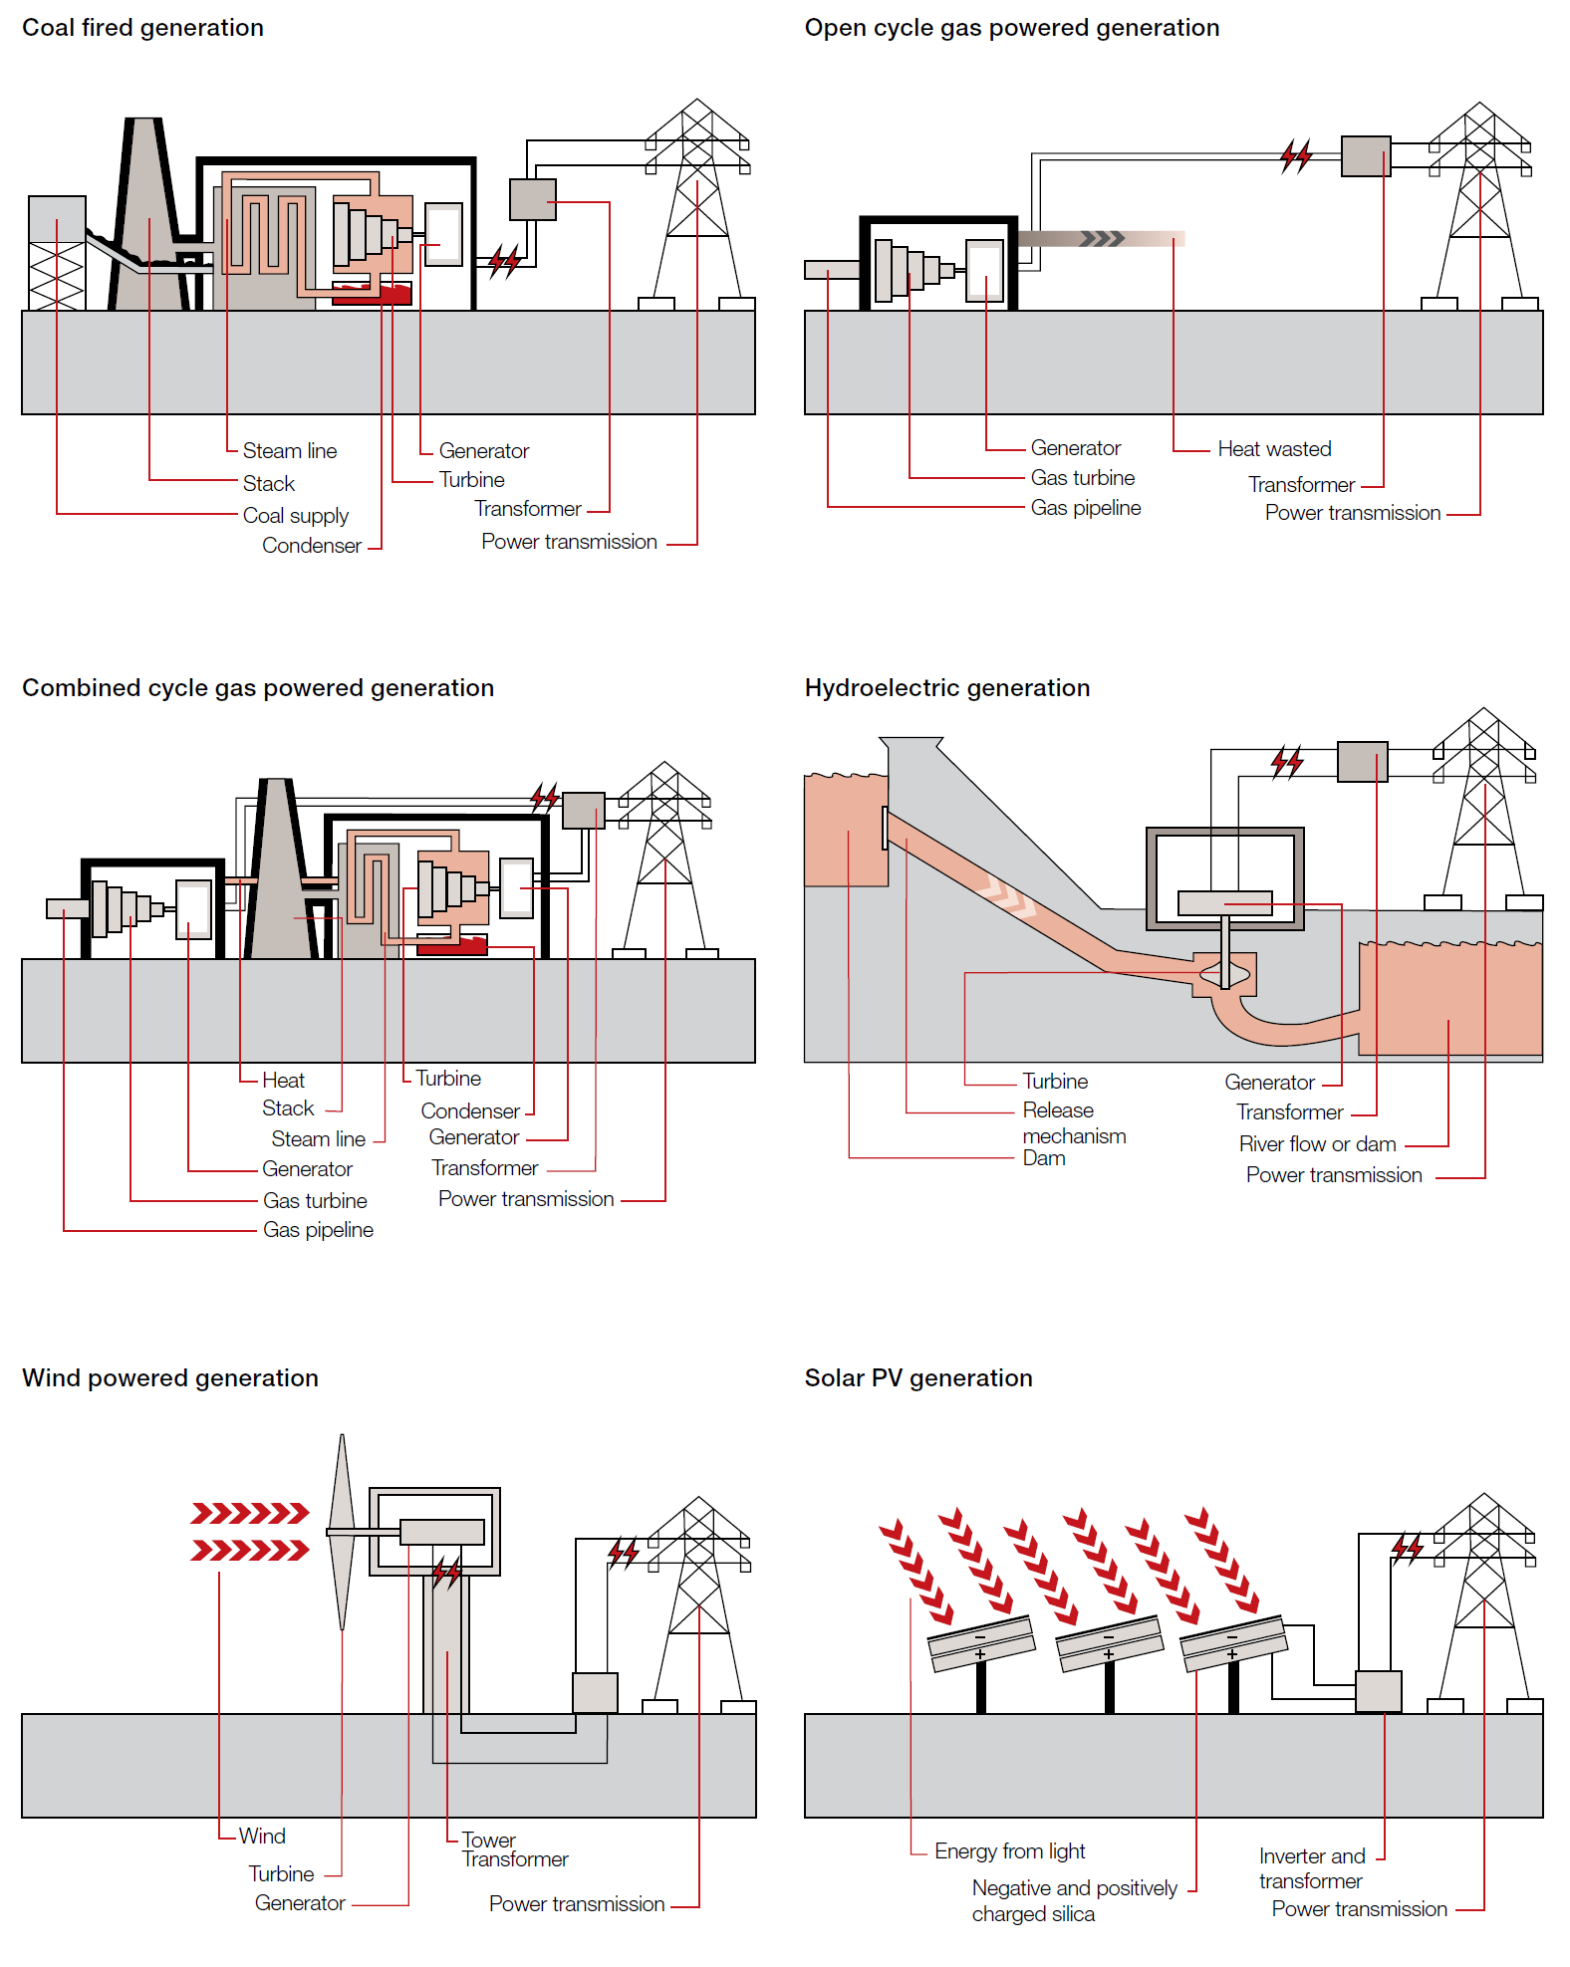

Figure 2.18
...
Contents page
...
Queensland | NSW | Victoria | South Australia | Tasmania | NEM
7% | 1% | 1% | 54% | 6% | 6%
10% | 1% | 6% | 57% | 11% | 9%
10% | 2% | 4% | 54% | 13% | 8%
11% | 5% | 3% | 50% | 9% | 9%
18% | 6% | 1% | 49% | 13% | 11%
...

Figure 2.19
Figure 2.19 - Generators in the NEM

Contents page
A high resolution version of this figure is available on request. Please email: AERinquiry@aer.gov.au

Note: Excludes solar, wind and diesel/biomass smaller than 100 MW registered capacity.

Source: AER.

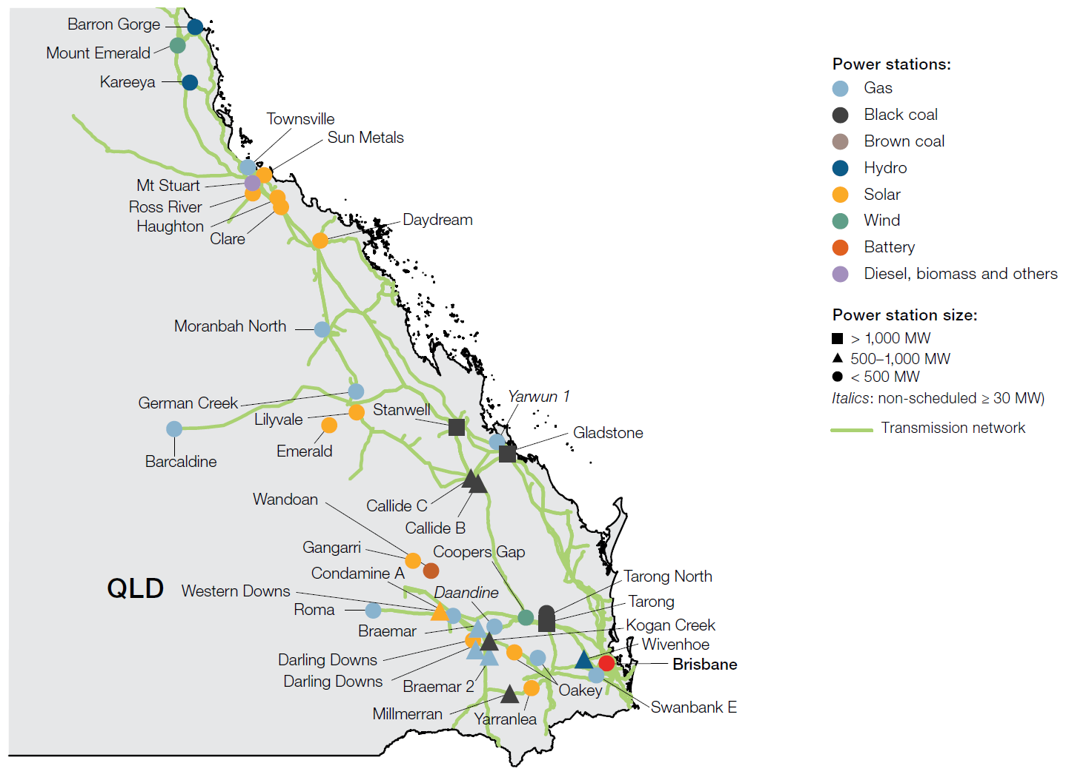
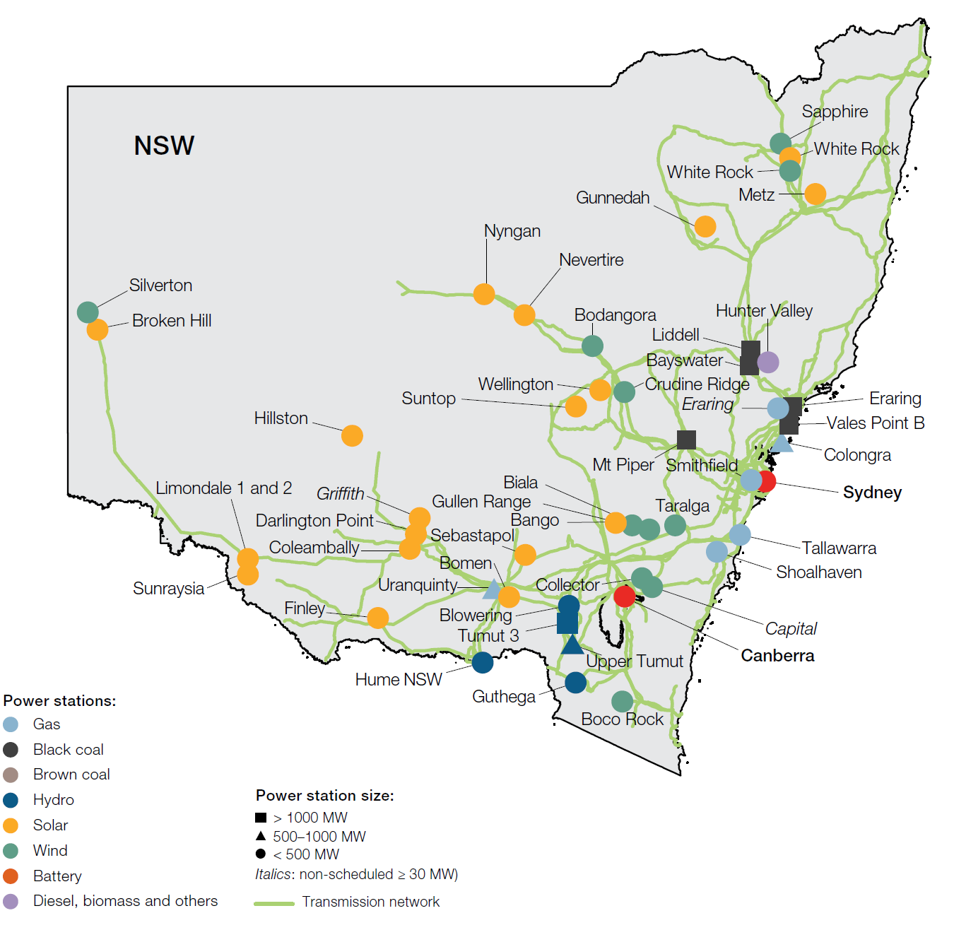

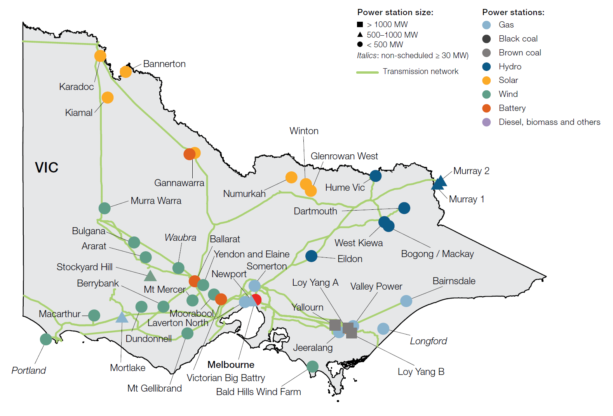
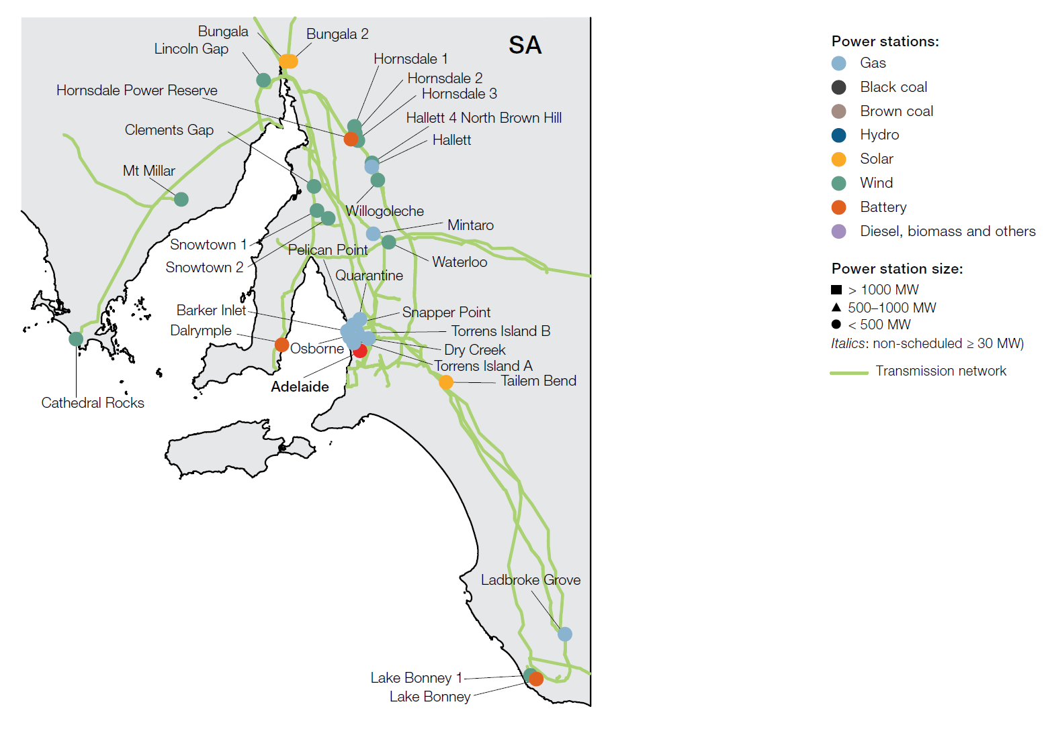

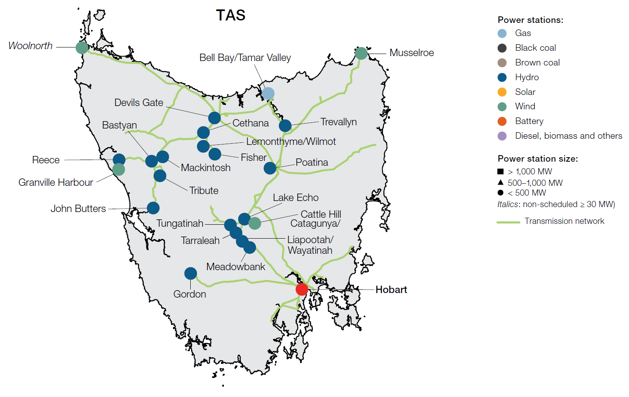

Figure 2.20
Figure 2.20 - Inter-regional trade
Contents page
Source: AER; AEMO.

 |  | TWh
 |  | Imports | Exports
Queensland | 2008 | -0.1 | 6.0
 | 2009 | -0.1 | 4.7
 | 2010 | 0.0 | 7.3
 | 2011 | -0.1 | 4.8
 | 2012 | 0.0 | 5.6
 | 2013 | -0.4 | 1.7
...

Figure 2.21
...
Contents page
...
NSW | Victoria | South Australia | Mainland
96% | 91% | 87% | 70%
97% | 84% | 82% | 68%
92% | 84% | 81% | 59%
95% | 82% | 80% | 66%
98% | 91% | 88% | 80%
...

Figure 2.22
...
Contents page
...
Victoria | South Australia | Tasmania | NEM
47 TWh | 11 TWh | 11 TWh | 189 TWh
17 TWh | 3 TWh |  | 45 TWh
0.3 TWh | 1.1 TWh |  | 17 TWh
 |  |  | 19 TWh
9 TWh | 0.5 TWh |  | 18 TWh
...

Figure 2.23
...
Contents page
...
Solar | Battery | Other | Committed Solar | Committed Wind | Committed Battery | Committed Hydro | Committed gas | Expected closure gas | Expected closure coal
...
155
57 |  | 129
...

Figure 2.24
Figure 2.24 - RERT reserves and costs
Contents page
RERT: Reliability and Emergency Reserve Trader; YTD: year-to-date.
Note: Includes costs for availability, pre-activation, activation and other costs (including compensation costs). 2020–21 YTD is data to 31 March 2021.

Source: AER analysis of AEMO’s RERT reporting.

 | Megawatts |  | $ million
 | Reserves procured | Reserves activated | Cost (RHS)
2017–18 | 1,141 | 169 | 52
2018–19 | 930 | 1,021 | 35
2019–20 | 2,250 | 631 | 38
...

Figure 2.25
...
Contents page
...
Global regulation costs | Global contingency costs | Local costs | Total cost
$1.4 m | $5.2 m | $3.6 m | $10.2 m
$7.1 m | $16.1 m | $2.2 m | $25.4 m
$7.1 m | $10.3 m | $21.8 m | $39.2 m
$6.8 m | $11.6 m | $27.3 m | $45.8 m
$13.3 m | $8.1 m | $16.1 m | $37.6 m
...

